Windows
f2 against d, each window (normal coordinates)
Normal-coordinate method: f1 = peak of FFT(xA+xB), f2 = peak of FFT(xB-xA)
d / mm | f1 / Hz (rect) | df1 (rect) | f2 / Hz (rect) | df2 (rect) | f2^2-f1^2 / Hz^2 (rect) | d(f2^2-f1^2) (rect) | f1 / Hz (hann) | df1 (hann) | f2 / Hz (hann) | df2 (hann) | f2^2-f1^2 / Hz^2 (hann) | d(f2^2-f1^2) (hann) | f1 / Hz (hamming) | df1 (hamming) | f2 / Hz (hamming) | df2 (hamming) | f2^2-f1^2 / Hz^2 (hamming) | d(f2^2-f1^2) (hamming) | f1 / Hz (blackman) | df1 (blackman) | f2 / Hz (blackman) | df2 (blackman) | f2^2-f1^2 / Hz^2 (blackman) | d(f2^2-f1^2) (blackman)
24.5 | 6.4191539372 | 0.046362500781 | 8.5407954345 | 0.046362500781 | 31.739649385 | 1.3871613289 | 6.4191342851 | 0.046362500781 | 8.5407535062 | 0.046362500781 | 31.739185484 | 1.3871556188 | 6.4191355223 | 0.046362500781 | 8.5407716507 | 0.046362500781 | 31.739479535 | 1.387157416 | 6.4191439066 | 0.046362500781 | 8.5407564065 | 0.046362500781 | 31.739111501 | 1.3871567799
26.5 | 6.4196006146 | 0.046566162456 | 8.1470518473 | 0.046566162456 | 25.163181751 | 1.35662621 | 6.4195343333 | 0.046566162456 | 8.1469079865 | 0.046566162456 | 25.161688683 | 1.3566066389 | 6.4195510195 | 0.046566162456 | 8.1469588064 | 0.046566162456 | 25.162302501 | 1.3566129259 | 6.4195399968 | 0.046566162456 | 8.1469067931 | 0.046566162456 | 25.161596525 | 1.3566070552
28.5 | 6.4062353971 | 0.046556609298 | 7.7931377894 | 0.046556609298 | 19.693144641 | 1.3221493394 | 6.4062481824 | 0.046556609298 | 7.7930611598 | 0.046556609298 | 19.691786466 | 1.3221433947 | 6.4062347172 | 0.046556609298 | 7.7930865559 | 0.046556609298 | 19.692354816 | 1.3221445056 | 6.4062767487 | 0.046556609298 | 7.7930656166 | 0.046556609298 | 19.691489922 | 1.3221464696
31 | 6.4103328036 | 0.042925178949 | 7.5173622743 | 0.042925178949 | 15.41836891 | 1.1956976071 | 6.4104253906 | 0.042925178949 | 7.5172781448 | 0.042925178949 | 15.415917018 | 1.1956983332 | 6.4103839898 | 0.042925178949 | 7.5173054057 | 0.042925178949 | 15.416857665 | 1.1956971193 | 6.4104424669 | 0.042925178949 | 7.5172695662 | 0.042925178949 | 15.415569109 | 1.1956990627
33.5 | 6.4037044853 | 0.031218201395 | 7.2099641042 | 0.031218201395 | 10.976151249 | 0.8499884955 | 6.4037270478 | 0.031218201395 | 7.2098026406 | 0.031218201395 | 10.973534013 | 0.84997982302 | 6.4037065515 | 0.031218201395 | 7.2098527337 | 0.031218201395 | 10.974518845 | 0.84998167093 | 6.4037364531 | 0.031218201395 | 7.2097821138 | 0.031218201395 | 10.973117568 | 0.84997912863
36 | 6.4024136247 | 0.024631190475 | 6.9779917912 | 0.024631190475 | 7.7014692158 | 0.65915062885 | 6.402501271 | 0.024631190475 | 6.9778770617 | 0.024631190475 | 7.6987457623 | 0.65914929467 | 6.4024510634 | 0.024631190475 | 6.9779107728 | 0.024631190475 | 7.6998591338 | 0.65914848201 | 6.4025214675 | 0.024631190475 | 6.9778654355 | 0.024631190475 | 7.6983248942 | 0.65914971686
39 | 6.4000651692 | 0.016463810076 | 6.8021001995 | 0.016463810076 | 5.307732954 | 0.43471588643 | 6.4002234517 | 0.016463810076 | 6.8020421063 | 0.016463810076 | 5.3049165834 | 0.43471918543 | 6.4001351022 | 0.016463810076 | 6.8020431884 | 0.016463810076 | 5.3060622101 | 0.43471631192 | 6.4002661886 | 0.016463810076 | 6.8020598235 | 0.016463810076 | 5.3046105578 | 0.43472117604
42 | 6.3947049341 | 0.012427921607 | 6.6859993256 | 0.012427921607 | 3.8103357874 | 0.3251319342 | 6.3948431791 | 0.012427921607 | 6.6858890757 | 0.012427921607 | 3.8070934472 | 0.32513263004 | 6.3947726305 | 0.012427921607 | 6.6859150148 | 0.012427921607 | 3.808342589 | 0.32513152123 | 6.3948674184 | 0.012427921607 | 6.6858975422 | 0.012427921607 | 3.806896646 | 0.32513344297

window | gradient -n | ± (max/min) | s.e. (LINEST) | R^2 | C / m^5 s^-2 | mean f1 / Hz | half-range f1 / Hz
rect | -3.9730011139 | 0.003627180379 | 0.15976431694 | 0.99039095744 | 1.395E-05 | 6.4070263707 | 0.012447840271
hann | -3.9744091792 | 0.0036702922811 | 0.15995254896 | 0.99037527749 | 1.388E-05 | 6.4070796426 | 0.012345577125
hamming | -3.9738604627 | 0.0036525292588 | 0.15987632909 | 0.99038172966 | 1.391E-05 | 6.4070463246 | 0.012389194537
blackman | -3.9745248554 | 0.0036736579555 | 0.15995155752 | 0.99037595049 | 1.388E-05 | 6.4070993308 | 0.012336289228

f2 against d, each window (FFT of xA alone)
Conventional method: the two peaks of FFT(xA) alone
d / mm | f1 / Hz (rect) | df1 (rect) | f2 / Hz (rect) | df2 (rect) | f2^2-f1^2 / Hz^2 (rect) | d(f2^2-f1^2) (rect) | f1 / Hz (hann) | df1 (hann) | f2 / Hz (hann) | df2 (hann) | f2^2-f1^2 / Hz^2 (hann) | d(f2^2-f1^2) (hann) | f1 / Hz (hamming) | df1 (hamming) | f2 / Hz (hamming) | df2 (hamming) | f2^2-f1^2 / Hz^2 (hamming) | d(f2^2-f1^2) (hamming) | f1 / Hz (blackman) | df1 (blackman) | f2 / Hz (blackman) | df2 (blackman) | f2^2-f1^2 / Hz^2 (blackman) | d(f2^2-f1^2) (blackman)
24.5 | 6.4187330649 | 0.046362500781 | 8.5426432858 | 0.046362500781 | 31.77662015 | 1.3872936455 | 6.419179034 | 0.046362500781 | 8.5407109723 | 0.046362500781 | 31.737884441 | 1.3871558242 | 6.4190374288 | 0.046362500781 | 8.541309324 | 0.046362500781 | 31.749923456 | 1.387198176 | 6.4191944074 | 0.046362500781 | 8.540712914 | 0.046362500781 | 31.737720238 | 1.3871574297
26.5 | 6.4192576235 | 0.046566162456 | 8.1483973817 | 0.046566162456 | 25.189511452 | 1.3567195791 | 6.419532805 | 0.046566162456 | 8.1468702243 | 0.046566162456 | 25.161093017 | 1.3566029797 | 6.4194389615 | 0.046566162456 | 8.1473709906 | 0.046566162456 | 25.170457477 | 1.3566408774 | 6.4195383627 | 0.046566162456 | 8.1468575262 | 0.046566162456 | 25.160814761 | 1.3566023147
28.5 | 6.4053353739 | 0.046556609298 | 7.7959299053 | 0.046556609298 | 19.748201837 | 1.3223255183 | 6.4062418985 | 0.046556609298 | 7.7929833402 | 0.046556609298 | 19.690654079 | 1.3221355635 | 6.4059498575 | 0.046556609298 | 7.7939009881 | 0.046556609298 | 19.708699036 | 1.3221938158 | 6.4062547666 | 0.046556609298 | 7.7929811121 | 0.046556609298 | 19.690454479 | 1.3221365543
31 | 6.4094414836 | 0.042925178949 | 7.5195498382 | 0.042925178949 | 15.462689638 | 1.1958088901 | 6.410451815 | 0.042925178949 | 7.5172164757 | 0.042925178949 | 15.41465107 | 1.1956953074 | 6.4101216579 | 0.042925178949 | 7.5179440614 | 0.042925178949 | 15.429823242 | 1.1957294268 | 6.4104649816 | 0.042925178949 | 7.5172222387 | 0.042925178949 | 15.414568907 | 1.1956969326
33.5 | 6.4028466497 | 0.031218201395 | 7.2120380414 | 0.031218201395 | 11.017047491 | 0.85006442451 | 6.4037295648 | 0.031218201395 | 7.2097240675 | 0.031218201395 | 10.97236879 | 0.84997507434 | 6.4034396204 | 0.031218201395 | 7.2104468673 | 0.031218201395 | 10.986505054 | 0.85000210028 | 6.4037231355 | 0.031218201395 | 7.2097271119 | 0.031218201395 | 10.972495032 | 0.849974863
36 | 6.4019108553 | 0.024631190475 | 6.9792691137 | 0.024631190475 | 7.7257347627 | 0.65918878518 | 6.402544162 | 0.024631190475 | 6.977826142 | 0.024631190475 | 7.6974859219 | 0.65914889916 | 6.4023113741 | 0.024631190475 | 6.9782952878 | 0.024631190475 | 7.7070141934 | 0.65916054271 | 6.4025672305 | 0.024631190475 | 6.9778174996 | 0.024631190475 | 7.6970699162 | 0.65914960982
39 | 6.399696041 | 0.016463810076 | 6.8032750714 | 0.016463810076 | 5.3284422804 | 0.43474241765 | 6.4002263963 | 0.016463810076 | 6.8020047352 | 0.016463810076 | 5.3043704933 | 0.43471805184 | 6.4000120282 | 0.016463810076 | 6.8024298499 | 0.016463810076 | 5.3128979023 | 0.43472499123 | 6.4002656979 | 0.016463810076 | 6.8020376432 | 0.016463810076 | 5.3043150965 | 0.43472042953
42 | 6.3944257327 | 0.012427921607 | 6.6872496293 | 0.012427921607 | 3.8306271526 | 0.32515607176 | 6.3948648178 | 0.012427921607 | 6.6858418222 | 0.012427921607 | 3.8061848334 | 0.32513199336 | 6.394688682 | 0.012427921607 | 6.6863056202 | 0.012427921607 | 3.8146395082 | 0.32513914345 | 6.3948869183 | 0.012427921607 | 6.6858598845 | 0.012427921607 | 3.8061436978 | 0.32513299164

window | gradient -n | ± (max/min) | s.e. (LINEST) | R^2 | C / m^5 s^-2 | mean f1 / Hz | half-range f1 / Hz
rect | -3.9660371497 | 0.0031732937831 | 0.15995921471 | 0.99033419573 | 1.433E-05 | 6.4064558531 | 0.012415945403
hann | -3.974735495 | 0.0036892209982 | 0.15997434478 | 0.99037424503 | 1.386E-05 | 6.4070963117 | 0.012333993584
hamming | -3.9716060749 | 0.0035171569539 | 0.15988286578 | 0.99037013275 | 1.403E-05 | 6.4068749513 | 0.012375139784
blackman | -3.9747581654 | 0.0036913147296 | 0.15997978653 | 0.99037370521 | 1.386E-05 | 6.4071119376 | 0.012325722215

Charts
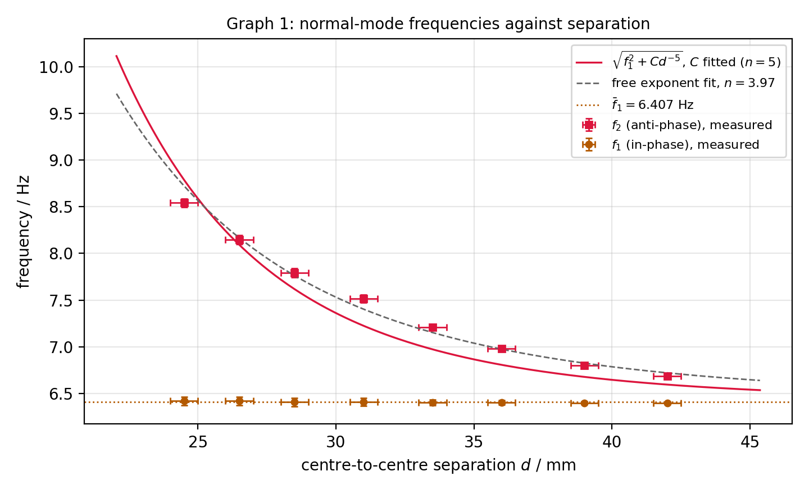
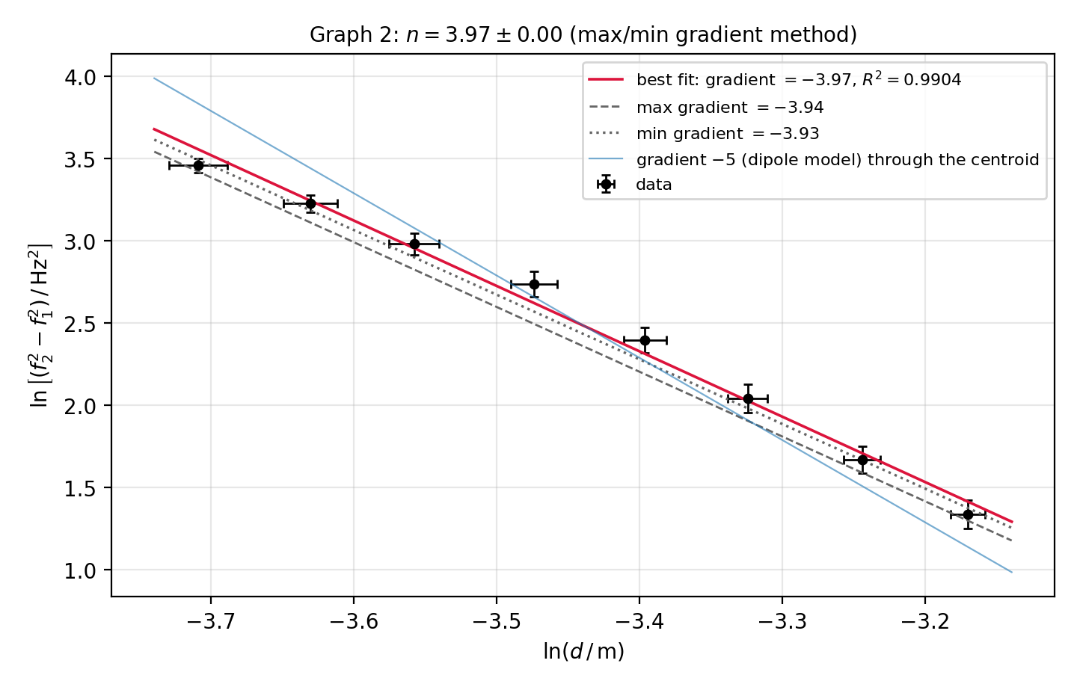
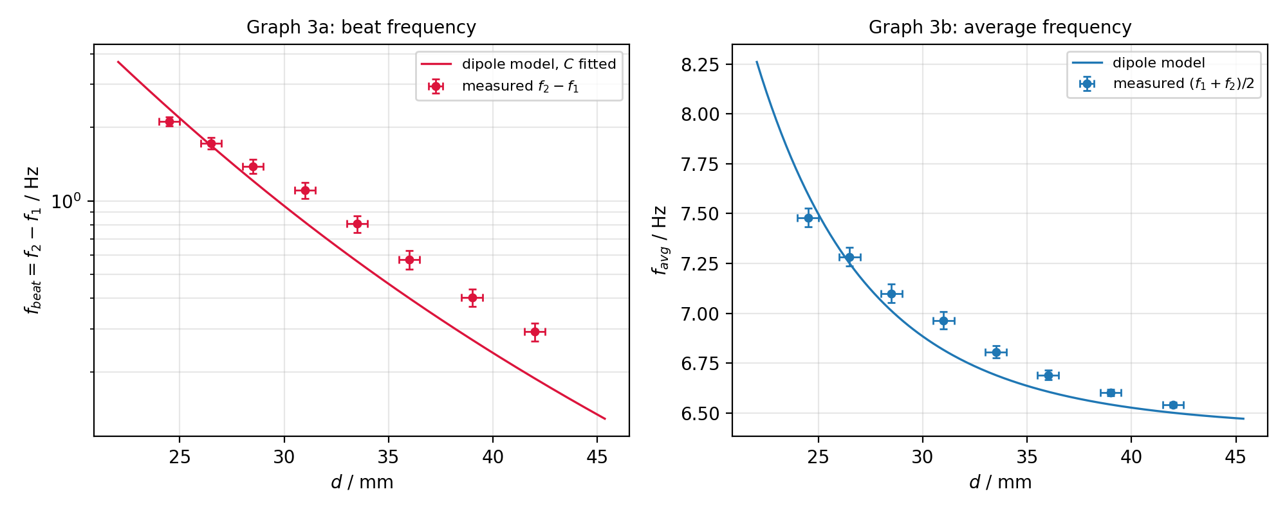
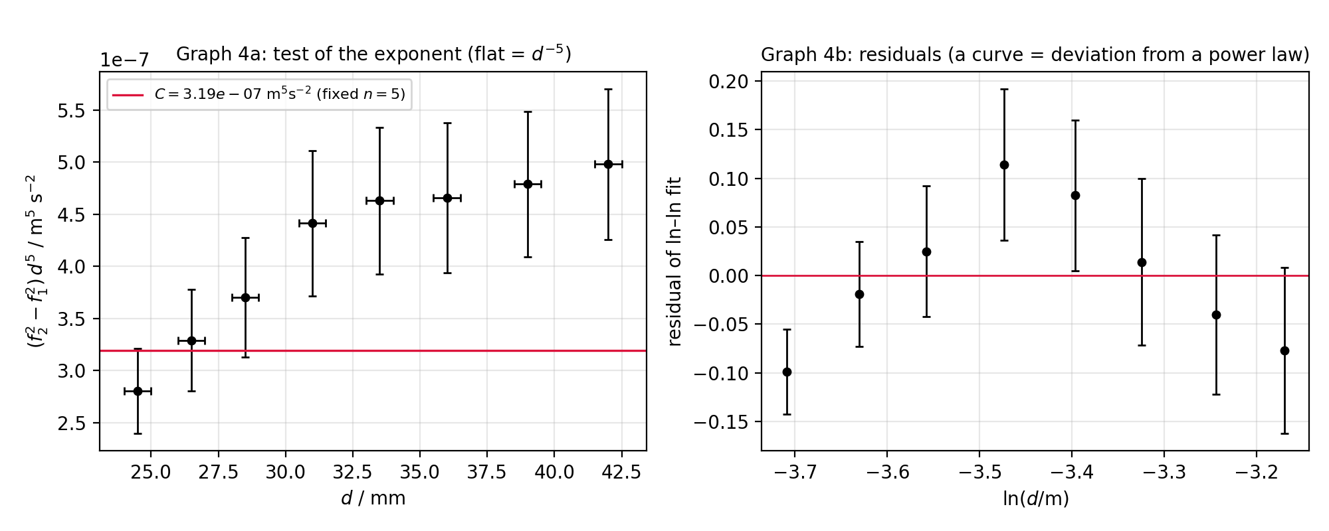
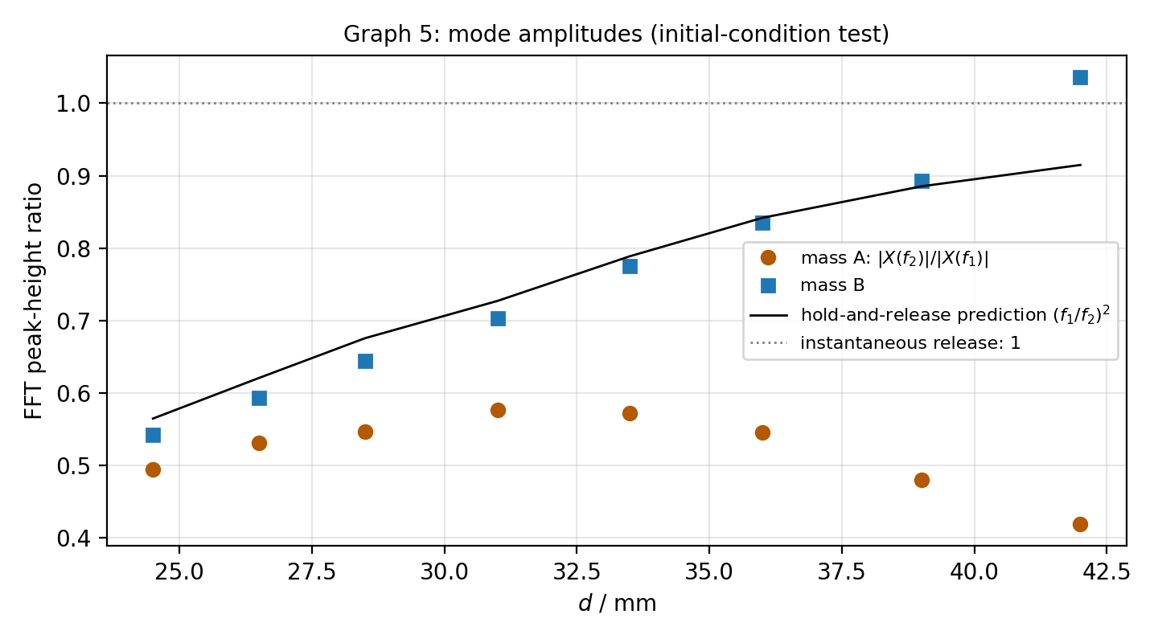
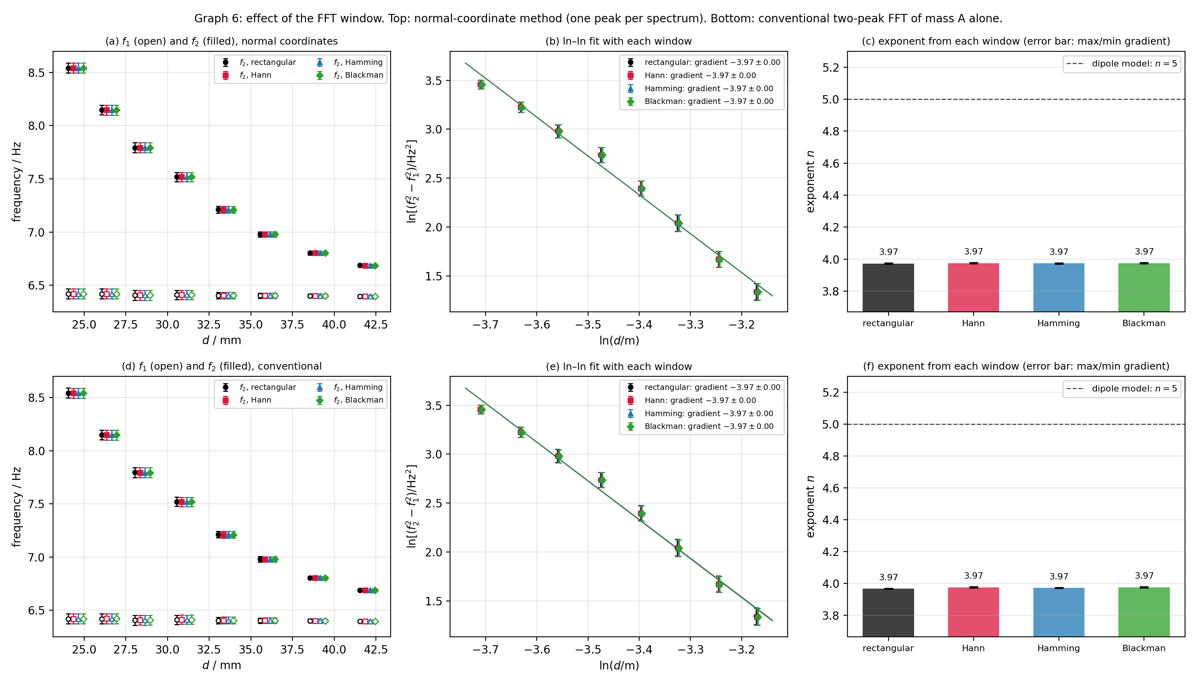
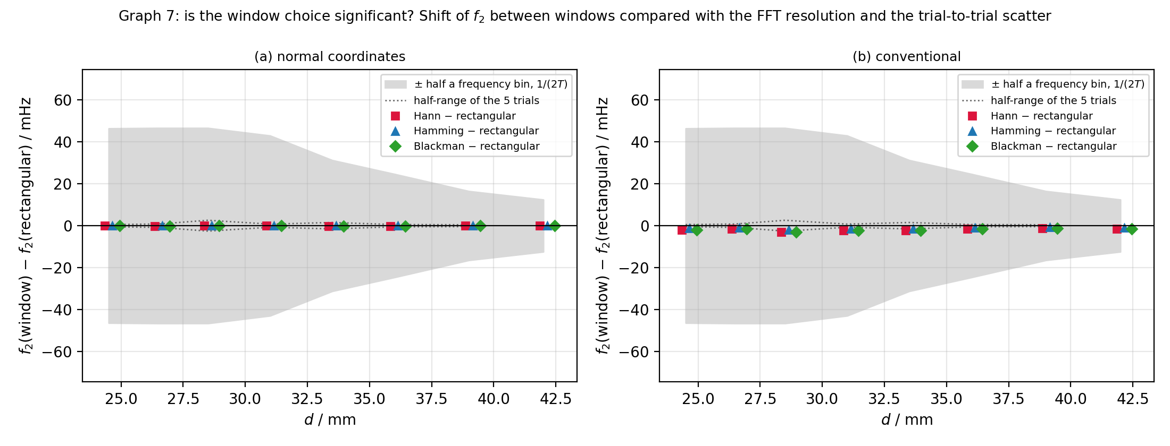
f1 and f2 against d
 | f2 measured | f1 measured | f2 dipole model (C fitted, n = 5) | mean f1
ln(f2^2 - f1^2) against ln d
 | data | best fit, gradient -3.97 | max gradient -3.94 | min gradient -3.93

f_beat = f2 - f1 against d
 | measured | dipole model
(f2^2 - f1^2) d^5 against d (flat = d^-5 law)
 | C_i | C (fixed n = 5)

f_avg against d
 | measured
FFT peak-height ratio against d
 | mass A | mass B | (f1/f2)^2 predicted

