Windows
f2 against d, each window (normal coordinates)
Normal-coordinate method: f1 = peak of FFT(xA+xB), f2 = peak of FFT(xB-xA)
d / mm | f1 / Hz (rect) | df1 (rect) | f2 / Hz (rect) | df2 (rect) | f2^2-f1^2 / Hz^2 (rect) | d(f2^2-f1^2) (rect) | f1 / Hz (hann) | df1 (hann) | f2 / Hz (hann) | df2 (hann) | f2^2-f1^2 / Hz^2 (hann) | d(f2^2-f1^2) (hann) | f1 / Hz (hamming) | df1 (hamming) | f2 / Hz (hamming) | df2 (hamming) | f2^2-f1^2 / Hz^2 (hamming) | d(f2^2-f1^2) (hamming) | f1 / Hz (blackman) | df1 (blackman) | f2 / Hz (blackman) | df2 (blackman) | f2^2-f1^2 / Hz^2 (blackman) | d(f2^2-f1^2) (blackman)
24.5 | 6.4193294216 | 0.051431944796 | 8.0401047631 | 0.350236415 | 23.435494379 | 6.2921921297 | 6.4193980802 | 0.051431944796 | 8.040183142 | 0.35020386469 | 23.435873245 | 6.2917306736 | 6.4193747829 | 0.051431944796 | 8.0401588465 | 0.35021638359 | 23.435781674 | 6.2919125683 | 6.419403288 | 0.051431944796 | 8.0401826043 | 0.35019515785 | 23.435797736 | 6.2915908236
26.5 | 6.420582226 | 0.052925704869 | 7.4697024472 | 0.052925704869 | 14.572578529 | 1.4703062143 | 6.4206636897 | 0.052925704869 | 7.4698680616 | 0.052925704869 | 14.574006641 | 1.4703323679 | 6.4206371314 | 0.052925704869 | 7.4698161103 | 0.052925704869 | 14.573571549 | 1.4703240575 | 6.4206596585 | 0.052925704869 | 7.4698672861 | 0.052925704869 | 14.574046822 | 1.4703318591
28.5 | 6.41866162 | 0.052949499318 | 7.1507585118 | 0.052949499318 | 9.9341303027 | 1.436988004 | 6.4188103702 | 0.052949499318 | 7.1508524309 | 0.052949499318 | 9.9335639207 | 1.4370137025 | 6.4187633137 | 0.052949499318 | 7.1508219587 | 0.052949499318 | 9.9337322078 | 1.4370054922 | 6.4188113727 | 0.052949499318 | 7.1508468064 | 0.052949499318 | 9.9334706097 | 1.437013213
31 | 6.4185151434 | 0.043575583131 | 6.9192332633 | 0.043575583131 | 6.6784523059 | 1.162400329 | 6.4186670603 | 0.043575583131 | 6.9193340357 | 0.043575583131 | 6.6778966662 | 1.1624223511 | 6.4186190765 | 0.043575583131 | 6.9193027197 | 0.043575583131 | 6.6780792776 | 1.1624154401 | 6.4186696335 | 0.043575583131 | 6.9193377792 | 0.043575583131 | 6.6779154389 | 1.1624229016
33.5 | 6.4204331496 | 0.034555123696 | 6.7632569241 | 0.037936988406 | 4.519682393 | 0.95687292238 | 6.4205303686 | 0.034555123696 | 6.7632746402 | 0.037927975824 | 4.5186736449 | 0.95675907625 | 6.4205004898 | 0.034555123696 | 6.7632683697 | 0.037930663248 | 4.5189725012 | 0.95679288721 | 6.420532217 | 0.034555123696 | 6.7632721523 | 0.037929353013 | 4.5186162567 | 0.95677764389
36 | 6.4199854246 | 0.025735254287 | 6.6611221529 | 0.041378549891 | 3.1543354829 | 0.8816950655 | 6.4199836753 | 0.025735254287 | 6.661100171 | 0.041368468666 | 3.154065097 | 0.8815588522 | 6.4199843127 | 0.025735254287 | 6.6611068034 | 0.041371643352 | 3.1541452719 | 0.88160172761 | 6.419981281 | 0.025735254287 | 6.6610982172 | 0.041366702058 | 3.1540698109 | 0.88153503223
39 | 6.4216451566 | 0.017086496007 | 6.6074912252 | 0.043157840081 | 2.4214137747 | 0.78977692792 | 6.4216372895 | 0.017086496007 | 6.6074773315 | 0.043157434663 | 2.4213312082 | 0.78977010225 | 6.4216400541 | 0.017086496007 | 6.6074822493 | 0.04315752024 | 2.421360691 | 0.78977175211 | 6.4216392449 | 0.017086496007 | 6.6074784004 | 0.043157296112 | 2.4213202208 | 0.78976843038
42 | 6.4192750498 | 0.011329455531 | 6.5277422499 | 0.02948928477 | 1.4043267161 | 0.53045068266 | 6.4192652952 | 0.011329455531 | 6.527736338 | 0.029484662078 | 1.4043747678 | 0.53038976154 | 6.4192685168 | 0.011329455531 | 6.5277386347 | 0.029486014999 | 1.4043633931 | 0.53040763299 | 6.4192643906 | 0.011329455531 | 6.5277389457 | 0.029483540203 | 1.4044204265 | 0.53037524819

window | gradient -n | ± (max/min) | s.e. (LINEST) | R^2 | C / m^5 s^-2 | mean f1 / Hz | half-range f1 / Hz
rect | -5.013093707 | 0.88905350413 | 0.12585196242 | 0.9962327849 | 1.860E-07 | 6.4198033989 | 0.0015650065831
hann | -5.0132138048 | 0.88890593722 | 0.12586529906 | 0.99623216929 | 1.859E-07 | 6.4198694786 | 0.0014851145804
hamming | -5.0131751503 | 0.88895126498 | 0.12586213046 | 0.99623230039 | 1.859E-07 | 6.4198484597 | 0.0015104888154
blackman | -5.0131784801 | 0.88885832138 | 0.12585472992 | 0.99623274677 | 1.859E-07 | 6.4198701358 | 0.0014848056838

f2 against d, each window (FFT of xA alone)
Conventional method: the two peaks of FFT(xA) alone
d / mm | f1 / Hz (rect) | df1 (rect) | f2 / Hz (rect) | df2 (rect) | f2^2-f1^2 / Hz^2 (rect) | d(f2^2-f1^2) (rect) | f1 / Hz (hann) | df1 (hann) | f2 / Hz (hann) | df2 (hann) | f2^2-f1^2 / Hz^2 (hann) | d(f2^2-f1^2) (hann) | f1 / Hz (hamming) | df1 (hamming) | f2 / Hz (hamming) | df2 (hamming) | f2^2-f1^2 / Hz^2 (hamming) | d(f2^2-f1^2) (hamming) | f1 / Hz (blackman) | df1 (blackman) | f2 / Hz (blackman) | df2 (blackman) | f2^2-f1^2 / Hz^2 (blackman) | d(f2^2-f1^2) (blackman)
24.5 | 6.418513444 | 0.051431944796 | 8.0416966845 | 0.34971981702 | 23.471570734 | 6.2849146442 | 6.419435714 | 0.051431944796 | 8.0401566026 | 0.35025658876 | 23.434963308 | 6.2925637759 | 6.4191482665 | 0.051431944796 | 8.0406270053 | 0.35007202111 | 23.44621817 | 6.289895652 | 6.4194382948 | 0.051431944796 | 8.0401579127 | 0.35024012211 | 23.434951241 | 6.2923001703
26.5 | 6.4185166519 | 0.052925704869 | 7.4730657999 | 0.052925704869 | 14.649356439 | 1.470443586 | 6.4207203705 | 0.052925704869 | 7.469796526 | 0.052925704869 | 14.572210063 | 1.4703307955 | 6.4200351226 | 0.052925704869 | 7.4708123008 | 0.052925704869 | 14.596185458 | 1.4703657822 | 6.4206933991 | 0.052925704869 | 7.4698515757 | 0.052925704869 | 14.573378838 | 1.4703337676
28.5 | 6.4154337584 | 0.052949499318 | 7.1555313007 | 0.052949499318 | 10.043837887 | 1.4371516103 | 6.4189839513 | 0.052949499318 | 7.1505706036 | 0.052949499318 | 9.9273049904 | 1.4370022393 | 6.4178780766 | 0.052949499318 | 7.1521127983 | 0.052949499318 | 9.9635584737 | 1.4370484451 | 6.418895837 | 0.052949499318 | 7.1507096608 | 0.052949499318 | 9.9304248869 | 1.4370076341
31 | 6.4152975662 | 0.043575583131 | 6.9232556019 | 0.043575583131 | 6.7754252661 | 1.1624704649 | 6.4189421273 | 0.043575583131 | 6.9189830245 | 0.043575583131 | 6.6695080598 | 1.1624157325 | 6.4177798559 | 0.043575583131 | 6.9203553368 | 0.043575583131 | 6.7034197092 | 1.1624340378 | 6.4188034604 | 0.043575583131 | 6.9191954669 | 0.043575583131 | 6.6742280464 | 1.1624221621
33.5 | 6.4176911641 | 0.034555123696 | 6.7664718062 | 0.036614963814 | 4.5983808262 | 0.93903646471 | 6.4208798032 | 0.034555123696 | 6.7628374514 | 0.03819309782 | 4.5082729465 | 0.96033601632 | 6.4198222119 | 0.034555123696 | 6.7640552723 | 0.037652982542 | 4.5383264946 | 0.95304921144 | 6.4206801059 | 0.034555123696 | 6.7630876486 | 0.037998565088 | 4.5142215207 | 0.95771004297
36 | 6.4176961198 | 0.025735254287 | 6.6637945773 | 0.039874813253 | 3.2193346817 | 0.86175721182 | 6.4203449581 | 0.025735254287 | 6.6606855504 | 0.041719196713 | 3.14390262 | 0.88621532165 | 6.4194850508 | 0.025735254287 | 6.6616982067 | 0.041185310084 | 3.1684346795 | 0.879142373 | 6.4201081246 | 0.025735254287 | 6.6609579966 | 0.041447940681 | 3.1505731009 | 0.88261221412
39 | 6.4203225546 | 0.017086496007 | 6.6089762016 | 0.042326622861 | 2.4580247285 | 0.77887291775 | 6.4218189654 | 0.017086496007 | 6.6072839339 | 0.043338878939 | 2.4164421595 | 0.79215732527 | 6.4213034039 | 0.017086496007 | 6.6078701904 | 0.042996522322 | 2.4308110473 | 0.78766602621 | 6.4217160209 | 0.017086496007 | 6.6074020788 | 0.043204779339 | 2.4193255772 | 0.79039194793
42 | 6.4181360528 | 0.011329455531 | 6.5289812513 | 0.029238359442 | 1.4351257873 | 0.52722137525 | 6.4194592941 | 0.011329455531 | 6.5275304882 | 0.029632678097 | 1.3991966458 | 0.53231437667 | 6.418982781 | 0.011329455531 | 6.5280542446 | 0.029492733293 | 1.4121522784 | 0.53050748546 | 6.4193384892 | 0.011329455531 | 6.5276608705 | 0.029527072166 | 1.4024498009 | 0.53094064711

window | gradient -n | ± (max/min) | s.e. (LINEST) | R^2 | C / m^5 s^-2 | mean f1 / Hz | half-range f1 / Hz
rect | -4.9790143772 | 0.87067400467 | 0.12128998124 | 0.99645210485 | 2.119E-07 | 6.417700914 | 0.0025124942128
hann | -5.0199806669 | 0.89374718243 | 0.12648498568 | 0.99620533035 | 1.813E-07 | 6.420073148 | 0.001438419021
hamming | -5.0050941178 | 0.88538908998 | 0.12474005555 | 0.9962870159 | 1.918E-07 | 6.4193043461 | 0.001761774042
blackman | -5.015691818 | 0.89051874694 | 0.12606837035 | 0.99622376739 | 1.842E-07 | 6.4199592165 | 0.0014562802673

Charts
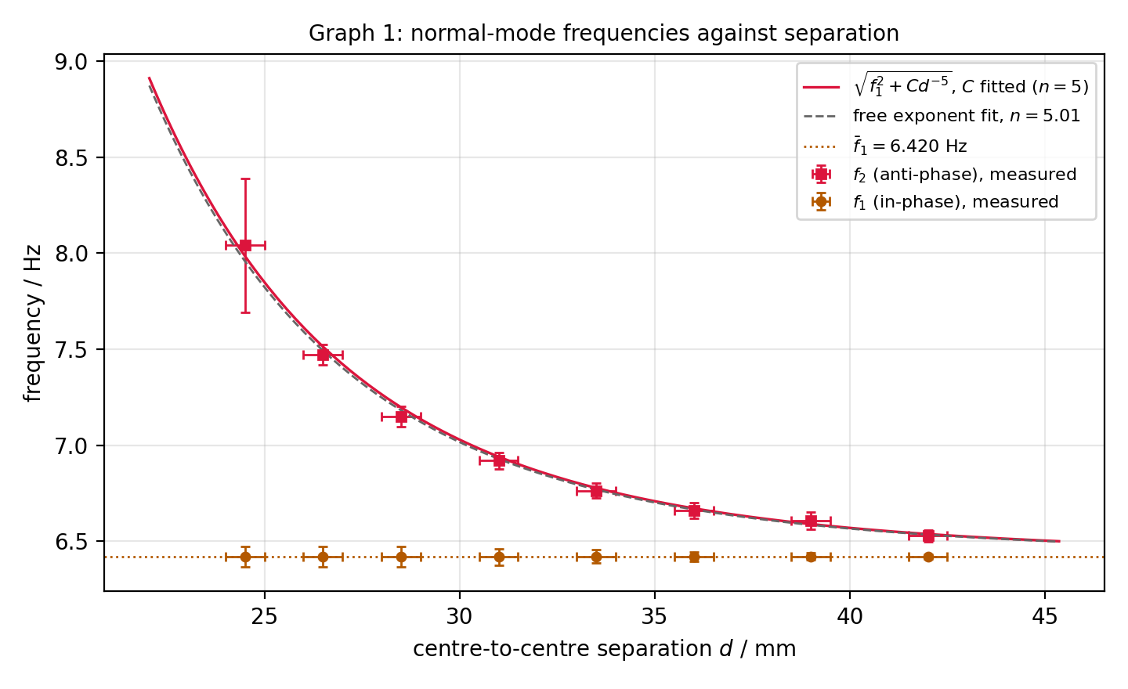
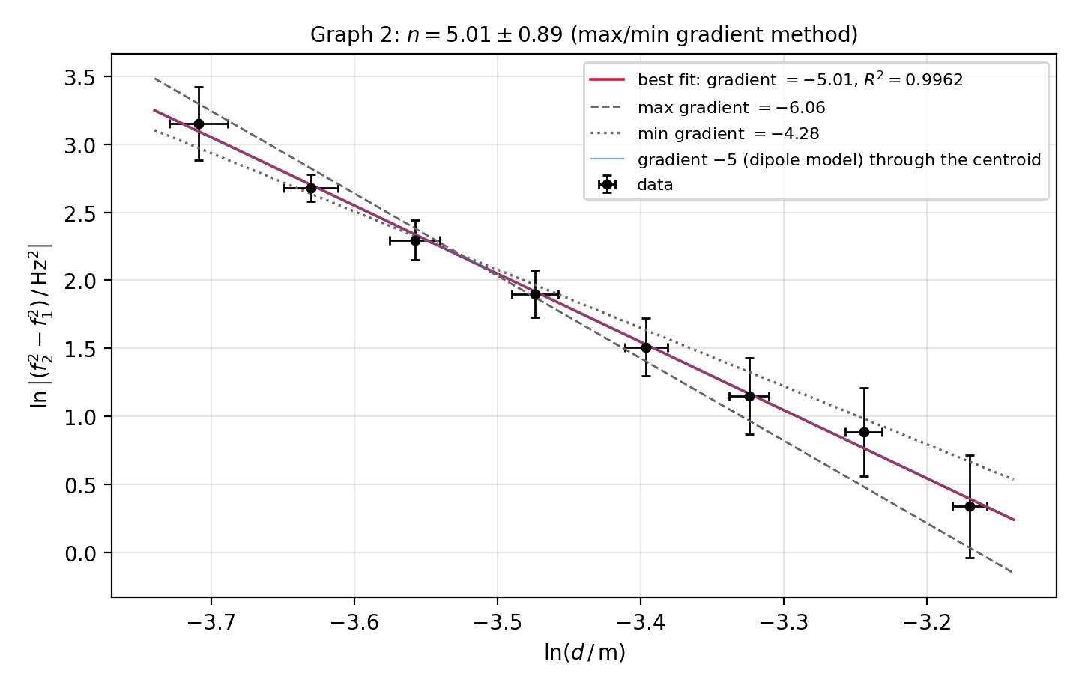
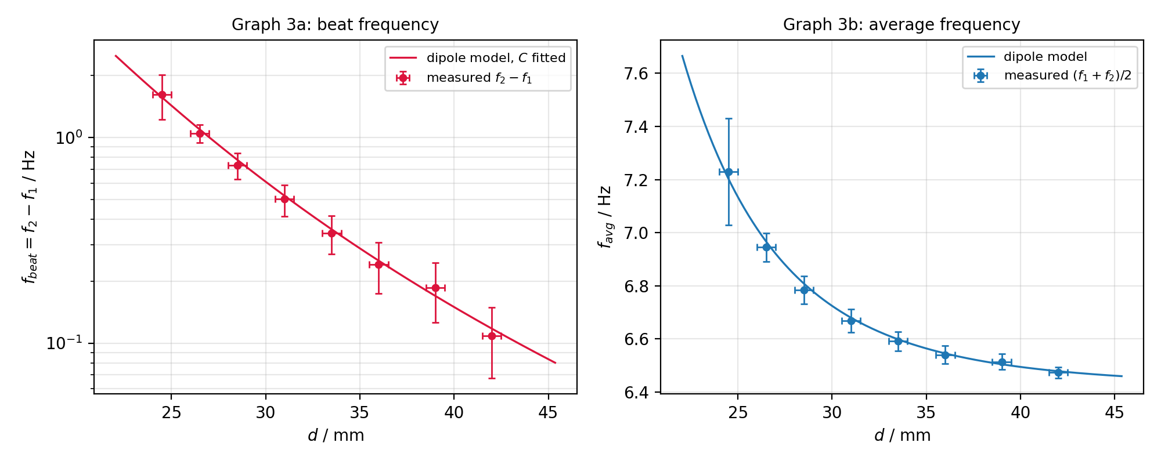
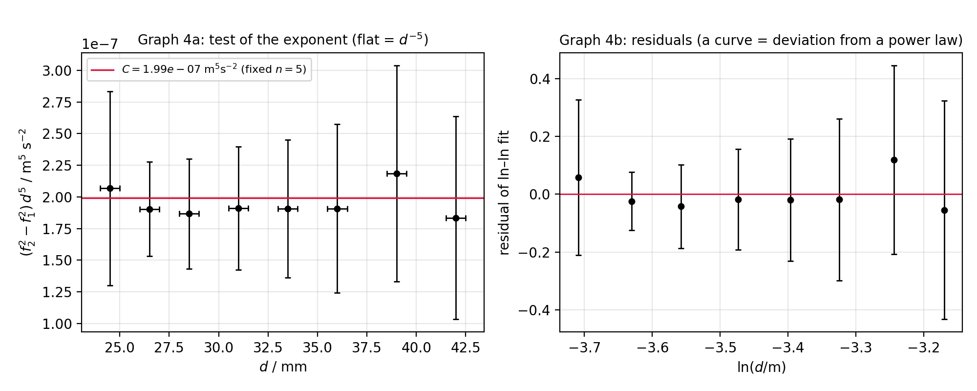
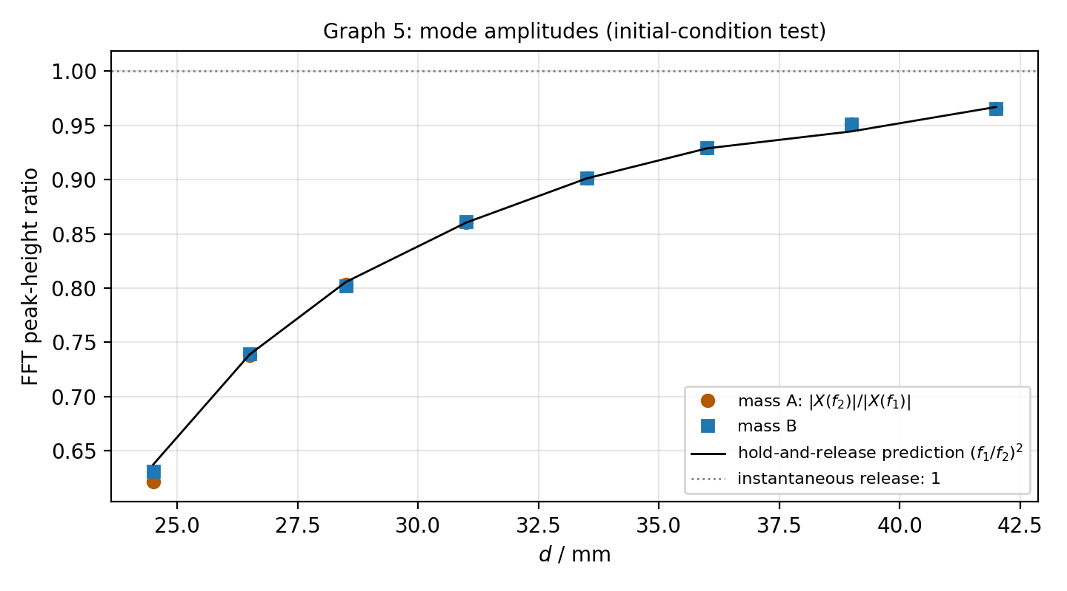
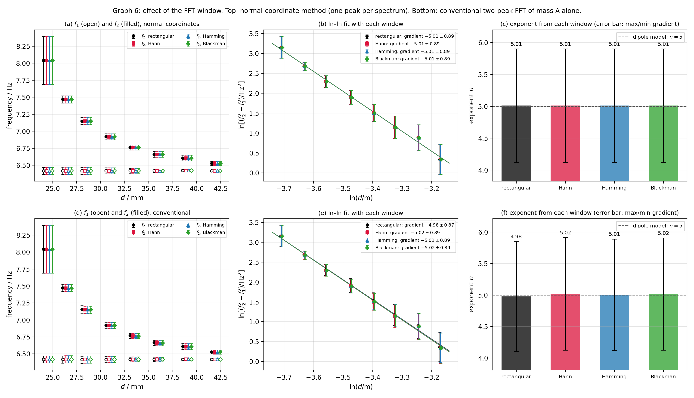
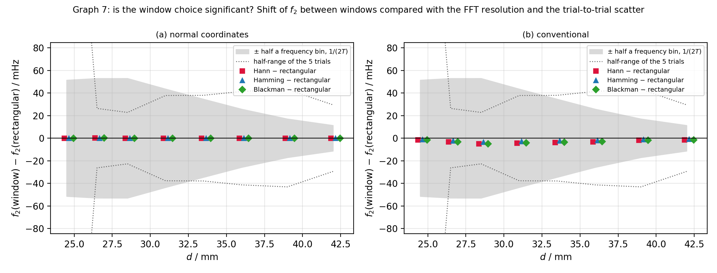
f1 and f2 against d
 | f2 measured | f1 measured | f2 dipole model (C fitted, n = 5) | mean f1
ln(f2^2 - f1^2) against ln d
 | data | best fit, gradient -5.01 | max gradient -6.06 | min gradient -4.28

f_beat = f2 - f1 against d
 | measured | dipole model
(f2^2 - f1^2) d^5 against d (flat = d^-5 law)
 | C_i | C (fixed n = 5)

f_avg against d
 | measured
FFT peak-height ratio against d
 | mass A | mass B | (f1/f2)^2 predicted

