Template
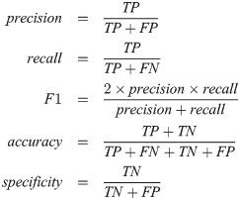
Metric | Results
Accuracy | 61.300309598 |  |  | Qualatitive Performance |  |  |  | Quantative Performace
F1 Score | 0.52866242038 |  |  |  |  | Pristine Set |  | Batch 1.1 |  | Batch 1.2 |  | Batch 1.3 |  | Batch 1.4 |  | Batch 1.5 |  | Batch 2.1 |  | Batch 2.2 |  | Batch 2.3 |  | Batch 2.4 |  | Batch 2.5
Precision | 52.866242038 |  |  |  |  | average number of keypoints | 2182.75 | average number of keypoints | 1677.8888889 | average number of keypoints | 2115.4285714 | average number of keypoints | 1805.6666667 | average number of keypoints | 1635.8888889 | average number of keypoints | 1865.875 | average number of keypoints | 1705.5 | average number of keypoints | 2708.7142857 | average number of keypoints | 1072.2222222 | average number of keypoints | 1361.3333333 | average number of keypoints | 1835.75
Recall (sensitivity) | 52.866242038 |  |  |  |  | average number of keypoint matches | 21.875 | average number of keypoint matches | 6.8055555556 | average number of keypoint matches | 12.380952381 | average number of keypoint matches | 8.2222222222 | average number of keypoint matches | 6.8611111111 | average number of keypoint matches | 11.821428571 | average number of keypoint matches | 5.2444444444 | average number of keypoint matches | 6.9047619048 | average number of keypoint matches | 4.2222222222 | average number of keypoint matches | 4.5833333333 | average number of keypoint matches | 8.2142857143
Specificity | 69.277108434 |  |  |  |  | Matching Threshold | 5
 |  |  |  |  |  | Comparisons over matching threshold | 100 | Comparisons over matching threshold | 14 | Comparisons over matching threshold | 16 | Comparisons over matching threshold | 16 | Comparisons over matching threshold | 17 | Comparisons over matching threshold | 20 | Comparisons over matching threshold | 13 | Comparisons over matching threshold | 10 | Comparisons over matching threshold | 5 | Comparisons over matching threshold | 9 | Comparisons over matching threshold | 14
same cat (Batch 1) accuracy | 0.52866242038
different cat (Batch 2) accuracy | 0.69277108434 |  |  |  |  | Number of Comparisons: | 120 | Number of Comparisons: | 36 | Number of Comparisons: | 21 | Number of Comparisons: | 36 | Number of Comparisons: | 36 | Number of Comparisons: | 28 | Number of Comparisons: | 45 | Number of Comparisons: | 21 | Number of Comparisons: | 36 | Number of Comparisons: | 36 | Number of Comparisons: | 28
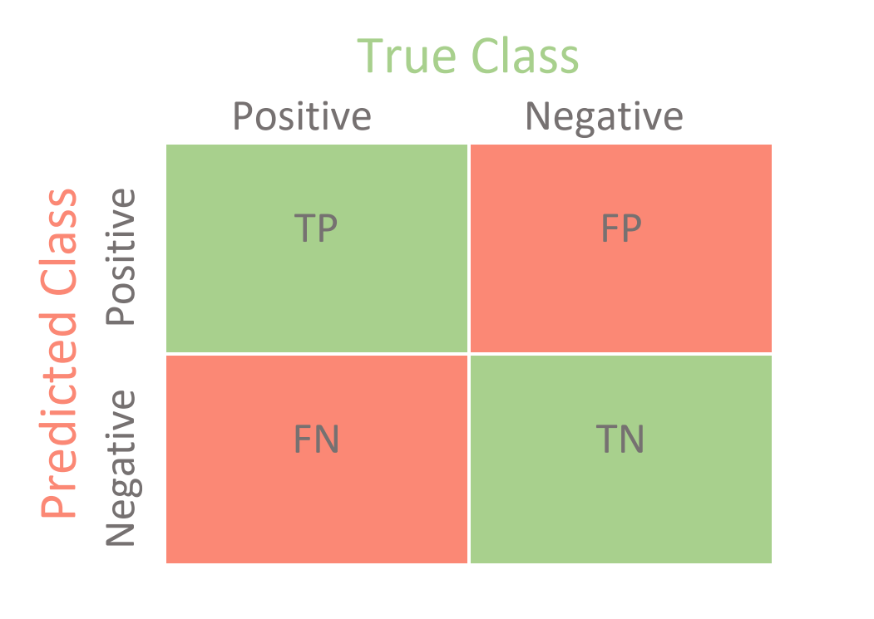
Average Accuracy | 61.071675236 |  |  | Out of 5 |  | Number of images: | 16 | Number of images: | 9 | Number of images: | 7 | Number of images: | 9 | Number of images: | 9 | Number of images: | 8 | Number of images: | 10 | Number of images: | 7 | Number of images: | 9 | Number of images: | 9 | Number of images: | 8
 |  |  |  | Rating | Observations | Pristine Match Counts | Pristine Keypoint Counts | Match Counts | Keypoint Counts | Match Counts | Keypoint Counts | Match Counts | Keypoint Counts | Match Counts | Keypoint Counts | Match Counts | Keypoint Counts | Match Counts | Keypoint Counts | Match Counts | Keypoint Counts | Match Counts | Keypoint Counts | Match Counts | Keypoint Counts | Match Counts | Keypoint Counts
True Posititves | 83 |  |  |  |  | Pristine Match Counts | Pristine Keypoint Counts | Batch1.1 Match Counts | Batch1.1 Keypoint Counts | Batch1.2 Match Counts | Batch1.2 Keypoint Counts | Batch1.3 Match Counts | Batch1.3 Keypoint Counts | Batch1.4 Match Counts | Batch1.4 Keypoint Counts | Batch1.5 Match Counts | Batch1.5 Keypoint Counts | Batch2.1 Match Counts | Batch2.1 Keypoint Counts | Batch2.2 Match Counts | Batch2.2 Keypoint Counts | Batch2.3 Match Counts | Batch2.3 Keypoint Counts | Batch2.4 Match Counts | Batch2.4 Keypoint Counts | Batch2.5 Match Counts | Batch2.5 Keypoint Counts
True Negatives | 115 |  |  |  |  | 141 | 2232 | 1 | 1151 | 19 | 3911 | 4 | 2752 | 3 | 1553 | 10 | 2300 | 5 | 2452 | 5 | 2847 | 4 | 1515 | 5 | 1965 | 12 | 3803
False Positives | 51 |  |  |  |  | 9 | 2300 | 3 | 3757 | 13 | 2695 | 9 | 2808 | 3 | 2384 | 17 | 773 | 7 | 1088 | 8 | 3855 | 5 | 343 | 10 | 956 | 9 | 533
False Negatives | 74 |  |  |  |  | 6 | 741 | 4 | 1430 | 13 | 2232 | 5 | 1219 | 3 | 720 | 22 | 2209 | 2 | 1178 | 15 | 1558 | 1 | 821 | 6 | 893 | 9 | 1524
 |  |  |  |  |  | 7 | 2209 | 5 | 741 | 6 | 894 | 12 | 906 | 18 | 2063 | 8 | 2755 | 4 | 1905 | 13 | 790 | 2 | 1620 | 11 | 2786 | 7 | 725
 |  |  |  |  |  | 9 | 2063 | 2 | 795 | 9 | 2785 | 5 | 1890 | 2 | 885 | 7 | 2496 | 7 | 503 | 8 | 2335 | 3 | 950 | 8 | 246 | 5 | 2487
Batch 1 Average |  | Batch 2 Average |  |  |  | 8 | 1539 | 15 | 1539 | 14 | 1780 | 7 | 1459 | 6 | 2286 | 13 | 2731 | 7 | 2290 | 11 | 4733 | 6 | 2162 | 3 | 2091 | 11 | 4547
average number of keypoints per image | 1820.1496032 | average number of keypoints per image pair | 1736.7039683 |  |  | 6 | 2785 | 4 | 1514 | 9 | 511 | 1 | 2273 | 7 | 2866 | 7 | 388 | 7 | 2276 | 12 | 2843 | 6 | 1183 | 6 | 200 | 35 | 1006
average number of keypoint matches per image pair | 9.2182539683 | average number of keypoint matches per image pair | 5.8338095238 |  |  | 5 | 1890 | 5 | 1875 | 9 |  | 11 | 2441 | 5 | 523 | 3 | 1275 | 5 | 532 | 9 |  | 5 | 414 | 8 | 301 | 1 | 61
Matching Threshold | 7 | Matching Threshold | 7 |  |  | 11 | 1459 | 9 | 2299 | 5 |  | 10 | 503 | 9 | 1443 | 0 |  | 2 | 1720 | 9 |  | 4 | 642 | 3 | 2814 | 0
Comparisons over matching threshold | 83 | Comparisons over matching threshold | 51 |  |  | 16 | 2286 | 19 |  | 9 |  | 14 |  | 4 |  | 1 |  | 6 | 3111 | 6 |  | 0 |  | 0 |  | 0
 |  |  |  |  |  | 11 | 2755 | 18 |  | 9 |  | 8 |  | 13 |  | 1 |  | 1 |  | 11 |  | 0 |  | 1 |  | 2
Number of comparisons | 157 | Number of comparisons | 166 |  |  | 12 | 2273 | 11 |  | 15 |  | 5 |  | 12 |  | 2 |  | 0 |  | 1 |  | 0 |  | 1 |  | 1
Number of images | 42 | Number of images | 43 |  |  | 6 | 2866 | 7 |  | 8 |  | 8 |  | 6 |  | 22 |  | 1 |  | 4 |  | 1 |  | 4 |  | 3
 |  |  |  |  |  | 17 | 2496 | 11 |  | 12 |  | 15 |  | 10 |  | 4 |  | 3 |  | 2 |  | 1 |  | 4 |  | 8
 |  |  |  |  |  | 4 | 2299 | 11 |  | 10 |  | 15 |  | 13 |  | 12 |  | 1 |  | 0 |  | 4 |  | 3 |  | 5
 |  |  |  |  |  | 14 | 2731 | 13 |  | 4 |  | 1 |  | 3 |  | 11 |  | 6 |  | 4 |  | 3 |  | 1 |  | 3
 |  |  |  |  |  | 17 |  | 7 |  | 2 |  | 2 |  | 4 |  | 15 |  | 0 |  | 2 |  | 2 |  | 4 |  | 4
 |  |  |  |  |  | 7 |  | 6 |  | 2 |  | 3 |  | 0 |  | 8 |  | 3 |  | 1 |  | 3 |  | 0 |  | 7
 |  |  |  |  |  | 12 |  | 4 |  | 70 |  | 3 |  | 2 |  | 10 |  | 4 |  | 4 |  | 3 |  | 5 |  | 2
 |  |  |  |  |  | 13 |  | 7 |  | 12 |  | 4 |  | 3 |  | 3 |  | 2 |  | 6 |  | 3 |  | 1 |  | 0
 |  |  |  |  |  | 6 |  | 3 |  | 10 |  | 5 |  | 2 |  | 15 |  | 3 |  | 14 |  | 5 |  | 2 |  | 2
 |  |  |  |  |  | 12 |  | 1 |  |  |  | 4 |  | 9 |  | 18 |  | 4 |  |  |  | 6 |  | 19 |  | 2
 |  |  |  |  |  | 9 |  | 0 |  |  |  | 1 |  | 14 |  | 79 |  | 4 |  |  |  | 3 |  | 10 |  | 12
 |  |  |  |  |  | 22 |  | 3 |  |  |  | 0 |  | 12 |  | 12 |  | 2 |  |  |  | 12 |  | 5 |  | 12
 |  |  |  |  |  | 5 |  | 3 |  |  |  | 6 |  | 8 |  | 9 |  | 5 |  |  |  | 8 |  | 16 |  | 18
 |  |  |  |  |  | 4 |  | 2 |  |  |  | 4 |  | 17 |  | 11 |  | 11 |  |  |  | 5 |  | 7 |  | 11
 |  |  |  |  |  | 8 |  | 0 |  |  |  | 56 |  | 1 |  | 10 |  | 6 |  |  |  | 2 |  | 0 |  | 38
 |  |  |  |  |  | 24 |  | 7 |  |  |  | 8 |  | 2 |  | 1 |  | 14 |  |  |  | 6 |  | 3 |  | 11
 |  |  |  |  |  | 7 |  | 4 |  |  |  | 6 |  | 2 |  |  |  | 4 |  |  |  | 0 |  | 1
 |  |  |  |  |  | 5 |  | 1 |  |  |  | 10 |  | 3 |  |  |  | 9 |  |  |  | 2 |  | 0
 |  |  |  |  |  | 3 |  | 4 |  |  |  | 2 |  | 8 |  |  |  | 1 |  |  |  | 16 |  | 5
 |  |  |  |  |  | 0 |  | 3 |  |  |  | 6 |  | 8 |  |  |  | 4 |  |  |  | 11 |  | 9
 |  |  |  |  |  | 3 |  | 9 |  |  |  | 4 |  | 9 |  |  |  | 1 |  |  |  | 9 |  | 3
 |  |  |  |  |  | 1 |  | 6 |  |  |  | 7 |  | 13 |  |  |  | 2 |  |  |  | 3 |  | 0
 |  |  |  |  |  | 4 |  | 31 |  |  |  | 14 |  | 12 |  |  |  | 2 |  |  |  | 4 |  | 1
 |  |  |  |  |  | 1 |  | 6 |  |  |  | 21 |  | 1 |  |  |  | 5 |  |  |  | 4 |  | 0
 |  |  |  |  |  | 2 |  |  |  |  |  |  |  |  |  |  |  | 9
 |  |  |  |  |  | 5 |  |  |  |  |  |  |  |  |  |  |  | 8
 |  |  |  |  |  | 3 |  |  |  |  |  |  |  |  |  |  |  | 7
 |  |  |  |  |  | 0 |  |  |  |  |  |  |  |  |  |  |  | 11
 |  |  |  |  |  | 2 |  |  |  |  |  |  |  |  |  |  |  | 13
 |  |  |  |  |  | 1 |  |  |  |  |  |  |  |  |  |  |  | 3
 |  |  |  |  |  | 310 |  |  |  |  |  |  |  |  |  |  |  | 1
 |  |  |  |  |  | 17 |  |  |  |  |  |  |  |  |  |  |  | 0
 |  |  |  |  |  | 16 |  |  |  |  |  |  |  |  |  |  |  | 34
 |  |  |  |  |  | 25
 |  |  |  |  |  | 7
 |  |  |  |  |  | 16
 |  |  |  |  |  | 4
 |  |  |  |  |  | 11
 |  |  |  |  |  | 15
 |  |  |  |  |  | 12
 |  |  |  |  |  | 7
 |  |  |  |  |  | 11
 |  |  |  |  |  | 8
 |  |  |  |  |  | 5
 |  |  |  |  |  | 25
 |  |  |  |  |  | 13
 |  |  |  |  |  | 14
 |  |  |  |  |  | 6
 |  |  |  |  |  | 21
 |  |  |  |  |  | 12
 |  |  |  |  |  | 5
 |  |  |  |  |  | 5
 |  |  |  |  |  | 26
 |  |  |  |  |  | 44
 |  |  |  |  |  | 9
 |  |  |  |  |  | 24
 |  |  |  |  |  | 13
 |  |  |  |  |  | 28
 |  |  |  |  |  | 2
 |  |  |  |  |  | 30
 |  |  |  |  |  | 9
 |  |  |  |  |  | 9
 |  |  |  |  |  | 8
 |  |  |  |  |  | 20
 |  |  |  |  |  | 11
 |  |  |  |  |  | 81
 |  |  |  |  |  | 169
 |  |  |  |  |  | 11
 |  |  |  |  |  | 21
 |  |  |  |  |  | 10
 |  |  |  |  |  | 28
 |  |  |  |  |  | 10
 |  |  |  |  |  | 56
 |  |  |  |  |  | 264
 |  |  |  |  |  | 13
 |  |  |  |  |  | 8
 |  |  |  |  |  | 8
 |  |  |  |  |  | 8
 |  |  |  |  |  | 7
 |  |  |  |  |  | 9
 |  |  |  |  |  | 41
 |  |  |  |  |  | 4
 |  |  |  |  |  | 2
 |  |  |  |  |  | 12
 |  |  |  |  |  | 5
 |  |  |  |  |  | 4
 |  |  |  |  |  | 6
 |  |  |  |  |  | 12
 |  |  |  |  |  | 13
 |  |  |  |  |  | 8
 |  |  |  |  |  | 3
 |  |  |  |  |  | 12
 |  |  |  |  |  | 6
 |  |  |  |  |  | 11
 |  |  |  |  |  | 8
 |  |  |  |  |  | 10
 |  |  |  |  |  | 67
 |  |  |  |  |  | 3
 |  |  |  |  |  | 165
 |  |  |  |  |  | 15
 |  |  |  |  |  | 24
 |  |  |  |  |  | 11
 |  |  |  |  |  | 69
 |  |  |  |  |  | 17
 |  |  |  |  |  | 43
 |  |  |  |  |  | 8
 |  |  |  |  |  | 79
 |  |  |  |  |  | 8

