OLS Results
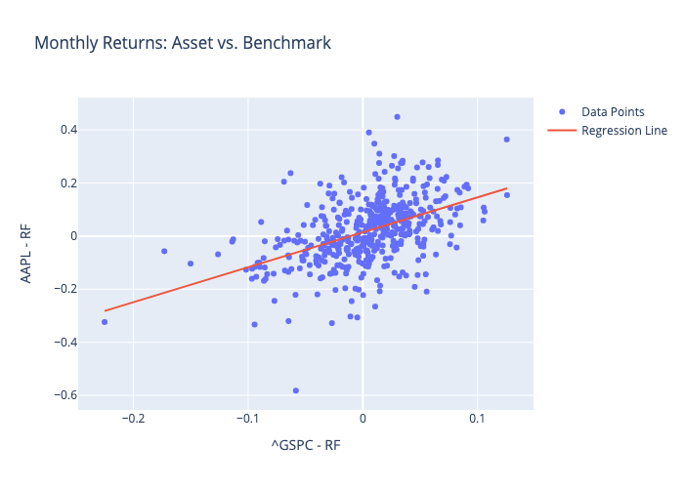
 | Coefficient | Std. Error | t-value | p-value
const | 0.014170926635 | 0.0049807026734 | 2.845166147 | 0.0046330943328
^GSPC - RF | 1.3157411249 | 0.11287278461 | 11.65685005 | 9.4511714162E-28

