OLS Results
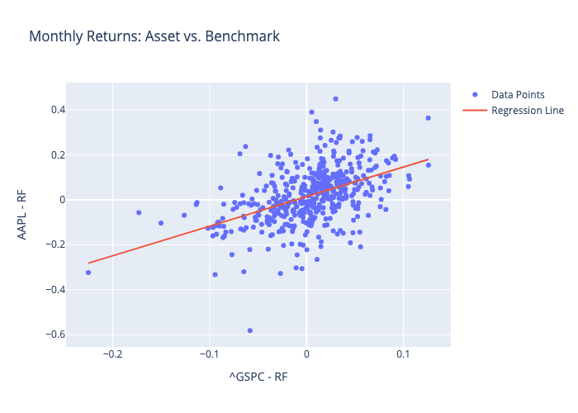
 | Coefficient | Std. Error | t-value | p-value
const | 0.014178221524 | 0.0049806813167 | 2.8466429836 | 0.0046120263294
^GSPC - RF | 1.3156650057 | 0.11287395777 | 11.65605452 | 9.5198652276E-28

