OLS Results
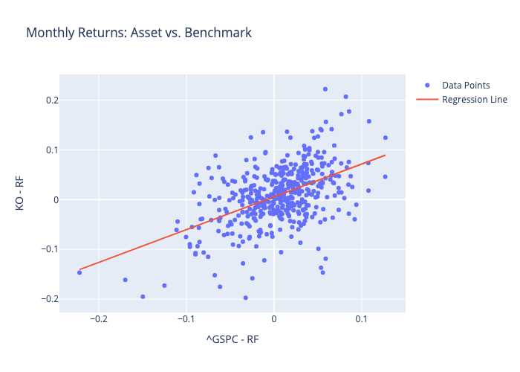
 | Coefficient | Std. Error | t-value | p-value
const | 0.0057437515797 | 0.002344538631 | 2.4498430112 | 0.014656420397
^GSPC - RF | 0.65948010446 | 0.052994609482 | 12.444286521 | 6.4268785171E-31

