OLS Results
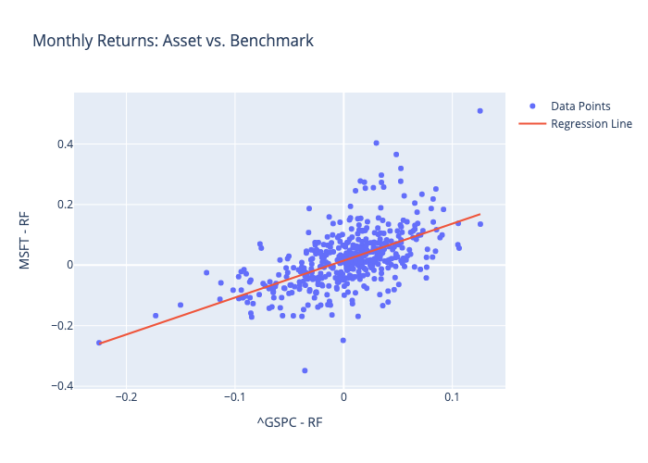
 | Coefficient | Std. Error | t-value | p-value
const | 0.014961167672 | 0.0036418045448 | 4.1081742549 | 4.7314604847E-05
^GSPC - RF | 1.2203375071 | 0.081992993961 | 14.883436354 | 4.3415681841E-41

