OLS Results
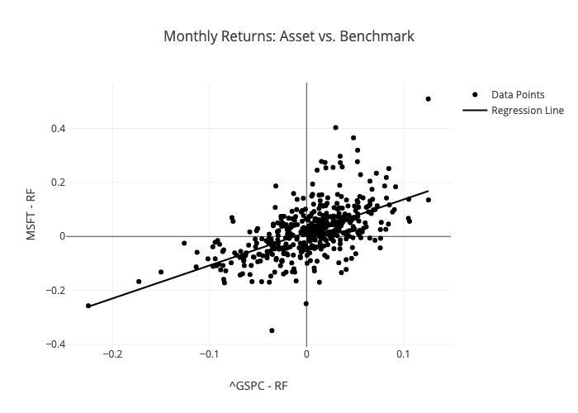
 | Coefficient | Std. Error | t-value | p-value
const | 0.014979040151 | 0.0036419132012 | 4.1129591299 | 4.6378795802E-05
^GSPC - RF | 1.2202269777 | 0.082001201741 | 14.88059872 | 4.4671272819E-41

