Charts
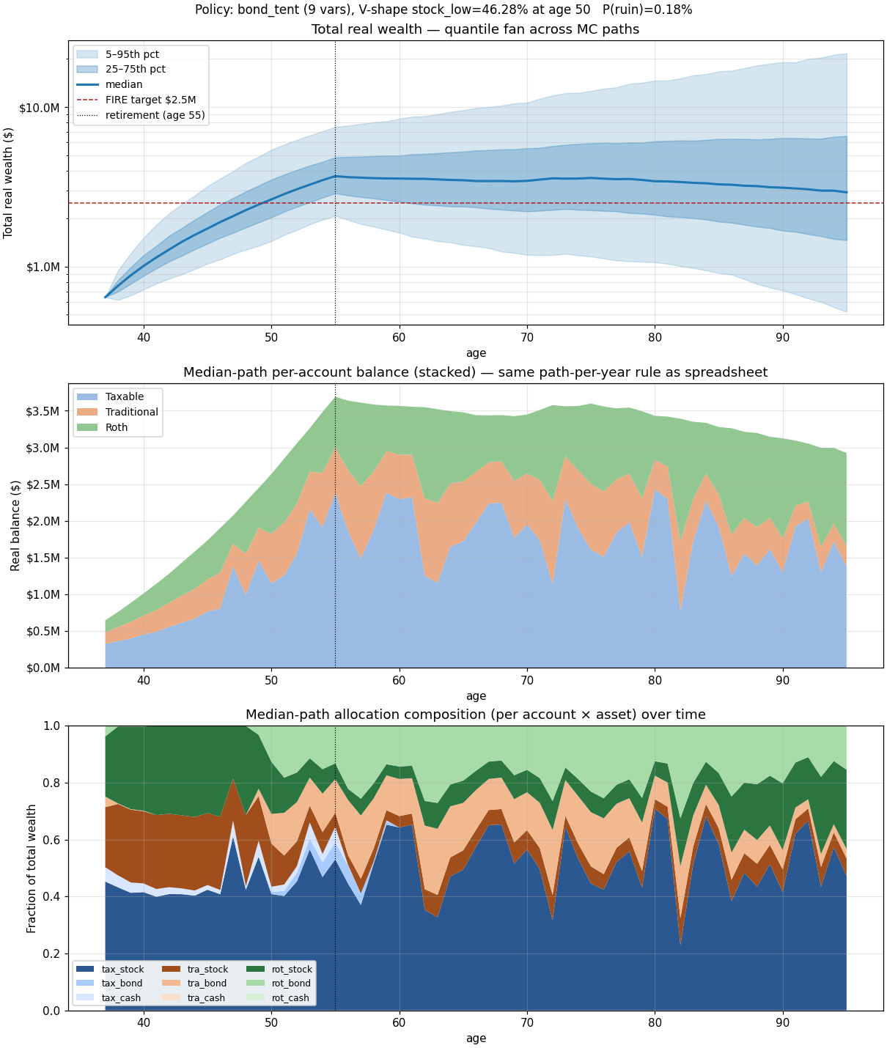
Policy: bond_tent (9 vars), V-shape stock_low=46.28% at age 50 P(ruin)=0.18%

