An Airline Pilot Staffing
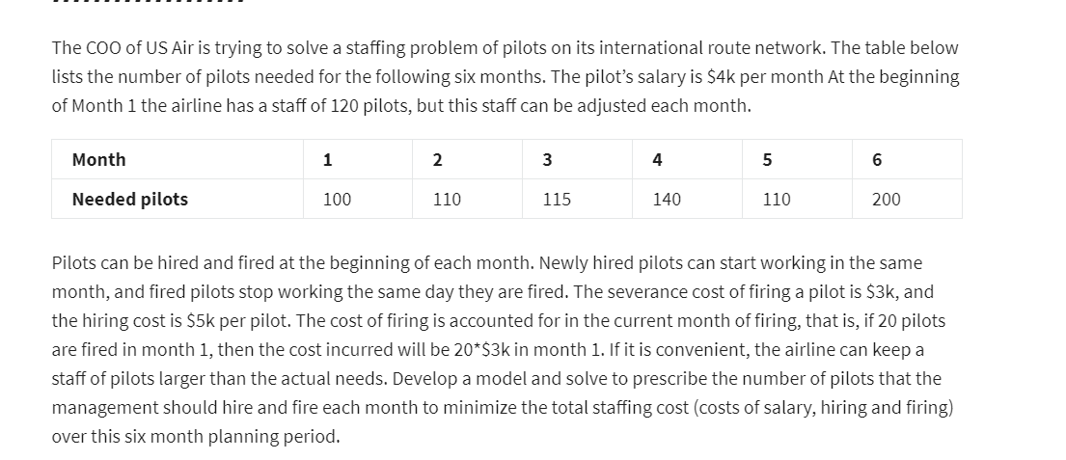

Month | T0 | T1 | T2 | T3 | T4 | T5 | T6
# of hired |  | 0 | 0 | 0 | 25 | 0 | 60
# of fired |  | 5 | 0 | 0 | 0 | 0 | 0

Hiring cost(in '000) | 5
Firing cost(in '000) | 3

# of Available Pilots | 120 | 115 | 115 | 115 | 140 | 140 | 200
# of Needed Pilots |  | 100 | 110 | 115 | 140 | 110 | 200
Salary/month | 4
 |  |  |  |  |  |  |  | Total cost(in '000)
Cost (in '000) |  | 475 | 460 | 460 | 685 | 560 | 1100 | 3740

electronics_product_mix
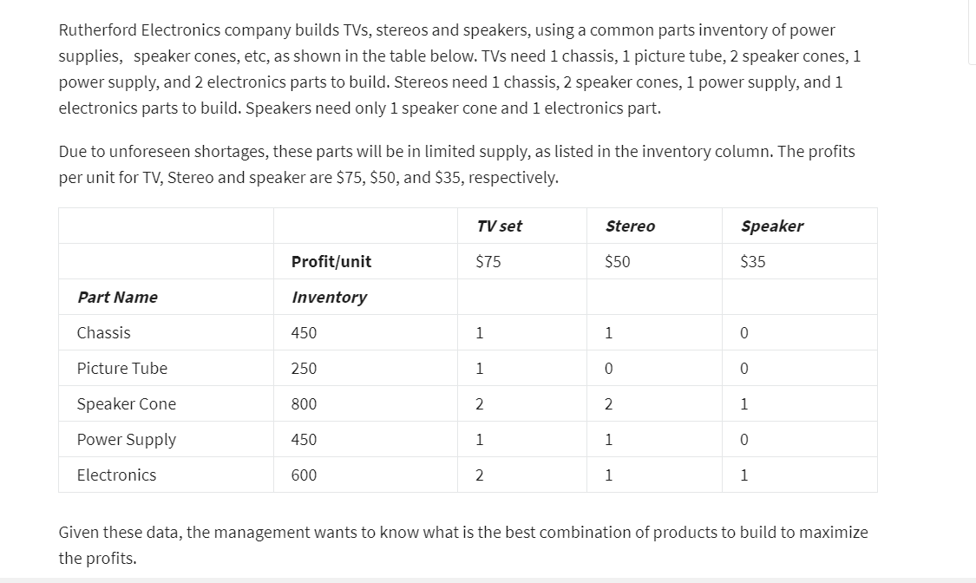

 |  |  | TV set | Stereo | Speaker
 |  | Number to Build-> | 200 | 200 | 0
Part Name | Inventory | No. Used
Chasis | 450 | 400 | 1 | 1 | 0
Picture Tube | 250 | 200 | 1 | 0 | 0
Speaker Cone | 800 | 800 | 2 | 2 | 1
Power Supply | 450 | 400 | 1 | 1 | 0
Electronics | 600 | 600 | 2 | 1 | 1
 |  | Product Unit Profit | 75 | 50 | 35

 |  | Total Profit | 25000

