electronics_product_mix
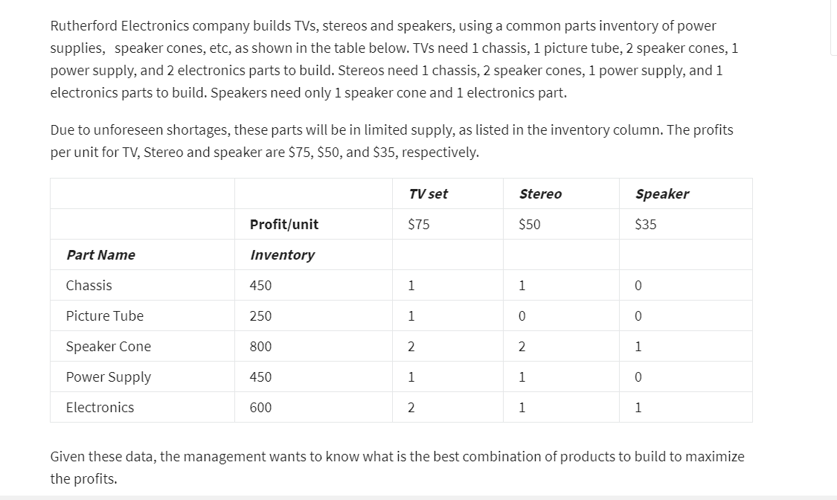

 |  |  | TV set | Stereo | Speaker
 |  | Number to Build-> | 200 | 200 | 0
Part Name | Inventory | No. Used
Chasis | 450 | 400 | 1 | 1 | 0
Picture Tube | 250 | 200 | 1 | 0 | 0
Speaker Cone | 800 | 800 | 2 | 2 | 1
Power Supply | 450 | 400 | 1 | 1 | 0
Electronics | 600 | 600 | 2 | 1 | 1
 |  | Product Unit Profit | 75 | 50 | 35

 |  | Total Profit | 25000

