G. Authors, Year
Researchers from the accepted papers | Quantity of Papers | Year | Quantity of Papers
Lawrence Chung | 8 | 1995 | 1
Julio Cesar Sampaio do Prado Leite | 5 | 1996 | 1
Luiz Marcio Cysneiros | 5 | 1999 | 1
Sam Supakkul | 4 | 2000 | 1
Eric Yu | 3 | 2001 | 1
Jaelson F. B. Castro | 3 | 2002 | 2
Nary Subramanian | 3 | 2003 | 3
Rossana M. C. Andrade | 3 | 2004 | 2
Brian A. Nixon | 2 | 2005 | 2
Carme Quer | 2 | 2007 | 3
Claudia López | 2 | 2008 | 1
Ellen Francine Barbosa | 2 | 2009 | 6
Herbet Cunha | 2 | 2010 | 1
Hernán Astudillo | 2 | 2011 | 5
Hongyuan Wang | 2 | 2012 | 2
Juan Pablo Carvallo Vega | 2 | 2013 | 5
Maurício Serrano | 2 | 2014 | 3
Nemésio F. Duarte Filho | 2 | 2015 | 7
Rutvij Mehta | 2 | 2016 | 2
Tom Hill | 2 | 2017 | 3
Xavier Franch | 2 | 2018 | 1
Alexander Egyed | 1
Anderson G. Uchôa | 1
André Luiz de Castro Leal | 1
Aneesh Krishna | 1
Anton Yrjönen | 1
Apostolos Ampatzoglou | 1
Barry Boehm | 1
Bill Andreopoulos | 1
Carla I.M. Bezerra | 1
Carla Silva | 1
Christopher Burgess | 1
Chunlei Fu | 1
Daniel Feitosa | 1
Desheng Dash Wu | 1
Dewi Mairiza | 1
Didar Zowghi | 1
Drazen Milicic | 1
Edgar Sarmiento | 1
Eduardo Almentero | 1
Elisa Yumi Nakagawa | 1
Eugenia Berezhanskaya | 1
Evellin Cardoso | 1
Fábio Rilston Silva Paim | 1
Fatima Zahra Hammani | 1
Félix García | 1
Frans Mårtensson | 1
Gabriel Alberto García-Mireles | 1
Geórgia Maria C. de Sousa | 1
Giancarlo Guizzardi | 1
Gustavo Willians Soad | 1
Haibo Hu | 1
Hoh In | 1
Hong Xiang | 1
Huaiqing Wang | 1
ISO/IEC 25000 | 1
Ivan Cabezas | 1
Jane Cleland-Huang | 1
Janne Merilinna | 1
Jeanette Eriksson | 1
João Paulo A. Almeida | 1
John Mylopoulos | 1
José Luis Braga | 1
José Luis Garrido | 1
José Maria Monteiro | 1
Kang Zhang | 1
Kari Rönkkö | 1
Karin K. Breitman | 1
Káthia Marçal de Oliveira | 1
Kennet Henningsson | 1
Kostas Kontogiannis | 1
Ladan Tahvildari | 1
Lars-Ola Damm | 1
Leticia Duboc | 1
Li Jiang | 1
Lincoln S. Rocha | 1
Luan P. Lima | 1
Luis Villa | 1
Mª Ángeles Moraga de la Rubia | 1
Mahsa H. Sadi | 1
Manuel Noguera | 1
Marcio E. F. Maia | 1
Maria Lopez | 1
María Luisa Rodríguez | 1
Mario Piattini | 1
Milene Serrano | 1
Ming-Xun Zhu | 1
Olena Zinovatna | 1
Oscar Casas | 1
Oussama BenKhadra | 1
Pablo Inostroza | 1
Paris Avgeriou | 1
Patrícia Tedesco | 1
Patrik Berander | 1
Paul Grünbacher | 1
Per Jönsson | 1
Piotr Tomaszewski | 1
Pushpa Kumar | 1
Qi Ma | 1
Raffaella Settimi | 1
Rainara Maia Carvalho | 1
Renata S. S. Guizzardi | 1
RJ Macasaet | 1
Rosa Pinto | 1
Saeid Pashazadeh | 1
Selvia Christina | 1
Sérgio Manuel Serra da Cruz | 1
Simon Kågström | 1
Songkran Totiya | 1
Stephen Liao | 1
Steven Drager | 1
Tingting Zhang | 1
Tony Gorschek | 1
Twittie Senivongse | 1
Vera Werneck | 1
Vishal Sadana | 1
William McKeever | 1
Xiao-Hong Chen | 1
Xiaoqing Frank Liu | 1
Xin-Xing Luo | 1
Yong Feng | 1
Yong Tan | 1

G. Research, Publication, Base
Type of Research | Quantity of Papers | Type of Publication | Quantity of Papers | Base | Quantity of Papers
? | 1 | Symposium | 1 | Scopus | 22
Evaluation | 3 | Workshop | 18 | Web Of Science | 11
Evaluation / case study | 2 | Journal | 9 | Snowballing | 15
Experience | 1 | Conference | 19 | WER | 5
Philosophical | 3 | Standard | 1 |  | 53
Proposal | 38 | Compedium | 1
Validation | 5 | Book Chapter | 2
 | 53 | Book | 1
 |  | Local Event | 1
 |  |  | 53

RQ1. Year, Authors, Venue
Year | Quantity of Catalogs | Original Author | Quantity of Catalogs | Venue | Quantity of Catalogs
1976 | 1 | Lawrence Chung | 27 | WER | 10
1977 | 2 | Eric Yu | 18 | IEEE Software | 7
1995 | 5 | Brian Nixon | 13 | Kluwer Academic Publishers 2000. | 6
1996 | 3 | H. Wang | 10 | Proceedings of the 2009 international conference on Pervasive services (pp. 93-102). ACM. | 6
1999 | 1 | J. Mylopoulos | 8 | International Conference on Advanced Information Systems Engineering. Springer, Cham. | 5
2000 | 8 | L.M. Cysneiros | 8 | Proc. 1st Int. Workshop on Architectures for Software Systems, Seattle, Washington (pp. 31-43). | 5
2001 | 2 | Rutvij Mehta | 8 | Software Engineering Research, Management and Applications 2012 (pp. 113-125). Springer, Berlin, Heidelberg. | 5
2002 | 6 | Sam Supakkul | 8 | Requirements Patterns (RePa), 2015 IEEE Fifth International Workshop on (pp. 17-24). IEEE. | 4
2003 | 3 | Julio Cesar Leite | 7 | Journal of Systems and Software, 82(8), 1198-1210. | 3
2004 | 4 | Jaelson Castro | 7 | Proceedings of the 2011 international workshop on Situation activity & goal awareness (pp. 67-76). ACM. | 3
2005 | 4 | Rossana M. C. Andrade | 7 | General Electric Sunnyvale | 2
2007 | 2 | Lincoln Rocha | 6 | IEEE Transactions on Software Engineering | 2
2008 | 3 | Marcio E. F. Maia | 6 | ISO/IEC 25010 | 2
2009 | 13 | Fábio Rilston Silva Paim | 5 | OTM Confederated International Conferences" On the Move to Meaningful Internet Systems" (pp. 327-336). Springer, Berlin, Heidelberg. | 2
2010 | 4 | Mahsa H. Sadi | 5 | Proceedings of the 27th international conference on Software engineering (pp. 362-371). ACM. | 2
2011 | 8 | Barry Boehm | 4 | Quality of Software Architectures (QoSA), 2015 11th International ACM SIGSOFT Conference on (pp. 113-122). IEEE. | 2
2012 | 6 | Claudia López | 4 | Research Challenges in Information Science (RCIS), 2013 IEEE Seventh International Conference on (pp. 1-12). IEEE. | 2
2013 | 6 | Hernán Astudillo | 4 | Web sites | 2
2014 | 3 | Herbet Cunha | 3 | 2011 5th International Conference on Application of Information and Communication Technologies (AICT) (pp. 1-5). IEEE. | 1
2015 | 8 | Hoh In | 3 | 2011 First International Workshop On Requirements Patterns (pp. 32-41). IEEE. | 1
2016 | 2 | J. Cleland-Huang | 3 | 2014 IEEE Eighth International Conference on Research Challenges in Information Science (RCIS) (pp. 1-6). IEEE. | 1
2017 | 7 | Nary Subramanian | 3 | 2015 International Conference on Evaluation of Novel Approaches to Software Engineering (ENASE) (pp. 78-89). IEEE. | 1
 | 101 | Pablo Inostroza | 3 | 31st annual international computer software and applications conference (COMPSAC 2007) (Vol. 1, pp. 215-218). IEEE. | 1
 | *Tem um catálogo sem ano pois foi retirado de um site. | Tom Hill | 3 | 32nd Annual IEEE Software Engineering Workshop (pp. 108-112). IEEE. | 1
 |  | A. Egyed | 2 | Business & Information Systems Engineering:, 2(3), 127-139 | 1
 |  | Apostolos Ampatzoglou | 2 | Computer Standards & Interfaces, 25(3), 283-290. | 1
 |  | Bill Andreopoulos | 2 | Emerging Trends in ICT Security (pp. 203-225). | 1
 |  | Carme Quer | 2 | ER@ BR. | 1
 |  | Claudia Cappelli | 2 | Frontiers in Education Conference (FIE). | 1
 |  | Daniel Feitosa | 2 | IEEE Trans. Softw. Eng., 2008, 34, (5), pp. 685–699 | 1
 |  | E. Berezhanskaya | 2 | Information Sciences, 191, 61-75. | 1
 |  | Elisa Yumi Nakagawa | 2 | International Conference on Advances in Visual Information Systems (pp. 44-55). Springer, Berlin, Heidelberg. | 1
 |  | Ellen Francine Barbosa | 2 | International Conference on Computational Science and Its Applications (pp. 71-86). Springer, Cham. | 1
 |  | Gene F. Walters | 2 | International Conference on Evaluation of Novel Approaches to Software Engineering (pp. 31-44). Springer, Berlin, Heidelberg. | 1
 |  | Jim A. McCall | 2 | International Conference on Software Engineering, Proceedings of the 2nd international conference on Software engineering, 1976. | 1
...
Year | Quantity of Catalogs | Original Author | Quantity of Catalogs | Venue | Quantity of Catalogs
 |  | O. BenKhadra | 2 | Proceedings IEEE International Symposium on Requirements Engineering (Cat. No. PR00188) (pp. 162-171). IEEE. | 1
 |  | Olena Zinovatna | 2 | Proceedings of the 2010 ACM symposium on applied computing (pp. 298-305). ACM. | 1
 |  | P. Grunbacher | 2 | Proceedings of the 28th Annual ACM Symposium on Applied Computing (pp. 1266-1271). ACM. | 1
 |  | Paris Avgeriou | 2 | Proceedings of the World Congress on Engineering and Computer Science, volume 1, 2017 | 1
 |  | Paul K. Richards | 2 | Quality Software, 2009. QSIC'09. 9th International Conference on (pp. 269-277). IEEE. | 1
 |  | R J Macasaet | 2 | Requirements Patterns (RePa), 2013 IEEE Third International Workshop on (pp. 25-30). IEEE. | 1
 |  | R. Settimi | 2 | Requirements Patterns (RePa), 2014 IEEE 4th International Workshop on, 2014, pp. 25–3 | 1
 |  | S. Christina | 2 | Requirements@ Run. Time (RE@ RunTime), 2010 First International Workshop on (pp. 31-40). IEEE. | 1
 |  | S. Liao | 2 | Software Maintenance, 2002. Proceedings. International Conference on (pp. 596-605). IEEE. | 1
 |  | Vera Werneck | 2
Quantity of Catalogs X Original Author
 |  | Xavier Franch | 2
 |  | A. Kushniruk | 1
 |  | Anderson G. Uchôa | 1 |  | 102
 |  | Andre Luiz de Castro Leal | 1
Quantity of Catalogs
 |  | Aneesh Krishna | 1
 |  | Anton Yrjönen | 1
 |  | Brian Berenbach | 1
 |  | Bruno Gonzalez-Baixauli | 1
 |  | Carla I. M. Bezerra | 1
 |  | Carla Silva | 1
 |  | Christopher Burgess | 1
 |  | Desheng Dash Wu | 1
 |  | Dewi Mairiza | 1
 |  | Didar Zowghi | 1
 |  | Edgar Sarmiento | 1
 |  | Eduardo Almentero | 1
 |  | Fatima Zahra Hammani | 1
 |  | Félix García | 1
 |  | Gabriel Alberto García-Mireles | 1
 |  | Geórgia Maria C. de Sousa | 1
 |  | Gustavo Willians Soad | 1
 |  | Ivan Cabezas | 1
 |  | J. R. Brown | 1
 |  | Janne Merilinna | 1
 |  | Jose Luis Braga | 1
 |  | José Maria Monteiro | 1
 |  | Joy Beatty | 1
 |  | K. Kontogiannis | 1
 |  | Kang Zhang | 1
 |  | Karin K. Breitman | 1
 |  | Karl Wiegers | 1
 |  | L. Tahvildari | 1
 |  | Leticia Duboc | 1
...

RQ1. NFRs
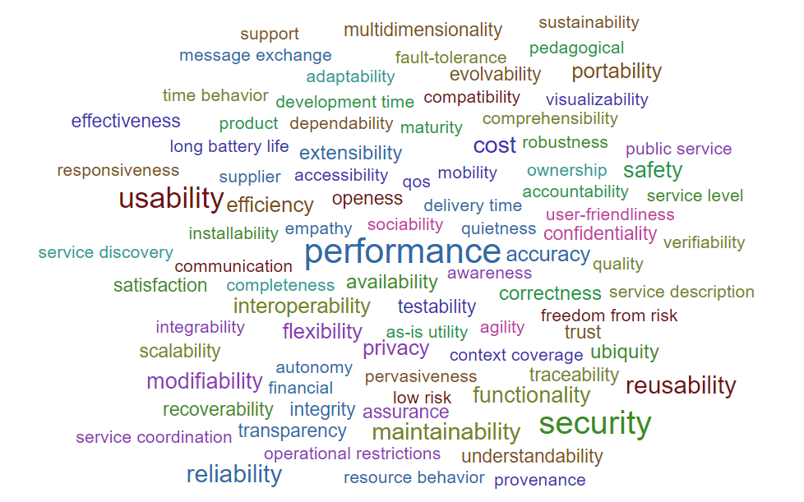
# | Dados ordenados
1 | performance | 34
1 | security | 30
8 | usability | 23
1 | reliability | 14
1 | reusability | 14
performance | 34
security | 30
usability | 23
reliability | 14
reusability | 14
maintainability | 13
cost | 12
functionality | 9
modifiability | 9
safety | 9
accuracy | 8
portability | 8
privacy | 8
efficiency | 7
flexibility | 7
1 | maintainability | 13
4 | cost | 12
2 | functionality | 9
5 | modifiability | 9
1 | safety | 9
2 | accuracy | 8
1 | portability | 8
1 | privacy | 8
2 | efficiency | 7
4 | flexibility | 7
1 | interoperability | 7
5 | extensibility | 6
12 | ubiquity | 6
1 | availability | 5
2 | correctness | 5
1 | assurance | 4
4 | confidentiality | 4
7 | effectiveness | 4
1 | integrity | 4
3 | transparency | 4
6 | evolvability | 3
1 | multidimensionality | 3
1 | openess | 3
7 | recoverability | 3
1 | satisfaction | 3
9 | scalability | 3
1 | testability | 3
1 | traceability | 3
4 | trust | 3
7 | understandability | 3
1 | autonomy | 2
1 | communication | 2
13 | comprehensibility | 2
1 | dependability | 2
1 | mobility | 2
2 | operational restrictions | 2
9 | pedagogical | 2
3 | quality | 2
3 | quietness | 2
2 | robustness | 2
1 | sociability | 2
2 | support | 2
34 | user-friendliness | 2
1 | accessibility | 1
8 | accountability | 1
8 | adaptability | 1
1 | agility | 1
1 | as-is utility | 1
1 | awareness | 1
1 | compatibility | 1
...

RQ1. Catalogs, Correlation Type
...
T1 - Sub | 28
T2 - Sub and Methods | 22
T3 - Sub, Methods and Correlations | 30
T4 - Methods | 7
T5 - Methods and Correlations | 3
T6 - Correlations | 5
T7 - Sub and Correlations | 7
TYPE OF CORRELATION | LEVEL OF CORRELATION - INTER-NFRS | LEVEL OF CORRELATION - INTRA-NFR
INTER-NFRs | Between characteristics
...
- | - | -
...
- | - | -
...
INTER-NFRs | Between methods and subcharacteristics
...
- | - | -

- | - | -

- | - | -

- | - | -

- | - | -

- | - | -

INTRA-NFR |  | Between subcharacteristics
 | Between characteristics | Between subcharacteristics | Between methods | Between methods and characteristics | Between methods and subcharacteristics | Between characteristics and subcharacteristics
INTER-NFRs | 6 | 5 | 4 | 13 | 9 | 3
INTRA-NFR |  | 9 | 2 |  | 12

INTER-NFRs | Between methods

- | - | -

INTRA-NFR |  | Between subcharacteristics

INTRA-NFR |  | Between subcharacteristics

INTER-NFRs | Between subcharacteristics

INTER-NFRs | Between subcharacteristics

- | - | -

- | - | -

- | - | -

- | - | -

- | - | -

- | - | -
...

