Citation
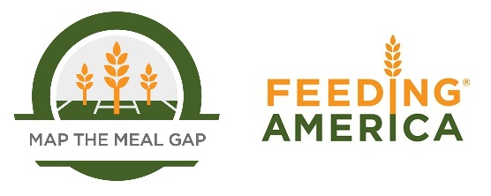

When using this data, please cite as follows:
Gundersen, C., E. Waxman, E. Engelhard, T. Del Vecchio, & A. Satoh. Map the Meal Gap 2012: A Report on County and Congressional District Food Insecurity and County Food Cost in the United States in 2010. Feeding America, 2012.

