Citation
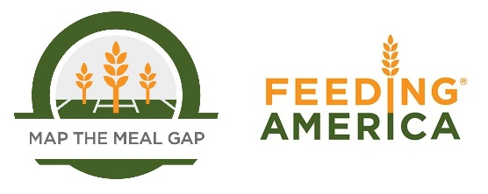

When using this data, please cite as follows: Gundersen, C., E. Waxman, E. Engelhard, A. Satoh, & N. Chawla. Map the Meal Gap 2013: Food Insecurity Estimates at the County Level. Feeding America, 2013.

