Sheet1
Pressure Vs Relative Volume
 | Experimental |  | Simulator
55.261287085 | 0.93321264922 | 47.36655 | 0.7997
51.813920455 | 0.93766977849 | 42.98945 | 0.8464
48.366553824 | 0.94225139346 | 38.02445 | 0.8581
44.919187194 | 0.94698532944 | 34.57709 | 0.8844
41.471820563 | 0.95190000164 | 27.68235 | 0.9288
39.989452912 | 0.95407753487 | 24.23499 | 0.9543
38.024453933 | 0.95703368363 | 20.78762 | 0.964
34.577087303 | 0.96243296087 | 17.34025 | 0.9994
31.129720672 | 0.96816046284 | 15.96131 | 1
27.682354042 | 0.97429331653 | 6.08154 | 1.184
24.234987412 | 0.98093667757 | 4.5 | 2.2366
20.787620781 | 0.98823958085 | 4.24026 | 2.5118
17.340254151 | 0.99641523713
15.961307499 | 1
13.89288752 | 1.0565820364
11.134994216 | 1.1882198642
8.3771009118 | 1.4471462523
6.9981542597 | 1.6844229537
4.2402609554 | 2.7134596296
Pressure Vs Co
55.261287085 | 9.4280437946
51.813920455 | 9.6256741722
48.366553824 | 9.8686774148
44.919187194 | 10.165999631
41.471820563 | 10.529208307
39.989452912 | 10.709276578
38.024453933 | 10.973550608
34.577087303 | 11.519582618
31.129720672 | 12.195772198
27.682354042 | 13.042845351
24.234987412 | 14.12144507
20.787620781 | 15.52656158
17.340254151 | 17.417157554
15.961307499 | 18.367215142
Temp = 162 F or 72.2 C | WELLSTREAM |  | COMP. PROPERTIES |  |  |  |  | Isothermal Oil
*for all measurements in this sheet* |  |  | MW | SG |  |  | Relative | Compressibility |  |  |  |  | Simulated
Component | Weight % | Mole % | g/mole | H20=1.000 |  | Pressure, | Volume | (* 10^6) |  |  |  | P (Mpa) | Rel_Vol
N2 | 0.357 | 1.150 | 28.013 | 0.8069 |  | (MPa) | (1) | (3) |  |  |  | 47.36655 | 0.7997
CO2 | 0.101 | 0.208 | 44.010 | 0.8172 | 1.000 | 55.261287085 | 0.93321264922 | 9.4280437946 |  |  |  | 42.98945 | 0.8464
C1 | 6.173 | 34.735 | 16.043 | 0.3000 | 2.000 | 51.813920455 | 0.93766977849 | 9.6256741722 |  |  |  | 38.02445 | 0.8581
C2 | 3.688 | 11.072 | 30.070 | 0.3563 | 3.000 | 48.366553824 | 0.94225139346 | 9.8686774148 |  |  |  | 34.57709 | 0.8844
C3 | 4.479 | 9.169 | 44.097 | 0.5072 | 4.000 | 44.919187194 | 0.94698532944 | 10.165999631 |  |  |  | 27.68235 | 0.9288
C4 | 3.546 | 5.508 | 58.123 | 0.5800 | 5.000 | 41.471820563 | 0.95190000164 | 10.529208307 |  |  |  | 24.23499 | 0.9543
C5 | 2.721 | 3.405 | 72.150 | 0.6283 | 6.000 | 39.989452912 | 0.95407753487 | 10.709276578 |  |  |  | 20.78762 | 0.964
C6 | 4.235 | 4.490 | 85.147 | 0.7109 | 7.000 | 38.024453933 | 0.95703368363 | 10.973550608 |  |  |  | 17.34025 | 0.9994
C7 | 4.993 | 4.560 | 98.836 | 0.7332 | 8.000 | 34.577087303 | 0.96243296087 | 11.519582618 |  |  |  | 15.96131 | 1
C8 | 4.557 | 3.720 | 110.573 | 0.7502 | 9.000 | 31.129720672 | 0.96816046284 | 12.195772198 |  |  |  | 6.08154 | 1.184
C9 | 3.564 | 2.540 | 126.647 | 0.7535 | 10.000 | 27.682354042 | 0.97429331653 | 13.042845351 |  |  |  | 4.5 | 2.2366
C10 | 3.549 | 2.265 | 141.450 | 0.7684 | 11.000 | 24.234987412 | 0.98093667757 | 14.12144507 |  |  |  | 4.24026 | 2.5118
Undecanes Plus | 58.037 | 17.178 | See Below |  | 12.000 | 20.787620781 | 0.98823958085 | 15.52656158
TOTAL | 100.000 | 100.000 | N/A | N/A | 13.000 | 17.340254151 | 0.99641523713 | 17.417157554
 |  |  |  |  | 14.000 | 15.961307499 | 1 | 18.367215142
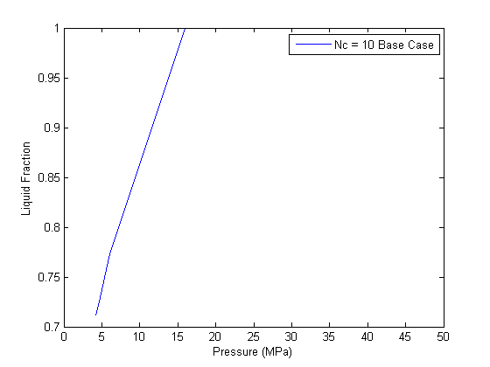
 |  |  |  |  | 15.000 | 13.89288752 | 1.0565820364 | N/A
55.2615014 | 0.653
51.8141214 | 0.635
48.3667414 | 0.617
44.9193614 | 0.601
41.4719814 | 0.585
39.989608 | 0.578
38.0246014 | 0.57
34.5772214 | 0.556
31.1298414 | 0.544
27.6824614 | 0.53
24.2350814 | 0.514
20.7877014 | 0.497
17.3403214 | 0.472
15.9613694 | 0.46
13.8929414 | 0.512
10.4455614 | 0.607
6.9981814 | 0.698
3.5508014 | 0.785
2.1718494 | 0.865
0.7928974 | 1.012
0.1034214 | 1.35
C11+ Fraction Characteristics |  |  |  |  | 16.000 | 11.134994216 | 1.1882198642 | N/A
 |  |  |  | Molecular | 17.000 | 8.3771009118 | 1.4471462523 | N/A |  |  | Measured
 |  | Specific Gravity |  | Weight | 18.000 | 6.9981542597 | 1.6844229537 | N/A | Pressure | Pressure | Oil Viscosity
COMPONENT |  | °API | ** | g/mole | 19.000 | 4.2402609554 | 2.7134596296 | N/A | psia | Mpa | (1)
Gas |  | N/A | 0.825 | 156.000
HC Liquid |  | 30.194 | 0.875 | 304.993 |  |  |  |  | 8015 | 55.2615014 | 0.653
Wellstream |  | N/A | 0.875 | 304.993 |  |  |  |  | 7515 | 51.8141214 | 0.635
 |  |  |  |  |  |  |  |  | 7015 | 48.3667414 | 0.617
Total Sample Characteristics |  |  |  |  |  |  |  |  | 6515 | 44.9193614 | 0.601
 |  |  |  | Molecular |  |  |  |  | 6015 | 41.4719814 | 0.585
 |  | Specific Gravity |  | Weight |  |  |  |  | 5800 | 39.989608 | 0.578
COMPONENT |  | °API | ** | lb/lb-mole |  |  |  |  | 5515 | 38.0246014 | 0.57
Gas |  | N/A | 0.899 | 25.886 |  |  |  |  | 5015 | 34.5772214 | 0.556
HC Liquid |  | 43.301 | 0.809 | 175.480 |  |  |  |  | 4515 | 31.1298414 | 0.544
Wellstream |  | 74.235 | 0.688 | 90.273 |  |  |  |  | 4015 | 27.6824614 | 0.53
 |  |  |  |  |  |  |  |  | 3515 | 24.2350814 | 0.514
PLUS FRACTION CHARACTERISTICS |  |  |  |  |  |  |  |  | 3015 | 20.7877014 | 0.497
 |  |  |  | Molecular |  |  |  |  | 2515 | 17.3403214 | 0.472
 |  | Specific Gravity |  | Weight |  |  |  |  | 2315 | 15.9613694 | 0.46
COMPONENT |  | °API | ** | lb/lb-mole |  |  |  |  | 2015 | 13.8929414 | 0.512
C7+ |  | 35.3093 | 0.8483 | 214.071 |  |  |  |  | 1515 | 10.4455614 | 0.607
C11+ |  | 30.1942 | 0.8751 | 304.994 |  |  |  |  | 1015 | 6.9981814 | 0.698
 |  |  |  |  |  |  |  |  | 515 | 3.5508014 | 0.785
 |  |  |  |  |  |  |  |  | 315 | 2.1718494 | 0.865
 |  |  |  |  |  |  |  |  | 115 | 0.7928974 | 1.012
 |  |  |  |  |  |  |  |  | 15 | 0.1034214 | 1.35

MMP 100% CO2
100% CO2 has an MMP of 1900 psi or 13.1 Mpa

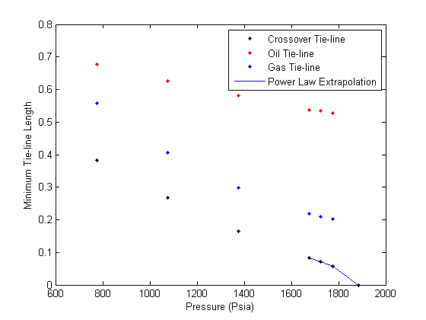

 | 6

