PassYards
 | Model Name | SeasonAvgPassYards |  |  | Model Name | SeasonAvgPassYards |  |  | Model Name | xgb_xpassyards_simple |  |  | Model Name | xgb_xpassyards_simple |  |  | Model Name | xgb_xpassyards_simple |  |  | Model Name | xgb_xpassyards_simple |  |  | Model Name | xgb_xpassyards_complex |  |  | Model Name | xgb_xpassyards_complex |  |  | Model Name | xgb_xpassyards_complex |  |  | Model Name | xgb_xpassyards_complex
 | STD Estimation | N/A |  |  | STD Estimation | N/A |  |  | STD Estimation | N/A |  |  | STD Estimation | N/A |  |  | STD Estimation | Player historical sample |  |  | STD Estimation | Player historical sample |  |  | STD Estimation | N/A |  |  | STD Estimation | Player historical sample |  |  | STD Estimation | Player historical sample |  |  | STD Estimation | Player historical sample
Expected Value | PDF Selection | N/A |  |  | PDF Selection | N/A |  |  | PDF Selection | N/A |  |  | PDF Selection | N/A |  |  | PDF Selection | Normal |  |  | PDF Selection | Normal |  |  | PDF Selection | N/A |  |  | PDF Selection | Normal |  |  | PDF Selection | Normal |  |  | PDF Selection | Normal
 | Criteria | diff |  |  | Criteria | diff |  |  | Criteria | diff |  |  | Criteria | diff |  |  | Criteria | prob |  |  | Criteria | prob |  |  | Criteria | diff |  |  | Criteria | prob |  |  | Criteria | prob |  |  | Criteria | prob |  |  | best so far
 | Threshold | 15 |  |  | Threshold | 15 |  |  | Threshold | 15 |  |  | Threshold | 15 |  |  | Threshold | 0.05 |  |  | Threshold | 0.05 |  |  | Threshold | 15 |  |  | Threshold | 0.05 |  |  | Threshold | 0.05 |  |  | Min Threshold | 0.05 |  |  | {
 | Odds Bounds | [200,-200] |  |  | Odds Bounds | [150,-150] |  |  | Odds Bounds | [200,-200] |  |  | Odds Bounds | [150,-150] |  |  | Odds Bounds | [200,-200] |  |  | Odds Bounds | [150,-150] |  |  | Odds Bounds | [200,-200] |  |  | Odds Bounds | [200,-200] |  |  | Odds Bounds | [150,-150] |  |  | Max Threshold | 0.15 |  |  | "backtest_year": 2023,
 | Min Obs |  |  |  | Min Obs |  |  |  | Min Obs |  |  |  | Min Obs |  |  |  | Min Obs | 5 |  |  | Min Obs | 5 |  |  | Min Obs |  |  |  | Min Obs | 5 |  |  | Min Obs | 5 |  |  | Odds Bounds | [150,-150] |  |  | "target": "PassYards",
 |  |  |  |  |  |  |  |  |  |  |  |  |  |  |  |  |  |  |  |  |  |  |  |  |  |  |  |  |  |  |  |  |  |  |  |  | Min Obs | 5 |  |  | "sportsbooks": ["Caesars", "FanDuel", "BetOnline", "Pinnacle"],
Standard Deviation Estimation | Sportsbook | NumBets | Profit | ROI | Sportsbook | NumBets | Profit | ROI | Sportsbook | NumBets | Profit | ROI | Sportsbook | NumBets | Profit | ROI | Sportsbook | NumBets | Profit | ROI | Sportsbook | NumBets | Profit | ROI | Sportsbook | NumBets | Profit | ROI | Sportsbook | NumBets | Profit | ROI | Sportsbook | NumBets | Profit | ROI | Sportsbook | NumBets | Profit | ROI | "min_obs": 5,
Player total historical sample for given stat | Caesars | 115 | 2.6611 | 2.314% | Caesars | 106 | 3.73428 | 3.523% | Caesars | 67 | -11.210682174 | -16.732% | Caesars | 60 | 0.4126 | -14.823% | Caesars | 47 | -7.9512079114 | -16.917% | Caesars | 47 | -7.9512079114 | -16.917% | Caesars | 79 | 11.18 | 14.150% | Caesars | 60 | -3.966971115 | -6.612% | Caesars | 58 | -1.966971115 | -3.391% | Caesars | 50 | 4.0765198189 | 8.153% | "lower_odds_bound": 150,
Using k closest players historical sample based on current week's projection | FanDuel | 42 | 9.2639233249 | 22.050% | FanDuel | 26 | 4.73181 | 18.199% | FanDuel | 23 | 5.1609825202 | 22.439% | FanDuel | 14 | 4.6339269892 | 33.099% | FanDuel | 37 | 1.3065319865 | 3.531% | FanDuel | 16 | 0.20653198653 | 1.291% | FanDuel | 33 | 1.4895 | 4.500% | FanDuel | 38 | 8.2694971806 | 21.762% | FanDuel | 21 | 1.4220875421 | 6.772% | FanDuel | 21 | 1.2537373737 | 5.970% | "upper_odds_bound": -150,
Using k closest players historical sample based on current season's projections | BetOnline | 104 | -0.67888788044 | -0.653% | BetOnline | 104 | -0.67888788044 | -0.653% | BetOnline | 61 | -1.2130693816 | -1.989% | BetOnline | 61 | -1.213069 | -1.989% | BetOnline | 61 | -10.112488241 | -16.578% | BetOnline | 61 | -10.112488241 | -16.578% | BetOnline | 78 | 6.6612320436 | 8.500% | BetOnline | 69 | 8.5870448294 | 12.445% | BetOnline | 69 | 8.5870448294 | 12.445% | BetOnline | 60 | 11.930351689 | 19.884% | "criteria": "diff",
Use the k closest players since 2018 who had a projection closest to current week's player projection | Pinnacle | 93 | -1.4091 | -1.515% | Pinnacle | 93 | -0.52723691211 | -1.515% | Pinnacle | 57 | 1.318759361 | 2.314% | Pinnacle | 56 | 2.318759361 | 4.141% | Pinnacle | 45 | 1.7276468173 | 3.839% | Pinnacle | 44 | 2.7276468173 | 6.199% | Pinnacle | 78 | -0.1239 | -0.159% | Pinnacle | 58 | 3.6502970108 | 6.294% | Pinnacle | 58 | 3.6502970108 | 6.294% | Pinnacle | 48 | 16.930850049 | 35.273% | "min_threshold": 10,
 |  | 354 | 9.8370354444 | 2.778% |  | 329 | 7.2599652074 | 1.939% |  | 208 | -5.9440096739 | -2.858% |  | 191 | 6.1522173502 | -1.652% |  | 190 | -15.029517348 | -7.910% |  | 168 | -15.129517348 | -9.006% |  | 268 | 19.206832044 | 7.153% |  | 225 | 16.539867906 | 7.351% |  | 206 | 11.692458267 | 5.676% |  | 179 | 34.19145893 | 19.101% | "max_threshold" : 35,
 |  |  |  |  |  |  |  |  |  |  |  |  |  |  |  |  |  |  |  |  |  |  |  |  |  |  |  |  |  |  |  |  |  |  |  |  |  |  |  |  | "std_estimation": "player",
 |  |  |  |  |  |  |  |  |  |  |  |  |  |  |  |  |  |  |  |  |  |  |  |  |  |  |  |  |  |  |  |  |  |  |  |  |  |  |  |  | "k": ""
 | Actual Distribution |  |  |  | Actual Distribution |  |  |  | Actual Distribution | Normal |  |  | Actual Distribution | Normal |  |  | Actual Distribution | Normal |  |  | Actual Distribution | Normal |  |  | Actual Distribution | Normal |  |  | Actual Distribution | Normal |  |  | Actual Distribution | Normal |  |  | Actual Distribution | Normal |  |  | }
Probability Distribution
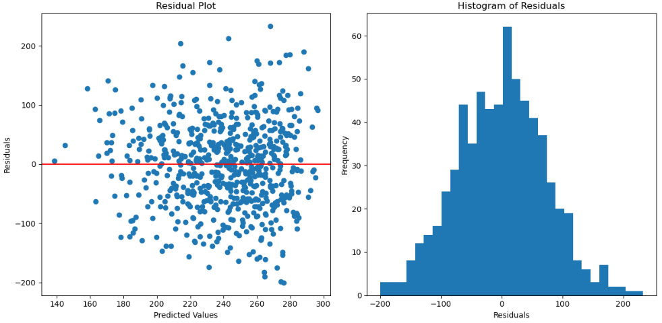
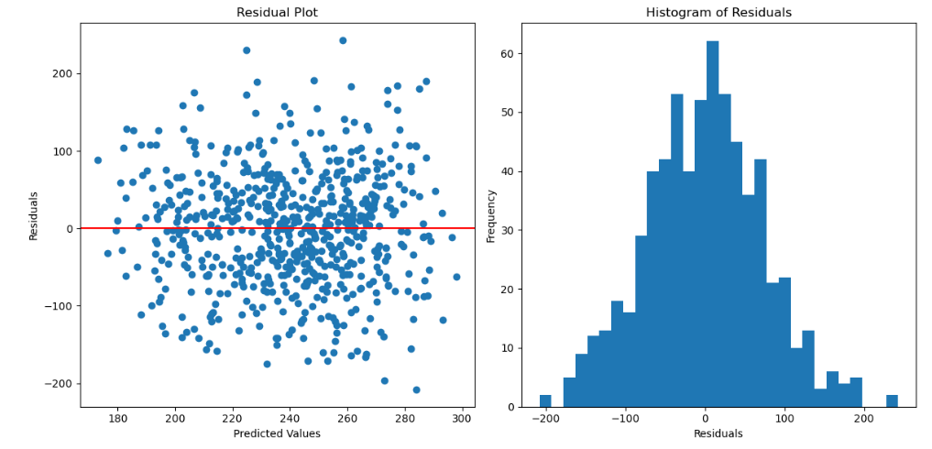

Bet Selection Criteria and Threshold

Sportsbooks (In order of sharpness)
Caesars
FanDuel | Notes |  |  |  | Notes |  |  |  | Notes |  |  |  | Notes |  |  |  | Notes |  |  |  | Notes |  |  |  | Notes |  |  |  | Notes |  |  |  | Notes |  |  |  | Notes
BetOnline | Baseline, super simple model for reference point |  |  |  |  |  |  |  |  |  |  |  |  |  |  |  |  |  |  |  |  |  |  |  |  |  |  |  |  |  |  |  |  |  |  |  | {
 | Some big underdogs hitting on FD for 9 units which is throwing off results |  |  |  |  |  |  |  |  |  |  |  |  |  |  |  |  |  |  |  |  |  |  |  |  |  |  |  |  |  |  |  |  |  |  |  | "stat_type": "pass-yards",
 |  |  |  |  |  |  |  |  |  |  |  |  |  |  |  |  |  |  |  |  |  |  |  |  |  |  |  |  |  |  |  |  |  |  |  |  | "target": "PassYards",
 |  |  |  |  |  |  |  |  |  |  |  |  |  |  |  |  |  |  |  |  |  |  |  |  |  |  |  |  |  |  |  |  |  |  |  |  | "sportsbooks": ["Caesars", "FanDuel", "BetOnline", "Pinnacle"],
 |  |  |  |  |  |  |  |  |  |  |  |  |  |  |  |  |  |  |  |  |  |  |  |  |  |  |  |  |  |  |  |  |  |  |  |  | "min_obs": 5,
 |  |  |  |  |  |  |  |  |  |  |  |  |  |  |  |  |  |  |  |  |  |  |  |  |  |  |  |  |  |  |  |  |  |  |  |  | "lower_odds_bound": 150,
 |  |  |  |  |  |  |  |  |  |  |  |  |  |  |  |  |  |  |  |  |  |  |  |  |  |  |  |  |  |  |  |  |  |  |  |  | "upper_odds_bound": -150,
 |  |  |  |  |  |  |  |  |  |  |  |  |  |  |  |  |  |  |  |  |  |  |  |  |  |  |  |  |  |  |  |  |  |  |  |  | "criteria": "prob",
 |  |  |  |  |  |  |  |  |  |  |  |  |  |  |  |  |  |  |  |  |  |  |  |  |  |  |  |  |  |  |  |  |  |  |  |  | "min_threshold": 0.05,
 |  |  |  |  |  |  |  |  |  |  |  |  |  |  |  |  |  |  |  |  |  |  |  |  |  |  |  |  |  |  |  |  |  |  |  |  | "max_threshold" : 0.15,
 |  |  |  |  |  |  |  |  |  |  |  |  |  |  |  |  |  |  |  |  |  |  |  |  |  |  |  |  |  |  |  |  |  |  |  |  | "std_estimation": "player",
 |  |  |  |  |  |  |  |  |  |  |  |  |  |  |  |  |  |  |  |  |  |  |  |  |  |  |  |  |  |  |  |  |  |  |  |  | "k": ""
 |  |  |  |  |  |  |  |  |  |  |  |  |  |  |  |  |  |  |  |  |  |  |  |  |  |  |  |  |  |  |  |  |  |  |  |  | }

RushYards
Model Name | SeasonAvgRushYards |  |  | Model Name | xgb_xrushyards_2023 |  |  | Model Name | xgb_xrushyards_2023 |  |  | Model Name | xgb_xrushyards_2023 |  |  | Model Name | xgb_xrushyards_2023 |  |  | Model Name | xgb_xrushyards_2023 |  |  | Model Name | xgb_xrushyards_2023 |  |  | Model Name | xgb_xrushyards_2023 |  |  | Model Name | xgb_xrushyards_2023 |  |  | Model Name | xgb_xrushyards_2023
STD Estimation |  |  |  | STD Estimation |  |  |  | STD Estimation | player |  |  | STD Estimation | player |  |  | STD Estimation | player |  |  | STD Estimation | k-nearest-week-projection |  |  | STD Estimation | k-nearest-season-projection |  |  | STD Estimation | k-nearest-historical-projection |  |  | STD Estimation | k-nearest-season-projection |  |  | STD Estimation | k-nearest-season-projection
PDF Selection |  |  |  | PDF Selection |  |  |  | PDF Selection | normal |  |  | PDF Selection | normal |  |  | PDF Selection | normal |  |  | PDF Selection | normal |  |  | PDF Selection | normal |  |  | PDF Selection | normal |  |  | PDF Selection | normal |  |  | PDF Selection | normal
Criteria | diff |  |  | Criteria | diff |  |  | Criteria | prob |  |  | Criteria | prob |  |  | Criteria | prob |  |  | Criteria | prob |  |  | Criteria | prob |  |  | Criteria | prob |  |  | Criteria | prob |  |  | Criteria | prob
Min Threshold | 15 |  |  | Min Threshold | 15 |  |  | Min Threshold | 0.05 |  |  | Min Threshold | 0.05 |  |  | Min Threshold | 0.1 |  |  | Min Threshold | 0.1 |  |  | Min Threshold | 0.1 |  |  | Min Threshold | 0.1 |  |  | Min Threshold | 0.1 |  |  | Min Threshold | 0.1
Max Threshold | 99999 |  |  | Max Threshold | 99999 |  |  | Max Threshold | 99999 |  |  | Max Threshold | 99999 |  |  | Max Threshold | 99999 |  |  | Max Threshold | 99999 |  |  | Max Threshold | 99999 |  |  | Max Threshold | 99999 |  |  | Max Threshold | 0.3 |  |  | Max Threshold | 0.2
Odds Bounds | [150,-150] |  |  | Odds Bounds | [150,-150] |  |  | Odds Bounds | [150,-150] |  |  | Odds Bounds | [150,-150] |  |  | Odds Bounds | [150,-150] |  |  | Odds Bounds | [150,-150] |  |  | Odds Bounds | [150,-150] |  |  | Odds Bounds | [150,-150] |  |  | Odds Bounds | [150,-150] |  |  | Odds Bounds | [150,-150]
Min Obs |  |  |  | Min Obs |  |  |  | Min Obs | 5 |  |  | Min Obs | 5 |  |  | Min Obs | 5 |  |  | Min Obs | 5 |  |  | Min Obs | 5 |  |  | Min Obs | 5 |  |  | Min Obs | 5 |  |  | Min Obs | 5
RMSE | 12.738610994 |  |  | RMSE | 10.049583795 |  |  | RMSE | 10.049583795 |  |  | RMSE | 10.049583795 |  |  | RMSE | 10.049583795 |  |  | k | 10 |  |  | k | 5 |  |  | k | 5 |  |  | k | 5 |  |  | k | 5
MAE | 8.1621313307 |  |  | MAE | 7.7513146525 |  |  | MAE | 7.7513146525 |  |  | MAE | 7.7513146525 |  |  | MAE | 7.7513146525 |  |  | RMSE |  |  |  | RMSE |  |  |  | RMSE |  |  |  | RMSE |  |  |  | RMSE
 |  |  |  |  |  |  |  |  |  |  |  |  |  |  |  |  |  |  |  | MAE |  |  |  | MAE |  |  |  | MAE |  |  |  | MAE |  |  |  | MAE
Sportsbook | NumBets | Profit | ROI | Sportsbook | NumBets | Profit | ROI | Sportsbook | NumBets | Profit | ROI | Sportsbook | NumBets | Profit | ROI | Sportsbook | NumBets | Profit | ROI
Caesars | 32 | -0.47490549051 | -1.484% | Caesars | 37 | -1.8462572578 | -4.990% | Caesars |  |  |  | Caesars |  |  |  | Caesars | 93 | -16.629553622 | -17.881% | Sportsbook | NumBets | Profit | ROI | Sportsbook | NumBets | Profit | ROI | Sportsbook | NumBets | Profit | ROI | Sportsbook | NumBets | Profit | ROI | Sportsbook | NumBets | Profit | ROI
FanDuel | 14 | 1.4062322334 | 10.045% | FanDuel | 13 | 2.2880010633 | 17.600% | FanDuel |  |  |  | FanDuel |  |  |  | FanDuel | 33 | 5.4716374269 | 16.581% | Caesars | 86 | -14.753316058 | -17.155% | Caesars |  |  |  | Caesars |  |  |  | Caesars | 81 | -13.125164539 | -16.204% | Caesars | 64 | -7.1112632253 | -11.111%
BetOnline | 44 | -4.1344222814 | -9.396% | BetOnline | 46 | -5.9052562197 | -12.838% | BetOnline |  |  |  | BetOnline |  |  |  | BetOnline | 135 | 6.0763025997 | 4.501% | FanDuel | 33 | 7.277406791 | 22.053% | FanDuel |  |  |  | FanDuel |  |  |  | FanDuel | 29 | 7.5225465178 | 25.940% | FanDuel | 23 | 5.8271717172 | 25.336%
Pinnacle | 33 | -12.033621495 | -36.466% | Pinnacle | 44 | -9.9194208534 | -22.544% | Pinnacle |  |  |  | Pinnacle |  |  |  | Pinnacle | 107 | -9.2595663952 | -8.654% | BetOnline | 133 | 6.2710530045 | 4.715% | BetOnline |  |  |  | BetOnline |  |  |  | BetOnline | 132 | 18.302395825 | 13.865% | BetOnline | 100 | 13.882467231 | 13.882%
 | 123 | -15.236717033 | -12.388% |  | 140 | -15.382933268 | -10.988% |  | 746 | -64.369097303 | -8.629% |  | 166 | -42.725685571 | -25.738% |  | 368 | -14.341179991 | -3.897% | Pinnacle | 105 | -7.0060931434 | -6.672% | Pinnacle |  |  |  | Pinnacle |  |  |  | Pinnacle | 104 | 3.4304946438 | 3.299% | Pinnacle | 68 | 12.949970466 | 19.044%
 |  |  |  |  |  |  |  |  |  |  |  |  |  |  |  |  |  |  |  |  | 357 | -8.210949406 | -2.300% |  | 362 | 11.733186593 | 3.241% |  | 407 | -12.041177313 | -2.959% |  | 346 | 16.130272448 | 4.662% |  | 255 | 25.548346188 | 10.019%

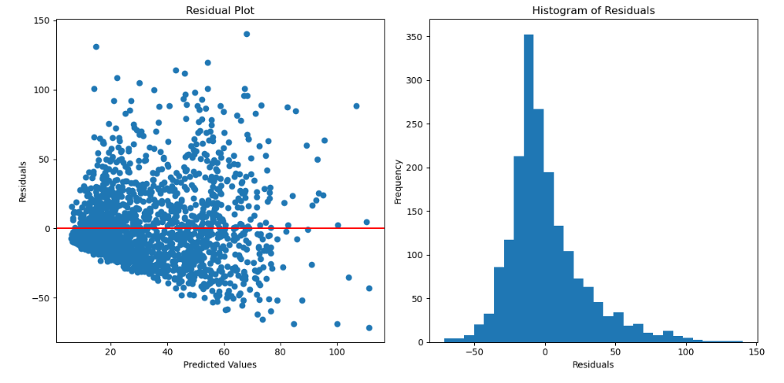
Actual Distribution | Normal |  |  | Actual Distribution | Normal |  |  | Actual Distribution | Normal |  |  | Actual Distribution | Normal |  |  | Actual Distribution | Normal
 |  |  |  |  |  |  |  |  |  |  |  |  |  |  |  |  |  |  |  | Actual Distribution | Normal |  |  | Actual Distribution | Normal |  |  | Actual Distribution | Normal |  |  | Actual Distribution | Normal |  |  | Actual Distribution | Normal

Notes |  |  |  | Notes |  |  |  | Notes |  |  |  | Notes |  |  |  | Notes
{ |  |  |  | { |  |  |  | { |  |  |  | { |  |  |  | { |  |  |  | Notes |  |  |  | Notes |  |  |  | Notes |  |  |  | Notes |  |  |  | Notes
"backtest_year": 2023, |  |  |  | "backtest_year": 2023, |  |  |  | "backtest_year": 2023, |  |  |  | "backtest_year": 2023, |  |  |  | "backtest_year": 2023, |  |  |  | { |  |  |  | { |  |  |  | { |  |  |  | { |  |  |  | {
"target": "RushYards", |  |  |  | "target": "RushYards", |  |  |  | "target": "RushYards", |  |  |  | "target": "RushYards", |  |  |  | "target": "RushYards", |  |  |  | "backtest_year": 2023, |  |  |  | "backtest_year": 2023, |  |  |  | "backtest_year": 2023, |  |  |  | "backtest_year": 2023, |  |  |  | "backtest_year": 2023,
"sportsbooks": ["Caesars", "FanDuel", "BetOnline", "Pinnacle"], |  |  |  | "sportsbooks": ["Caesars", "FanDuel", "BetOnline", "Pinnacle"], |  |  |  | "sportsbooks": ["Caesars", "FanDuel", "BetOnline", "Pinnacle"], |  |  |  | "sportsbooks": ["Caesars", "FanDuel", "BetOnline", "Pinnacle"], |  |  |  | "sportsbooks": ["Caesars", "FanDuel", "BetOnline", "Pinnacle"], |  |  |  | "target": "RushYards", |  |  |  | "target": "RushYards", |  |  |  | "target": "RushYards", |  |  |  | "target": "RushYards", |  |  |  | "target": "PassYards",
"min_obs": 5, |  |  |  | "min_obs": 5, |  |  |  | "min_obs": 5, |  |  |  | "min_obs": 5, |  |  |  | "min_obs": 5, |  |  |  | "sportsbooks": ["Caesars", "FanDuel", "BetOnline", "Pinnacle"], |  |  |  | "sportsbooks": ["Caesars", "FanDuel", "BetOnline", "Pinnacle"], |  |  |  | "sportsbooks": ["Caesars", "FanDuel", "BetOnline", "Pinnacle"], |  |  |  | "sportsbooks": ["Caesars", "FanDuel", "BetOnline", "Pinnacle"], |  |  |  | "sportsbooks": ["Caesars", "FanDuel", "BetOnline", "Pinnacle"],
"lower_odds_bound": 150, |  |  |  | "lower_odds_bound": 150, |  |  |  | "lower_odds_bound": 150, |  |  |  | "lower_odds_bound": 150, |  |  |  | "lower_odds_bound": 150, |  |  |  | "min_obs": 5, |  |  |  | "min_obs": 5, |  |  |  | "min_obs": 5, |  |  |  | "min_obs": 5, |  |  |  | "min_obs": 5,
"upper_odds_bound": -150, |  |  |  | "upper_odds_bound": -150, |  |  |  | "upper_odds_bound": -150, |  |  |  | "upper_odds_bound": -150, |  |  |  | "upper_odds_bound": -150, |  |  |  | "lower_odds_bound": 150, |  |  |  | "lower_odds_bound": 150, |  |  |  | "lower_odds_bound": 150, |  |  |  | "lower_odds_bound": 150, |  |  |  | "lower_odds_bound": 150,
"criteria": "diff", |  |  |  | "criteria": "diff", |  |  |  | "criteria": "prob", |  |  |  | "criteria": "prob", |  |  |  | "criteria": "prob", |  |  |  | "upper_odds_bound": -150, |  |  |  | "upper_odds_bound": -150, |  |  |  | "upper_odds_bound": -150, |  |  |  | "upper_odds_bound": -150, |  |  |  | "upper_odds_bound": -150,
"min_threshold": 15, |  |  |  | "min_threshold": 15, |  |  |  | "min_threshold": 0.05, |  |  |  | "min_threshold": 0.20, |  |  |  | "min_threshold": 0.10, |  |  |  | "criteria": "prob", |  |  |  | "criteria": "prob", |  |  |  | "criteria": "prob", |  |  |  | "criteria": "prob", |  |  |  | "criteria": "prob",
"max_threshold" : 99999, |  |  |  | "max_threshold" : 99999, |  |  |  | "max_threshold" : 99999, |  |  |  | "max_threshold" : 99999, |  |  |  | "max_threshold" : 99999, |  |  |  | "min_threshold": 0.10, |  |  |  | "min_threshold": 0.10, |  |  |  | "min_threshold": 0.10, |  |  |  | "min_threshold": 0.10, |  |  |  | "min_threshold": 0.05,
"std_estimation": "", |  |  |  | "std_estimation": "", |  |  |  | "std_estimation": "player", |  |  |  | "std_estimation": "player", |  |  |  | "std_estimation": "player", |  |  |  | "max_threshold" : 99999, |  |  |  | "max_threshold" : 99999, |  |  |  | "max_threshold" : 99999, |  |  |  | "max_threshold" : 99999, |  |  |  | "max_threshold" : 0.15,
"k": "" |  |  |  | "k": "" |  |  |  | "k": "" |  |  |  | "k": "" |  |  |  | "k": "" |  |  |  | "std_estimation": "k-nearest-week-projection", |  |  |  | "std_estimation": "k-nearest-season-projection", |  |  |  | "std_estimation": "k-nearest-season-projection", |  |  |  | "std_estimation": "k-nearest-season-projection", |  |  |  | "std_estimation": "player",
} |  |  |  | } |  |  |  | } |  |  |  | } |  |  |  | } |  |  |  | "k": 10 |  |  |  | "k": 5 |  |  |  | "k": 5 |  |  |  | "k": 5 |  |  |  | "k": ""
 |  |  |  |  |  |  |  |  |  |  |  |  |  |  |  |  |  |  |  | } |  |  |  | } |  |  |  | } |  |  |  | } |  |  |  | }

