tdd-lte dl rate calculation
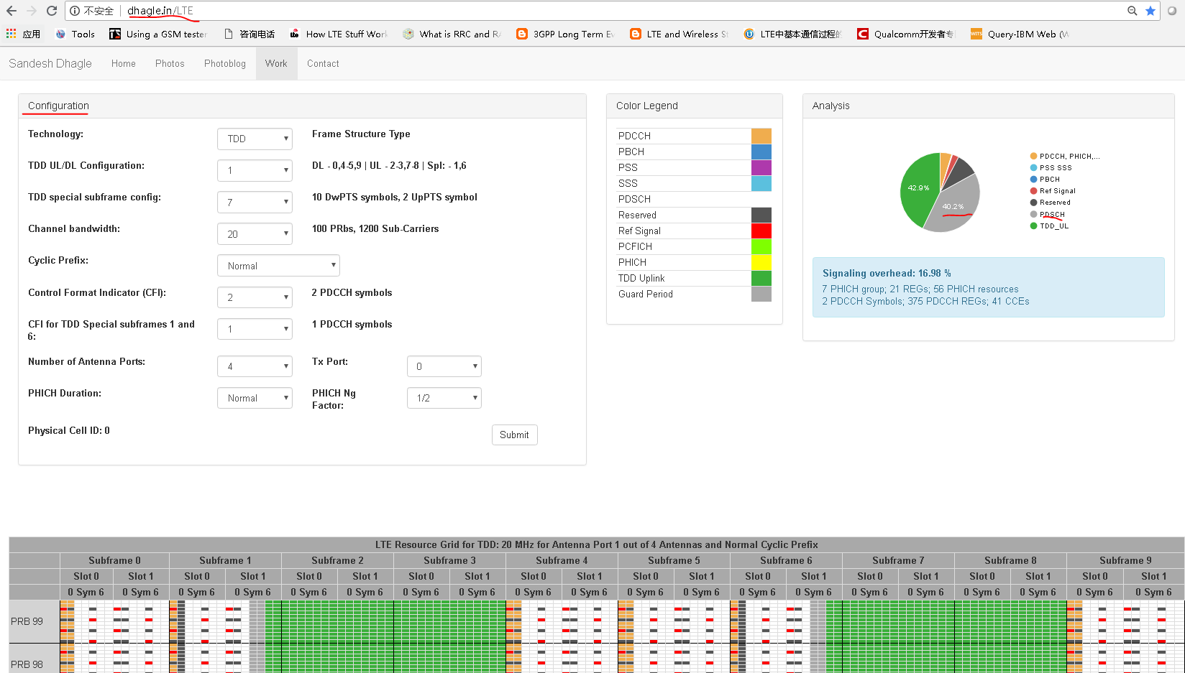
 |  |  |  |  |  |  |  | Reference:
Resource block size in time domain, or slot (s) | 0.0005 |  |  |  |  |  |  | the8layers.com
Cyclic Prefix Length (number of symbols per slot) | Normal CP | Normal CP | Extended CP |  |  |  |  | sharetechnote.com
# of OFDM symbols per slot of 0.5ms [symbols] | 7 | 7 | 6 |  |  |  |  | dhagle.in/LTE
# of OFDM symbols per subframe of 1ms [symbols] | 14
# of OFDM symbols per frame of 10ms [symbols] | 140
# of OFDM symbols per RB (12sc * #symbols/slot) | 84

Modulation | 64 QAM | QPSK | 16 QAM | 64 QAM | 256 QAM
Number of bits per symbol [bits] | 6 | 2 | 4 | 6 | 8

Bandwidth [MHz] | 20 | 1.4 | 3 | 5 | 10 | 15 | 20
Guard band [%] | 10% | 23% | 10% | 10% | 10% | 10% | 10%
Resource block size in frequency domain [Hz] | 180
Number of resource blocks [blocks] | 100

RE total number of 1s | 16800000
PDSCH percentage out of the total bw. please refer to http://dhagle.in/LTE | 40.20% | http://dhagle.in/LTE
DL Throuhput per antenna [Mbps]-CR(100%) | 40.5216
CR(Coding Rate) | 93.00%
DL Throuhput per antenna [Mbps]-CR(93%) | 37.685088

Diversity/MIMO Mode | 2x2 MIMO | SISO | 2x2 MIMO | 4x4 MIMO
Throuhput per link with diversity/MIMO [Mbps] | 75.370176 | 1 | 2 | 4

Carrier Aggregation Mode | 2 Carriers | 1 Carrier | 2 Carriers | 3 Carriers | 4 Carriers
Maximum achievable user throughput with CA [Mbps] | 150.740352 | 1 | 2 | 3 | 4

UE category
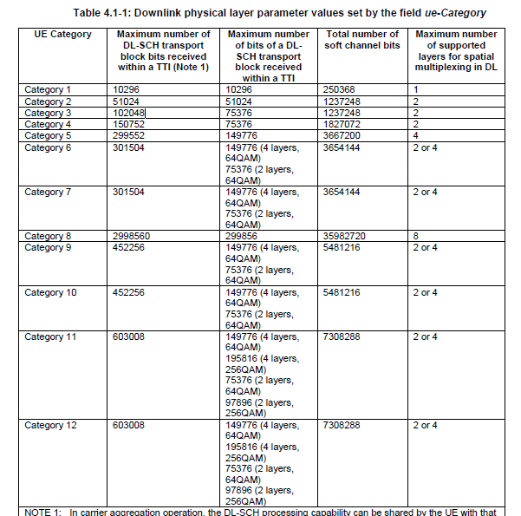
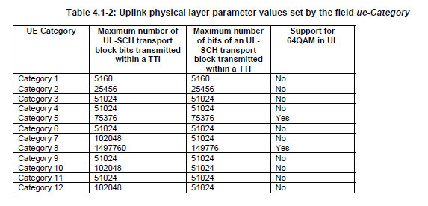
Reference | 36.306

