Escalation
 | Whistle blower - Protection Policy

 |  |  | Docu No - | F/Kaizen/03
 |  |  | Original Date - | 02/ 15-Jul-18
 |  |  | Rev Date - | 12.10.19
 |  |  | Rev No - | 1
ESCALATION - IF PROCEDURE VIOLATION

 | If problem occurs - Kaizen Acknowledgment - Selection / Rejection not received

 | Escalation - Tier 2 HOD
 | If problem occurs - Best Kaizen Selection Procedure Violation

 | Escalation - Tier 2 HOD
 | If problem occurs - Complaint against Kaizen Hiker if any done.

 | Escalation - Tier 2 HOD

 | If problem occurs - Recognition benefit not issued.

 | Escalation - Tier 2 - Plant Head

 | If problem occurs - Kaizen resources lacking

 | Escalation - Tier 2 Plant Head

 | If problem any from above not resolved - Report Unethical Activity to Ethics Helpline

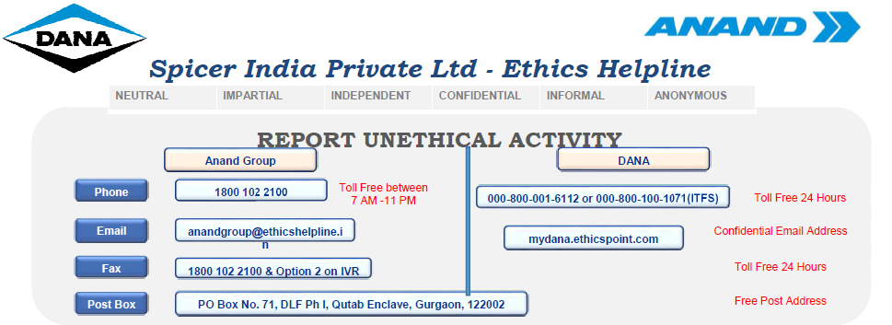
 | Escalation - Tier 2 Plant Head

 | If problem still not resolved - Escalate to Anand Group Ethics Committee

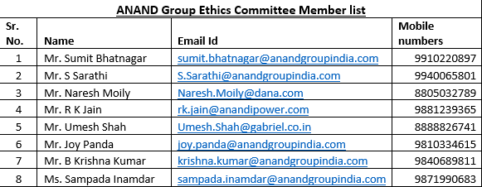

Note : Employees ensure to make a protected disclosure and in such case, it will be ensured that Employee’s identity is kept confidential to the best possible extent.

Prepared by |  | Reviewed by | Approved by

Stairing Comitee
 |  |  | Docu No - | F/Kaizen/04
 |  |  | Orignal Date - | 02/15-Jul-2018
 |  |  | Rev Date - | 2020-08-05
 |  |  | Rev No - | 3

 | KAIZEN STEERING COMMITTEE

 |  |  | Roles & Responsibilites
1. Approval, sign off and evaluation of Kaizens pertaining to productivity, layout, quality and cost.
2.Attend Monthly meetings related to Kaizens in morning hours at diamond area.
3. Take nesessary Countermeasure incase of Escalation Received.
Sandeep Rane

Tier 2 Kaizen Evaluation committee

Pravin Nikam
(Prod / ME)
Pratibha K
(OPEX)
Sandeep L
(EHS)
Sagar Desai (PPC & SCMG)
Mahesh Sutar
(Maintenance)
Prithev S
(Quality)
Babasheb Mande
Saquib S
(Human Resource)

1.Attend weekly meetings in Kaizen area.
2.Collection and feasibility evaluation of Kaizen ideas.
3. Do achnowledgment for Kaizen Selection / Rejection.
4.Following up with team for job completion of tier 1 and tier 2 kaizens.
5. Following up with suppliers for work completion.
5.Escalation in case of any Violation of Kaizen Process as per Escation Matrix.
6.Recognition of Kaizens and recording the impact of implementation.
7. Arrange training programme on Kaizen Process & generation.
Prabhakar
Sagar Lohar
Jilesh
Wasim Akram
Snehal M
Tier 2 Kaizen implementation
team
Joshua C

Madhuri Y
Ujjwal

Devendrian B

Pritam M
Shradha M
1. Attend to team member's pain areas based on safety, 5's, ergonomics and visual management.
2.Report the Kaizens in weekly meetings and implementation of the same.
3. Escalation in case of any Violation of Kaizen Process as per Escation Matrix.
Santhosh D
Saurav Jhapri
Nitesh
Tier 1 Kaizen implementation
team
Bhagwan Sah
Ishwar
Tukuna
Sharanayya
Abhishek

Prepared by |  | Reviewed by | Approved by

QSP - Objective & IP revised
 | TURTLE DIAGRAM | Doc. No. | QSP-50
 |  | Issue No./Date | 02/ 15-Jul-18
 | Title: Kaizen Development and Implementation | Rev. No./Date | 01/ 15-Jul-18
 |  | Page | 1 of 1

With What (Material / Equipment?)
- Computer Resources
- Email
- Stationary items
With Whom (Competency, Training,Skill)?
- Communication Skills,
- Technical Skills ( Product and Process Knowledge)
Process Owner
I/C DOS

Defined Input
- Enforcing committe
- Kaizen forms
- Kaizen implementation board
-Training manual
- Employee Motivation
- Identify the creativity of employee
- Employee Involvement
Process
Kaizen development and implementation
Desired Output
- On time implementation of Kaizens.
- Problem solving by TM's.

Intended Result (Process Measures / Functional or Department Objectives)
Effeciency.
- No bottleneck, ease of performing.
- Increase in productivity, cost and ppm reduction, improve in quality and delivery flow.

How? (Method/Technique/Procedure)
- Layered process audit.
- Manage By Fact.
- Visual Inspection

Interacting Process
ME, Production, Quality, Finance, Admin

Non-Conformity, Corrective&Preventive Action
- Standardization of Kaizen through creation of STW, SWCT, JBS
Review: meeting
Improvement :
Feedback

Risk Associated with the Process: Risk Associated with the Process is identified and monitored.(Documents are maintained at respective plants & Function)
.
Risk Associated with the Process is identified and monitored in HR/RAR/01

Format No | SIPL-MR-F-11

Prepared by |  | Approved by
THIS DOCUMENT CONTAINS CONFIDENTIAL INFORMATION. Its use is restricted to employees with a need to know and third parties with a need to know and who have signed a non-disclosure agreement.

Kaizen Revised Procedure - Mont
 |  | QUALITY SYSTEM PROCEDURE |  |  |  |  |  | Doc. No. | QSP-50 |  |  |  |  | QUALITY SYSTEM PROCEDURE |  |  |  |  |  | Doc. No. | QSP-50
 |  |  |  |  |  |  |  | Issue No./Date | 02/ 15-Jul-18 |  |  |  |  |  |  |  |  |  |  | Issue No./Date | 02 /15 July 2018
 |  | Title: Kaizen Development and implementation |  |  |  |  |  | Rev. No./Date | 01/ 15-Jul-18 |  |  |  |  | Title: Kaizen implementation procedure |  |  |  |  |  | Rev. No./Date | 01 /15 July 2018
 |  |  |  |  |  |  |  | Page | 1 of 2 |  |  |  |  |  |  |  |  |  |  | Page | 2 of 2
Process Name |  | Kaizen development and implementation |  |  |  |  |  |  |  |  |  | Process Name |  | Kaizen development and implementation
1.0 | Objective |  | To create a standard documented process for the implementatation of Kaizens. To Improve employee motivation, Identify the creativity of employee, Employee Involvement. |  |  |  |  |  |  |  |  | 1.0 | Objective |  | To create a standard documented process for the implementation of Kaizens. To Improve the creativity of employee, To Increase Employee Involvement. To Increase oral Among Employee.
2.0 | Scope |  | Production shop floor |  |  |  |  |  |  |  |  | 2.0 | Scope |  | Production shop floor
3.0 | Mapping |  |  |  |  |  |  |  |  |  |  | 3.0 | Mapping
Sl.# | Key Inputs |  | Activity | How | Where | Why | Resp. | When | Output with Documented information ref. | AHQC ref. | MSES-A ref. | Sl.# | Key Inputs |  | Activity | How | Where | Why | Resp. | When | Output with Documented information ref. | AHQC ref. | MSES-A ref.

Kaizen committee formation
No
Kaizen identification based on departmental pain points
Approval by plant head
Yes
Categories of kaizen based on PQCDSM
Kaizen Impementation & development
No
Kaizen discussion with TL and filling up implementation form
No
1 | Input as per Turtle |  |  | CFT Meeting before formation. Signed copy Achnoelegment | SIPL, Satara | To implement the Kaizen on time Impact analysis. | DOS | Monthly | Kaizen committee organisation chart. | R&R238 | ----- | 1 | OE involvement |  |  | 1.NVA of Process 2.Downtime issues 3.Safety Abnormalities. 4.Ergonomics Issues 5.Workplace Mgt Abnormality 6.Customer Complaint | SIPL, Satara | For continuous improvement | DOS | During working hours. | Implementation form | 238 | -----
2 | Kaizen committee organisational structure, roles and responsibilities. |  |  | Signed copy Achnoelegment | SIPL, Satara | To setup the committee and procedures | DOS | As and when required | Attested copy of organisational structure, roles and responsibilities |  |  | 2 | Kaizens |  |  |  | SIPL, Satara | To ask the concerned department | DOS | While finding the Kaizen | Implementation form | 238
3 | Enforcing committee |  |  | Information through documentation. Announcement at feedback meeting during shift changeover 1. Share Information for Kaizen Generation. 2. Provide Training Modules. | SIPL, Satara | To implement the Kaizen with full documentation for information and impact tracking | DOS | As and when required | Kaizen process flow chart. | R&R238 | ----- | 3 | TL and OE involvement |  |  | Do Gemba At Location. | SIPL, Satara | To check feasibility | DOS | While finding Kaizen and before submitting implementation form |  | 238 | -----
Approval by Plant Head
Yes
Root cause analysis using 5W 1H
Yes
4 | Kaizen implementation procedure flow chart |  |  | Signed copy Achnoelegment Take the target Kaizen Implementation % - >90% Kaizen Implementation / Person - 1/Person Kaizen Given % - >95% MTTI - Tier1 - <15 Days - Tier 2 - <30 Days | SIPL, Satara | To aware the TM for applying Kaizens through CFT. | DOS | As and when required | Attested cioy of Kaizen implementation procedure flow chart. |  |  | 4 | Implementation form |  |  | Use Why why analysis | SIPL, Satara | To find out the root cause | DOS | While filling the implementation form | Implementation form | 238
Availability of Kaizen forms
Implement the decided action plan with CFT.
5 | Kaizen implementation form |  |  | Avl On cell board. | SIPL, Satara | To make the forms available for the ease of TM's. | DOS | As and when required | Kaizen implementation form. | R&R239 | ----- | 5 | Implementation form, kaizen and CFT |  |  | Use Accountability Driven Kaizen Board | SIPL, Satara | For implmentaion | DOS | During working hours. |  | 238 | -----
Inclusion of Kaizen development procedure in induction of TM's
Fill C3 Kaizen implementation sheet and drop in the Kaizen box
6 | Kaizen procedure |  |  | Induction program, manual | SIPL, Satara | To create awareness among the members | DOS | Induction training, communication meet | Training conducted for Kaizen awareness | R&R240 | ----- | 6 | C3 Kaizen format |  |  | Using Kaizen format | SIPL, Satara | For knowledge sharing across Spicer | DOS | After implementation of kaizen. | Implementation form | 238 | -----
Approving of Kaizens during weekly meet.
Kaizen Evaluation as per Kaizen Catagory impact on Business
7 | Kaizen ideas from the OE's |  |  | Feedback meeting after shift end 1. Collect Kaizen on Slip. 2. Select Kaizen for approval. 3. Update if any Rejected Kaizen. | SIPL, Satara | To choose the kaizen best suitable for the activity | DOS | As and when required | Kaizen implemntation form | R&R241 |  | 7 | Kaizen Evalution |  |  | Ref Kaizen Impact Table | SIPL, Satara | For Getting More Impact of kaizen | DOS | After implementation of kaizen. | Implementation form | 238 | -----
Unanimous decision on Tier 1 and Tier 2 kaizens.
8 | Kaizen implemntation |  |  | Ref Kaizen Priortization Document. | SIPL, Satara | To decide which kaizens do not need support and which need support to implement | DOS | As and when required | Tier 1 and Tier 2 type kaizens | R&R243 |  | 8
Tracking the impact of the kaizen implemented.
9 | Kaizen implemntation Tracking of Kaizen Implementation ( OE ) |  |  | Collect in Weekly meeting Ensure while Kaizen Evoluation | SIPL, Satara | To monitor the progress of Kaizens ideas | DOS | As and when required | Kaizen OISR | R&R242
Consultation with dedicated supplier provided for Kaizen activities to implement
10 | Tier 1 and Tier 2 type kaizens |  |  | Review on accountability Board | SIPL, Satara | To provide support and resources for implementation of Kaizen | DOS | Weekly | Kaizen OISR | R&R243
Implementation tracking by Stairing Comitee
11 | Tier 1 and Tier 2 type kaizens |  |  | Using MTTI Reports Update MOM Review of Budget Required. | SIPL, Satara | To monitor the progress of Kaizens ideas | Prod | Weekly | Kaizen OISR | R&R243
Measurement of impacts of Kaizen
12 | Kaizen MOM |  |  | Discussion during - Kaizen committee meeting 1. Discuss as per agenda 2. Keep MOM 3. Plan on Internal Horizontal Diployment Kaizen 4. Discuss on Yokoten status | SIPL, Satara | To recognise the Kaizens with highest impact for award purposes. | Prod | Monthly | Kaizen OISR | R&R244
Knowledge Sharing
13 | Kaizen implementation format with 5 W, 1H |  |  | Sharing Kaizen in Communication meeting Sharing Kaizen Dana Portal | SIPL, Satara | To share the knowledge about the kaizens implemented | DOS | As and when required | Kaizen Implementation format. | R&R243
Implemented Kaizen Evaluation
14 | Kaizen Evalution |  |  | Evaluat Kaizen during Evaluation meeting Ref Kaizen Evaluation Criteria | SIPL, Satara | To ckeck Best Kaizen | HR | Monthly | Kaizen Evaluation Criteria | R&R242
Reward & Recognition
15 | Kaizen Recognition & Communication |  |  | Ref Awards Criteria . | SIPL, Satara | To Encourage Employee | HR | Monthly | Award Criteria. | R&R245
Note: AHQC Ref applicable for all SIPL plants, MSES A ref applicable for Axle chakan. |  |  |  |  |  |  |  |  |  |  |  | Note: AHQC Ref applicable for all SIPL plants, MSES A ref applicable for Axle chakan.
IATF Clause No.: 10.3,10.3.1 |  | Document Ref : Master List of Work Instructions/ SOP's/ Documents/ Lists maintained as per plant specific numbering system. |  |  | Record Ref : Master List of Records as specified by plant maintained as per plant specific numbering system. |  |  |  |  |  |  | IATF Clause No.: 10.3,10.3.1 |  | Document Ref : Master List of Work Instructions/ SOP's/ Documents/ Lists maintained as per plant specific numbering system. |  |  | Record Ref : Master List of Records as specified by plant maintained as per plant specific numbering system.
Format Number |  | SIPL-MR-F-12 |  |  |  |  |  |  |  |  |  | Format Number |  | SIPL-MR-F-12

Prepared by |  |  |  |  | Approved by |  |  |  |  |  |  | Prepared by |  |  |  |  | Approved by
THIS DOCUMENT CONTAINS CONFIDENTIAL INFORMATION. Its use is restricted to employees with a need to know and third parties with a need to know and who have signed a non-disclosure agreement. |  |  |  |  |  |  |  |  |  |  |  | THIS DOCUMENT CONTAINS CONFIDENTIAL INFORMATION. Its use is restricted to employees with a need to know and third parties with a need to know and who have signed a non-disclosure agreement.

Evaluation Criteria
BEST KAIZEN CRITERIA |  |  |  | Doc. No. | F/Kaizen/14 | BEST CELL CRITERIA |  |  |  |  | Doc. No. | F/Kaizen/14
 |  |  |  | Issue No./Date | 02/ 15 Jul-18 |  |  |  |  |  | Issue No./Date | 02/ 15 Jul-18
 |  |  |  | Rev. No./Date | 00/ 00 |  |  |  |  |  | Rev. No./Date | 00/ 00 | Default Browne Points as per kaizen stage wise
 |  |  |  | Page | 1 |  |  |  |  |  | Page | 2 | Role | Status | Browne Points
Purpose - Any kaizen given & implement should under following category only & Best kaizens should awarded |  |  |  |  |  |  |  |  |  |  |  |  | Employee | Submitted For Scrutinization | 5
Kaizen Category | Parameters | Evaluator Browne Points | Best Kaizen Evaluation Jury Stage 1 (6th of Every Month) | Best Kaizen Evaluation Jury Stage 2 (7th to 9th of Every Month) |  | Objectives of cell |  | Updations | weightage | For meeting | For not meeting | For exceeding | Controller | Assigned To Evaluator | 5
Start
Productivity | 1. Reduce C.T & increase no of parts production. | 10 | FIRST kaizen - > 15% Impact ( any of PQCDSM ) Jury Score - 10 (Browne Points) SECONDE kaizen - 11% - 15% Impact ( any of PQCDSM ) Jury Score - 5 (Browne Points) THIRD kaizen - 5% - 10% Impact ( any of PQCDSM ) Jury Score - 3 (Browne Points) <5% Impact (any of PQCDSM ) Jury Score - 1 (Browne Points) |  |  |  |  |  |  |  |  |  | Implementer | Implemented | 10
 | 2. Reduce Set up Time by using SMED techniques. | 10 |  |  |  | Implemented idea per person >1 |  | HR | 5 | 2 | <2 | >2 | Implementer | Suggestion Closed | 5
Download implemented kaizen of current month from the system (R-HR)
 | 3. Reduce or eliminate non value added Tasks. | 5 |  |  |  | Absenteeism <1% |  | HR | 5 | 1 | >1 | <1
Quality | 1. Reduce Rework Qty in Nos. | 10 |  |  |  | Improve Multiskilling From 5% to 7% compare to last month |  | HR | 5 | 5%-7% | <5% | >7%
 | 2..Reduce Rejection Qty in Nos | 15 |  |  |  | Cell 5's Score >65 |  | DOS | 5 | 65 | <60 | >65
 | 3. Reduce Final NC in Nos | 10 |  |  |  | Zero Incident - First aid, Recordable & Lost time. |  | SAFETY | 5 | 0 | >0 | >0
 | 4. Reduce Customer Concerns in Nos | 20 |  |  |  | No. of NearMiss Observations |  | SAFETY | 5 | 2 | <2 | >2
 | 5. Reduce Scrap Cost in Rs | 15 |  |  |  | HD Shaft/man hr > 5 |  | PRODUCTION | 5 | 5 | <5 | >5
Send Invitation to Jury team for best top three kaizen selection (R- HR)
Cost | 1. Reduce cost by reducing rejection. | 10 |  |  |  | LD Shaft/man hr >7 |  | PRODUCTION | 5 | 7 | <7 | <7
 | 2. kaizen on consumables less consumptions. | 5 |  |  |  | MD Shaft/man hr >3 |  | PRODUCTION | 5 | 3 | <3 | >3
 | 3. kaizen on respect of product. Which reduce warranty cost. | 5 |  |  |  | Off Cell Productivity > 88% |  | PRODUCTION | 5 | 88 | <88 | >88
 | 4. kaizen on recycling & reusable material. | 5 |  |  |  | Heavy Duty line Prod from >350/shift |  | PRODUCTION | 5 | 350 | <350 | >350
 | 5. Reduce Cost of material in Rs | 10 |  |  |  | Light Duty Line Prod From>250/shift |  | PRODUCTION | 5 | 250 | <250 | >250
Conduct the meeting of best kaizen selection (R-HR)
 | 6. Reduce Expenses Cost in Rs. | 5 |  |  |  | Medium Duty Line Prod From>175/shift |  | PRODUCTION | 5 | 175 | <175 | >175
 | 7. Reduce repair & mainteance Cost in Rs | 5 |  |  |  | Off Cell Prod From>3500/shift |  | PRODUCTION | 5 | 3500 | <3500 | >3500
Delivery | 1. Team kaizen to reduce minor stoppages. | 5 |  |  |  | OEE of Cell > 85% |  | PRODUCTION | 5 | 85% | <85% | >85%
 | 2. kaizen on major loss contributors. | 5 |  |  |  | Uptime M/c > 99.5 |  | MAINTENANCE | 5 | 99.5 | <99.5 | >99.5
 | 3. Improved Delivery in Nos | 5 |  |  |  | Final inspection NC <8NC |  | QUALITY | 5 | 8-10 | >10 | <8
Top 3 Best Kaizen Evaluation from top Browne point (R- Jury)
 | 4. Improved Delivery Time in Mins | 5 |  |  |  | Customer Complaint-Zero complaint |  | QUALITY | 5 | 1 | >1 | 0
Safety | 1. kaizen on Hazard elimination. | 10 |  |  |  | Reduce Scrap $ per Day From $35 to $<$25 |  | QUALITY | 5 | $25-to $28 | >$28 | <$25
 | 2. kaizen on Fatigue reduction through REBA Score | 5 |  |  |  | Rework PPM <2000 |  | QUALITY | 5 | 2000 - 2800 | >2800 | <2000
 | 3. Mistake proofing on safety deviation. | 15 |  |  |  | Monthly Awards 1. Best Kaizen Winner 2. Best Kaizen Runner Up 3. Best Kaizen 2nd Runner Up 4. Maximum Kaizen Implementation 5. Best Cell Rolling Trophy 6. Special Category - Encouragement Award 7. Best Kaizen Horizontally Deployed 8. Max Near miss Reported 9. SIPL-C Award |  | 1. No Of Kaizen Given Under PQCDGSM
Top 3 Kaizens Appreciation in Communication Meeting (R- HR)
 | 4. Kaizen on Workplace / Improvement & management. | 5
 | 5. Reduce Near Miss Incident in Nos | 10 |  |  |  |  |  | 2. Objectives Clearly written on Given Kaizen
 | 6. Reduce First Aid Incident in Nos | 15
 | 7. Reduce Recordable Case Incident in Nos | 15
 | 8. Reduce Lost time Incident in Nos | 25
Display Awarded photos in wall of fame at shopfloor (R-HR)
Moral | 1. kaizen to increase happiness amongst team. | 5 |  |  |  |  |  | 3. All Kaizens selected & approved by CFT Tier1
 | 2. kaizen to reduce stress of team member. | 5
 | 3. kaizen to increase involvement of OE. | 5
 | 4. Create New Initiative | 5
 | 5. Create a System | 5
Max Nearmiss Kaizen | 1. No Of incidence reported on Nearmiss - In Cell |  | Impacting on Safety Envoirnment Improvement |  |  |  |  | 4. 100% Kaizen Participation w.r.t OE.
 | 2. No Of incidence reported on Nearmiss - Out of Cell
Best Kaizen Horozontally Deployed | 1. Best Impacted Kaizen Implemented at all other applicable locations By Origenator. |  | Impacting >15% On PQCDGSM
 | 2. Impacting >15% On PQCDGSM
Special Category - Encouragment Award | 1. Total Experience of OE <1 Year in the Organization. |  | Impacting >10% on PQCDGSM |  |  | TOTAL SCORE OF BEST CELL |  |  | 100
 | 2. Kaizen Implemented impacting on PQCDGSM >10%
 |  |  |  |  |  | Prepared By | Reviewed By |  |  | Approved By
Prepared By |  | Reviewed By |  | Approved By

SIPL C Criteria
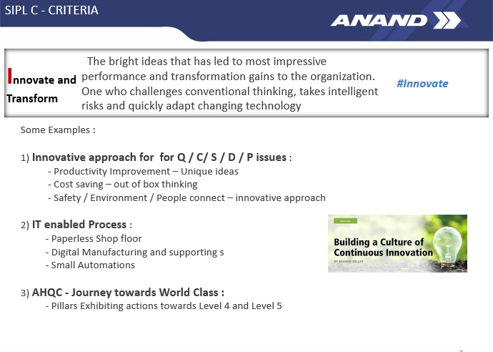
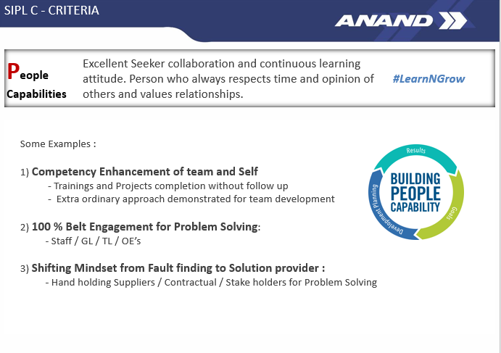
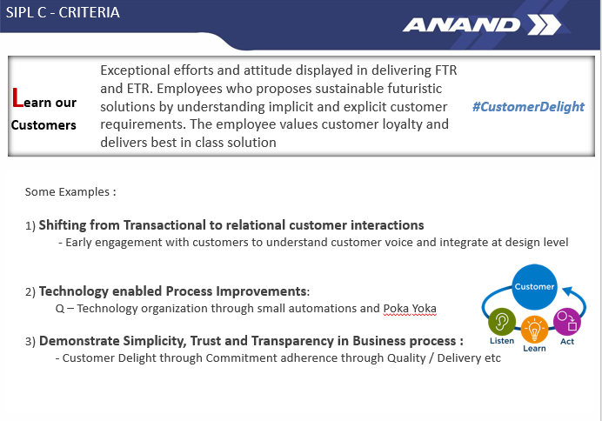
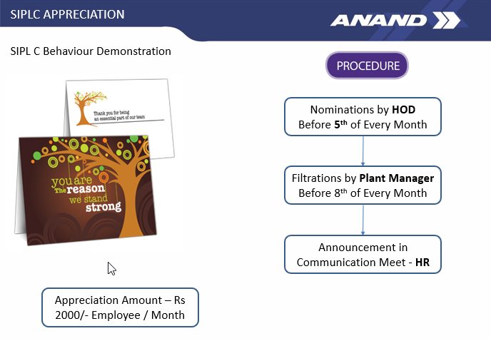
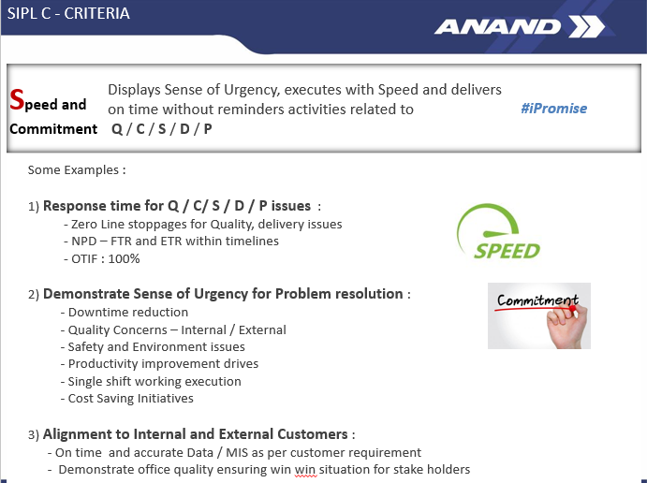

Doc. No. | F/Kaizen/14
Issue No./Date | 02/ 15 Jul-18
Rev. No./Date | 00/ 00
Page | 3

Accountability Flow Chart
 | ACCOUNTABILITY BOARD - KAIZEN REVIEW PROCEDURE |  |  | Doc. No. | F/Kaizen/06
 |  |  |  | Issue No./Date | 02/ 15 Jul-18
 |  |  |  | Rev. No./Date | 00/ 00
 |  |  |  | Page | 1
COMPLETE IT WITHIN 24 HRS
 |  |  | Resp For Weekly Review - Plant Technical Trainee ( Kaizen Co Ordinator )
START

PTT TO HIGHTLIGHT THIS TO OPERATIONAL HEAD FOR IMMEDIATE ACTION

KAIZEN REVIEW -
ARRANGE BY PTT WITH TIER 1 & TIER 2 -
1. DO CATAGRIZATION & PRIORTIZATION OF KAIZEN

PUT IN OPERATIONAL HEAD BOX

USE BLANK ACCOUNTABILITY TAGS for Tier 2

NO
COMPLETE ?
KAIZEN REVIEW -
ARRANGE BY PTT WITH TIER 1 & TIER 2
YES
KAIZEN REVIEW FOR IMPLEMENTATION

PUT SECONDE RED DOT
UPDATE KAIZENS FROM KAIZEN FORMAT ON RESPECTIVE TAGS. - RESP - TL

NO
COMPLETE Within Date ?
COMPLETE ?
KAIZEN REVIEW FOR IMPLEMENTATION
PUT FIRST RED DOT
NO
YES
PUT IN COMPLETED BOX
MAKE RECORDS,
UPDATE, KAIZEN IMPLEMENTATION FORMS

YES

Prepared by | Reviewed By | Approved By

