Model
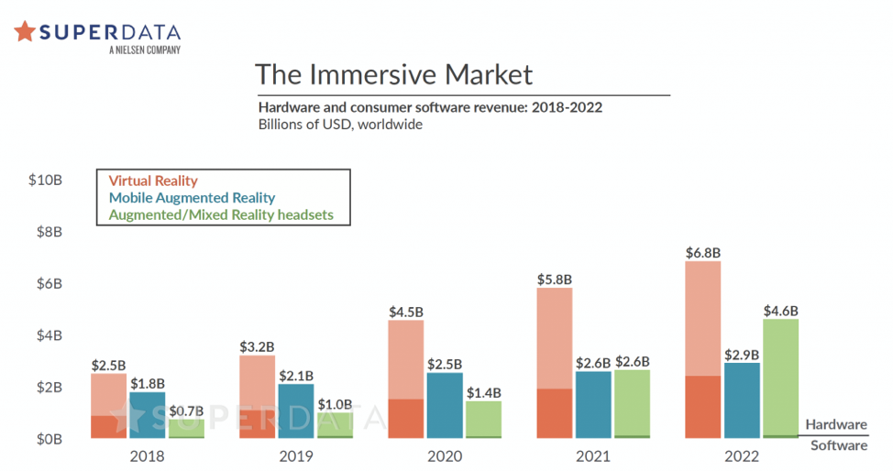
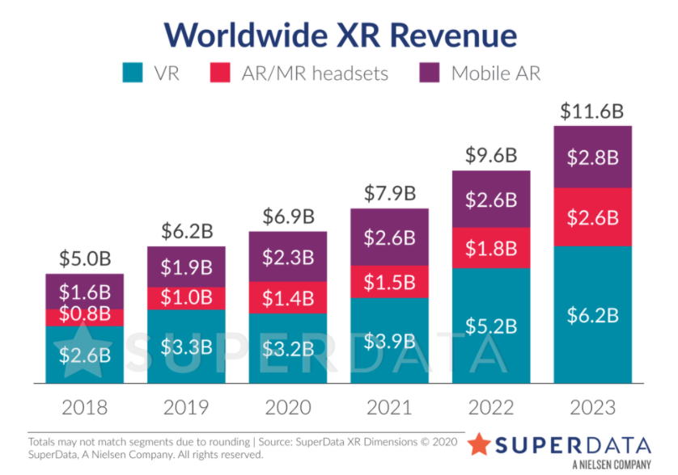
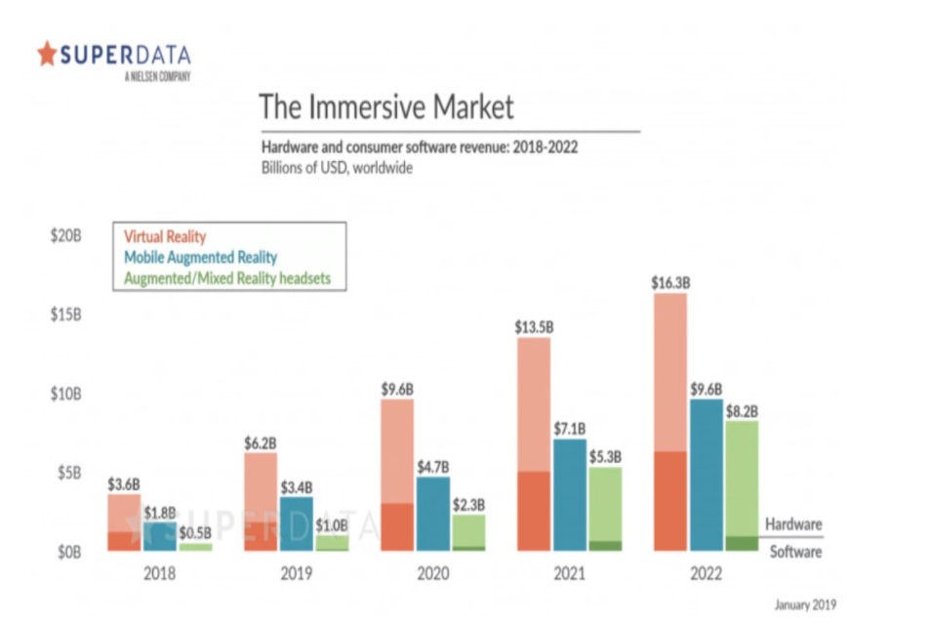
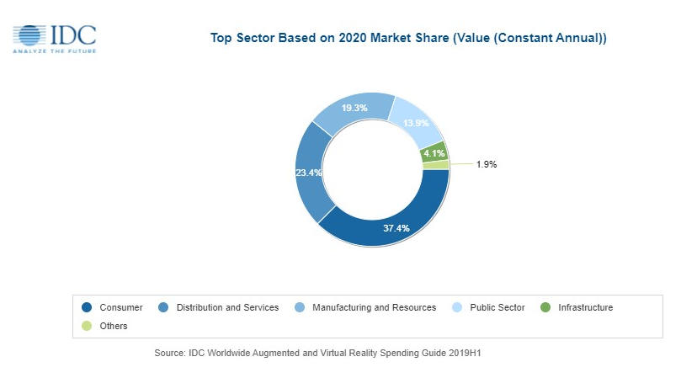
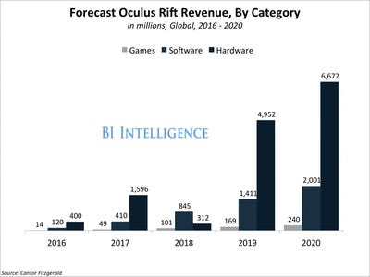
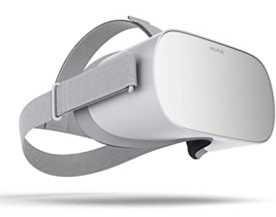
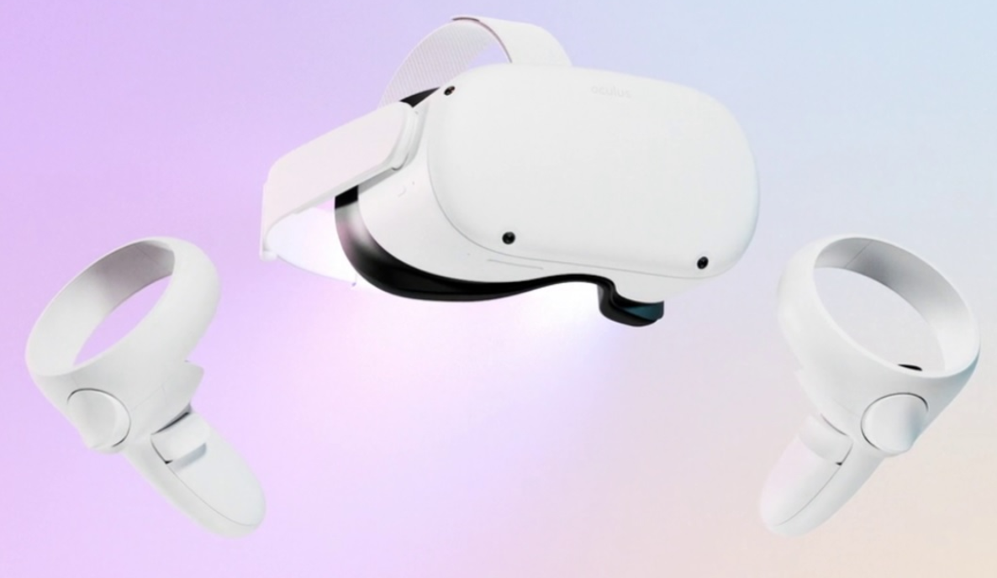
 |  |  |  |  |  |  |  | $0.02

 | Investment | 2016 | 2017 | 2018 | 2019 | 2020 | 2021 | 2022 | 2023 | 2024 | 2025
Acquisitions + CAPEX | $(3,000,000,000.00) | $(700,000.00) | $(13,400,000.00) | $(88,300,000.00) | $(515,000,000.00)
R&D Total |  | 5,919,000,000.00 | 7,754,000,000.00 | 10,273,000,000.00 | 13,600,000,000.00 | 17,946,296,290.83 | 23,738,785,580.20 | 31,384,314,251.38 | 41,473,509,619.11 | 54,832,259,359.53 | 72,481,754,875.82
YoY Increase |  |  | 31% | 32% | 32% | 32% | 32% | 32% | 32% | 32% | 32% | VAR: R&D Increase
$ R&D for Oculus |  | $(355,140,000.00) | $(441,978,000.00) | $(556,282,950.00) | $(699,618,000.00) | $(877,042,229.59) | $(1,102,117,185.68) | $(1,384,221,293.94) | $(1,737,749,914.02) | $(2,182,610,469.17) | $(2,740,894,993.58)
% of FB R&D spent on Oculus |  | 6.0% | 5.7% | 5.4% | 5.1% | 4.9% | 4.6% | 4.4% | 4.2% | 4.0% | 3.8% | VAR: R&D Towards Oculus

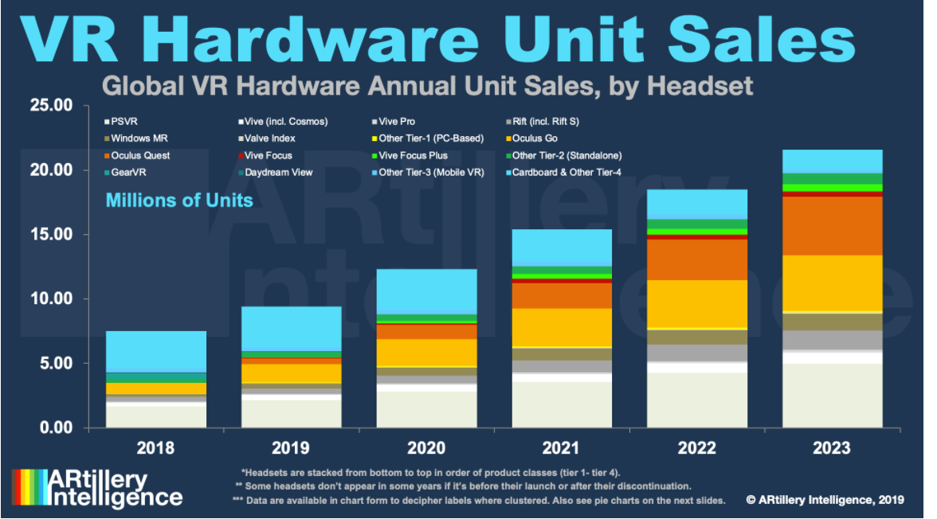
Oculus VR Headsets sold (units sold) |  | 355,088.00 | 526,000.00 | 715,000.00 | 1,083,000.00 | 1,440,000.00 | 2,016,000.00 | 2,923,200.00 | 4,238,640.00 | 5,510,232.00 | 7,163,301.60
Quest |  | - |  | - | 470,000.00 | $1,110,000.00
Rift / Rift S |  | 355,088.00 | 326,000.00 | 160,000.00 | 193,000.00 | 140,000.00
Go |  |  | $200,000.00 | 555,000.00 | 420,000.00 | 190,000.00
Worldwide users |  |  | $43,000,000.00 | 90,000,000.00 | 171,000,000.00
Oculus users |  |  |  | 17,460,000.00 | 48,393,000.00
cumulative |  | 355,088.00 | 564,824.80 | 837,601.08 | 977,640.70 | 1,980,348.49 | 2,804,574.25 | 4,594,081.97 | 7,030,633.38 | 9,880,652.17 | 13,363,427.96 | VAR: Cumulative Active users |  | Conservative
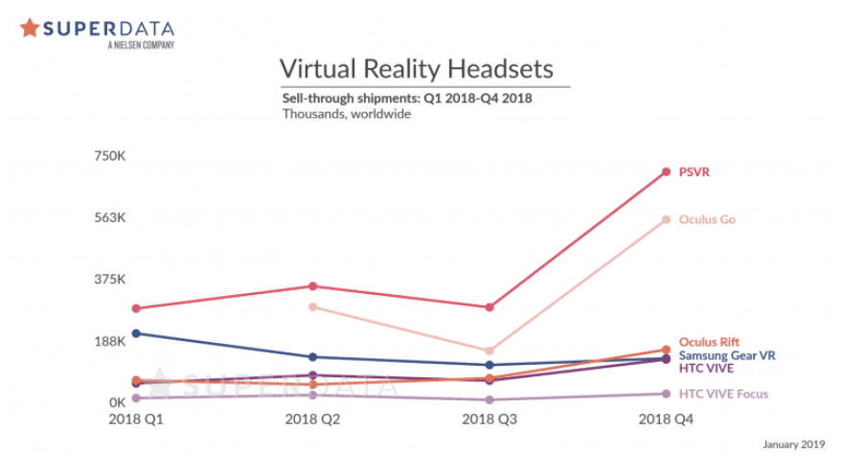
 |  |  | $881,088.00 | $1,279,824.80 | $1,920,601.08 | $2,417,640.70 | $3,996,348.49 | $5,727,774.25 | $8,832,721.97 | $12,540,865.38 | $17,043,953.77 | VAR Total - using for Adds |  | Aggressive
Y/Y Growth |  |  | 48% | 36% | 51% | 33% | 40.00% | 45.00% | 45.00% | 30.00% | 30.00% | VAR: Unit Sale increase

Pice per headset |  | $600.00 | $323.95 | $244.76 | $322.44 | $373.61 | $400.00 | $440.00 | $440.00 | $484.00 | $484.00
Y/Y Growth |  |  | 16.70% | -5% | -5% | -5% |  | 10% | 0% | 10% | 0% | VAR: Headset cost increase

VR hardware Market
Oculus Hardware Revenue |  | $213,052,800.00 | $170,400,000.00 | $175,000,000.00 | $349,200,000.00 | $538,000,000.00 | $806,400,000.00 | $1,286,208,000.00 | $1,865,001,600.00 | $2,666,952,288.00 | $3,467,037,974.40
Y/Y Growth |  |  | -20.02% | 2.70% | 99.54% | 54.07% | 49.89% | 59.50% | 45.00% | 43.00% | 30.00%

Video Game Attach Rate |  | 3.00 | 4.00 | 3.00 | 0.56 | 3.00 | 3.00 | 3.00 | 3.00 | 3.00 | 3.00
Pice per game |  | $25.00 | $25.00 | $25.00 | $30.00 | $30.00 | $30.00 | $35.00 | $35.00 | $40.00 | $40.00 | VAR: Price Per Game
Oculus Video game revenues |  | $7,500,000.00 | $10,200,000.00 | $18,000,000.00 | $64,000,000.00 | $90,000,000.00 | $150,461,977.05 | $226,066,540.04 | $360,900,954.32 | $496,482,792.42 | $678,655,231.69
Y/Y Growth Video game revenues |  | 33% | 36% | 76% | 256% | 41% | 67% | 50% | 60% | 38% | 37%
% of cum users |  | 4.73% | 5.54% | 4.65% | 1.53% | 2.20% | 1.86% | 2.03% | 1.95% | 1.99% | 1.97% | VAR: Increasing # of users to project sofware sales
% of headset bought that year |  |  |  |  |  | 1.60%
Assumes Royalty Rate |  | 12% | 12% | 12% | 12% | 12% | 12% | 12% | 12% | 12% | 12% | VAR: Royalty rate for non-FB games

Oculus Software Royalty Revenue |  | $4,200,000.00 | $5,712,000.00 | $10,080,000.00 | $35,840,000.00 | $50,400,000.00 | $84,258,707.15 | $126,597,262.42 | $202,104,534.42 | $278,030,363.75 | $380,046,929.75 | VAR: % of games sold by FB vs other

Y/Y Growth |  |  | 36.00% | 76.47% | 255.56% | 40.63%
 |  |  |  |  |  | 26.62%
FB MAU |  | 1,654,000,000 | 1,936,000,000 | 2,196,000,000 | 2,380,000,000 | 2,700,000,000 | 3,053,049,149 | 3,421,933,014 | 3,823,861,435 | 4,305,184,263 | 4,837,857,961
YOY |  |  | 17% | 13% | 8% | 13% | 13% | 12% | 12% | 13% | 12%
Facebook Ad Revenue |  |  | $39,942,000,000 | $55,013,000,000 | $69,655,000,000 | $88,194,045,498 | $111,667,355,701 | $141,388,211,175 | $179,019,429,033 | $226,666,393,930 | $286,994,849,748
Revenue per MAU |  |  | $0.05 | $0.04 | $0.03 | $0.03 | $0.03 | $0.02 | $0.02 | $0.02 | $0.02
Facebook "Other" Revenue |  | $753,000,000 | $711,000,000 | $825,000,000 | $1,042,000,000 | $1,875,600,000 | $2,625,840,000 | $3,676,176,000 | $5,146,646,400 | $7,205,304,960 | $10,087,426,944
Y/Y Growth |  |  | $(42,000,000) | $114,000,000 | $217,000,000
Total Facebook VR Revenue |  | $217,252,800.00 | $176,112,000.00 | $185,080,000.00 | $385,040,000.00 | $588,400,000.00 | $890,658,707.15 | $1,412,805,262.42 | $2,067,106,134.42 | $2,944,982,651.75 | $3,847,084,904.15
% of "Other Payment and Other Fees" |  | 28.85% | 24.77% | 22.43% | 36.95% | 31.37% | 33.92% | 38.43% | 40.16% | 40.87% | 38.14%
Y/Y Growth | % increase in (other rev): |  | -5.6% | 16.0% | 26.3% | 80.0% | 40.0% | 40.0% | 40.0% | 40.0% | 40.0% | minutes in VR a day | Minutes in FB per day
 |  |  |  |  |  |  | $218,524.89 | $277,251.68 | $377,334.52 | $476,389.42 | $574,618.17 | 64 | 32
1% Oculus boost to Add Rev | 1% |  |  |  |  |  | $1,116,673,557.01 | $1,413,882,111.75 | $1,790,194,290.33 | $2,266,663,939.30 | $2,869,948,497.48
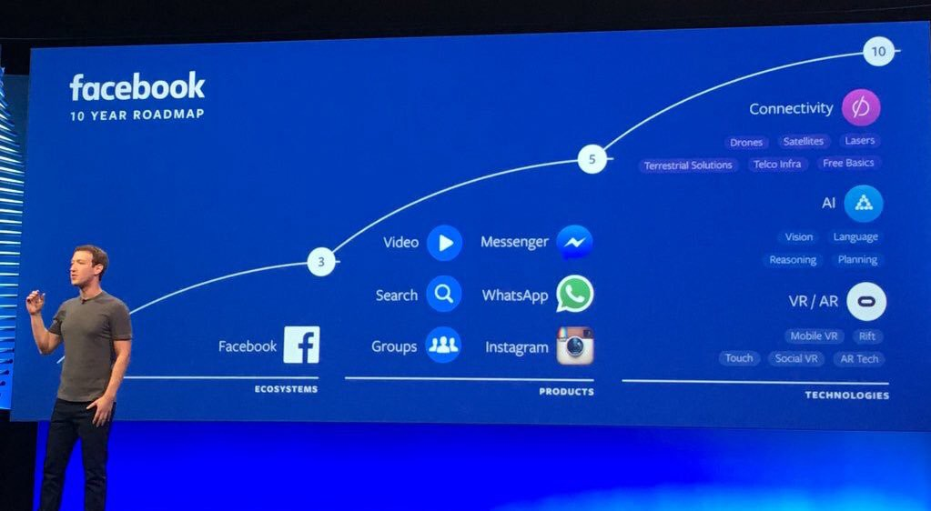
 |  |  |  |  |  | https://marketrealist.com/2019/11/tracing-oculuss-footprint-in-facebooks-earnings-numbers/
Return after CAPEX and R&D | $(3,000,000,000.00) | $(3,138,587,200.00) | $(3,417,853,200.00) | $(3,877,356,150.00) | $(4,706,934,150.00) | $(4,995,576,379.59) | $(5,207,034,858.13) | $(5,178,450,889.65) | $(4,849,094,669.24) | $(4,086,722,486.66) | $(2,980,532,576.09)

1% boost to ad rev | $(3,000,000,000.00) | $(3,138,587,200.00) | $(3,417,853,200.00) | $(3,877,356,150.00) | $(4,706,934,150.00) | $(4,995,576,379.59) | $(4,090,361,301.12) | $(3,764,568,777.90) | $(3,058,900,378.91) | $(1,820,058,547.36) | $(110,584,078.61)
Boost to ad rev based on Oculus users | $(3,000,000,000.00) | $(3,138,587,200.00) | $(3,417,853,200.00) | $(3,877,356,150.00) | $(4,706,934,150.00) | $(4,995,576,379.59) | $(5,206,816,333.24) | $(5,178,173,637.96) | $(4,848,717,334.73) | $(4,086,246,097.24) | $(2,979,957,957.92)

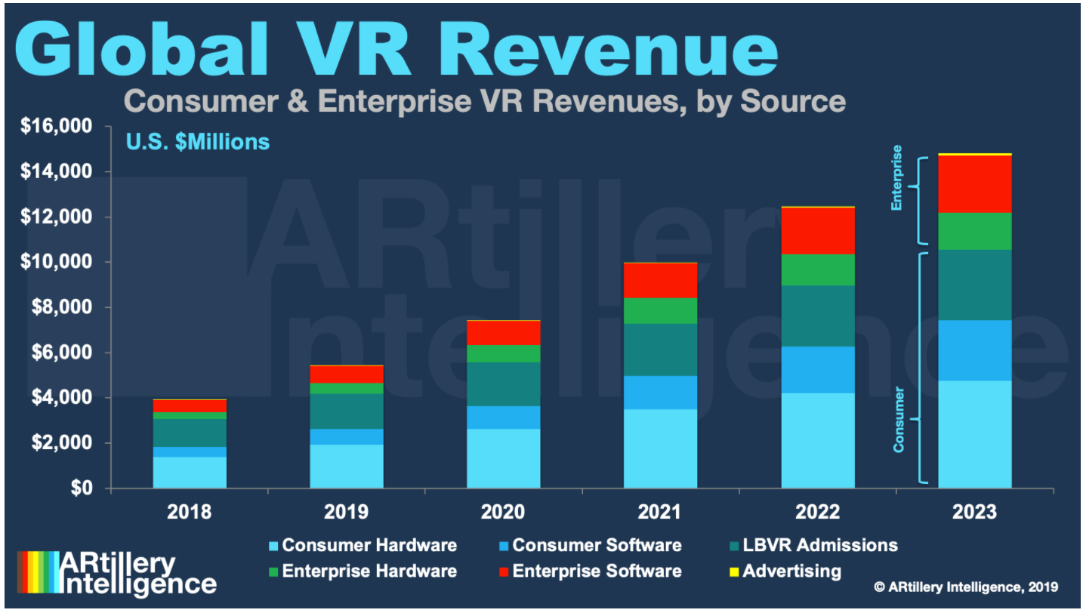
 |  |  |  |  | 4,680,000,000.00
 |  | 2016 | 2017 | 2018 | 2019 | 2020 | 2021 | 2022 | 2023 | 2024 | 2025
Worldwide VR Revenue (all) |  | 1,600,000,000.00 | $3,100,000,000.00 | $3,600,000,000.00 | $4,788,000,000.00 | $5,721,660,000.00 | $7,152,075,000.00 | $8,940,093,750.00 | $11,175,117,187.50 | $13,968,896,484.38 | $17,461,120,605.47
Games | 0.43 | 30% | $930,000,000.00 | $1,080,000,000.00 | $1,436,400,000.00 | $1,716,498,000.00 | $2,145,622,500.00 | $2,682,028,125.00 | $3,352,535,156.25 | $4,190,668,945.31 | $5,238,336,181.64
YoY Change |  |  | 1% | 2% | 4% | 5% | 7% | 8% | 11% | 12% | 13%
PC |  | 23.16% | $718,000,000.00 | $833,806,451.61 | $1,108,962,580.65 | $1,325,210,283.87 | $1,656,512,854.84 | $2,070,641,068.55 | $2,588,301,335.69 | $3,235,376,669.61 | $4,044,220,837.01
Mobile |  | 22.16% | $687,000,000.00 | $797,806,451.61 | $1,061,082,580.65 | $1,267,993,683.87 | $1,584,992,104.84 | $1,981,240,131.05 | $2,476,550,163.81 | $3,095,687,704.76 | $3,869,609,630.95
console |  | 22.00% | $682,000,000.00 | $792,000,000.00 | $1,053,360,000.00 | $1,258,765,200.00 | $1,573,456,500.00 | $1,966,820,625.00 | $2,458,525,781.25 | $3,073,157,226.56 | $3,841,446,533.20
YoY Change |  |  |  | 16.13% | 33.00% | 19.50% | 25.00% | 25.00% | 25.00% | 25.00% | 25.00%
Oculus Share |  |  | 25% | 22% | 33% | 43% | 51% | 65% | 76% | 87% | 90%
Predicted Oculus Hardware |  |  | $171,649,266.86 | $176,282,991.20 | $351,760,117.30 | $541,944,281.52 | $812,312,023.46 | $1,295,637,677.42 | $1,878,674,632.26 | $2,686,504,724.13 | $3,492,456,141.37

Predicted Oculus Software

 |  |  |  |  |  |  | CAGR 2021+
 |  |  |  |  |  |  | 0.25

 |  |  |  |  |  | CAGR | 19.5-27.9- 58.54 CAGR

Wolrdwide Revenue (Console) |  |  | 1,800,000
Worldwide VR units |  |  | 6,300
Samsung |  |  | 4,510
PSVR |  |  | 750
HTC VIVE |  |  | 420 |  |  |  |  |  | Sources
Google |  |  | 260 |  |  |  |  |  | https://www.marketsandmarkets.com/Market-Reports/reality-applications-market-458.html
Oculus Return on Investment
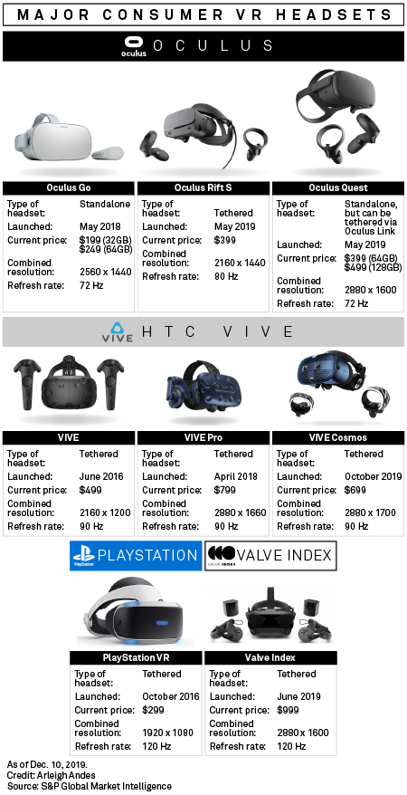
Oculus |  |  | 240 |  | 2,294 |  |  |  | https://www.grandviewresearch.com/industry-analysis/virtual-reality-vr-market#:~:text=The%20global%20virtual%20reality%20market%20size%20was%20estimated%20at%20USD,USD%2015.8%20billion%20in%202020.
 |  |  |  |  |  |  |  |  | https://www.businesswire.com/news/home/20200708005537/en/Global-Virtual-Reality-VR-Market-2019-2025-Expected
 |  |  |  |  |  |  |  |  | https://www.businessinsider.com/facebook-expects-to-ship-26-million-oculus-rifts-by-2017-2016-4
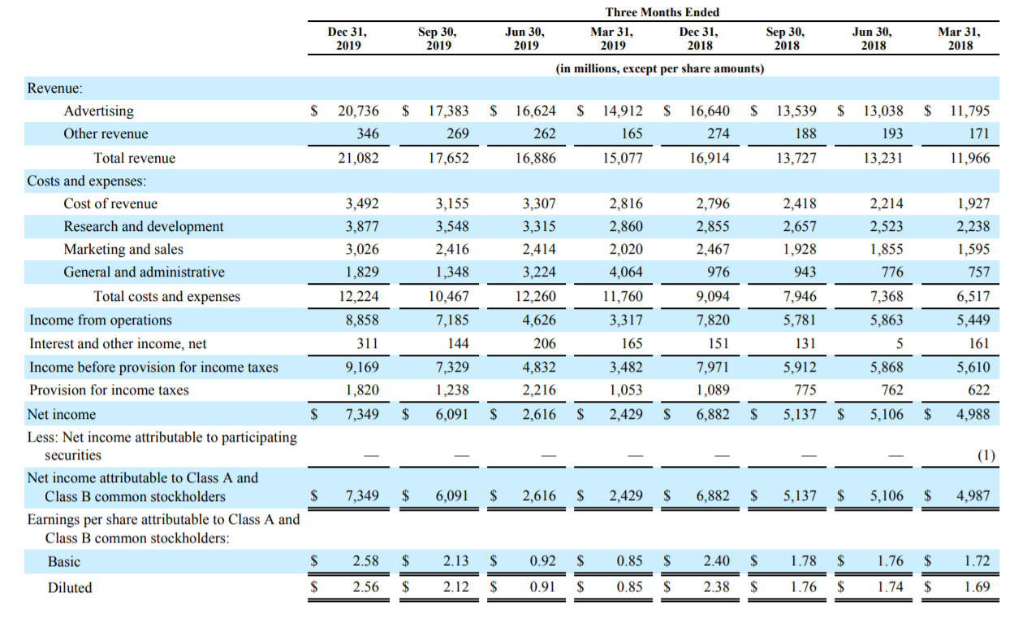
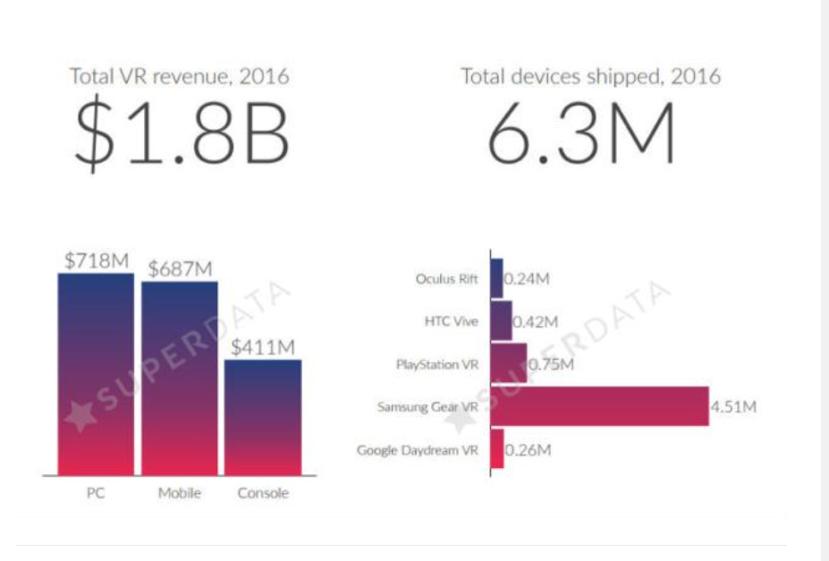
 |  |  |  |  |  |  |  |  | https://www.viar360.com/virtual-reality-market-size-2018/#:~:text=By%20contrast%2C%20the%20standalone%20Oculus,%2C%20PC%2C%20and%20standalone%20headsets. |  |  |  | superdata
 |  |  |  |  |  |  |  |  | https://www.fool.com/investing/2020/05/20/facebooks-vr-content-ecosystem-surpasses-100-milli.aspx
 |  |  |  |  |  |  |  |  | https://www.roadtovr.com/2019-major-inflection-point-vr-heres-proof/
 |  |  |  |  |  |  |  |  | https://www.gamasutra.com/view/news/351136/20_of_the_Oculus_Stores_100_million_lifetime_sales_were_Quest_titles.php
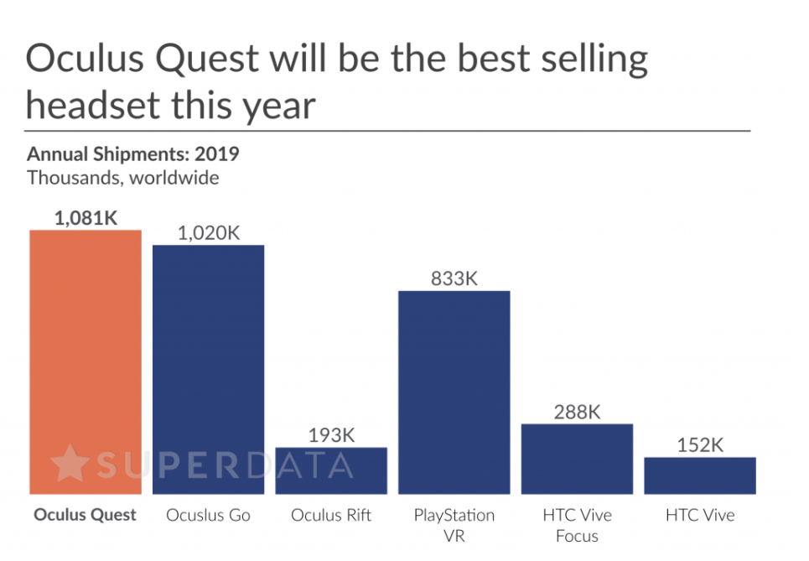
 |  |  |  |  |  |  |  |  | https://arinsider.co/2019/03/25/data-point-of-the-week-positive-signs-for-oculus-go/
 |  |  |  |  |  |  |  |  | https://variety.com/2019/digital/news/vr-headsets-6-hours-a-month-1203211063/
 |  |  |  |  |  |  |  |  | https://techjury.net/blog/virtual-reality-statistics/#gref

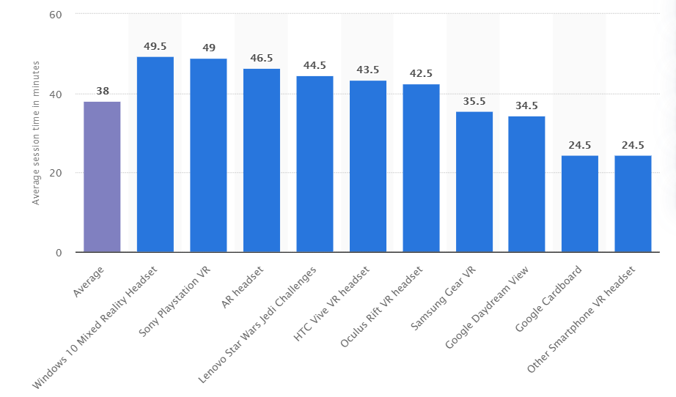

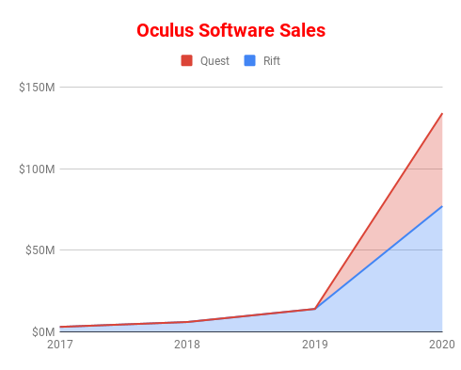

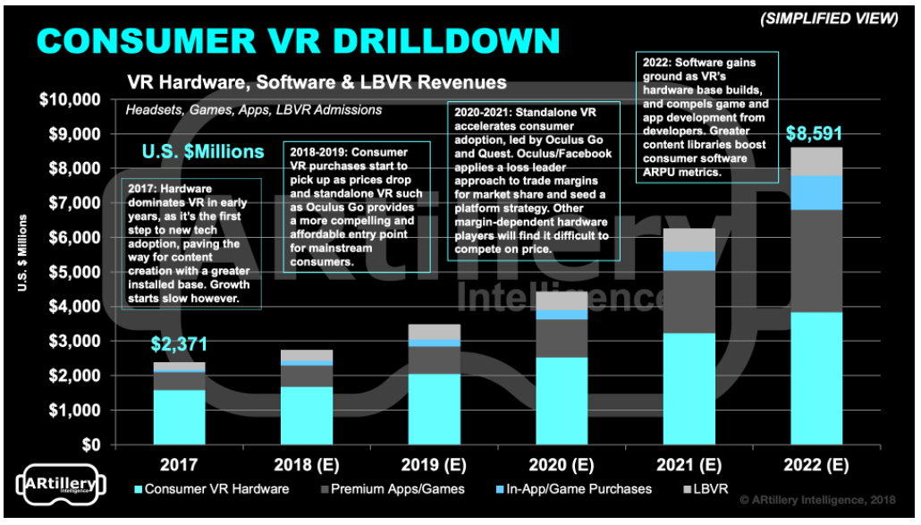

Oculus Return on Investment

