route_C_options
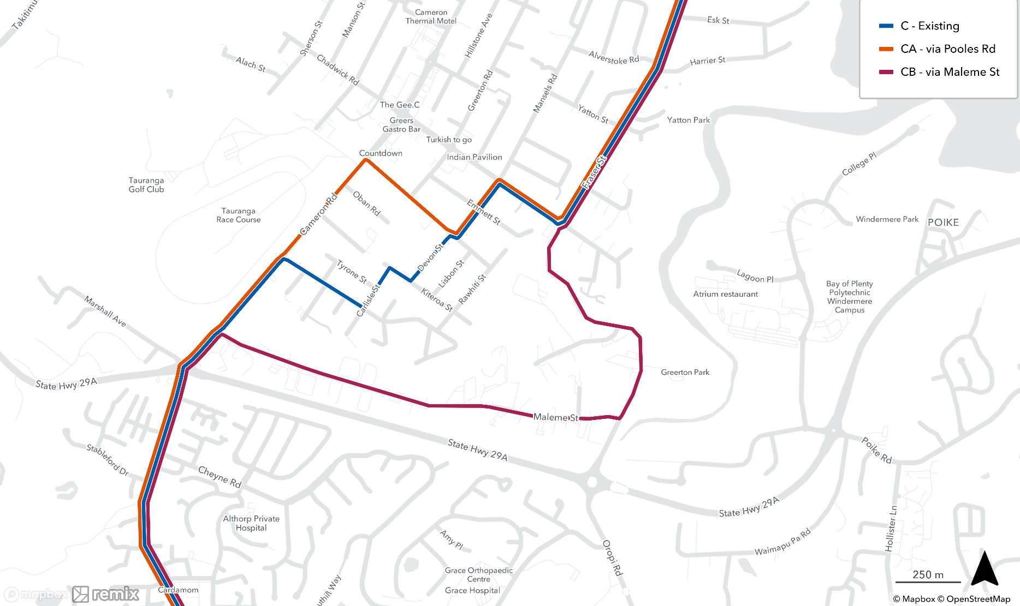
route_no | route_name | length(km) | cost_yr | layhrs_yr | km_yr | dy_pt_demand_twoway | Ios | Integration?
C | Hybrid existing configuration | 27.6 | $7,418,125 | 6,744 | 1,618,364 | 1,003
Ca | via Pooles Rd | 27.6 | $7,418,125 | 6,744 | 1,620,537 | 1,002
Cb | via Maleme St | 28.3 | $7,590,853 | 6,901 | 1,660,972 | 974

