Email Analysis
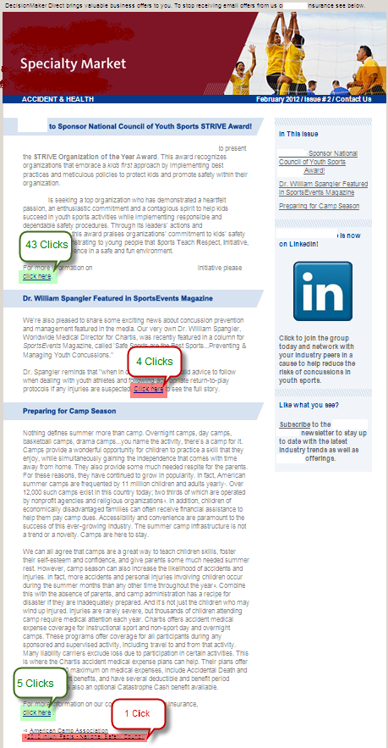
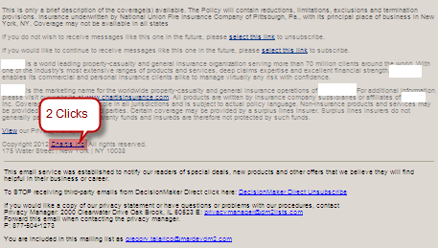
Client ABC

Delivery |  | Opens |  |  | Click Throughs
Total Sends | 9,320 | Total Opens | 1,654 |  | Total Click Throughs | 55
Unique Sends | 9,320 | Unique Opens | 1,327 |  | Unique Click Throughs | 46
Total Delivered | 8,945 | Open Rate | 18.49% |  | Click Through Rate | 0.61%
Delivered | 8,945 |  |  |  | Click To Open Rate | 4.14%
Delivery Rate | 95.98%

Bounces |  | Unsubscribes
Total Bouncebacks | 375 | Total Unsubscribes | 7
Bounceback Rate | 8.84% | Unsubscribe Rate | 0.08%
Total Hard Bouncebacks | 120
Hard Bounceback Rate | 1.29%
Total Soft Bouncebacks | 255
Soft Bounceback Rate | 2.74%

Click Through Link
http://www.abccompany.com/us |  |  |  | 43 | 78.18%
http://www.abccompany.com/cat=med&cmpn=ah2&loc=p1&src=mardevdm2 |  |  |  | 4 | 7.27%
http://abccompany.com/NQcxi_UgDEF2gH2lopF-QnZhUlRqpCABUYAjs/?cat=med&c |  |  |  | 5 | 9.09%
http://www.abccompany.com/resources/ |  |  |  | 2 | 3.64%
http://www.abccompany.com/?cat=home&cmpn=ah2&loc=ft2&src=mardevdm2 |  |  |  | 1 | 1.82%

Page Views
http://www.abccompany.com/295_181560.html |  |  |  | 20
http://abccompany.com/update |  |  |  | 11
http://www.abccompany.com/ |  |  |  | 12
http://www.abccompany.com/thegame |  |  |  | 2
http://www.abccompany.com/resources/top-summer |  |  |  | 1

Heat Map

