Instructions
This spreadsheet is for generating image lists to be used as part of the visualization step for VisColl (https://github.com/leoba/VisColl)

TO CREATE A LIST OF IMAGE URLS
1. Go to Openn and find your manuscript (http://openn.library.upenn.edu/). Scroll down to the images and find the image that represents the first page in your collation model. Usually this will be folio 1r, or page 1.
2. Take note of the number that comes just before "_web.jpg" in the file name. It will be a four-digit number and may have leading zeroes.

Put that number here: (Do not include the leading zeroes) | 6

3. Scroll all the way down to the end of the list of images and take note of the number of the image that represents the last page in your collation model.
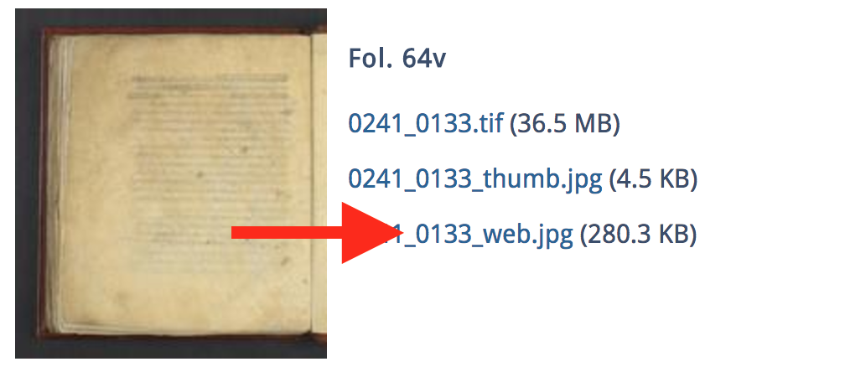
Put that number here (Do not include the leading zeroes): | 133

Click on one of the image thumbnails to open it in your browser. There are three parts of the URL that we want to note here.
1. The number after "Data/", which tells us which collection your manuscript is in.
Put that number here (Do not include the leading zeroes): | 1
2. The code after this number, which is the shelfmark of the manuscript.
Put that code here: | ljs101
3. The first four digits in the file name, which is a numerical code that identifies this manuscript in the OPenn system
Put that number here (Do not include the leading zeroes): | 241

Take a look at the Image URLs tab on this spreadsheet. You'll see a column of URLs to your image files, and an empty colum with the header "Final URLs"
Click on one of the URLs and look in the formula box above. You'll see that the URL is actually a CONCATENATE formula pulling information from hidden columns

Highlight the URLs representing images from the first page of your collation through the last. Copy them. Click into the first cell of Column L (Final URLs) and Paste Special > Values.
You now have all the URLs for your manuscript images.

Now that you have the image list, you need to create a new Image List file for VisColl.

If your manuscript is foliated (has numbers only on the front side of the page), use the Foliated tab. If your manuscript is paginated (has numbers on both side of the pages), use the Paginated page.

1. Create a new, blank spreadsheet.
2. Copy columns A and B from the Foliated or Paginated sheet.
3. Paste Special > Values the columns into the new spreadsheet.
4. Save the new spreadsheet AS Excel XML Spreadsheet (whichever version your Excel supports)

This is the file you will load into the Collation Visualizer along with your Collation Model to visualize your manuscript.

