Active Customers by Country
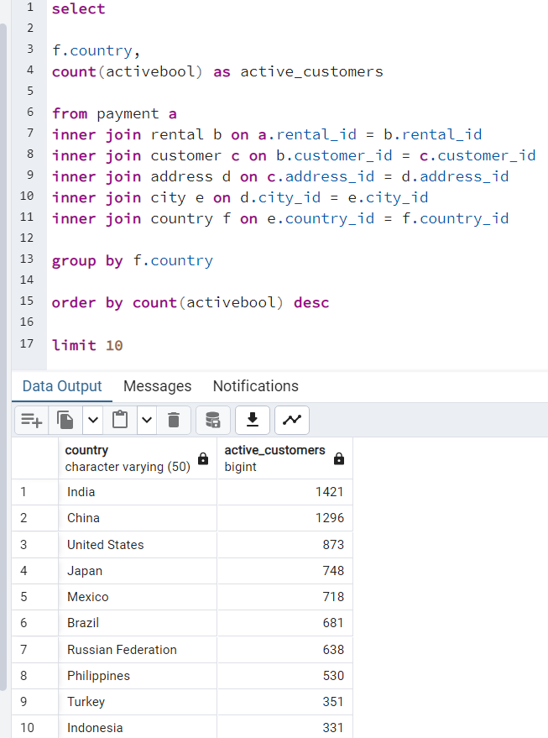
country | active_customers
India | 1421
China | 1296
United States | 873
Japan | 748
Mexico | 718
Brazil | 681
Russian Federation | 638
Philippines | 530
Turkey | 351
Indonesia | 331

Top 5 Customers
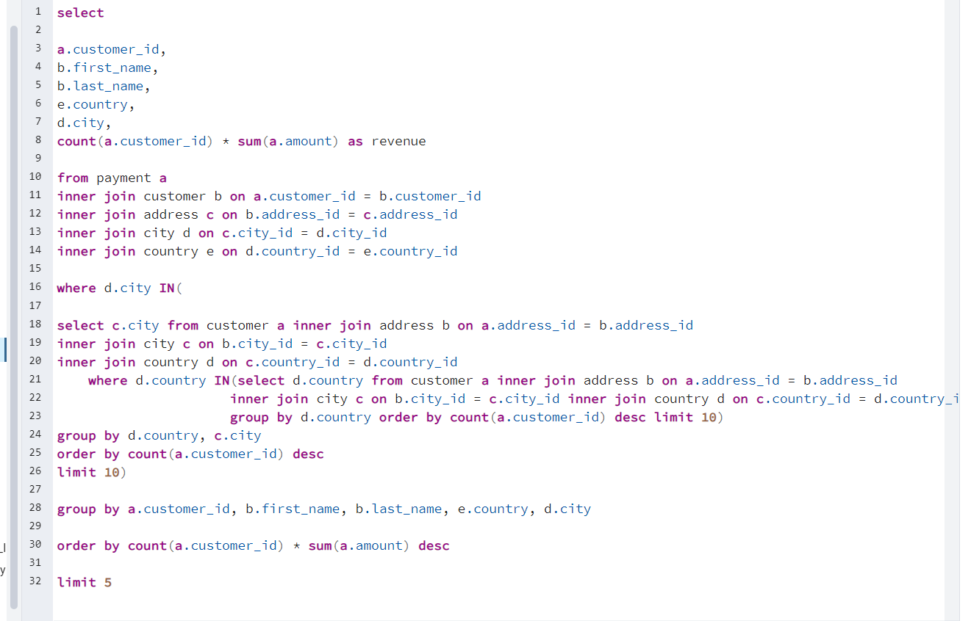
customer_id | first_name | last_name | country | city | revenue
424 | Kyle | Spurlock | China | Shanwei | 3181.59
225 | Arlene | Harvey | India | Ambattur | 2682.24
240 | Marlene | Welch | Japan | Iwaki | 2455.71
537 | Clinton | Buford | United States | Aurora | 2370.24
486 | Glen | Talbert | Mexico | Acua | 2317.71

Top Five Revenue Films
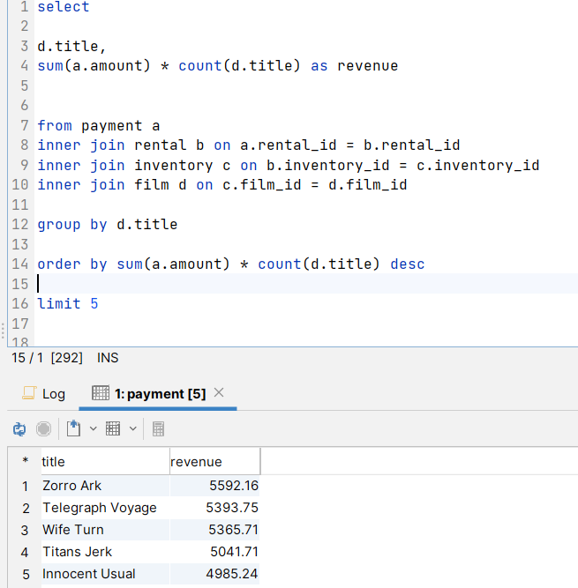
title | revenue
Zorro Ark | 5592.16
Telegraph Voyage | 5393.75
Wife Turn | 5365.71
Titans Jerk | 5041.71
Innocent Usual | 4985.24

film rating frequency
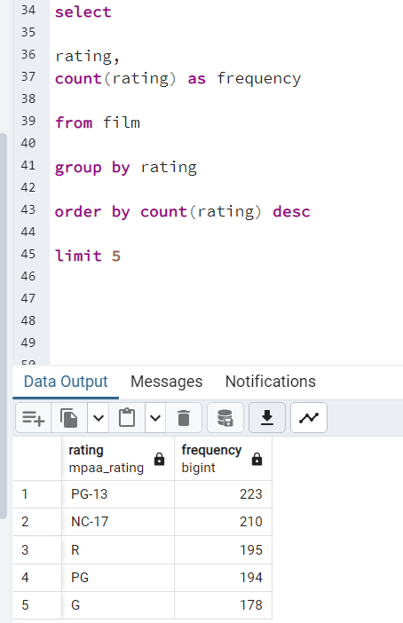
rating | frequency
PG-13 | 223
NC-17 | 210
R | 195
PG | 194
G | 178

film averages
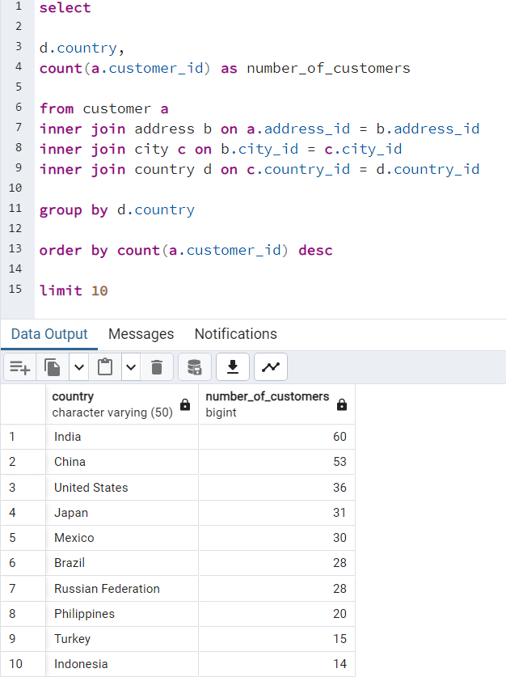
avg_length | max_rental_duration | min_rental_duration | avg_rental_rate
115.27 | 7 | 3 | 2.98

film category frequency
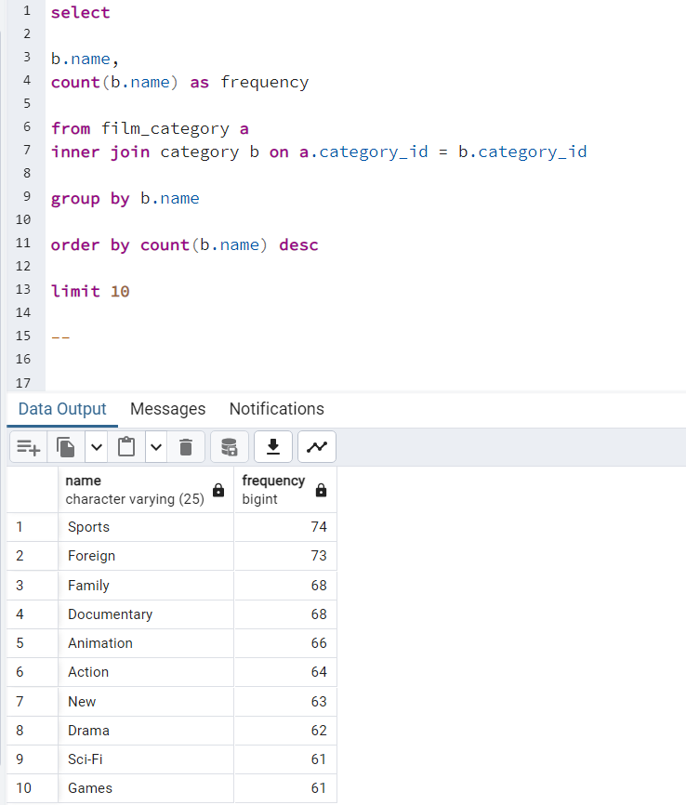
name | frequency
Sports | 74
Foreign | 73
Family | 68
Documentary | 68
Animation | 66
Action | 64
New | 63
Drama | 62
Sci-Fi | 61
Games | 61

film actor frequency
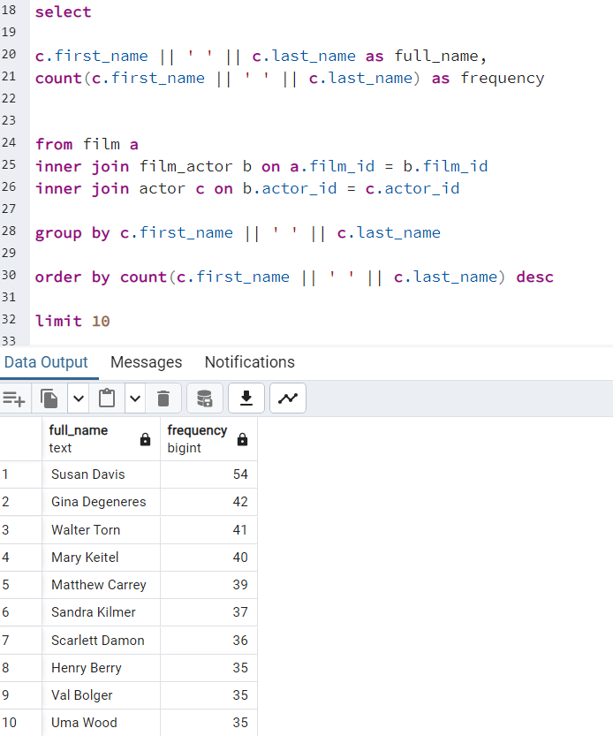
full_name | frequency
Susan Davis | 54
Gina Degeneres | 42
Walter Torn | 41
Mary Keitel | 40
Matthew Carrey | 39
Sandra Kilmer | 37
Scarlett Damon | 36
Henry Berry | 35
Val Bolger | 35
Uma Wood | 35

Top Ten Cities within Countries
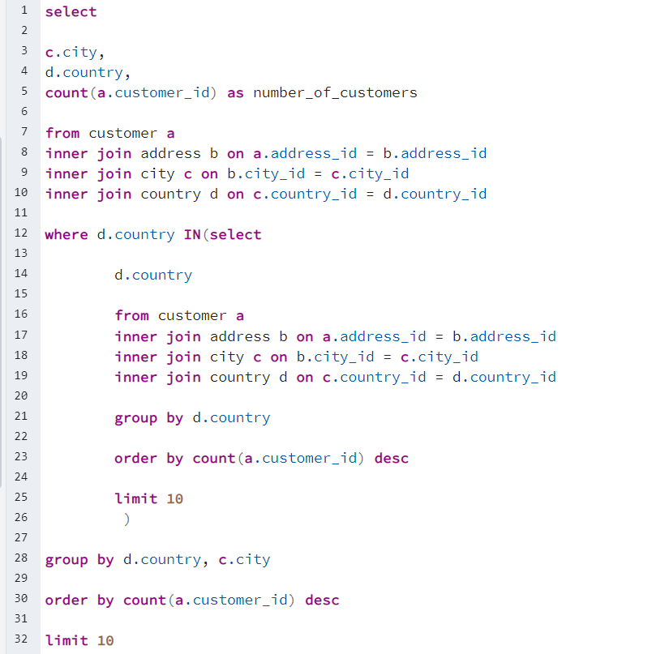
city | country | number_of_customers
Aurora | United States | 2
Acua | Mexico | 1
Citrus Heights | United States | 1
Iwaki | Japan | 1
Ambattur | India | 1
Shanwei | China | 1
So Leopoldo | Brazil | 1
Teboksary | Russian Federation | 1
Tianjin | China | 1
Cianjur | Indonesia | 1

Sales by Country
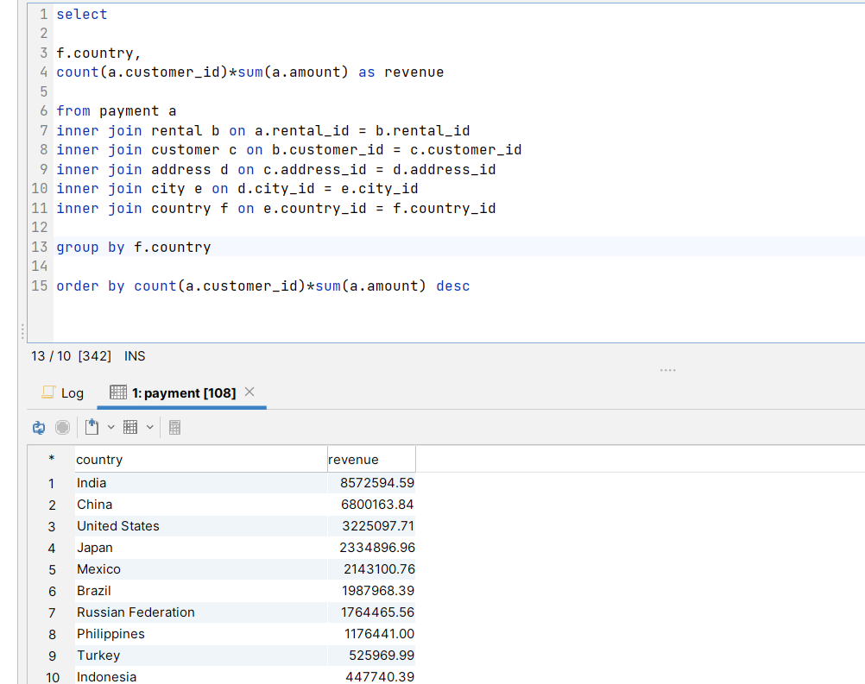
country | revenue
India | 8572594.59
China | 6800163.84
United States | 3225097.71
Japan | 2334896.96
Mexico | 2143100.76
Brazil | 1987968.39
Russian Federation | 1764465.56
Philippines | 1176441
Turkey | 525969.99
Indonesia | 447740.39
Argentina | 415616
Nigeria | 404995.36
Taiwan | 334979
South Africa | 271642.84
Iran | 179103.84
United Kingdom | 172340.91
Poland | 144653.44
Italy | 131067.24
Germany | 130458.24
Vietnam | 104849.75
Egypt | 100240.96
Ukraine | 99302.91
Venezuela | 99291.51
Colombia | 96584.84
Canada | 72761
Netherlands | 70831.71
South Korea | 64915.71
Spain | 61656
Pakistan | 54965.44
Yemen | 50710.51
Saudi Arabia | 48011.64
Peru | 40293.99
Thailand | 36899.36
Israel | 32984.31
Ecuador | 30272.76
France | 29402.56
Algeria | 28632.76
Bangladesh | 28608.39
Malaysia | 25427.71
Tanzania | 25133.16
Mozambique | 23643.75
United Arab Emirates | 22893.75
Dominican Republic | 22515.24
Chile | 20020.44
Austria | 19901
Morocco | 17832.75
Belarus | 17367.04
Paraguay | 16404
Switzerland | 14656.19
Latvia | 14217.51
Romania | 12668.36
Kenya | 12519.99
Yugoslavia | 11907.99
Puerto Rico | 11672.96
Sudan | 9922.99
French Polynesia | 9864.96
Runion | 9519.75
Cameroon | 9510.99
Kazakstan | 9432.99
Greece | 9408.84
Bulgaria | 9336.96
Azerbaijan | 9330.91
Cambodia | 8795.99
Angola | 8439.75
Myanmar | 8437.91
Bolivia | 7856.64
Oman | 7108.64
Congo, The Democratic Republic of the | 7080.36
Holy See (Vatican City State) | 4693.76
Sweden | 4609.11
Moldova | 4340.44
Nauru | 4311
Virgin Islands, U.S. | 3772.39
Czech Republic | 3716.16
Brunei | 3660.44
Zambia | 3651
Chad | 3436.16
Greenland | 3352.16
Turkmenistan | 3295.24
Malawi | 3286.71
Hungary | 3239.59
Anguilla | 3189.76
North Korea | 3123.59
Gambia | 3097.71
Iraq | 3016.71
Armenia | 2968.75
Estonia | 2960.16
Sri Lanka | 2800.71
Kuwait | 2668.75
Bahrain | 2610.24
Liechtenstein | 2593.24
Hong Kong | 2514.24
Faroe Islands | 2322.24
Senegal | 2298.24
Ethiopia | 2110.71
Tuvalu | 2063.16
New Zealand | 1972.71
French Guiana | 1956
Madagascar | 1948.59
Slovakia | 1857.71
Finland | 1654.59
Tunisia | 1623.16
Nepal | 1595.11
Lithuania | 1403.16
Afghanistan | 1220.76
Saint Vincent and the Grenadines | 1166.76
Tonga | 1037.44
American Samoa | 717.75

