A4
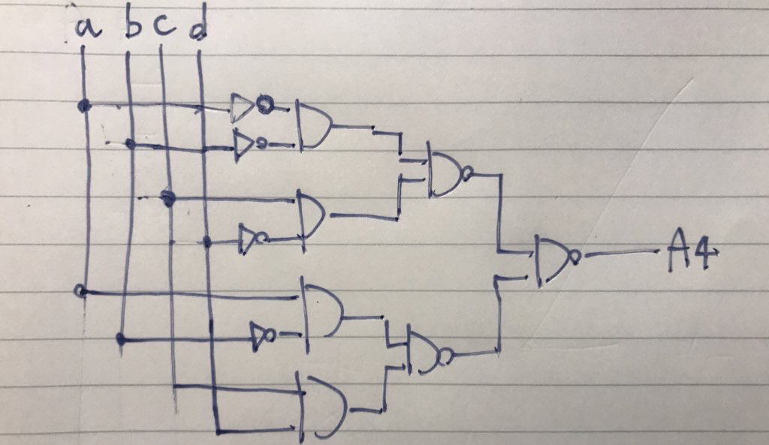
in | 2^4 | a | 0 | 0 | 0 | 0 | 0 | 0 | 0 | 0 | 1 | 1 | 1 | 1 | 1 | 1 | 1 | 1
 | 2^2 | b | 0 | 0 | 0 | 0 | 1 | 1 | 1 | 1 | 0 | 0 | 0 | 0 | 1 | 1 | 1 | 1
 | 2^1 | c | 0 | 0 | 1 | 1 | 0 | 0 | 1 | 1 | 0 | 0 | 1 | 1 | 0 | 0 | 1 | 1
 | 2^0 | d | 0 | 1 | 0 | 1 | 0 | 1 | 0 | 1 | 0 | 1 | 0 | 1 | 0 | 1 | 0 | 1
out | A4 | out | 0 | 0 | 1 | 0 | 0 | 0 | 0 | 0 | 0 | 0 | 0 | 1 | 0 | 0 | 0 | 0

D5
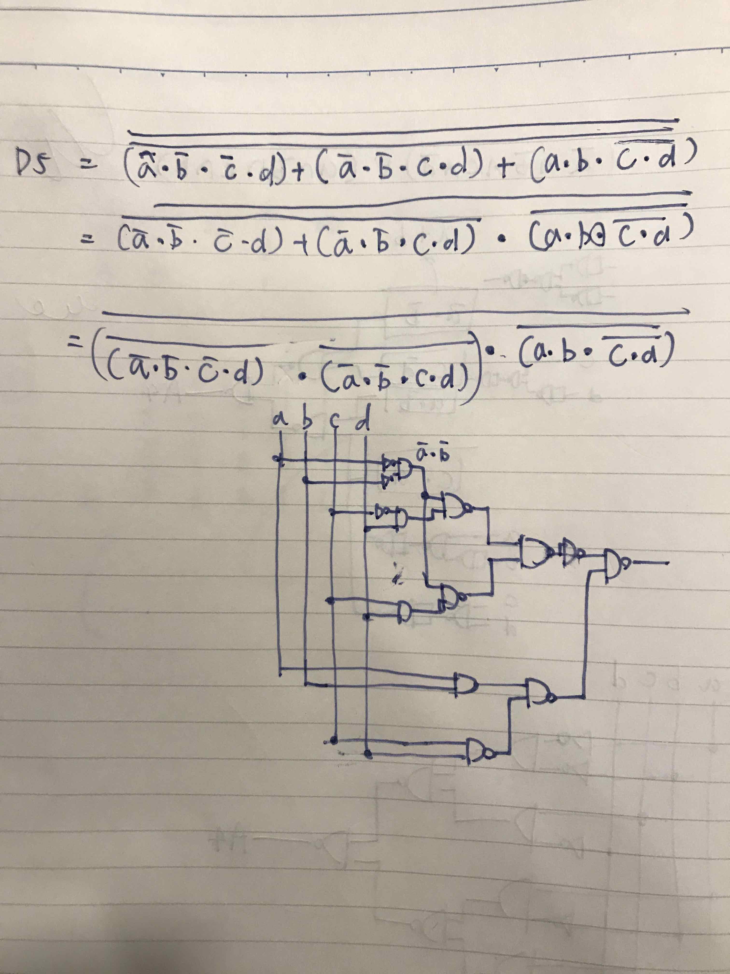
in | 2^4 | a | 0 | 0 | 0 | 0 | 0 | 0 | 0 | 0 | 1 | 1 | 1 | 1 | 1 | 1 | 1 | 1
 | 2^2 | b | 0 | 0 | 0 | 0 | 1 | 1 | 1 | 1 | 0 | 0 | 0 | 0 | 1 | 1 | 1 | 1
 | 2^1 | c | 0 | 0 | 1 | 1 | 0 | 0 | 1 | 1 | 0 | 0 | 1 | 1 | 0 | 0 | 1 | 1
 | 2^0 | d | 0 | 1 | 0 | 1 | 0 | 1 | 0 | 1 | 0 | 1 | 0 | 1 | 0 | 1 | 0 | 1
out | D5 | out | 0 | 1 | 0 | 1 | 0 | 0 | 0 | 0 | 0 | 0 | 0 | 0 | 1 | 1 | 1 | 0

E5
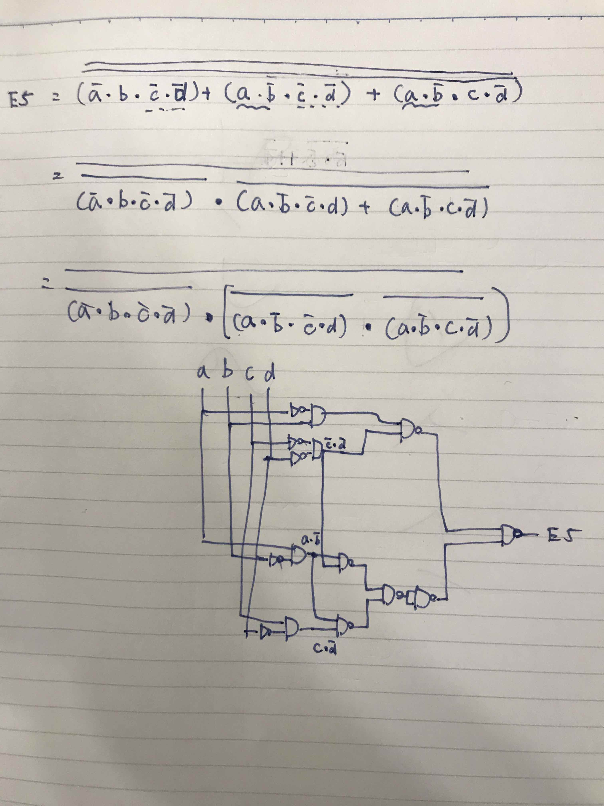
in | 2^4 | a | 0 | 0 | 0 | 0 | 0 | 0 | 0 | 0 | 1 | 1 | 1 | 1 | 1 | 1 | 1 | 1
 | 2^2 | b | 0 | 0 | 0 | 0 | 1 | 1 | 1 | 1 | 0 | 0 | 0 | 0 | 1 | 1 | 1 | 1
 | 2^1 | c | 0 | 0 | 1 | 1 | 0 | 0 | 1 | 1 | 0 | 0 | 1 | 1 | 0 | 0 | 1 | 1
 | 2^0 | d | 0 | 1 | 0 | 1 | 0 | 1 | 0 | 1 | 0 | 1 | 0 | 1 | 0 | 1 | 0 | 1
out | E5 | out | 0 | 0 | 0 | 0 | 1 | 0 | 0 | 0 | 1 | 0 | 1 | 0 | 0 | 0 | 0 | 0

