run-all-cells
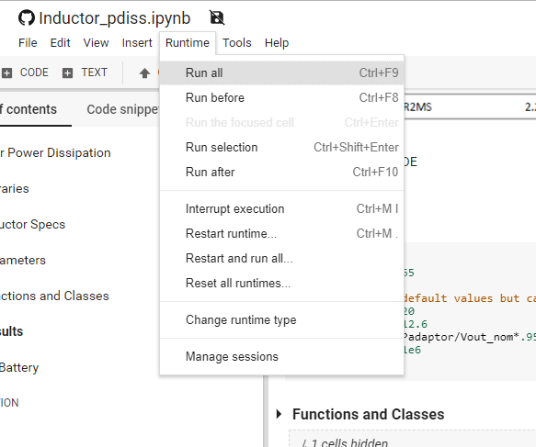

expand section
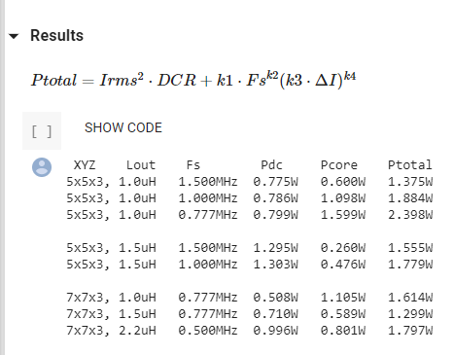

show code
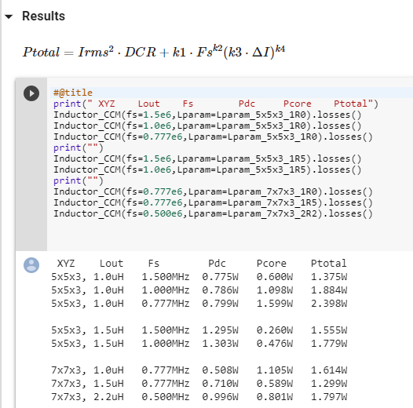

click on "SHOW CODE"

hide code
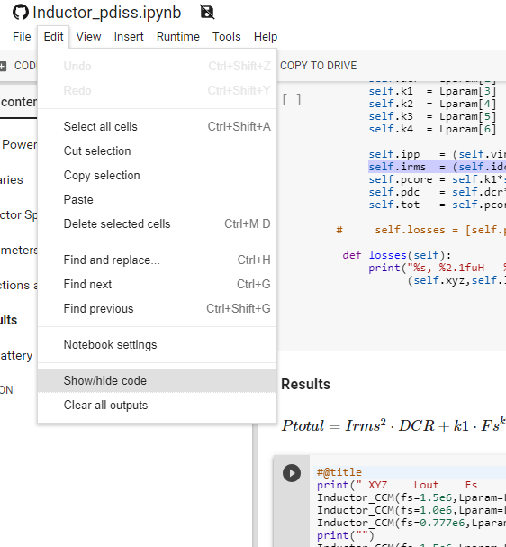

place cursor here then select "Show/hide code"

modify parameters
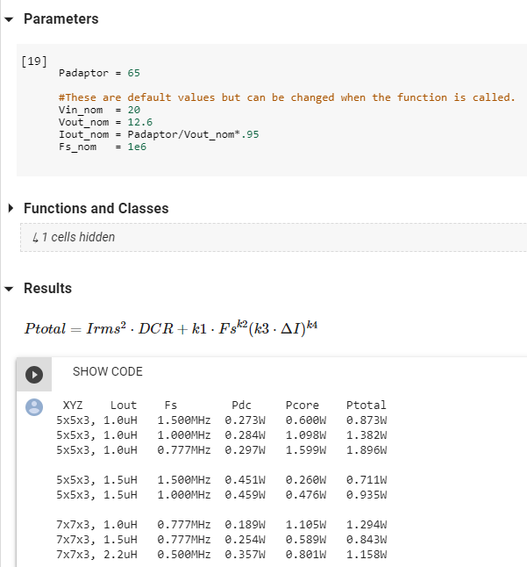

modify parameter then press cntrl+F9 to "run all" cells

