Spec Entry Example
 | INTEL CONFIDENTIAL
H Line
HVM Validation
 | Color codes: | This color for user input as per PDG requirement
7 |  | This color for user input as per design parameter
 |  | This color is calculated value

 | Details
phases | Description | Details
1 | Voltage rail being tested | VNNAON
2 | Platform under test | MTL-P
 | VID/Voltage level being tested | 0.77
3 | Vendor | xyz
4 | Voltage regulator part number | ABC1234
 | Stepping | A0

 | VR Design Dependent Test Parameters | Variables | Values | Units
 | Voltage, Nominal | Voltage (Nominal) | 0.76 | V
 | Voltage Tolerance for DC | DC Tolerance | 10.6 | mV

 | Spec Entry from Design Guide
 | Voltage Rail Parameters from Table in Design Guide | Variables | Values | Units
 | Voltage, Max | Voltage (Max) | 0.82 | V | These values are available in the Platform Design Guide. Refer to the Power Delivery chapter for voltage and current requirements
 | Voltage, Min | Voltage (Min) | 0.72 | V
 | Thermal Design Current | TDC | 11 | A
 | Max current that needs to be supported by the voltage regulator for 10ms | Iccmax | 21 | A
 | Transient measurement current step (percentage of Iccmax) | di | 50 | %
 | Transient measurement current step time | dt | 1000 | ns
 | Max Overshoot Allowance from IccMAX | V_OVS_MAX | 0.00 | mV
 | Max Overshoot Time from IccMAX | T_OVS_MAX | 0.00 | μs
 | Duty cycle of Icc transient from 0 to 50% | Duty cycle_low | 50 | % | It is needed for thermal
 | Duty cycle of Icc transient from 50% to 100% | Duty cycle_high | 50 | %

 | Calculated parameters | Variables | Values | Units
 | Voltage Tolerance (AC+DC+Ripple to 1MHz), Positive | V_TOB (Positive) | 60 | mV
 | Voltage Tolerence (AC+DC+Ripple to 1MHz), Negative | V_TOB (Negative) | 40 | mV
 | AC+Ripple to 1MHz (Positive) | AC+Ripple to 1MHz (Positive) | 49.40 | mV
 | AC+Ripple to 1MHz (Negative) | AC+Ripple to 1MHz (Negative) | 29.40 | mV

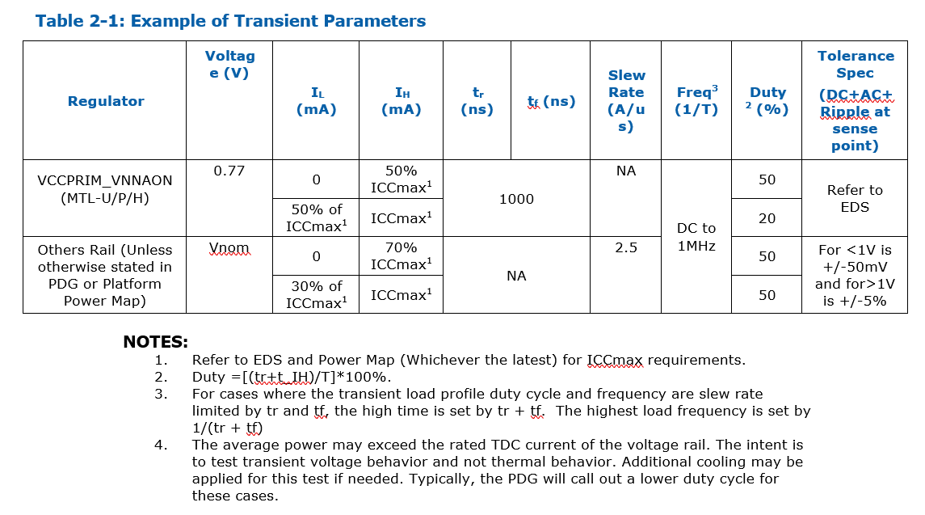
 | Design Information
 | Input Voltage | Vin / VBATA | 12 | V |  | Example of Transient Parameter
 | Switching Frequency | Fsw | 1.2 | MHz
 | Inductance | Lout | 0.22 | µH
 | Output Capacitance (on validation board) | Cout | 22 | uF
 | VR continuous output current | VR design output current | 20 | A

DC Setpoint Tolerance Estimator
INTEL CONFIDENTIAL

DC Setpoint Tolerance Estimator
$$VOUT=VREF\left(1+\frac{R1}{R2}\right)$$

 | Nominal Value | % | |Max Deviation|
VREF (V) | 0.6 | 1 | 0.006
R1 (Ω) | 5620 | 1 | 56.200
R2 (Ω) | 20000 | 1 | 200.000
VOUT (V) | 0.7686 | 1.05 | 0.008

Disclaimer: Please check with supplier on tolerance value.

Transient
INTEL CONFIDENTIAL

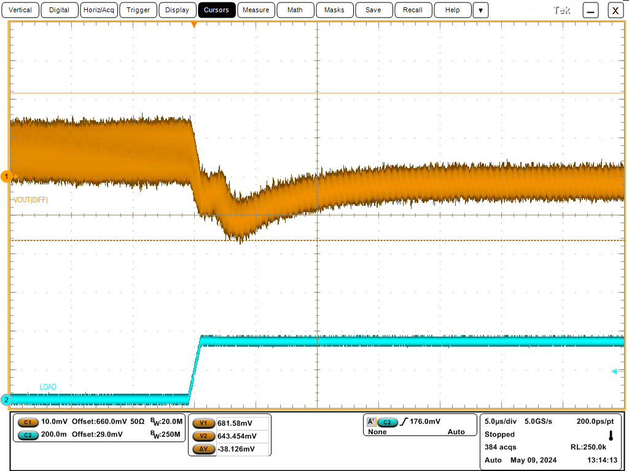
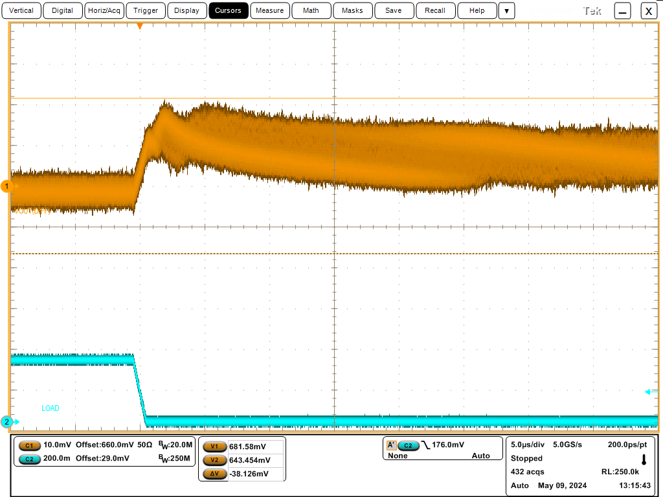
Y/N
Yes
No | Transient Current Load Step (Step1) |  |  |  |  |  |  |  |  |  |  |  |  | Insert scope capture of transient response at 300Hz here (Scope Capture1) |  | Insert scope capture of worst case transient response frequency with infinite persistance (Scope Capture2) |  |  | Insert scope capture of voltage droop during worst case transient response (No persistance) (Scope Capture3) |  | Insert scope capture of voltage overshoot during worst case transient response (No persistance) (Scope Capture4)
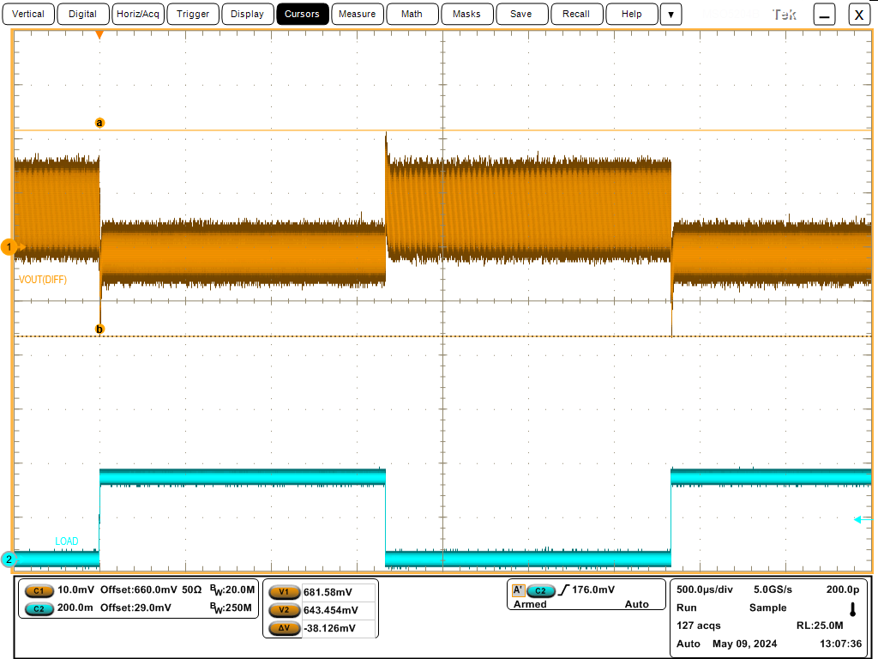
 | Voltage |  | Current step low |  | Current step high
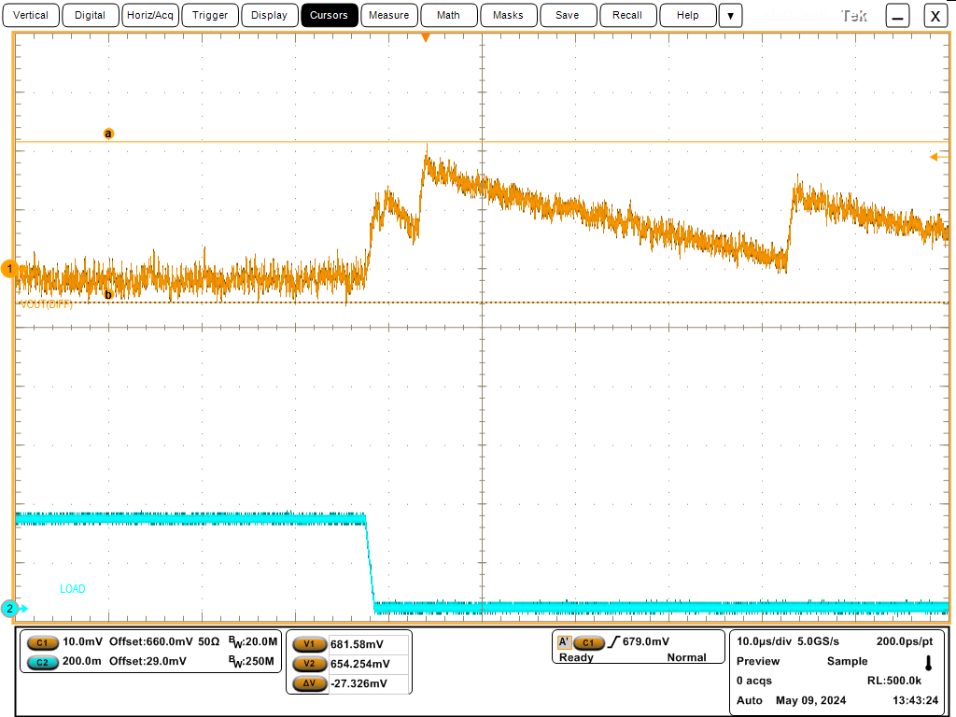
 | 0.66000 V
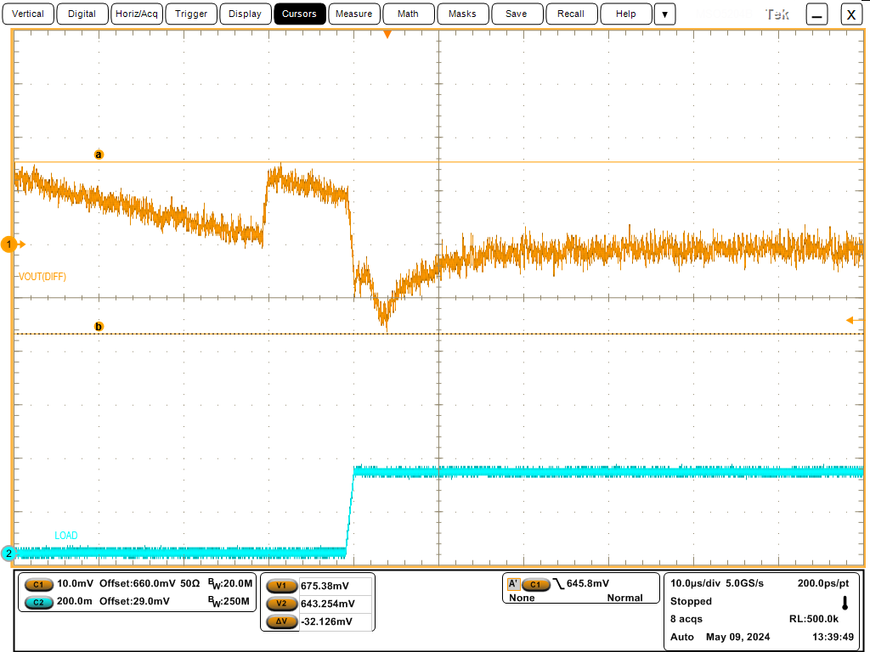
 | Rise Time |  | IccMin |  | IccMax
 | 1000 ns |  | 0.050 A |  | 1.782 A
 | Duty Cycle
 | 50%
 | Frequency |  |  |  | Vnom at 0A | 0.6587V
 | Sweep to 1MHz |  |  |  |  | 0.6665 | Vnominal measured with FCCM disabled, at 50mA load
 |  |  |  |  |  | 0.6587V | Vnominal measured with FCCM enabled, zero load

 |  |  | Freq (kHz) | Vmin | Vmax | Duration of Overshoot (tOvs) above TBDV (Zero if not applicable) | Vdroop (Vnom-Vmin) | Vovs (Vmax-Vnom) | Vmin spec margin (Spec - Result) | Vmax spec margin (Spec - Result) | Vmax spec margin from max overshoot allowance TBDV (Spec - Result) | Overshoot duration margin from TBDus (Spec - Result) | Note
 |  |  | 0.3 | 0.6435 V | 0.6816 V | 0 us | 15.2000mV | 22.9000mV | 12 mV | 4 mV | #VALUE! | #VALUE! | Required
 |  |  | 1 | 0.6437 V | 0.6806 V | 0 us | 15.0000mV | 21.9000mV | 12 mV | 5 mV | #VALUE! | #VALUE! | User Defined
 |  |  | 10 | 0.6429 V | 0.6814 V | 0 us | 15.8000mV | 22.7000mV | 12 mV | 5 mV | #VALUE! | #VALUE! | User Defined
 |  |  | 50 | 0.6439 V | 0.6806 V | 0 us | 14.8000mV | 21.9000mV | 13 mV | 5 mV | #VALUE! | #VALUE! | User Defined
 |  |  | 100 | 0.6459 V | 0.677 V | 0 us | 12.8000mV | 18.3000mV | 15 mV | 9 mV | #VALUE! | #VALUE! | User Defined
 |  |  | 150 | 0.6485 V | 0.676 V | 0 us | 10.2000mV | 17.3000mV | 17 mV | 10 mV | #VALUE! | #VALUE! | User Defined
 |  |  | 10khz (Undershoot; Vmin); 300 hz (Overshoot; Vmax) |  |  | 0 us | 658.7000mV | -658.7000mV | 0 mV | 0 mV | 0 mV | #VALUE! | Worst case frequency and results. Can refer to FDIM

 |  |  |  |  |  |  |  |  |  |  |  |  |  |  |  |  | No response droop or overshoot extremes observed. 300Hz is as bad as any other.
 | Instructions: | 1. Use scope to measure Vmean at 0A and set the offset voltage at the Vmean value. For better resolution of waveform captured, the loading waveform must not >2 cycle. 2. Start transient measurement with current load at 300Hz. Attach scope capture at Scope Capture1. 3. Next, sweep the frequencies until worst case scenario is hit. Attach scope capture of worst case result. 4. Use infinite persistence to check worst case result with samples of at least N=10000. 5. The passing criteria below will be filled out automatically. Using the drop down settings will override the automated results.

 | Is Vmin margin positive (meets spec)? |  |  |  |  |  |  |  |  |  |  |  | Yes | Does the 300Hz waveform above demonstrate that the VR has a controlled and stable response to transient load events? |  | Does the worst case transient response waveform above demonstrate that the VR has a controlled and stable response to transient load events? |  |  | Does the Vdroop waveform above demonstrate that the VR has a controlled and stable response to transient load releases? |  | Does the Overshoot waveform above demonstrate that the VR has a controlled and stable response to transient load releases?
 | Is Vmax margin positive (meets spec)? |  |  |  |  |  |  |  |  |  |  |  | Yes |  | Yes |  |  | Yes |  | Yes |  | Yes
 | If Vmax margin is negative, are all overshoot events <TBDus and below TBDV? |  |  |  |  |  |  |  |  |  |  |  | N/A
 | Does the overall transient test meet requirements? |  |  |  |  |  |  |  |  |  |  |  | Yes

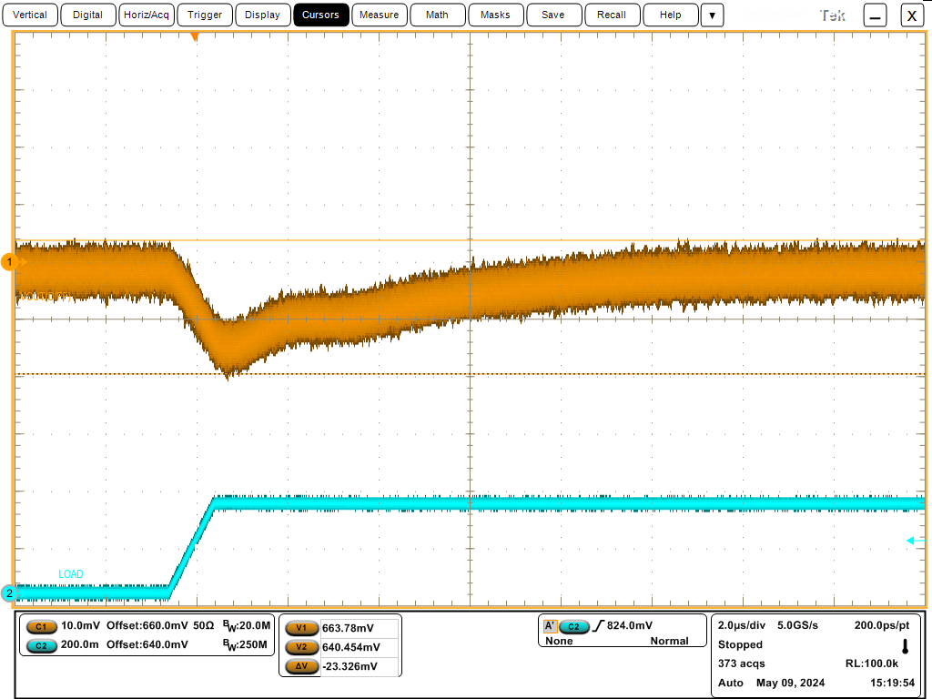
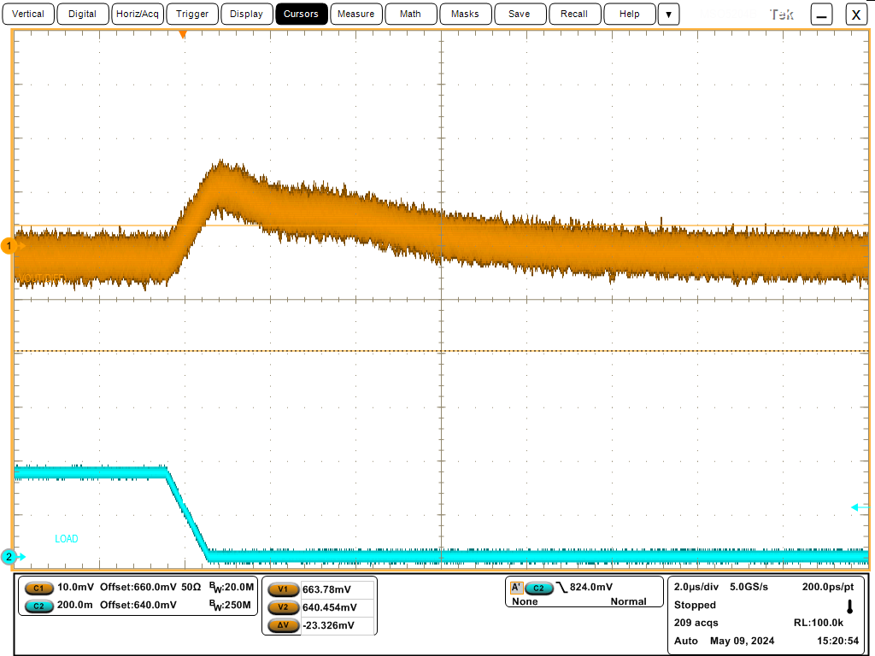
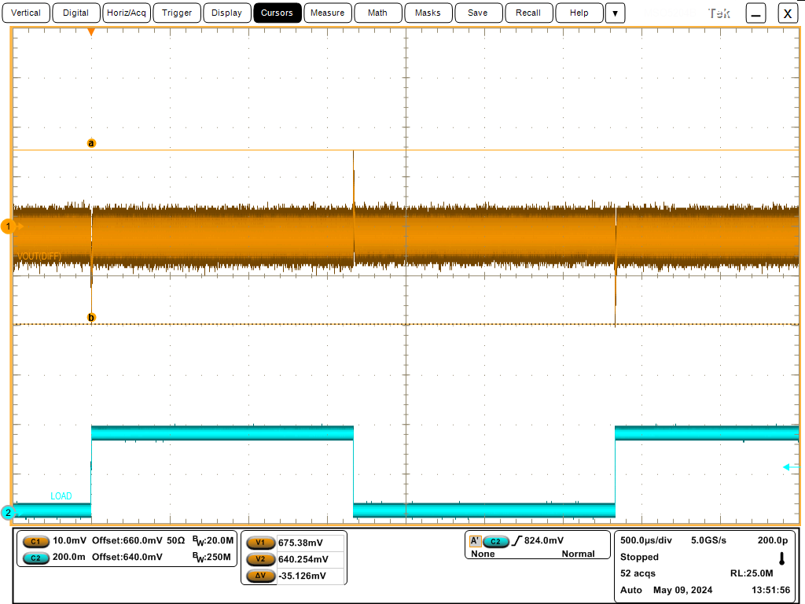
Y/N
Yes
No | Transient Current Load Step (Step2) |  |  |  |  |  |  |  |  |  |  |  |  | Insert scope capture of transient response at 300Hz here (Scope Capture1) |  | Insert scope capture of worst case transient response frequency with infinite persistance (Scope Capture2) |  |  | Insert scope capture of voltage droop during worst case transient response (No persistance) (Scope Capture3) |  | Insert scope capture of voltage overshoot during worst case transient response (No persistance) (Scope Capture4)
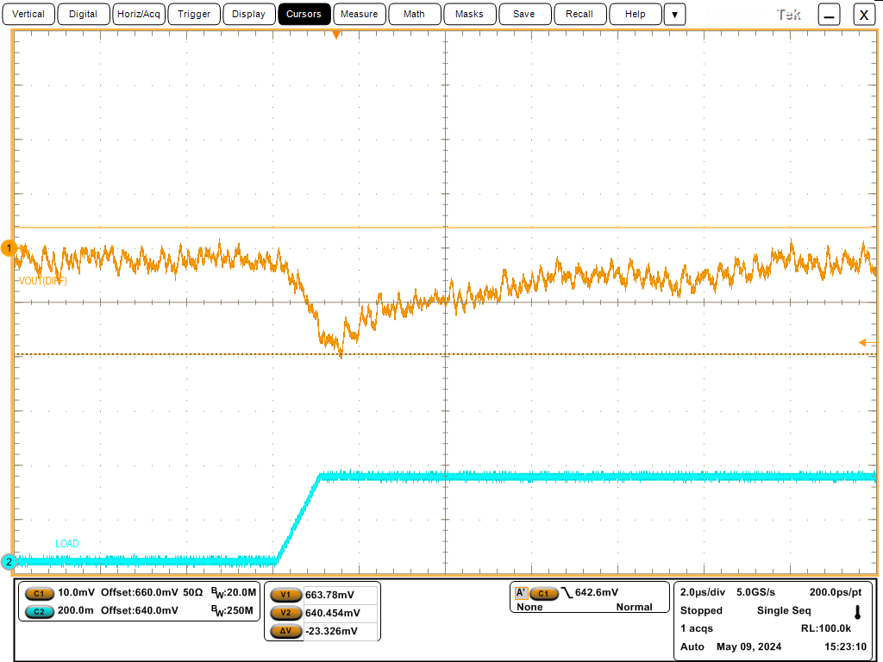
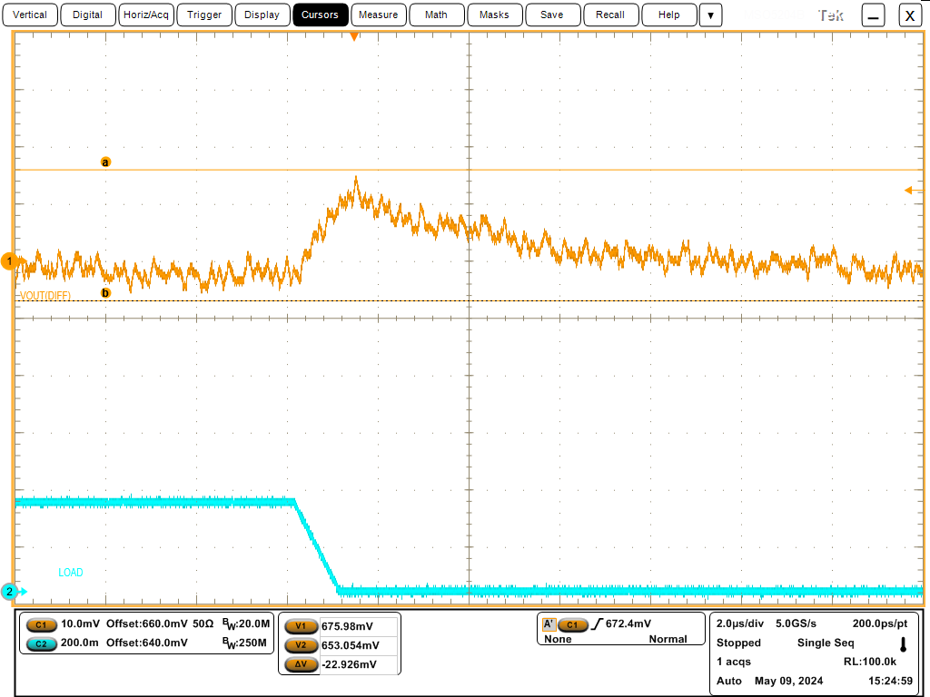
 | Voltage |  | Current step low |  | Current step high
 | 0.66000 V
 | Rise Time |  | IccMin |  | IccMax
 | 1000 ns |  | 3.618 A |  | 5.400 A
 | Duty Cycle
 | 50%
 | Frequency |  |  |  | Vnom at 0A | 0.6587V
 | Sweep to 1MHz |  |  |  |  | 0.6665 | Vnominal measured with FCCM disabled, at 50mA load
 |  |  |  |  |  | 0.6587V | Vnominal measured with FCCM enabled, zero load

 |  |  | Freq (kHz) | Vmin | Vmax | Duration of Overshoot (tOvs) above TBDV (Zero if not applicable) | Vdroop (Vnom-Vmin) | Vovs (Vmax-Vnom) | Vmin spec margin (Spec - Result) | Vmax spec margin (Spec - Result) | Vmax spec margin from max overshoot allowance TBDV (Spec - Result) | Overshoot duration margin from TBDus (Spec - Result) | Note
 |  |  | 0.3 | 0.6403 V | 0.6754 V | 0 us | 18.4000mV | 16.7000mV | 9.0 mV | 11.0 mV | #VALUE! | #VALUE! | Required
 |  |  | 1 | 0.6403 V | 0.6754 V | 0 us | 18.4000mV | 16.7000mV | 9 mV | 11 mV | #VALUE! | #VALUE! | User Defined
 |  |  | 10 | 0.6381 V | 0.6762 V | 0 us | 20.6000mV | 17.5000mV | 7 mV | 10 mV | #VALUE! | #VALUE! | User Defined
 |  |  | 50 | 0.6409 V | 0.6762 V | 0 us | 17.8000mV | 17.5000mV | 10 mV | 10 mV | #VALUE! | #VALUE! | User Defined
 |  |  | 100 | 0.6427 V | 0.6738 V | 0 us | 16.0000mV | 15.1000mV | 11 mV | 12 mV | #VALUE! | #VALUE! | User Defined
 |  |  | 150 | 0.6441 V | 0.6722 V | 0 us | 14.6000mV | 13.5000mV | 13 mV | 14 mV | #VALUE! | #VALUE! | User Defined
 |  |  | 70 KHZ (undershoot, Vmin); 60 khz (Overshoot, Vmax) | 0.6322 V | 0.6849 V | 0 us | 26.5130mV | 26.1720mV | 1 mV | 1 mV | #VALUE! | #VALUE! | Worst case frequency and results. Can refer to FDIM
 |  | 1. Use scope to measure Vmean at 0A and set the offset voltage at the Vmean value. For better resolution of waveform captured, the loading waveform must not >2 cycle. 2. Start transient measurement with current load at 300Hz. Attach scope capture at Scope Capture1. 3. Next, sweep the frequencies until worst case scenario is hit. Attach scope capture of worst case result. 4. Use infinite persistence to check worst case result with samples of at least N=10000. 5. The passing criteria below will be filled out automatically. Using the drop down settings will override the automated results. |  |  |  |  |  |  |  |  |  |  |  |  |  |  | No response droop or overshoot extremes observed. 300Hz is as bad as any other.
 | Instructions:

 | Is Vmin margin positive (meets spec)? |  |  |  |  |  |  |  |  |  |  |  | Yes | Does the waveform above demonstrate that the VR has a controlled and stable response to transient load events? |  | Does the DroopV waveform above demonstrate that the VR has a controlled and stable response to transient load events? |  |  | Does the Voltage Droop waveform above demonstrate that the VR has a controlled and stable response to transient load releases? |  | Does the Overshoot waveform above demonstrate that the VR has a controlled and stable response to transient load releases?
 | Is Vmax margin positive (meets spec)? |  |  |  |  |  |  |  |  |  |  |  | Yes |  | Yes |  |  | Yes |  | Yes |  | Yes
 | If Vmax margin is negative, are all overshoot events <TBDus and below TBDV? |  |  |  |  |  |  |  |  |  |  |  | N/A
 | Does the overall transient test meet requirements? |  |  |  |  |  |  |  |  |  |  |  | Yes

 | Overcurrent Protection Test
 | Nominal voltage |  | Starting Current | Ending Current
 | 0.66000 V |  | 3.62 A
 | Rise Time
 | 1000 ns |  |  |  | Did NOT trip even at 8A.
 | Duty Cycle
 | 5000%
 | Frequency
 | 300Hz

 | Does VR shut down at a level consistent with the Overcurrent design? |  |  |  |  |  |  |  |  | Y/N

Soft Start & Soft Stop
INTEL CONFIDENTIAL

 |  | Is VCC = VIN? | Yes

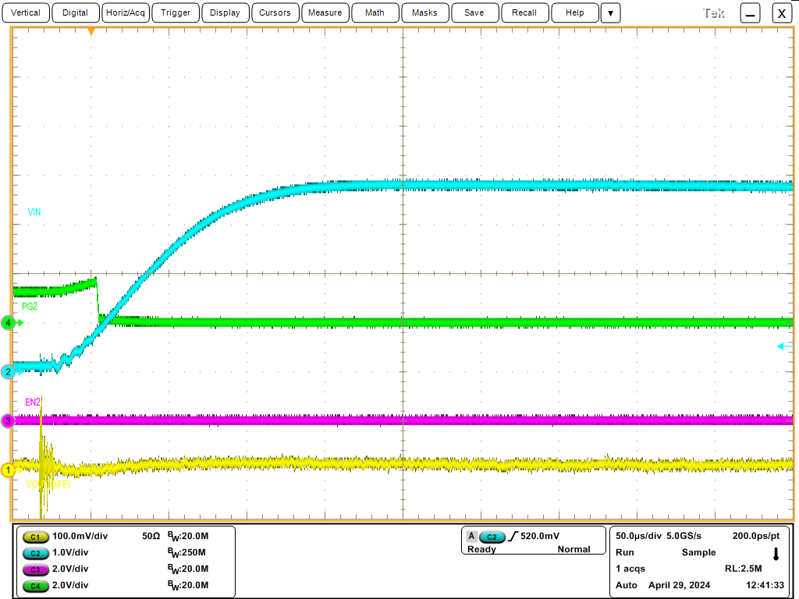
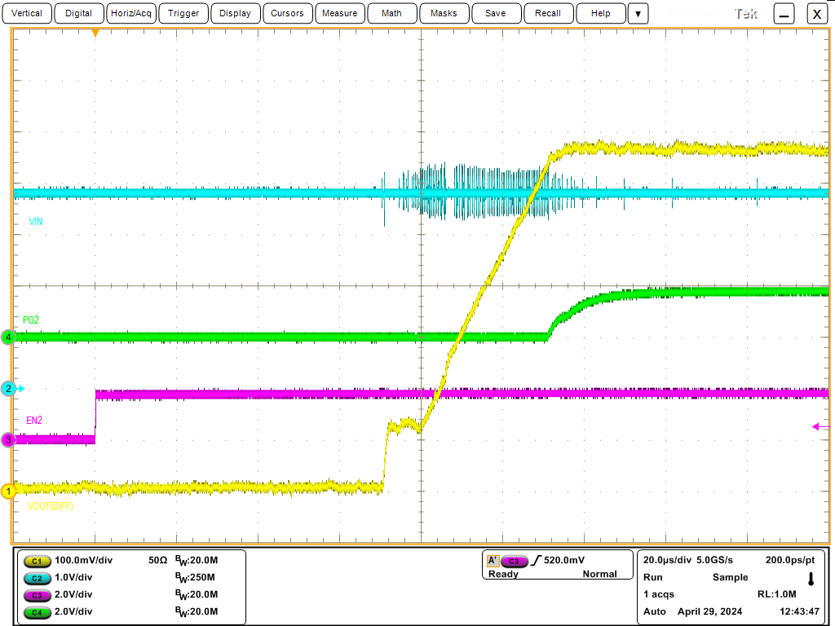
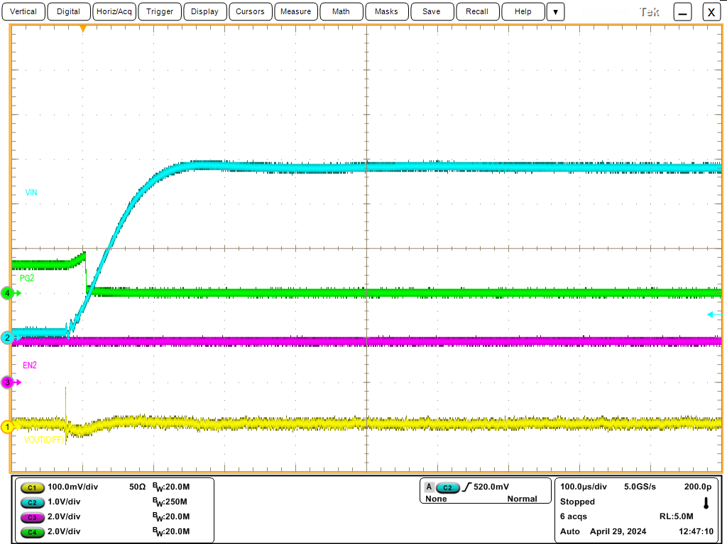
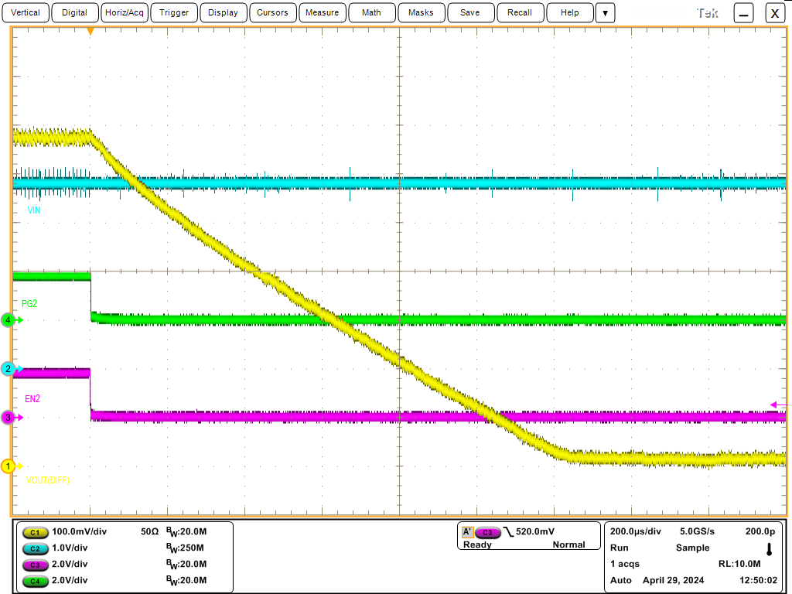
Y/N
Yes
No |  | Soft Start / Soft Stop (Case 1 : VCC=VIN) |  |  |  |  |  |  |  | Insert scope capture of VIN toggles HIGH, Enable remains LOW here (Scope Capture1) | Insert scope capture of Enable toggles HIGH, VIN remains HIGH here (Scope Capture2) |  | Insert scope capture of VIN toggles HIGH, Enable remains HIGH here (Scope Capture3) | Enable toggles from Enable toggles LOW, VIN remains HIGH (Scope Capture4)
 |  | Voltage
 |  | #REF!

 | Case 1 : VCC=VIN
 | No | Test Case | Vout normal? | PGood normal? | Test Pass/Fail | Vout Expectation | PGood Expectation | Comment for any abnormality
 | 1 | VIN toggles HIGH, Enable remains LOW | Yes | Yes | Pass | LOW | LOW
 | 2 | Enable toggles HIGH, VIN remains HIGH | Yes | Yes | Pass | HIGH | HIGH
 | 3 | VIN toggles HIGH, Enable remains HIGH | Yes | Yes | Pass | HIGH | HIGH | Not designed to start in this scenario
 | 4 | Enable toggles LOW, VIN remains HIGH | Yes | Yes | Pass | LOW | LOW

 |  | Instructions: | 1. Capture scope signals; CH1=VIN, CH2=VCC, CH3=Enable, CH4=Vout, CH5=Pgood
 |  |  | 2. Check for any abnormality for all voltage/signal, put comment if any

 |  |  |  |  |  |  |  |  |  |  |  | E-load = 10mA

 |  |  |  |  |  |  |  |  |  |  |  |  |  | E-lLoad = 50mA

 |  | Soft Start / Soft Stop (Case 2 : VCC≠VIN) |  |  |  |  |  |  |  | Insert scope capture of VIN toggles High, VCC remains HIGH, Enable remains LOW here (Scope Capture1) | Insert scope capture of VCC toggles High, VIN remains HIGH, Enable remains LOW here (Scope Capture2) |  | Insert scope capture of Enable toggles High, VCC remains HIGH, Enable remains HIGH here (Scope Capture3)
 |  | Voltage
 |  | #REF!

 | Case 2 : VCC≠VIN
 | No | Test Case | Vout normal? | PGood normal? | Test Pass/Fail | Vout Expectation | PGood Expectation | Comment for any abnormality
 | 1 | VIN toggles High, VCC remains HIGH, Enable remains LOW | Y/N | Y/N | Fail | LOW | LOW
 | 2 | VCC toggles High, VIN remains HIGH, Enable remains LOW | Y/N | Y/N | Fail | LOW | LOW
 | 3 | Enable toggles High, VCC remains HIGH, Enable remains HIGH | Y/N | Y/N | Fail | HIGH | HIGH
 | 4 | VIN toggles High, VCC remains HIGH, Enable remains HIGH | Y/N | Y/N | Fail | HIGH | HIGH
 | 5 | VCC toggles High, VIN remains HIGH, Enable remains HIGH | Y/N | Y/N | Fail | HIGH | HIGH
 | 6 | Enable toggles LOW, VIN remains HIGH, VCC remains HIGH | Y/N | Y/N | Fail | LOW | LOW

 |  | Instructions: | 1. Capture scope signals; CH1=VIN, CH2=VCC, CH3=Enable, CH4=Vout, CH5=Pgood
 |  |  | 2. Check for any abnormality for all voltage/signal, put comment if any

 |  |  |  |  |  |  |  |  |  | Insert scope capture of VIN toggles High, VCC remains HIGH, Enable remains HIGH here (Scope Capture4) | Insert scope capture of VCC toggles High, VIN remains HIGH, Enable remains HIGH here (Scope Capture5) |  | Insert scope capture of Enable toggles LOW, VIN remains HIGH, VCC remains HIGH here (Scope Capture6)

 |  | Is Vout is normal for overall test? |  |  |  |  |  |  | Y/N
 |  | Is PGood is normal for overall test? |  |  |  |  |  |  | Y/N
 |  | Does any abnormality on each voltage/signal? |  |  |  |  |  |  | Y/N
 |  | Does the overall test meet requirements? |  |  |  |  |  |  | Y/N

EFFICIENCY
Efficiency
Description: Measure switching VR DC-DC conversion efficiency and power loss.
NOTE: Use Efficiency Automation Tools Paste the result in this tab and plot the graph For internal reference used. No requirement for PCL.

Example

Eff Vs IL
 |  | 0
 |  | 0
 |  | 0
 |  | 0
 |  | 0
 |  | 0
 |  | 0
 |  | 0
 |  | 0
 |  | 0
 |  | 0
 |  | 0
 |  | 0
 |  | 0
 |  | 0
 |  | 0
 |  | 0
 |  | 0
 |  | 0
 |  | 0
 |  | 0
 |  | 0
 |  | 0
 |  | 0
 |  | 0
 | Output current In (A) | Output voltage In (V) | Vcc Controller (V) | Ivcc Controller(A) | Vin (V) | Iin(A) | Power Loss (W) | Efficiency(%) | Pin(W) | Pout(W)
 |  |  |  |  |  |  |  |  | 0 | 0
 |  |  |  |  |  |  |  |  | 0 | 0
 |  |  |  |  |  |  |  |  | 0 | 0
 |  |  |  |  |  |  |  |  | 0 | 0
 |  |  |  |  |  |  |  |  | 0 | 0
 |  |  |  |  |  |  |  |  | 0 | 0
 |  |  |  |  |  |  |  |  | 0 | 0
 |  |  |  |  |  |  |  |  | 0 | 0
 |  |  |  |  |  |  |  |  | 0 | 0
 |  |  |  |  |  |  |  |  | 0 | 0
 |  |  |  |  |  |  |  |  | 0 | 0
 |  |  |  |  |  |  |  |  | 0 | 0
 |  |  |  |  |  |  |  |  | 0 | 0
 |  |  |  |  |  |  |  |  | 0 | 0
 |  |  |  |  |  |  |  |  | 0 | 0
 |  |  |  |  |  |  |  |  | 0 | 0
 |  |  |  |  |  |  |  |  | 0 | 0
 |  |  |  |  |  |  |  |  | 0 | 0
 |  |  |  |  |  |  |  |  | 0 | 0
 |  |  |  |  |  |  |  |  | 0 | 0
 |  |  |  |  |  |  |  |  | 0 | 0
 |  |  |  |  |  |  |  |  | 0 | 0
 |  |  |  |  |  |  |  |  | 0 | 0
 |  |  |  |  |  |  |  |  | 0 | 0
 |  |  |  |  |  |  |  |  | 0 | 0
 |  |  |  |  |  |  |  |  | 0 | 0
Load Regulation
 |  |  |  |  |  |  |  |  | 0 | 0
 |  |  |  |  |  |  |  |  | 0 | 0
 |  |  |  |  |  |  |  |  | 0 | 0
 |  |  |  |  |  |  |  |  | 0 | 0
 |  |  |  |  |  |  |  |  | 0 | 0
 |  |  |  |  |  |  |  |  | 0 | 0
 |  |  |  |  |  |  |  |  | 0 | 0
 |  |  |  |  |  |  |  |  | 0 | 0
 |  |  |  |  |  |  |  |  | 0 | 0
 |  |  |  |  |  |  |  |  | 0 | 0
 |  |  |  |  |  |  |  |  | 0 | 0
 |  |  |  |  |  |  |  |  | 0 | 0
 |  |  |  |  |  |  |  |  | 0 | 0
 |  |  |  |  |  |  |  |  | 0 | 0
 |  |  |  |  |  |  |  |  | 0 | 0
 |  |  |  |  |  |  |  |  | 0 | 0
 |  |  |  |  |  |  |  |  | 0 | 0
 |  |  |  |  |  |  |  |  | 0 | 0
 |  |  |  |  |  |  |  |  | 0 | 0
 |  |  |  |  |  |  |  |  | 0 | 0
 |  |  |  |  |  |  |  |  | 0 | 0
 |  |  |  |  |  |  |  |  | 0 | 0
 |  |  |  |  |  |  |  |  | 0 | 0
 |  |  |  |  |  |  |  |  | 0 | 0
 |  |  |  |  |  |  |  |  | 0 | 0
 |  |  |  |  |  |  |  |  | 0 | 0
 |  |  |  |  |  |  |  |  | 0 | 0
 |  |  |  |  |  |  |  |  | 0 | 0
 |  |  |  |  |  |  |  |  | 0 | 0
 |  |  |  |  |  |  |  |  | 0 | 0
 |  |  |  |  |  |  |  |  | 0 | 0
 |  |  |  |  |  |  |  |  | 0 | 0
 |  |  |  |  |  |  |  |  | 0 | 0
 |  |  |  |  |  |  |  |  | 0 | 0
 |  |  |  |  |  |  |  |  | 0 | 0
 |  |  |  |  |  |  |  |  | 0 | 0
 |  |  |  |  |  |  |  |  | 0 | 0
 |  |  |  |  |  |  |  |  | 0 | 0
 |  |  |  |  |  |  |  |  | 0 | 0
 |  |  |  |  |  |  |  |  | 0 | 0
 |  |  |  |  |  |  |  |  | 0 | 0
 |  |  |  |  |  |  |  |  | 0 | 0
 |  |  |  |  |  |  |  |  | 0 | 0
 |  |  |  |  |  |  |  |  | 0 | 0
 |  |  |  |  |  |  |  |  | 0 | 0
 |  |  |  |  |  |  |  |  | 0 | 0
 |  |  |  |  |  |  |  |  | 0 | 0
 |  |  |  |  |  |  |  |  | 0 | 0
 |  |  |  |  |  |  |  |  | 0 | 0
 |  |  |  |  |  |  |  |  | 0 | 0
 |  |  |  |  |  |  |  |  | 0 | 0
 |  |  |  |  |  |  |  |  | 0 | 0
 |  |  |  |  |  |  |  |  | 0 | 0
 |  |  |  |  |  |  |  |  | 0 | 0
 |  |  |  |  |  |  |  |  | 0 | 0
 |  |  |  |  |  |  |  |  | 0 | 0
 |  |  |  |  |  |  |  |  | 0 | 0
 |  |  |  |  |  |  |  |  | 0 | 0
 |  |  |  |  |  |  |  |  | 0 | 0
 |  |  |  |  |  |  |  |  | 0 | 0
 |  |  |  |  |  |  |  |  | 0 | 0
 |  |  |  |  |  |  |  |  | 0 | 0
 |  |  |  |  |  |  |  |  | 0 | 0
 |  |  |  |  |  |  |  |  | 0 | 0
 |  |  |  |  |  |  |  |  | 0 | 0
 |  |  |  |  |  |  |  |  | 0 | 0
 |  |  |  |  |  |  |  |  | 0 | 0
 |  |  |  |  |  |  |  |  | 0 | 0
 |  |  |  |  |  |  |  |  | 0 | 0
 |  |  |  |  |  |  |  |  | 0 | 0
 |  |  |  |  |  |  |  |  | 0 | 0
 |  |  |  |  |  |  |  |  | 0 | 0
 |  |  |  |  |  |  |  |  | 0 | 0
 |  |  |  |  |  |  |  |  | 0 | 0
 |  |  |  |  |  |  |  |  | 0 | 0
 |  |  |  |  |  |  |  |  | 0 | 0
 |  |  |  |  |  |  |  |  | 0 | 0
 |  |  |  |  |  |  |  |  | 0 | 0
 |  |  |  |  |  |  |  |  | 0 | 0
 |  |  |  |  |  |  |  |  | 0 | 0
 |  |  |  |  |  |  |  |  | 0 | 0
 |  |  |  |  |  |  |  |  | 0 | 0
 |  |  |  |  |  |  |  |  | 0 | 0
 |  |  |  |  |  |  |  |  | 0 | 0
 |  |  |  |  |  |  |  |  | 0 | 0
 |  |  |  |  |  |  |  |  | 0 | 0
 |  |  |  |  |  |  |  |  | 0 | 0
 |  |  |  |  |  |  |  |  | 0 | 0
 |  |  |  |  |  |  |  |  | 0 | 0
 |  |  |  |  |  |  |  |  | 0 | 0
 |  |  |  |  |  |  |  |  | 0 | 0
 |  |  |  |  |  |  |  |  | 0 | 0
 |  |  |  |  |  |  |  |  | 0 | 0
 |  |  |  |  |  |  |  |  | 0 | 0
 |  |  |  |  |  |  |  |  | 0 | 0
 |  |  |  |  |  |  |  |  | 0 | 0
 |  |  |  |  |  |  |  |  | 0 | 0
 |  |  |  |  |  |  |  |  | 0 | 0
 |  |  |  |  |  |  |  |  | 0 | 0
 |  |  |  |  |  |  |  |  | 0 | 0
 |  |  |  |  |  |  |  |  | 0 | 0
 |  |  |  |  |  |  |  |  | 0 | 0
 |  |  |  |  |  |  |  |  | 0 | 0
 |  |  |  |  |  |  |  |  | 0 | 0
 |  |  |  |  |  |  |  |  | 0 | 0
 |  |  |  |  |  |  |  |  | 0 | 0
 |  |  |  |  |  |  |  |  | 0 | 0
 |  |  |  |  |  |  |  |  | 0 | 0
 |  |  |  |  |  |  |  |  | 0 | 0
 |  |  |  |  |  |  |  |  | 0 | 0
 |  |  |  |  |  |  |  |  | 0 | 0
 |  |  |  |  |  |  |  |  | 0 | 0
 |  |  |  |  |  |  |  |  | 0 | 0
 |  |  |  |  |  |  |  |  | 0 | 0
 |  |  |  |  |  |  |  |  | 0 | 0
 |  |  |  |  |  |  |  |  | 0 | 0
 |  |  |  |  |  |  |  |  | 0 | 0
 |  |  |  |  |  |  |  |  | 0 | 0
 |  |  |  |  |  |  |  |  | 0 | 0
 |  |  |  |  |  |  |  |  | 0 | 0
 |  |  |  |  |  |  |  |  | 0 | 0
 |  |  |  |  |  |  |  |  | 0 | 0
 |  |  |  |  |  |  |  |  | 0 | 0
 |  |  |  |  |  |  |  |  | 0 | 0
 |  |  |  |  |  |  |  |  | 0 | 0
 |  |  |  |  |  |  |  |  | 0 | 0
 |  |  |  |  |  |  |  |  | 0 | 0
 |  |  |  |  |  |  |  |  | 0 | 0
 |  |  |  |  |  |  |  |  | 0 | 0
 |  |  |  |  |  |  |  |  | 0 | 0
 |  |  |  |  |  |  |  |  | 0 | 0
 |  |  |  |  |  |  |  |  | 0 | 0
 |  |  |  |  |  |  |  |  | 0 | 0
 |  |  |  |  |  |  |  |  | 0 | 0
 |  |  |  |  |  |  |  |  | 0 | 0
 |  |  |  |  |  |  |  |  | 0 | 0
 |  |  |  |  |  |  |  |  | 0 | 0
 |  |  |  |  |  |  |  |  | 0 | 0
 |  |  |  |  |  |  |  |  | 0 | 0
 |  |  |  |  |  |  |  |  | 0 | 0
 |  |  |  |  |  |  |  |  | 0 | 0
 |  |  |  |  |  |  |  |  | 0 | 0
 |  |  |  |  |  |  |  |  | 0 | 0
 |  |  |  |  |  |  |  |  | 0 | 0
 |  |  |  |  |  |  |  |  | 0 | 0
 |  |  |  |  |  |  |  |  | 0 | 0
 |  |  |  |  |  |  |  |  | 0 | 0
 |  |  |  |  |  |  |  |  | 0 | 0
 |  |  |  |  |  |  |  |  | 0 | 0
 |  |  |  |  |  |  |  |  | 0 | 0
 |  |  |  |  |  |  |  |  | 0 | 0
 |  |  |  |  |  |  |  |  | 0 | 0
 |  |  |  |  |  |  |  |  | 0 | 0
 |  |  |  |  |  |  |  |  | 0 | 0
 |  |  |  |  |  |  |  |  | 0 | 0
 |  |  |  |  |  |  |  |  | 0 | 0
 |  |  |  |  |  |  |  |  | 0 | 0
 |  |  |  |  |  |  |  |  | 0 | 0
 |  |  |  |  |  |  |  |  | 0 | 0
 |  |  |  |  |  |  |  |  | 0 | 0
 |  |  |  |  |  |  |  |  | 0 | 0
 |  |  |  |  |  |  |  |  | 0 | 0
 |  |  |  |  |  |  |  |  | 0 | 0
 |  |  |  |  |  |  |  |  | 0 | 0
 |  |  |  |  |  |  |  |  | 0 | 0
 |  |  |  |  |  |  |  |  | 0 | 0
 |  |  |  |  |  |  |  |  | 0 | 0
 |  |  |  |  |  |  |  |  | 0 | 0
 |  |  |  |  |  |  |  |  | 0 | 0
 |  |  |  |  |  |  |  |  | 0 | 0
 |  |  |  |  |  |  |  |  | 0 | 0
 |  |  |  |  |  |  |  |  | 0 | 0
 |  |  |  |  |  |  |  |  | 0 | 0
 |  |  |  |  |  |  |  |  | 0 | 0
 |  |  |  |  |  |  |  |  | 0 | 0
 |  |  |  |  |  |  |  |  | 0 | 0
 |  |  |  |  |  |  |  |  | 0 | 0
 |  |  |  |  |  |  |  |  | 0 | 0
 |  |  |  |  |  |  |  |  | 0 | 0
 |  |  |  |  |  |  |  |  | 0 | 0
 |  |  |  |  |  |  |  |  | 0 | 0
 |  |  |  |  |  |  |  |  | 0 | 0
 |  |  |  |  |  |  |  |  | 0 | 0
 |  |  |  |  |  |  |  |  | 0 | 0
 |  |  |  |  |  |  |  |  | 0 | 0
 |  |  |  |  |  |  |  |  | 0 | 0
 |  |  |  |  |  |  |  |  | 0 | 0
 |  |  |  |  |  |  |  |  | 0 | 0
 |  |  |  |  |  |  |  |  | 0 | 0
 |  |  |  |  |  |  |  |  | 0 | 0
 |  |  |  |  |  |  |  |  | 0 | 0
 |  |  |  |  |  |  |  |  | 0 | 0
 |  |  |  |  |  |  |  |  | 0 | 0
 |  |  |  |  |  |  |  |  | 0 | 0
 |  |  |  |  |  |  |  |  | 0 | 0
 |  |  |  |  |  |  |  |  | 0 | 0
 |  |  |  |  |  |  |  |  | 0 | 0
 |  |  |  |  |  |  |  |  | 0 | 0
 |  |  |  |  |  |  |  |  | 0 | 0
 |  |  |  |  |  |  |  |  | 0 | 0
 |  |  |  |  |  |  |  |  | 0 | 0
 |  |  |  |  |  |  |  |  | 0 | 0
 |  |  |  |  |  |  |  |  | 0 | 0
 |  |  |  |  |  |  |  |  | 0 | 0
 |  |  |  |  |  |  |  |  | 0 | 0
 |  |  |  |  |  |  |  |  | 0 | 0
 |  |  |  |  |  |  |  |  | 0 | 0
 |  |  |  |  |  |  |  |  | 0 | 0
 |  |  |  |  |  |  |  |  | 0 | 0
 |  |  |  |  |  |  |  |  | 0 | 0
 |  |  |  |  |  |  |  |  | 0 | 0
 |  |  |  |  |  |  |  |  | 0 | 0
 |  |  |  |  |  |  |  |  | 0 | 0
 |  |  |  |  |  |  |  |  | 0 | 0
 |  |  |  |  |  |  |  |  | 0 | 0
 |  |  |  |  |  |  |  |  | 0 | 0
 |  |  |  |  |  |  |  |  | 0 | 0
 |  |  |  |  |  |  |  |  | 0 | 0
 |  |  |  |  |  |  |  |  | 0 | 0
 |  |  |  |  |  |  |  |  | 0 | 0
 |  |  |  |  |  |  |  |  | 0 | 0
 |  |  |  |  |  |  |  |  | 0 | 0
 |  |  |  |  |  |  |  |  | 0 | 0
 |  |  |  |  |  |  |  |  | 0 | 0
 |  |  |  |  |  |  |  |  | 0 | 0
 |  |  |  |  |  |  |  |  | 0 | 0
 |  |  |  |  |  |  |  |  | 0 | 0
 |  |  |  |  |  |  |  |  | 0 | 0
 |  |  |  |  |  |  |  |  | 0 | 0
 |  |  |  |  |  |  |  |  | 0 | 0
 |  |  |  |  |  |  |  |  | 0 | 0
 |  |  |  |  |  |  |  |  | 0 | 0
 |  |  |  |  |  |  |  |  | 0 | 0
 |  |  |  |  |  |  |  |  | 0 | 0
 |  |  |  |  |  |  |  |  | 0 | 0
 |  |  |  |  |  |  |  |  | 0 | 0
 |  |  |  |  |  |  |  |  | 0 | 0
 |  |  |  |  |  |  |  |  | 0 | 0
 |  |  |  |  |  |  |  |  | 0 | 0
 |  |  |  |  |  |  |  |  | 0 | 0
 |  |  |  |  |  |  |  |  | 0 | 0
 |  |  |  |  |  |  |  |  | 0 | 0
 |  |  |  |  |  |  |  |  | 0 | 0
 |  |  |  |  |  |  |  |  | 0 | 0
 |  |  |  |  |  |  |  |  | 0 | 0
 |  |  |  |  |  |  |  |  | 0 | 0
 |  |  |  |  |  |  |  |  | 0 | 0
 |  |  |  |  |  |  |  |  | 0 | 0
 |  |  |  |  |  |  |  |  | 0 | 0
 |  |  |  |  |  |  |  |  | 0 | 0
 |  |  |  |  |  |  |  |  | 0 | 0
 |  |  |  |  |  |  |  |  | 0 | 0
 |  |  |  |  |  |  |  |  | 0 | 0
 |  |  |  |  |  |  |  |  | 0 | 0
 |  |  |  |  |  |  |  |  | 0 | 0
 |  |  |  |  |  |  |  |  | 0 | 0
 |  |  |  |  |  |  |  |  | 0 | 0
 |  |  |  |  |  |  |  |  | 0 | 0
 |  |  |  |  |  |  |  |  | 0 | 0
 |  |  |  |  |  |  |  |  | 0 | 0
 |  |  |  |  |  |  |  |  | 0 | 0
 |  |  |  |  |  |  |  |  | 0 | 0
 |  |  |  |  |  |  |  |  | 0 | 0
 |  |  |  |  |  |  |  |  | 0 | 0
 |  |  |  |  |  |  |  |  | 0 | 0
 |  |  |  |  |  |  |  |  | 0 | 0
 |  |  |  |  |  |  |  |  | 0 | 0
 |  |  |  |  |  |  |  |  | 0 | 0
 |  |  |  |  |  |  |  |  | 0 | 0
 |  |  |  |  |  |  |  |  | 0 | 0
 |  |  |  |  |  |  |  |  | 0 | 0
 |  |  |  |  |  |  |  |  | 0 | 0
 |  |  |  |  |  |  |  |  | 0 | 0
 |  |  |  |  |  |  |  |  | 0 | 0
 |  |  |  |  |  |  |  |  | 0 | 0

