Sheet1
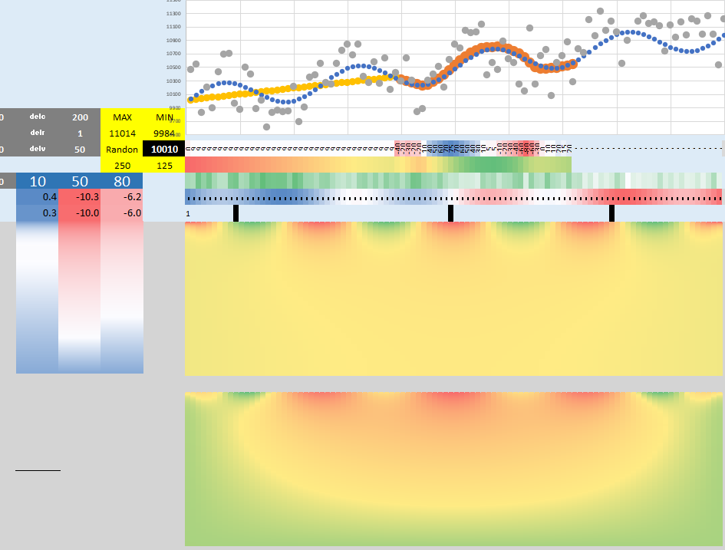
 |  |  |  |  |  |  |  |  |  |  |  |  | 1 | ✓
 |  | 33 | 70 |  |  |  | 00_MF6 |  |  | 98_Random | 98_Random |  |  | ✓
 |  | 00_MF6 |  | 00_BETAMI |  |  |  | www_37_46_files_MT3D_Zheng |  |  |  | 02_MT3D_Wisconsin-Madison |  | ✓
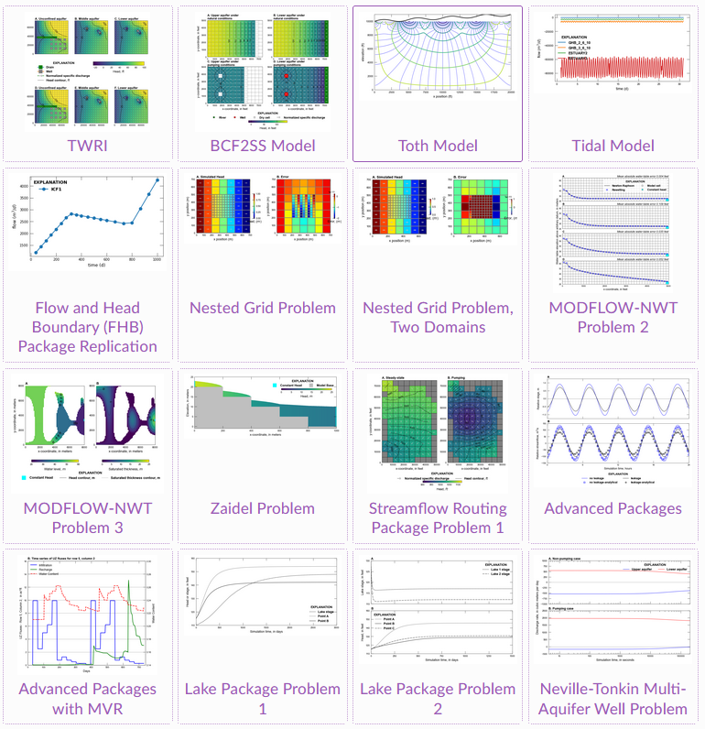
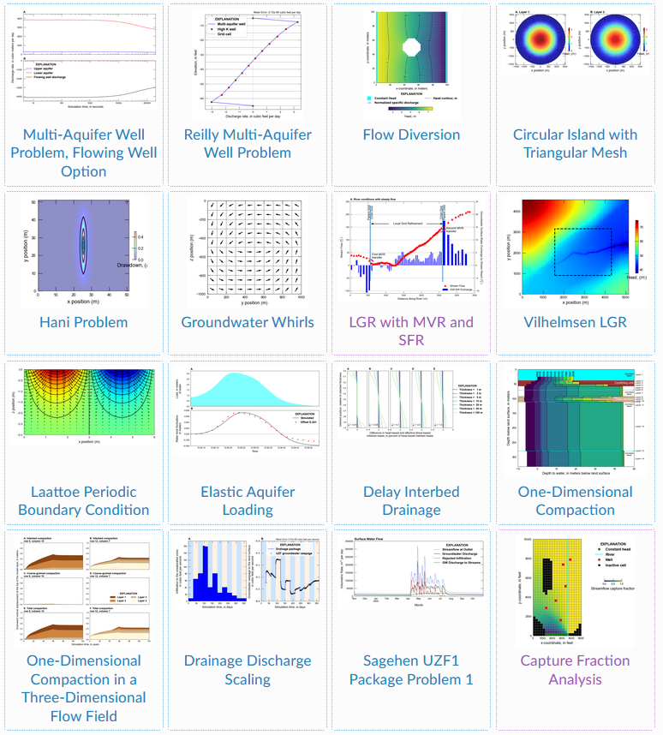
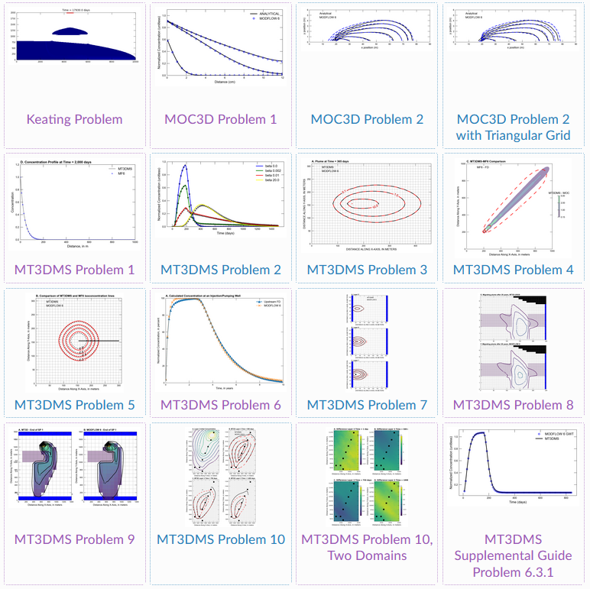
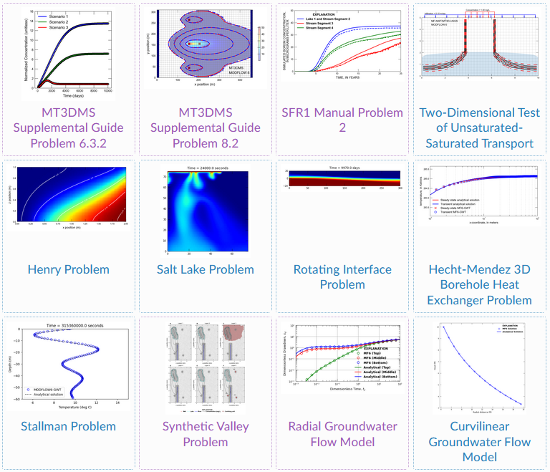
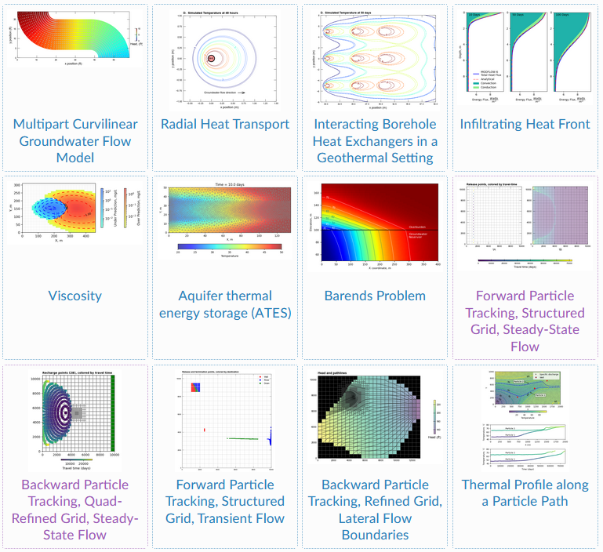
 |  | https://modflow6-examples.readthedocs.io/en/master/examples.html |  |  |  |  |  |  |  |  |  | _all |  | ✓
 | 1 | ✓ | 01_ex-gwf-twri_b.ipynb |  | 00_MF6 | 37 | ✓ | 5 | ex-gwt-mt3dms-p01_no_function___V02.ipynb | ✓ | 0 | 01_Diffusion Analytical Demo.ipynb |  | ✓
 | 2 | ✓ | 02_ex-gwf-bcf2ss_b.ipynb |  | 50____Pdfs | 37.382352941 | ✓ | 6 | ex-gwt-mt3dms-p01___MF6_________V01.ipynb | ✓ | 1 | 02_Dispersion Analytical Demo.ipynb |  | ✓
 | 3 | ✓ | 03_ex-gwf-toth_b.ipynb |  | 95_floPy | 37.764705882 | ✓ | 7 | ex-gwt-mt3dms-p02_V02__scenario(0a)____.ipynb | ✓ | 2 | 03_Intro to Moment Analysis.ipynb |  | ✓
 | 4 | ✓ | 04_advtidal |  | 98_Random | 38.147058824 | ✓ | 8 | ex-gwt-mt3dms-p02_V02__scenario(1b)____.ipynb | ✓ | 3 | 04_05___FloPy Introduction.ipynb |  | ✓
 | 5 | ✓ | 04_ex-gwf-advtidal_b.ipynb |  | 99_Ye_are_welcome | 38.529411765 | ✓ | 9 | ex-gwt-mt3dms-p02_V02__scenario(2c)____.ipynb | ✓ | 4 | 06____Wells and Stress Periods Explainer.ipynb |  | ✓
 | 6 | ✓ | 05_ex-gwf-fhb_b.ipynb |  | bin | 38.911764706 | ✓ | 10 | ex-gwt-mt3dms-p02_V02__scenario(3d)____.ipynb | ✓ | 5 | 07_FloPy back diffusion demo.ipynb |  | ✓
 | 7 | ✓ | 06_ex-gwf-u1disv_c.ipynb |  | README.md | 39.294117647 | ✓ | 11 | ex-gwt-mt3dms-p02_V02__scenario(4e)____.ipynb | ✓ | 6 | 08_FloPy 2D Macrodispersion Illustration.ipynb |  | ✓
 | 8 | ✓ | 07_ex-gwf-u1gwfgwf_b.ipynb |  | _00_Beta_Setup.txt | 39.676470588 | ✓ | 12 | ex-gwt-mt3dms-p02_V02__scenario(5f)____.ipynb | ✓ | 7 | 09______Multiscale heterogeneity.ipynb |  | ✓
 | 9 | ✓ | 08_ex-gwf-nwt-p02_b.ipynb |  | _01_Follow_up.xlsx | 40.058823529 | ✓ | 13 | ex-gwt-mt4dms-p01_p02_______________Summary.ipynb | ✓ | 8 | 10__Sorption Isotherms.ipynb |  | ✓
 | 10 | ✓ | 09_ex-gwf-nwt-p03_b.ipynb | ✓ | _02_IN_MF6_.xlsx | 40.441176471 | ✓ | 14 | ey-gwt-mt3dms-p02__mf6_again______.ipynb | ✓ | 9 | 11__First Order Reactions.ipynb |  | ✓
 | 11 | ✓ | 10_ex-gwf-zaidel_b.ipynb | ✓ | _03_Summary.xlsx | 40.823529412 | ✓ | 15 | fx-gwt-mt3dms-p03________a__.ipynb | ✓ | 10 | 12__FloPy 1D Reactions.ipynb |  | ✓
 | 12 | ✓ | 11_ex-gwf-sfr-p01_b.ipynb |  |  | 41.205882353 | ✓ | 16 | fx-gwt-mt3dms-p03________b__n_ftn___.ipynb | ✓ | 11 | 13______Capillary Pressure Functions.ipynb |  | ✓
 | 13 | ✓ | 12_ex-gwf-sfr-pindersauer_b.ipynb |  |  | 41.588235294 | ✓ | 17 | fx-gwt-mt3dms-p03________c___load___.ipynb | ✓ | 12 | 14_Capillary Pressure Curve Scaling and Fitting.ipynb |  | ✓
 | 14 | ✓ | 13_ex-gwf-sfr-p01b_b.ipynb |  |  | 41.970588235 | ✓ | 18 | fx-gwt-mt3dms-p03________d___Iacopo.ipynb | ✓ | 13 | 15_Relative Permeability Curves.ipynb |  | ✓
 | 15 | ✓ | 14_ex-gwf-lak-p01_b.ipynb.ipynb |  |  | 42.352941176 | ✓ | 19 | gx-gwt-mt3dms-p04_a__.ipynb | ✓ | 14 | 16_Colloid Filtration Theory and Deposition Rate Coefficients.ipynb |  | ✓
 | 16 | ✓ | 15_ex-gwf-lak-p02_b.ipynb | 95_floPy |  | 42.735294118 | ✓ | 20 | gx-gwt-mt3dms-p04_b__Iacopo.ipynb |  |  |  |  | ✓
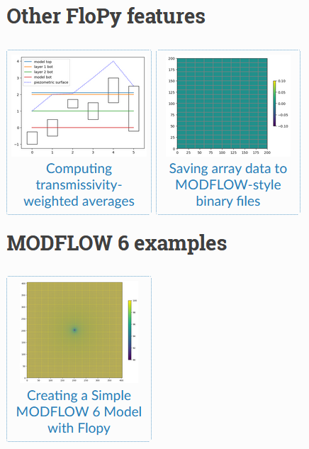
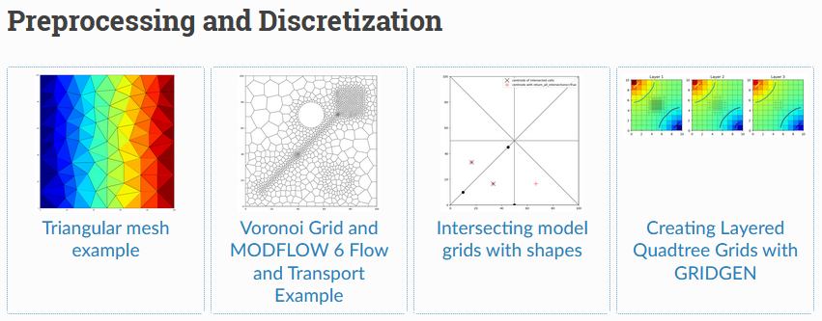
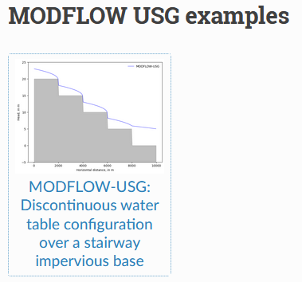
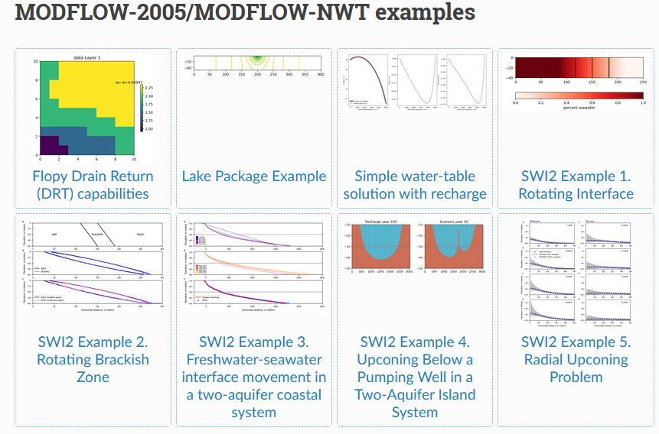
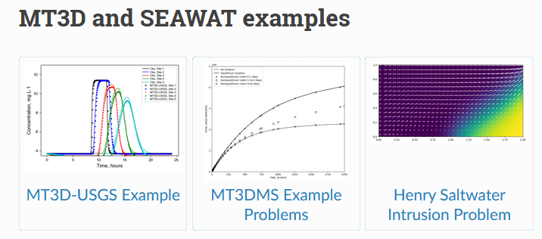
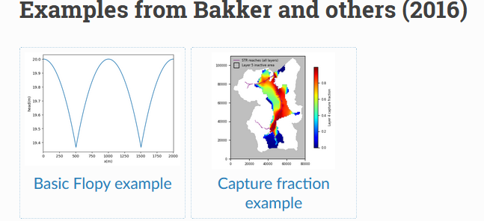
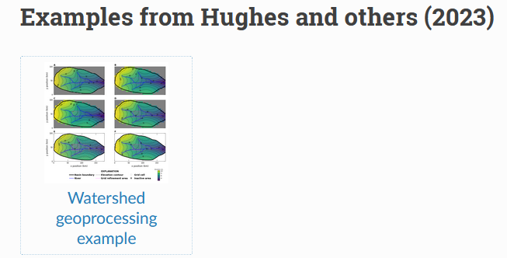
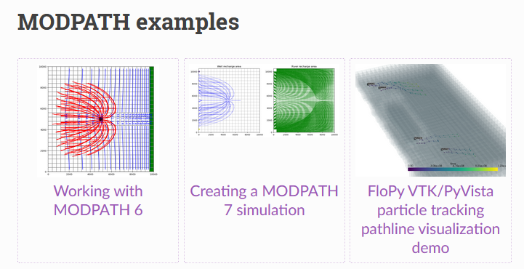
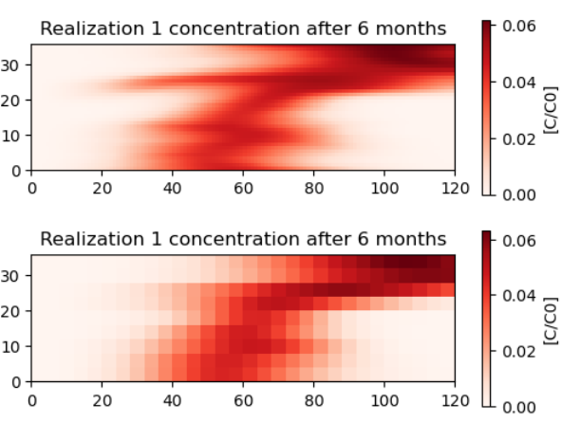
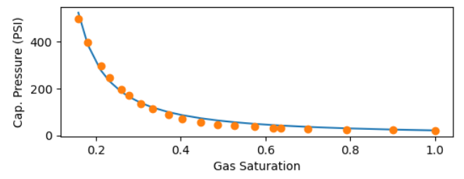
 | 17 | ✓ | 16_ex-gwf-maw-p01_b.ipynb |  |  | 43.117647059 | ✓ | 21 | gx-gwt-mt3dms-p05_________a__n__.ipynb |  |  |  |  | ✓
 | 18 | ✓ | 17_ex-gwf-maw-p02_b.ipynb | ✓ | 01a_mp6_ex.ipynb | 43.5 | ✓ | 22 | gx-gwt-mt3dms-p05_________b__Iacopo.ipynb |  |  |  |  | ✓
 | 19 | ✓ | 18_ex-gwf-maw-p03_b.ipynb | ✓ | 01b_mp6_ex.ipynb | 43.882352941 | ✓ | 23 | gx-gwt-mt3dms-p06_a_.ipynb |  |  |  |  | ✓
 | 20 | ✓ | 19_ex-gwf-bump_b.ipynb | ✓ | 02a_mp7_SIM_______.ipynb | 44.264705882 | ✓ | 24 | gx-gwt-mt3dms-p06_b_mf6___.ipynb |  |  |  |  | ✓
 | 21 | ✓ | 20_ex-gwf-disvmesh_b.ipynb | ✓ | 02b_mp7_SIM_______.ipynb | 44.647058824 | ✓ | 25 | gx-gwt-mt3dms-p06_b_mf6___Lost.ipynb |  |  |  |  | ✓
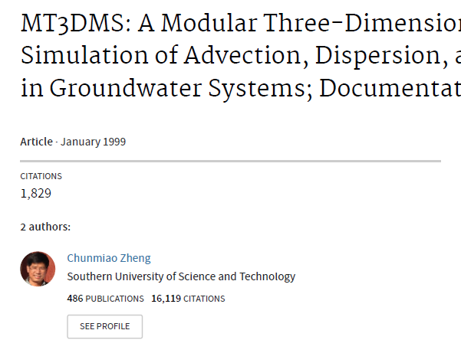
 | 22 | ✓ | 21_ex-gwf-hani_b.ipynb | ✓ | 03b_mp7_st____mf6___.ipynb | 45.029411765 | ✓ | 26 | gx-gwt-mt3dms-p06_c_Iacopo.ipynb |  |  |  |  | ✓
 | 23 | ✓ | 22a_ex-gwf-whirl_b.ipynb | ✓ | 03c____________________.ipynb | 45.411764706 | ✓ | 27 | gx-gwt-mt3dms-p06_d.ipynb |  |  |  |  | ✓
 | 24 | ✓ | 22b_ex-gwf-whirl_b.ipynb | ✓ | 03d__whril____________ .ipynb | 45.794117647 | ✓ | 28 | gx-gwt-mt3dms-p07__________a.ipynb |  |  |  |  | ✓
 | 25 | ✓ | 23_ex-gwf-lgr_b.ipynb | ✓ | 04_mp7_vtk_.ipynb | 46.176470588 | ✓ | 29 | gx-gwt-mt3dms-p07__________b_load_.ipynb |  |  |  |  | ✓
 | 26 | ✓ | 24_ex-gwf-lgrv_b.ipynb | ✓ | 05_plot_map_view_example_a01.ipynb | 46.558823529 | ✓ | 30 | hx-gwt-mt3dms-p07__________c_Iacopo.ipynb |  |  |  |  | ✓
 | 27 | ✓ | 25_ex-gwf-spbc_b.ipynb |  | 06_accessing MF6 Output_a02.ipynb | 46.941176471 | ✓ | 31 | hx-gwt-mt3dms-p08_a_mf6.ipynb |  |  |  |  | ✓
 | 28 | ✓ | 26_ex-gwf-csub-p01_b.ipynb |  | 07_pest_tutorial01_b.ipynb | 47.323529412 | ✓ | 32 | hx-gwt-mt3dms-p08_b_Iacopo.ipynb |  |  |  |  | ✓
 | 29 | ✓ | 27_ex-gwf-csub-p02_b.ipynb |  | 08a_groundwater2023_watershed_example.ipynb | 47.705882353 | ✓ | 33 | hx-gwt-mt3dms-p09______a____mf6.ipynb |  |  |  |  | ✓
 | 30 | ✓ | 28_ex-gwf-csub-p03_b.ipynb |  | 08b_mf6_parallel_model_splitting_example copy.ipynb | 48.088235294 | ✓ | 34 | hx-gwt-mt3dms-p09______b____n_function__.ipynb |  |  |  |  | ✓
 | 31 | ✓ | 29_ex-gwf-csub-p04_b.ipynb |  | 08b_RES | 48.470588235 | ✓ | 35 | hx-gwt-mt3dms-p09______c____Iacopo.ipynb |  |  |  |  | ✓
 | 32 | ✓ | 29_SUBii |  | 08c.ipynb | 48.852941176 | ✓ | 36 | ix-gwt-mt3dms-p10_a_mf6.ipynb |  |  |  |  | ✓
 | 33 | ✓ | 30_ex-gwf-drn-p01_b.ipynb |  |  | 49.235294118 | ✓ | 37 | ix-gwt-mt3dms-p10_b_load.ipynb |  |  |  |  | ✓
 | 34 | ▪ | 31_27.ipynb |  |  | 50 | ✓ | 38 | ix-gwt-mt3dms-p10_d_Iacopo.ipynb |  |  |  |  | ✓
 | 35 | ▪ | 32_28.ipynb |  |  |  |  |  |  |  |  |  |  | ✓
 | 36 | ▪ | 33_29.ipynb |  |  |  | GMDSI |  |  |  |  |  |  | ✓
 | 37 | ✓ | www_37_46_files_MT3D_Zheng | https://flopy.readthedocs.io/en/stable/examples.html |  |  | ... |  |  |  |  |  |  | ✓
 | 38 | ✓ | www_37_46_files_MT3D_Zheng | https://flopy.readthedocs.io/en/3.4.2/examples.html |  |  |  |  |  |  |  |  |  | ✓
 | 39 | ✓ | www_37_46_files_MT3D_Zheng | https://flopy.readthedocs.io/en/3.3.5 |  |  |  |  |  |  |  |  |  | ✓
 | 40 | ✓ | www_37_46_files_MT3D_Zheng | https://flopy.readthedocs.io/en/3.4.2/Notebooks/mf6_parallel_model_splitting_example.html |  |  |  |  |  |  |  |  |  | ✓
 | 41 | ✓ | www_37_46_files_MT3D_Zheng |  |  |  |  |  |  |  |  |  |  | ✓
 | 42 | ✓ | www_37_46_files_MT3D_Zheng |  |  |  |  |  |  |  |  |  |  | ✓
 | 43 | ✓ | www_37_46_files_MT3D_Zheng |  |  |  |  |  |  |  |  |  |  | ✓
 | 44 | ✓ | www_37_46_files_MT3D_Zheng |  |  |  |  |  |  |  |  |  |  | ✓
 | 45 | ✓ | www_37_46_files_MT3D_Zheng |  |  |  |  |  |  |  |  |  |  | ✓
 | 46 | ✓ | www_37_46_files_MT3D_Zheng |  |  |  |  |  |  |  |  |  |  | ✓
 | 47 | ✓ | www_37_46_files_MT3D_Zheng |  |  |  |  |  |  |  |  |  |  | ✓
 | 48 | ✓ | www_37_46_files_MT3D_Zheng |  |  |  |  |  |  |  |  |  |  | ✓
 | 49 | ✓ | www_37_46_files_MT3D_Zheng |  |  |  |  |  |  |  |  |  |  | ✓
 | 50 | ✓ | www_37_46_files_MT3D_Zheng |  |  |  |  |  |  |  |  |  |  | ✓
 | 51 | ✓ | www_37_46_files_MT3D_Zheng |  |  |  |  |  |  |  |  |  |  | ✓
 | 52 | ✓ | www_37_46_files_MT3D_Zheng |  |  |  |  |  |  |  |  |  |  | ✓
 | 53 | ✓ | www_37_46_files_MT3D_Zheng |  |  |  |  |  |  |  |  |  |  | ✓
 | 54 |  | 47 |  |  |  |  |  |  |  |  |  |  | ✓
 | 55 |  | 48 |  |  |  |  |  |  |  |  |  |  | ✓
 | 56 |  | 49 |  |  |  |  |  |  |  |  |  |  | ✓
 | 57 |  | 50 |  |  |  |  |  |  |  |  |  |  | ✓
1 | 58 |  | 51 |  |  |  |  |  |  |  |  |  |  | ✓
 | 59 |  | 52 |  |  |  |  |  |  |  |  |  |  | ✓
 | 60 |  | 53 |  |  |  |  |  |  |  |  |  |  | ✓
 | 61 |  | 54 |  |  |  |  |  |  |  |  |  |  | ✓
 | 62 |  | 55 |  |  |  |  |  |  |  |  |  |  | ✓
 | 63 |  | 56 |  |  |  |  |  |  |  |  |  |  | ✓
 | 64 |  | 57 |  |  |  |  |  |  |  |  |  |  | ✓
 | 65 |  | 58 |  |  |  |  |  |  |  |  |  |  | ✓
 | 66 |  | 59 |  |  |  |  |  |  |  |  |  |  | ✓
 | 67 |  | 60 |  |  |  |  |  |  |  |  |  |  | ✓
 | 68 |  | 61 |  |  |  |  |  |  |  |  |  |  | ✓
 | 69 |  | 62 |  |  |  |  |  |  |  |  |  |  | ✓
 | 70 |  | 63 |  |  |  |  |  |  |  |  |  |  | ✓
 | 71 |  | 64 |  |  |  |  |  |  |  |  |  |  | ✓
 | 72 |  | 65 |  |  |  |  |  |  |  |  |  |  | ✓
 | 73 |  | 66 |  |  |  |  |  |  |  |  |  |  | ✓
 | 74 |  | 67 |  |  |  |  |  |  |  |  |  |  | ✓
 | 75 |  | 68 |  |  |  |  |  |  |  |  |  |  | ✓
 | 76 |  | 69 |  |  |  |  |  |  |  |  |  |  | ✓
 | 77 |  | 70 |  |  |  |  |  |  |  |  |  |  | ✓
1 |  |  |  |  |  |  |  |  |  |  |  |  |  | ✓
 |  |  |  |  |  |  |  |  |  |  |  |  |  | ✓
 |  |  |  |  |  |  |  |  |  |  |  |  |  | ✓
 |  |  |  |  |  |  |  |  |  |  |  |  |  | ✓
 |  |  |  |  |  |  |  |  |  |  |  |  |  | ✓
 |  |  |  |  |  |  |  |  |  |  |  |  |  | ✓
 |  |  |  |  |  |  |  |  |  |  |  |  |  | ✓
 |  |  |  |  |  |  |  |  |  |  |  |  |  | ✓
 |  |  |  |  |  |  |  |  |  |  |  |  |  | ✓
 |  |  |  |  |  |  |  |  |  |  |  |  |  | ✓
 |  |  |  |  |  |  |  |  |  |  |  |  |  | ✓
 |  |  |  |  |  |  |  |  |  |  |  |  |  | ✓
 |  |  |  |  |  |  |  |  |  |  |  |  |  | ✓
 |  |  |  |  |  |  |  |  |  |  |  |  |  | ✓
 |  |  |  |  |  |  |  |  |  |  |  |  |  | ✓
 |  |  |  |  |  |  |  |  |  |  |  |  |  | ✓
 |  |  |  |  |  |  |  |  |  |  |  |  |  | ✓
 |  |  |  |  |  |  |  |  |  |  |  |  |  | ✓
 |  |  |  |  |  |  |  |  |  |  |  |  |  | ✓
 |  |  |  |  |  |  |  |  |  |  |  |  |  | ✓
 |  |  |  |  |  |  |  |  |  |  |  |  |  | ✓
 |  |  |  |  |  |  |  |  |  |  |  |  |  | ✓
 |  |  |  |  |  |  |  |  |  |  |  |  |  | ✓
 |  |  |  |  |  |  |  |  |  |  |  |  |  | ✓
 |  |  |  |  |  |  |  |  |  |  |  |  |  | ✓
 |  |  |  |  |  |  |  |  |  |  |  |  |  | ✓
 |  |  |  |  |  |  |  |  |  |  |  |  |  | ✓
 |  |  |  |  |  |  |  |  |  |  |  |  |  | ✓
 |  |  |  |  |  |  |  |  |  |  |  |  |  | ✓
 |  |  |  |  |  |  |  |  |  |  |  |  |  | ✓
 |  |  |  |  |  |  |  |  |  |  |  |  |  | ✓
 |  |  |  |  |  |  |  |  |  |  |  |  |  | ✓
 |  |  |  |  |  |  |  |  |  |  |  |  |  | ✓
 |  |  |  |  |  |  |  |  |  |  |  |  |  | ✓
 |  |  |  |  |  |  |  |  |  |  |  |  |  | ✓
 |  |  |  |  |  |  |  |  |  |  |  |  |  | ✓
 |  |  |  |  |  |  |  |  |  |  |  |  |  | ✓
 |  |  |  |  |  |  |  |  |  |  |  |  |  | ✓
 |  |  |  |  |  |  |  |  |  |  |  |  |  | ✓
 |  |  |  |  |  |  |  |  |  |  |  |  |  | ✓
 |  |  |  |  |  |  |  |  |  |  |  |  |  | ✓
 |  |  |  |  |  |  |  |  |  |  |  |  |  | ✓
 |  |  |  |  |  |  |  |  |  |  |  |  |  | ✓
 |  |  |  |  |  |  |  |  |  |  |  |  |  | ✓
 |  |  |  |  |  |  |  |  |  |  |  |  |  | ✓
 |  |  |  |  |  |  |  |  |  |  |  |  |  | ✓
 |  |  |  |  |  |  |  |  |  |  |  |  |  | ✓
 |  |  |  |  |  |  |  |  |  |  |  |  |  | ✓
 |  |  |  |  |  |  |  |  |  |  |  |  |  | ✓
 |  |  |  |  |  |  |  |  |  |  |  |  |  | ✓
 |  |  |  |  |  |  |  |  |  |  |  |  |  | ✓
 |  |  |  |  |  |  |  |  |  |  |  |  |  | ✓

