A
$A ∗ \underline{x}−\underline{b}=$ 0
≠ Linear Least Squares
to find a vector x
for a minimum :
|$A$ ∗ $\underline{x}$ $−$ $\underline{b}$ |
a $∗X=b$
$$X ∗ \underline{a} = \underline{b}$$
$$Physical distances h_{i}$$
$$\text{Relative} \text{positions}$$
 | 28 | y
 | 27 |  |  |  |  |  |  |  |  |  |  |  |  |  |  |  |  |  |  |  |  |  |  |  |  |  |  |  | inputs:
 | 26 |  |  |  |  |  |  |  |  |  |  |  |  |  |  |  |  |  |  |  |  |  |  |  |  |  |  |  |  |  |  |  |  |  |  |  |  | Weighs | Var.
 | 25 |  |  |  |  |  |  |  |  |  |  |  |  |  |  |  |  |  |  |  |  |  | 11 | 12 | 13 | 14 |  |  | 30 |  | 1 |  | 13.77 | 15.09 | 15.23 | 16.58 | 1.00 | l1 | 16.1
 | 24 |  |  |  |  |  |  |  |  |  |  |  |  | 1 | 30 |  |  |  |  |  |  |  | 21 | 22 | 23 | 24 |  |  | -1 |  | 2 |  | 15.09 | 13.77 | 14.69 | 15.65 | 1.00 | l2 | 14.8
 | 23 |  |  |  |  |  |  |  |  |  |  |  |  | 13 | 23 |  |  |  |  |  |  |  | 31 | 32 | 33 | 34 |  |  | -20 |  | 3 |  | 15.23 | 14.69 | 13.77 | 15.13 | 1.00 | l3 | 15.1
 | 22 |  |  |  |  |  |  |  |  |  |  |  |  |  |  |  |  |  |  |  |  |  | 41 | 42 | 43 | 44 |  |  | 400 |  | 4 |  | 16.58 | 15.65 | 15.13 | 13.77 | 1.00 | l4 | 15.4
!!
 | 21 |  |  |  |  |  |  |  |  |  |  |  |  |  |  |  |  |  |  |  |  |  |  |  |  |  |  |  | 116 |  | 5 |  | 1.00 | 1.00 | 1.00 | 1.00 | 0.00 | m | 1
 | 20 |  |  |  |  |  |  |  |  |  |  |  |  |  |  |  |  |  |  |  |  |  |  |  |  |  |  |  |  |  |  |  |  |  |  |  |  | Variances
or try new
$$X^{−1} ∗ \underline{b} =\underline{a}$$
 | 19
 | 18 |  |  |  |  |  | 2 | -1 |  |  |  |  |  |  |  |  |  |  |  |  |  |  |  |  |  |  |  |  |  |  | positions:
 | 17 |  |  |  |  |  | 6 | 17 |  |  |  |  |  |  |  |  |  |  |  |  |  |  |  |  |  |  |  |  | pt 5 | x | y
 | 16 |  |  |  |  |  |  |  |  |  |  |  |  |  |  |  |  |  |  |  |  |  | 0 | 9 | 10 | 20 |  |  | 16.3 | 13 | 23 |  | -0.44 | 0.26 | 0.21 | -0.04 | 0.45 | 16.1 | -0.1
 | 15 |  |  |  |  |  |  |  |  |  |  |  |  |  |  |  |  |  |  |  |  |  | 9 | 0 | 6 | 13 |  |  | 7.2 | 6 | 17 |  | 0.26 | -0.72 | 0.36 | 0.10 | 0.14 | 14.8 | 0.6
 | 14 |  |  |  |  |  |  |  |  |  |  | 3 | -20 |  |  |  |  |  |  |  |  |  | 10 | 6 | 0 | 9 |  |  | 9.2 | 11 | 13 |  | 0.21 | 0.36 | -0.89 | 0.32 | -0.07 | 15.1 | 0.1
 | 13 |  |  |  |  |  |  |  |  |  |  | 11 | 13 |  |  |  |  |  | 4 | 400 |  |  | 20 | 13 | 9 | 0 |  |  | 11.2 | 18 | 12 |  | -0.04 | 0.10 | 0.32 | -0.38 | 0.48 | 15.4 | 0.3
 | 12 |  | 5 | 116 |  |  |  |  |  |  |  |  |  |  |  |  |  |  | 18 | 12 |  |  |  |  |  |  |  |  |  | 2 | 11 |  | 0.45 | 0.14 | -0.07 | 0.48 | -15.20 | 1 | 0.43
 | 11 |  | 2 | 11 |  |  |  |  |  |  |  |  |  |  |  |  |  |  |  |  |  |  |  |  |  |  |  |  |  |  |  |  |  |  |  |  | Weighs |  | 1.0
 | 10 |  |  |  |  |  |  |  |  |  |  |  |  |  |  |  |  |  |  |  |  |  |  |  |  |  |  |  |  |  |  |  |  |  |  |  |  |  | Parcial Result
 | 9
 | 8
.. not the best option but the simplests →
afterwords, try variogram analysis for instance
$by$ linear regression:
 | 7
 | 6 |  |  |  |  |  |  |  |  |  |  |  |  |  |  |  |  |  |  |  |  |  |  |  |  |  |  |  |  |  |  |  |  |  |  |  | -0.1 | -2.3
$$y=ax+b$$
 | 5 |  |  |  |  |  |  |  |  |  |  |  |  |  |  |  |  |  |  |  |  |  |  |  |  |  |  |  |  |  |  |  |  |  |  |  | 0.6 | -0.6
 | 4 |  |  |  |  |  |  |  |  |  |  |  |  |  |  |  |  |  |  |  |  |  |  |  |  |  |  |  |  |  |  |  |  |  |  |  | 0.1 | -2.7
 | 3 |  |  |  |  |  |  |  |  |  |  |  |  |  |  |  |  |  |  |  |  |  |  |  |  |  | a = | 0.1 | Slope |  |  |  |  |  |  |  | 0.3 | 122.0
 | 2 | n | 1 |  |  |  |  |  |  |  |  |  |  |  |  |  |  |  |  |  |  |  |  |  |  |  | b = | 13.8 | Intercept |  |  |  |  |  |  | 5 |  |  | Final
 | 1 | 8 | 4 |  |  |  |  |  |  |  |  |  |  |  |  |  |  |  |  |  |  | x |  |  |  |  |  |  |  |  |  |  |  |  |  |  | S | 116 | Result
-1 | 0 | 1 | 2 | 3 | 4 | 5 | 6 | 7 | 8 | 9 | 10 | 11 | 12 | 13 | 14 | 15 | 16 | 17 | 18 | 19 | 20 | 21
 | -1

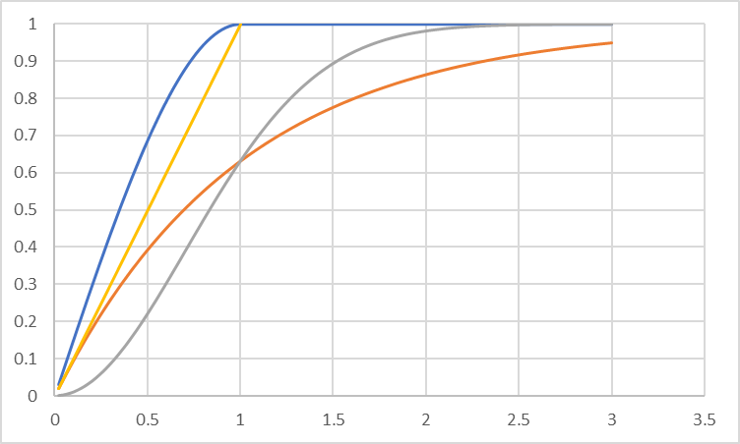
Spherical
exponential
Gaussian
power
 |  |  |  |  |  |  |  |  |  |  |  |  |  |  |  |  |  |  |  |  |  |  |  |  |  |  |  |  |  |  |  |  | Var.
 |  |  |  |  |  |  |  |  |  |  |  |  |  |  |  |  |  |  |  |  |  |  |  |  |  |  |  |  |  |  |  | Mod. Ajustado variograma experimental | 0.7 | 9.7 | 10.0 | -0.9 | 1 | l1 | 6
 |  |  |  |  |  |  |  |  |  |  |  |  |  |  |  |  |  |  |  |  |  |  |  |  |  |  |  |  |  |  |  | Krigagem simples | 9.7 | 0.7 | 8.0 | 9.5 | 1 | l2 | 9
$$γ\left(h\right)=0.72+9.35\left[\frac{3}{2}∗\left(\frac{h}{11}\right)−\frac{1}{2}∗{\left(\frac{h}{11}\right)}^{3}\right]$$
 |  |  |  |  |  |  |  |  |  |  |  |  |  |  |  |  |  |  |  |  |  |  |  |  |  |  |  |  |  |  |  |  | 10.0 | 8.0 | 0.7 | 9.8 | 1 | l3 | 10
 |  |  |  |  |  |  |  |  |  |  |  |  |  |  |  |  |  |  |  |  |  |  |  |  |  |  |  |  |  |  |  |  | -0.9 | 9.5 | 9.8 | 0.7 | 1 | l4 | 10
 |  |  |  |  |  |  |  |  |  |  |  |  |  |  |  |  |  |  |  |  |  |  |  |  |  |  |  |  |  |  |  |  | 1 | 1 | 1 | 1 | 0 | m | 1

 |  |  |  |  |  |  |  |  |  |  |  |  |  |  |  |  |  |  |  |  |  |  | 1.5 | 0.5 | h | a |  |  |  |  |  |  | 0.3 | 0.0 | 0.0 | -0.3 | 0.1 | 6 | -1.0
 |  |  |  |  |  |  |  |  |  |  |  |  |  |  |  |  |  |  |  |  |  |  | 0.72 | 9.35 | h | 11 |  |  |  |  |  |  | 0.0 | -0.1 | 0.1 | 0.0 | 0.3 | 9 | 0.3
 |  |  |  |  |  |  |  |  |  |  |  |  |  |  |  |  |  |  |  |  |  |  |  |  |  |  |  |  |  |  |  |  | 0.0 | 0.1 | -0.1 | 0.0 | 0.3 | 10 | 0.2
 |  |  |  |  |  |  |  |  |  |  |  |  |  |  |  |  |  |  |  |  |  |  |  |  |  |  |  |  |  |  |  |  | -0.3 | 0.0 | 0.0 | 0.3 | 0.2 | 10 | 1.4
 |  |  |  |  |  |  |  |  |  |  |  |  |  |  |  |  |  |  |  |  |  |  |  |  |  |  |  |  |  |  |  |  | 0.1 | 0.3 | 0.3 | 0.2 | -6.3 | 1 | 2.72
 |  |  |  |  |  |  |  |  |  |  |  |  |  |  |  |  |  |  |  |  |  |  |  |  |  |  |  |  |  |  |  |  |  |  |  |  | Weighs |  | 1.0
 |  |  |  |  |  |  |  |  |  |  |  |  |  |  |  |  |  |  |  |  |  |  |  |  |  |  |  |  |  |  |  |  |  |  |  |  |  |  | Parcial Result

 |  |  |  |  |  |  |  |  |  |  |  |  |  |  |  |  |  |  |  |  |  |  |  |  |  |  |  |  |  |  |  |  |  |  |  |  | -1.0 | -30.0
 |  |  |  |  |  |  |  |  |  |  |  |  |  |  |  |  |  |  |  |  |  |  |  |  |  |  |  |  |  |  |  |  |  |  |  |  | 0.3 | -0.3
 |  |  |  |  |  |  |  |  |  |  |  |  |  |  |  |  |  |  |  |  |  |  |  |  |  |  |  |  |  |  |  |  |  |  |  |  | 0.2 | -4.4
 |  |  |  |  |  |  |  |  |  |  |  |  |  |  |  |  |  |  |  |  |  |  |  |  |  |  |  |  |  |  |  |  |  |  |  |  | 1.4 | 573.1
 |  |  |  |  |  |  |  |  |  |  |  |  |  |  |  |  |  |  |  |  |  |  |  |  |  |  |  |  |  |  |  |  |  |  |  | 5 |  |  | Final
 |  |  |  |  |  |  |  |  |  |  |  |  |  |  |  |  |  |  |  |  |  |  |  |  |  |  |  |  |  |  |  |  |  |  |  |  | S | 538 | Result

B
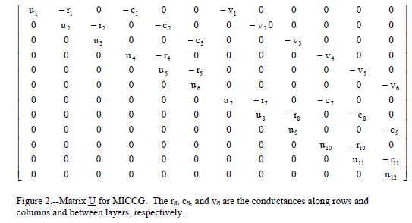
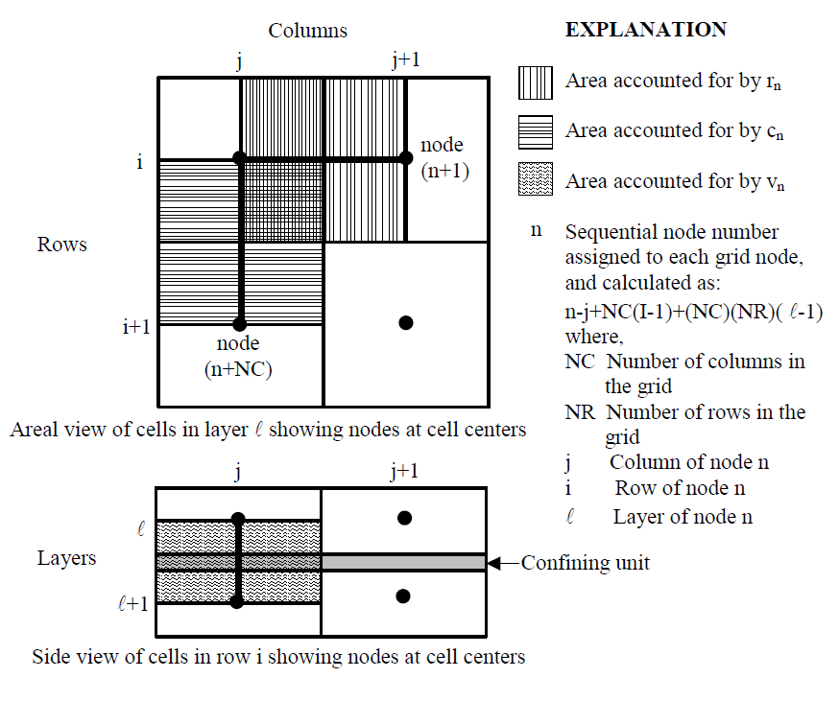
$3 x$3
$$h_{2,1}=\frac{h_{1,2}+h_{2,3}+h_{3,2}+h_{2,1}}{4}$$
 |  |  |  |  |  |  |  |  |  |  |  |  |  |  |  |  |  |  |  |  |  |  |  |  |  |  |  |  | Gabarito

$Z^{−1}$
$$\underline{h}$$
$$=\underline{k}$$
1.1 | 1.2 | 1.3 |  |  |  |  |  |  | 5.5 | 6.0 | 3.5 |  |  |  |  |  |  |  |  |  |  |  |  |  |  |  |  |  | 5.5 | 6.0 | 3.5
2.1 | 2.2 | 2.3 |  |  |  |  |  |  | 5.0 | ? | 1.0 |  |  |  |  |  |  |  |  |  |  |  |  |  |  |  |  |  | 5.0 | 23.0 | 1.0
3.1 | 3.2 | 3.3 |  |  |  |  |  |  | 42.5 | 80.0 | 40.5 |  | Inputs |  |  |  |  |  |  |  |  |  |  |  |  |  |  |  | 42.5 | 80.0 | 40.5

1.1 |  |  | 1.2 | 2.1 |  |  | 2 | 1 | 1 | 0 | 0 | 0 | 0 | 0 | 0 | 0 | 0 | 1 | 0% | 0% | 0% | 0% | 0% | 0% | 0% | 0% | 5.5 | 5.5 | 5.5 | 6.0 | 3.5
2.1 |  |  | 1.1 | 2.2 | 3.1 |  | 3 | 1 | 0 | 1 | 0 | 0 | 0 | 0 | 0 | 0 | 0 | 0% | 1 | 0% | 0% | 0% | 0% | 0% | 0% | 0% | 5 | 5.0 | 5.0 | 23.0 | 1.0
3.1 |  |  | 2.1 | 3.2 |  |  | 2 | 1 | 0 | 0 | 1 | 0 | 0 | 0 | 0 | 0 | 0 | 0% | 0% | 1 | 0% | 0% | 0% | 0% | 0% | 0% | 42.5 | 42.5 | 42.5 | 80.0 | 40.5
 | 1.2 |  | 1.1 | 2.2 | 1.3 |  | 3 | 1 | 0 | 0 | 0 | 1 | 0 | 0 | 0 | 0 | 0 | 0% | 0% | 0% | 1 | 0% | 0% | 0% | 0% | 0% | 6 | 6.0 |  | Resultado
 | 2.2 |  | 1.2 | 2.1 | 2.3 | 3.2 | -4 | 0 | 0 | 1 | 0 | 1 | -4 | 1 | 0 | 1 | 0 | 0% | 25% | 0% | 25% | -25% | 25% | 0% | 25% | 0% | - | 23.0
 | 3.2 |  | 3.1 | 2.2 | 3.3 |  | 3 | 1 | 0 | 0 | 0 | 0 | 0 | 1 | 0 | 0 | 0 | 0% | 0% | 0% | 0% | 0% | 1 | 0% | 0% | 0% | 80 | 80.0
 |  | 1.3 | 1.2 | 2.3 |  |  | 2 | 1 | 0 | 0 | 0 | 0 | 0 | 0 | 1 | 0 | 0 | 0% | 0% | 0% | 0% | 0% | 0% | 1 | 0% | 0% | 3.5 | 3.5 | 0 | 0 | 0
 |  | 2.3 | 1.3 | 2.2 | 3.3 |  | 3 | 1 | 0 | 0 | 0 | 0 | 0 | 0 | 0 | 1 | 0 | 0% | 0% | 0% | 0% | 0% | 0% | 0% | 1 | 0% | 1 | 1.0 | 0 | 0 | 0
 |  | 3.3 | 2.3 | 3.2 |  |  | 2 | 1 | 0 | 0 | 0 | 0 | 0 | 0 | 0 | 0 | 1 | 0% | 0% | 0% | 0% | 0% | 0% | 0% | 0% | 1 | 40.5 | 40.5 | 0 | 0 | 0
Desigh matrix / Sensitivity matrix
$X matrix$/ Acction of the model
Jacobiam matrix / Derivarive matrix
+$ε$
 |  |  |  |  |  |  |  |  | 1 | 2 | 1 | 2 | -4 | 2 | 1 | 2 | 1
a$∗X=b$
$$X^{−1}∗b=a$$
 |  |  |  |  |  |  |  |  | 1 | 1 | 1 | 1 | 0 | 1 | 1 | 1 | 1
 |  |  |  |  |  |  |  |  | 2 | 3 | 2 | 3 | -4 | 3 | 2 | 3 | 2
 |  |  |  |  |  |  |  |  | 0 | 0 | 0 | 0 | 0 | 0 | 0 | 0 | 0

C
F⁹
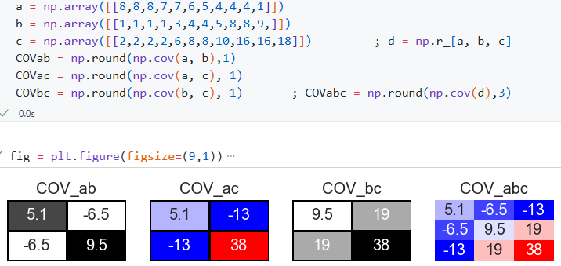
IN
cov$\left(X,Y\right)=\frac{1}{n−1}\sum_{i−1}^{n}{(x_{i}−(\overline{x} ) (y_{i}−\overline{y})}$
ab
co$rr=$
$$\frac{\text{cov}\left(X,Y\right)}{σ_{x}σ_{y}}$$
bc
ac
ab
Covariance matrix
OUT
 |  |  |  |  |  |  |  |  |  |  |  |  |  |  |  |  |  |  |  |  |  |  |  |  |  |  |  |  | Input C | 1 | 1
 |  |  | IN |  | 284 | 1846 | 1
 | 2 |  | 3.0 |  | 250 | 1600 | 9 |  |  |  |  |  |  |  |  |  | aa | bb | cc | ab | ac | bc
 | Input A |  | 2 |  | Input B |  | 3 |  |  |  |  |  |  |  | 5 |  | 11 | 22 | 33 | 12 | 13 | 23
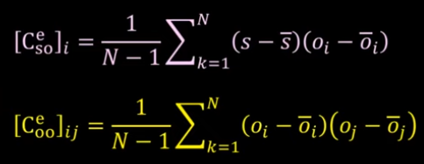

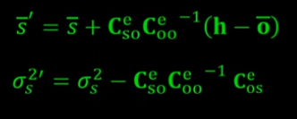
h ↔o
 | a | b | c |  | a | b | c |  | a | b | c |  |  |  | 10 |  | VAR | VAR | VAR | 21 | 31 | 32 |  | a | b | c
 | 7 | 3 |  |  | 2 | 6 | 6 |  | 8 | 1 | 2 |  | 2.4 | -3.1 | -6 |  | 5.6 | 9.6 | 38.2 | -7 | -15 | 19 | a | 5.1 | -6.5 | -13
 | 8 | 3 |  |  | 6 | 4 | 6 |  | 8 | 1 | 2 |  | 2.4 | -3.1 | -6 |  | 5.6 | 9.6 | 38.2 | -7 | -15 | 19 | b | -6.5 | 9.5 | 19
 | 1 | 7 |  |  | 8 | 6 | 3 |  | 8 | 1 | 2 |  | 2.4 | -3.1 | -6 |  | 5.6 | 9.6 | 38.2 | -7 | -15 | 19 | c | -12.9 | 19.0 | 38
Correlation coeffitient
 | 7 | 4 |  |  | 6 | 4 | 3 |  | 7 | 1 | 2 |  | 1.4 | -3.1 | -6 |  | 1.9 | 9.6 | 38.2 | -4 | -8 | 19
 | 4 | 5 |  |  | 1 | 6 | 9 |  | 7 | 3 | 6 |  | 1.4 | -1.1 | -2 |  | 1.9 | 1.2 | 4.8 | -1 | -3 | 2 |  |  |  |  | 11 | 12 | 13
 | 9 | 1 |  |  | 4 | 5 | 6 |  | 6 | 4 | 8 |  | 0.4 | -0.1 | 0 |  | 0.1 | 0.0 | 0.0 | 0 | 0 | 0 | CC | a | b | c | 21 | 22 | 23
 | 4 | 4 |  |  | 8 | 2 | 3 |  | 5 | 4 | 8 |  | -0.6 | -0.1 | 0 |  | 0.4 | 0.0 | 0.0 | 0 | 0 | 0 | a | 1 | -0.93 | -0.93 | 31 | 32 | 33
 | 4 | 9 |  |  | 7 | 7 | 4 |  | 4 | 5 | 10 |  | -1.6 | 0.9 | 2 |  | 2.7 | 0.8 | 3.3 | -1 | -3 | 2 | b | -0.93 | 1 | 1 |  |  | aua
 | 8 | 6 |  |  | 4 | 5 | 1 |  | 4 | 8 | 16 |  | -1.6 | 3.9 | 8 |  | 2.7 | 15.3 | 61.1 | -6 | -13 | 31 | c | -0.93 | 1 | 1 | 1 | 21 | 22
ABC
 | 6 | 4 |  |  | 4 | 7 | 3 |  | 4 | 8 | 16 |  | -1.6 | 3.9 | 8 |  | 2.7 | 15.3 | 61.1 | -6 | -13 | 31 |  |  |  |  | 21 | 2 | 23
 | 5 | 4 |  |  | 8 | 9 | 4 |  | 1 | 9 | 18 |  | -4.6 | 4.9 | 10 |  | 21.5 | 24.1 | 96.4 | -23 | -46 | 48 | σa | 2.2 |  |  | 22 | 23 | 3
 |  |  |  |  |  |  |  |  | Mean |  |  |  | 5.6 | 4.1 | 8.2 |  | Σa2/nº | Σb2/nº | VAR | cov1 | cov2 | cov3 | σb | 3.1 |  |  |  |  | aua
 |  |  |  |  |  |  |  |  | Variance S |  |  |  | 5.1 | 9.5 | 38 |  | 5.1 | 9.5 | 38 | -6.5 | -13 | 19 | σc | 6.2

 | Input C |  |  |  | Input D |  |  |  | 4.6 | 8.6 | 34.5 |  | Variance P |  |  |  | 4.6 | 8.6 | 4.7
T |  |  |  |  |  |  |  | 2
T | 8 | 1 | 2 | 7 | 1 | 1 | 1 | 16 |  | aT | 8 | 8 | 8 | 7 | 7 | 6 | 5 | 4 | 4
 | 8 | 1 | 2 | 3 | 1 | 2 | 1 | 2 |  | bT | 1 | 1 | 1 | 1 | 3 | 4 | 4 | 5 | 8
$$Cd=1/(n−1) ε(d_{i}−\overline{d})(d_{i}−\overline{d})$$
$$Cov\left\{x,y\right\}$$
$$=∆D{∆D}^{T}$$
$$={UΣV}^{T}$$
$$∆D=\frac{1}{n−1}(d_{n}−\overline{d})$$
$$C_{d}^{1/2}= UΣ$$
 | 8 | 1 | 2 | 5 | 1 | 3 | 2 | 2
$$x^{T}y$$
$$x^{T}x$$
$$x^{T}x$$
$$x^{T}y$$
 | 7 | 1 | 2 | 2 | 1 | 4 | 3 | 2 |  | VAR | 64 | 64 | 64 | 56 | 56 | 48 | 40 | 32 | 32 | aTa
 | 7 | 3 | 6 | 1 |  |  |  | 6 |  | VAR |  |  |  |  |  |  |  |  |  | aTb
 | 6 | 4 | 8 | 4 |  |  |  | 8
 | 5 | 4 | 8 | 5 |  |  |  | 8
 | 4 | 5 | 10 | 2 |  |  |  | 10 | 1 | 8 | 1 | 2 |  | 2 | -3 | -6 | 6
 | 4 | 8 | 16 | 5 |  |  |  | 16 | 2 | 8 | 1 | 2 |  | 2 | -3 | -6 | 6
 | 4 | 8 | 16 | 9 |  |  |  | 16 | 3 | 8 | 1 | 2 |  | 2 | -3 | -6 | 6
 | 1 | 9 | 18 | 9 |  |  |  | 18 | 4 | 7 | 1 | 2 |  | 1 | -3 | -6 | 2
 |  |  |  |  |  |  |  |  | 5 | 7 | 3 | 6 |  | 1 | -1 | -2 | 2
 | Input E |  |  |  |  |  |  |  | 6 | 6 | 4 | 8 |  | 0 | 0 | 0 | 0
 |  |  |  |  |  |  |  |  | 7 | 5 | 4 | 8 |  | -1 | 0 | 0 | 0
 | 1 | 4 | 7 |  |  |  |  |  | 8 | 4 | 5 | 10 |  | -2 | 1 | 2 | 3
 | 2 | 5 | 8 |  |  |  |  |  | 9 | 4 | 8 | 16 |  | -2 | 4 | 8 | 3
 | 3 | 6 | 9 |  |  |  |  |  | 10 | 4 | 8 | 16 |  | -2 | 4 | 8 | 3
 | 4 | 5 | 6 |  |  |  |  |  | 11 | 1 | 9 | 18 |  | -5 | 5 | 10 | 21

D
$$y∗X=b$$
Observations $∙$ Model = Parameters
∂ o₁ / ∂ p₁ ∂ o₁ / ∂ p₂ ∂ o₁ / ∂ p₃ ∂ o₁ / ∂ p₄
∂ o₂ / ∂ p₁ ∂ o₂ / ∂ p₂ ∂ o₂ / ∂ p₃ ∂ o₂ / ∂ p₄
∂ o₃ / ∂ p₁ ∂ o₃ / ∂ p₂ ∂ o₃ / ∂ p₃ ∂ o₃ / ∂ p₄
∂ o₄ / ∂ p₁ ∂ o₄ / ∂ p₂ ∂ o₄ / ∂ p₃ ∂ o₄ / ∂ p₄
∂ o₅ / ∂ p₁ ∂ o₅ / ∂ p₂ ∂ o₅ / ∂ p₃ ∂ o₅ / ∂ p₄
∂ o₆ / ∂ p₁ ∂ o₆ / ∂ p₂ ∂ o₆ / ∂ p₃ ∂ o₆ / ∂ p₄
∂ o₇ / ∂ p₁ ∂ o₇ / ∂ p₂ ∂ o₇ / ∂ p₃ ∂ o₇ / ∂ p₄
∂ o₈ / ∂ p₁ ∂ o₈ / ∂ p₂ ∂ o₈ / ∂ p₃ ∂ o₈ / ∂ p₄
_{etc}
Sensitivity (vector)
O₁
O₂
O₃
O...
o_{n}
P₁ P₂ P₃ P_{n}
$\underline{h}= \underline{X}$ $\underline{p}$ + $ε$
o₀ = X (p₀)
o-o₀ ≈ J (p-p₀)
$$J_{ij}= \frac{∂o_{i}}{∂p_{j}}$$
$$\underline{X}=$$
$p_{1}$ α
$$p_{2}$$
β

$$X_{ij}= \frac{∂y_{i}}{∂b_{j}}$$
... + errors
$$X_{ij}= \frac{∂y_{i}}{∂b_{j}}≈\frac{{f\left(b_{j}+{Δb}_{j}\right)}_{i}−{f\left(b_{j}\right)}_{i}}{{Δb}_{j}}$$
$$\hat{β}=X^{−1}y$$
$$y=Xβ+ ε$$
$$y_{i}={{f(b}_{i})}_{i}$$
$$ε= y−Xβ$$
${ε }^{T}ε ={(y−Xβ)}^{T}(y−Xβ)$ = $Φ\left(β\right) / Q$
Weights
$$\frac{∂{ε }^{T}ε}{∂{β }^{T}} ={(y−Xβ)}^{T}(y−Xβ)=0$$

$$\hat{β}={{(X}^{T}X)}^{−1}X^{T}y …Newton SOLUTION$$
$$\hat{β}={{(X}^{T}QX)}^{−1}X^{T} Qy$$
$$y=X Q β+ ε$$
$y=f(X Q ,β$)
${\hat{β}}_{i+1}={\hat{β}}_{i} {+{ (X}^{T}QX+ λI)}^{−1} X^{T}Q(y−X{\hat{β}}_{i})$ ... Taylor series
The normal equation
Q|NOBS × NOBS|
 | Lambda
$${\hat{β}}_{i+1}={\hat{β}}_{i}{ + {(X}^{T}QX+ λ_{diag}({(X}^{T}X))}^{−1} X^{T}Q(y−X{\hat{β}}_{i})$$
Step size
Response surface

E
$$y∗X=b$$
Observations $∙$ Model = Parameters
∂ o₁ / ∂ p₁ ∂ o₁ / ∂ p₂ ∂ o₁ / ∂ p₃ ∂ o₁ / ∂ p₄
∂ o₂ / ∂ p₁ ∂ o₂ / ∂ p₂ ∂ o₂ / ∂ p₃ ∂ o₂ / ∂ p₄
∂ o₃ / ∂ p₁ ∂ o₃ / ∂ p₂ ∂ o₃ / ∂ p₃ ∂ o₃ / ∂ p₄
∂ o₄ / ∂ p₁ ∂ o₄ / ∂ p₂ ∂ o₄ / ∂ p₃ ∂ o₄ / ∂ p₄
∂ o₅ / ∂ p₁ ∂ o₅ / ∂ p₂ ∂ o₅ / ∂ p₃ ∂ o₅ / ∂ p₄
∂ o₆ / ∂ p₁ ∂ o₆ / ∂ p₂ ∂ o₆ / ∂ p₃ ∂ o₆ / ∂ p₄
∂ o₇ / ∂ p₁ ∂ o₇ / ∂ p₂ ∂ o₇ / ∂ p₃ ∂ o₇ / ∂ p₄
∂ o₈ / ∂ p₁ ∂ o₈ / ∂ p₂ ∂ o₈ / ∂ p₃ ∂ o₈ / ∂ p₄
_{etc}
Sensitivity (vector)
O₁
O₂
O₃
O...
o_{n}
P₁ P₂ P₃ P_{n}
$\underline{h}= \underline{X}$ $\underline{p}$ + $ε$
o₀ = X (p₀)
o-o₀ ≈ J (p-p₀)
$$J_{ij}= \frac{∂o_{i}}{∂p_{j}}$$
$$\underline{X}=$$
$p_{1}$ α
$$p_{2}$$
β
https://kataclima.com/pest/pest-videos/

$$X_{ij}= \frac{∂y_{i}}{∂b_{j}}$$
... + errors
$$X_{ij}= \frac{∂y_{i}}{∂b_{j}}≈\frac{{f\left(b_{j}+{Δb}_{j}\right)}_{i}−{f\left(b_{j}\right)}_{i}}{{Δb}_{j}}$$
$$\hat{β}=X^{−1}y$$
$$y=Xβ+ ε$$
$$y_{i}={{f(b}_{i})}_{i}$$
$$ε= y−Xβ$$
$\underline{h}= \underline{Z}$ $\underline{k}$
$\underline{h}= \text{U}\text{SV} \text{t}$ $\underline{k}$
$\underline{h}=\text{U}S_{1}V_{1}^{t}$ $\underline{k}$
$U^{t} \underline{h}=U^{t} \text{U} S_{1}V_{1}^{t}$ $\underline{k}$
$S_{1}^{−1}U^{t} \underline{h}=S_{1}^{−1}S_{1}V_{1}^{t}$ $\underline{k}$
$V_{1}S_{1}^{−1}U^{t} \underline{h}=V_{1}V_{1}^{t}$ $\underline{k}= \underline{\hat{k}}$
$\underline{\hat{k}}$ = $V_{1}S_{1}^{−1}U^{t} \underline{h}$
$\underline{\hat{k}} =V_{1}V_{1}^{t}$ $\underline{k}=R\underline{k}$
$\underline{k}$ = $Z^{−1}∗\underline{h}$
AA⁻¹ = A⁻¹A = I
*
*

ketchup!
+ $ε$
$\underline{\hat{k}}$ = $V_{1}S_{1}^{−1}U^{t} \underline{h}$
$\underline{\hat{k}}$ = $V_{1}S_{1}^{−1}U^{t} Z \underline{k}$ + $V_{1}S_{1}^{−1}U^{t}ε$
$\underline{\hat{k}}$ = $V_{1}S_{1}^{−1}U^{t}$U S₁V₁^{t} $\underline{k}$ + $V_{1}S_{1}^{−1}U^{t}ε$
$\underline{\hat{k}}$ = $V_{1}$V₁^{t} $\underline{k}$ + $V_{1}S_{1}^{−1}U^{t}ε$
noise
parameter error
*

F
V₃
V₁ V₂
$\underline{k}$
True
$\underline{\hat{k}}$
estimable directions in parameter space
3th D
Null
space
V₃ W₂
$V_{1}V_{1}^{T}$
$V_{1}V_{1}^{t}\underline{j}$
$V_{2}V_{2}^{t}\underline{j}$
α
projection
unknown
reality
$\underline{k}$
$\underline{\hat{k}}$
α identifiability:
𝑠𝑞𝑢𝑎𝑟𝑒 𝑜𝑓 𝑡ℎ𝑒 𝑐𝑜𝑠𝑖𝑛𝑒 𝑜𝑓 𝑡ℎ𝑒 𝑎𝑛𝑔𝑙𝑒 𝑏𝑒𝑡𝑤𝑒𝑒𝑛 𝑎 𝑝𝑎𝑟𝑎𝑚𝑒𝑡𝑒𝑟 𝑎𝑛𝑑 𝑖𝑡𝑠 𝑝𝑟𝑜𝑗𝑒𝑐𝑡𝑖𝑜𝑛 𝑜𝑛𝑡𝑜 𝑡ℎ𝑒 𝑐𝑎𝑙𝑖𝑏𝑟𝑎𝑡𝑖𝑜𝑛
PAR history-matching
Solution space
PAR knowledge constraints
v₁
v₂
W
$$\underline{k}$$
$$\underline{\hat{k}}$$
α = v^{t}₁k
β = v^{t}₂k
$${\underline{k}}_{0}$$
$$k_{0}$$
H_{calibrated}
H_{others}
ortogonal subspaces (x,y)
&
$\underline{k}$ = $Z^{−1}∗\underline{h}$

W
$${\underline{k}}_{0}$$
$$k_{0}$$
$$k_{1}$$
v₂
v₁
$$k_{n}$$
$$k_{stocastic }$$
H_{unique}
$p_{1}$ α
$$p_{2}$$
β
$=U \left[\begin{matrix}S_{1} & S_{2}\end{matrix}\right]$ $\left\lceil \begin{matrix}V_{1}^{t} \\ V_{2}^{t}\end{matrix}\right\rceil$
$$Q^{1/2}J$$

H
=
+
U
$$\underline{h}$$
V ^{t}
S
$$Z$$
$\underline{k}$ +$ε$
v₁
v₂
W
α = v^{t}₁k
β = v^{t}₂k
$${\underline{k}}_{0}$$
characterisation K
v₁
v₂
v₃
behaviour H_Q

$$\left| J_{ij }\right|X|Z|≈\frac{∂h_{i}}{∂k_{j}}$$
$V$ = $\left|\begin{matrix}v_{11} \\ v_{21} \\ \begin{matrix}v_{31} \\ \begin{matrix}⋮ \\ v_{n1}\end{matrix}\end{matrix}\end{matrix} \begin{matrix}v_{12} \\ v_{22} \\ \begin{matrix}v_{32} \\ \begin{matrix}⋮ \\ v_{n2}\end{matrix}\end{matrix}\end{matrix} \begin{matrix} \\ \\ \begin{matrix} \\ \begin{matrix}⋯ \\ \end{matrix}\end{matrix}\end{matrix} \begin{matrix}…v_{19} \\ …v_{29} \\ \begin{matrix}…v_{39} \\ \begin{matrix}⋮ \\ {…v}_{n9}\end{matrix}\end{matrix}\end{matrix} \begin{matrix}v_{1n} \\ v_{2n} \\ \begin{matrix}v_{3n} \\ \begin{matrix}⋮ \\ v_{nn}\end{matrix}\end{matrix}\end{matrix}\right|$

W
$${\underline{k}}_{0}$$
$$k_{0}$$
$$k_{1}$$
v₂
v₁
$$k_{n}$$
$$k_{stocastic }$$
H_{unique}
$p_{1}$ α
$$p_{2}$$
β
$=U \left[\begin{matrix}S_{1} & S_{2}\end{matrix}\right]$ $\left\lceil \begin{matrix}V_{1}^{t} \\ V_{2}^{t}\end{matrix}\right\rceil$
$$Q^{1/2}J$$

i
=
+
U S V ^{t}
$\underline{p}$ = $\left|\begin{matrix} \\ \\ \end{matrix}\begin{matrix}k_{1} \\ k_{2} \\ \begin{matrix}k_{3} \\ k_{4} \\ \begin{matrix}k_{5} \\ k_{6} \\ k_{n}\end{matrix}\end{matrix}\end{matrix}\begin{matrix} \\ \\ \end{matrix}\right|$
h = $\left|\begin{matrix} \\ \\ \end{matrix}\begin{matrix}h_{1} \\ h_{2} \\ \begin{matrix}h_{3} \\ \begin{matrix}h_{4} \\ h_{5} \\ \begin{matrix}h_{6} \\ h_{7} \\ \begin{matrix}h_{8} \\ h_{9} \\ \begin{matrix}h_{n} \\ h_{11} \\ h_{13…}\end{matrix}\end{matrix}\end{matrix}\end{matrix}\end{matrix}\end{matrix}\begin{matrix} \\ \\ \end{matrix}\right|$
observações
modelo
parâmetros
$ε$

$V$
$Z$
$Z$
$S$
U
 |  |  |  |  | #NAME? |  |  |  |  | #NAME? |  |  |  |  | #NAME?

0.2 | 0.0 | 0.2 | 0.2 | 0.2 | -0.42 | 0.29 | -0.40 | -0.62 | -0.44 | 1.0 | 0 | 0 | 0 | 0 | -0.45 | -0.48 | -0.35 | -0.57 | -0.34 | 0.2 | 0.0 | 0.2 | 0.2 | 0.2 | 0.0 | 0.0 | 0.0 | 0.0 | 0.0
0.2 | 0.1 | 0.2 | 0.4 | 0.1 | -0.46 | 0.16 | -0.52 | 0.27 | 0.64 | 0 | 0.4 | 0 | 0 | 0 | 0.71 | -0.54 | 0.33 | -0.12 | -0.29 | 0.2 | 0.1 | 0.2 | 0.4 | 0.1 | 0.0 | 0.0 | 0.0 | 0.0 | 0.0
0.1 | 0.3 | 0.1 | 0.4 | 0.1 | -0.48 | -0.34 | -0.05 | 0.59 | -0.55 | 0 | 0 | 0.3 | 0 | 0 | 0.35 | 0.65 | -0.08 | -0.65 | -0.19 | 0.1 | 0.3 | 0.1 | 0.4 | 0.1 | 0.0 | 0.0 | 0.0 | 0.0 | 0.0
0.0 | 0.4 | 0.1 | 0.2 | 0.3 | -0.44 | -0.66 | 0.31 | -0.43 | 0.29 | 0 | 0 | 0 | 0.22 | 0 | 0.01 | 0.19 | -0.24 | 0.47 | -0.83 | 0.0 | 0.4 | 0.1 | 0.2 | 0.3 | 0.0 | 0.0 | 0.0 | 0.0 | 0.0
0.4 | 0.2 | 0.2 | 0.1 | 0.0 | -0.44 | 0.58 | 0.68 | 0.09 | 0.06 | 0 | 0 | 0 | 0 | 0.03 | 0.43 | -0.13 | -0.84 | 0.12 | 0.29 | 0.4 | 0.2 | 0.2 | 0.1 | 0.0 | 0.0 | 0.0 | 0.0 | 0.0 | 0.0

$\text{}$
$$v_{1}v_{2} w_{3,4,5,…….…n}$$
$$Q^{1/2}J$$

J
v₁
v₂
W
α = v^{t}₁k
β = v^{t}₂k
$${\underline{k}}_{0}$$
characterisation K
behaviour H_Q
P(k|h) | P(h|k) | P(k)
..vector..M.. | system behaviour (h) | site characterisation
Posterior | state | Prior
 |  | parameters (k)
$P\left(k | h\right)∝$ $P(h|k)$ + $P(k)$

Prior
Posterior
error

$p_{1}$ α
$$p_{2}$$
β

$Σ_{θ}$
${σ_{s}^{2}=y^{T}∑}_{θ}y$
$Σ_{ε}$
$$Φ=\sum_{i=1}^{n}{{(W_{i}r_{i})}^{2}}\sum_{j=1}^{mq}{{(f_{j}(p)}^{2}}$$

${{\overline{σ}}_{s}^{2}=y^{T}\overline{\overline{∑}}}_{θ}y$

$X_{INPUTS} ∗ b_{PARAMETROS }=c_{RESULTADOS}$
$$Φ={(c−Xb)}^{t}(c−Xb)$$
$$Φ={(c−Xb)}^{t} Q (c−Xb)$$
$$Φ=\sum_{i=1}^{m}{{(W_{i}r_{i})}^{2}}$$
$$Φ={\left(h−\underline{X} \underline{p}\right)}^{t}\left(h−\underline{X}\underline{p}\right)$$
$$r= {(h−\underline{X} p)}_{i}$$
$\underline{h}= \underline{X}$ $\underline{p}$ + $ε$

K
v₁
v₂
W
α = v^{t}₁k
β = v^{t}₂k
$${\underline{k}}_{0}$$
characterisation K
behaviour H_Q

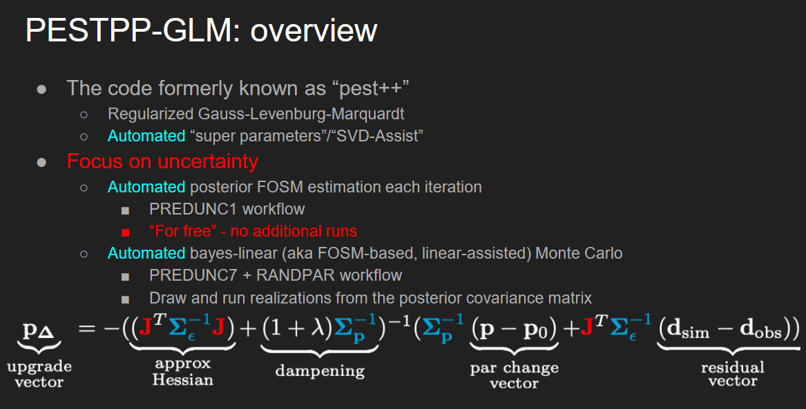

$p_{1}$ α
$$p_{2}$$
β

b01
$$Xb=c$$
$$OBS_c | PAR_b$$
$$σ^{2}=Φ/(m−n)$$
$$X_{(m−n)}$$
$$Φ={(c−Xb)}^{t}(c−Xb)$$
$$ρ_{ij}=\frac{σ_{ij}}{\sqrt{σ_{ii}σ_{jj}}}$$
$${\left(c−Xb\right)}^{t}Q\left(c−Xb\right)= Φ_{0}$$
$$d=d=ZB$$
1 | 2.1.1 Parameter Estimation for Linear Models |  | Model-Independent Parameter Estimation User Manual: 5th Edition
2 | 2.1 | 24 | 2.1.9 Predictive Analysis | 46 | 2.2 PEST’s Implementation of the Method
3 | 2.3 | 25 | 2.28b | 47 | 2.3 The Calculation of Derivatives
$${b=(X^{t}X)}^{−1}X^{t}c$$
$$b={(X^{t}QX)}^{−1}\left\{X^{t}Qc−Z/2λ\right\}$$
$$Φ_{0}=Φ_{min}+δ$$
4 | 2.4 | 26 | 2.29a | 48 | 3. The Model-PEST Interface
$${C(b)=σ^{2}(X^{t}X)}^{−1}$$
$$PAR cov$$
$${\left(\frac{1}{2λ}\right)}^{2}=\frac{Φ_{0}−c^{t}Qc+QX{(X^{t}QX)}^{−1}X^{t}Qc }{Z^{t}{(X^{t}QX)}^{−1} \text{Z}}$$
5 | 2.6 | 27 | 2.29b | 49 | 4. The PEST Control File
$$Φ=\sum_{n}^{m}{{(w_{i}r_{i})}^{2}}$$
6 | 2.1.2 Observation Weights | 28 |  | 50 | 4.3 Observation Covariances
$$Φ={(c−Xb)}^{t}(c−Xb)$$
7 | 2.8a | 29 | 2.1.10 Regularisation | 51 | 5. Running PEST
$$Φ={(c−Xb)}^{t}P^{−1}(c−Xb)$$
$$Q|P=\left[\begin{matrix}1 & 0 \\ 0 & 1\end{matrix}\right]$$
$$Φ_{0}={\left(c−Xb\right)}^{t}Q_{m}\left(c−Xb\right)$$
$$Φ_{0}≤{Φ_{m}}^{1}=Φ_{m}$$
8 | 2.9 | 30 | 2.30a | 52 | 5.3 Other PEST Output Files
$${b=(X^{t}QX)}^{−1}X^{t}Qc$$
$${C(b)=σ^{2}(X^{t}QX)}^{−1}$$
$$W|P=Q^{−1}=C(c)/σ^{2}$$
$$Φ_{r}={\left(c−Xb\right)}^{t}Q_{r}\left(c−Xb\right)$$
9 | 2.11 | 31 | 2.30b | 53 | 6. Predictive Analysis
$Φ_{t}=Φ_{r}$+${γΦ}_{m}$
10 | 2.12 | 32 | 2.32 | 54 | 7. Regularisation
$$c=Xb$$
$Φ_{t}={μΦ}_{t}$=${μΦ}_{r}{+Φ}_{m}$
11 | 2.1.4 Nonlinear Parameter Estimation | 33 |  | 55 | 8. Advanced Regularisation and SVD-Assist
$$c_{0}={M(b}_{0})$$
$$Φ={(c−Xb)}^{t}(c−Xb)$$
12 | 2.13 | 34 | 2.1.11 Use of an Observation Covariance Matrix | 56 | 8.4 Truncated Singular Value Decomposition
$${c=c}_{0}+{J(b−b}_{0})$$
$$R^{t}=R^{−1}$$
$${d=R}^{t}c$$
$${D=R}^{t}CR$$
13 | 2.14 | 35 |  | 57 | 8.5 SVD-Assist
$$Φ={\left(c−c_{0}−{J(b−b}_{0})\right)}^{t}Q\left(c−c_{0}−{J(b−b}_{0})\right)$$
$${b=(X^{t}QX)}^{−1}X^{t}Qc$$
$${Y=R}^{t}X$$
14 | 2.15 | 36 | 2.37 | 58 | 9. Model-Calculated Derivatives
$$u={\left(J^{t}QJ\right)}^{−1}J^{t}Q(c−c_{0})$$
$$parameter upgrade vector$$
$${b=(Y^{t}TY)}^{−1}Y^{t}Td$$
$$OBS cofactor matrix Q$$
15 | 2.16 | 37 | 2.38 | 59 | 10. Parallel PEST
$${C(b)=σ^{2}(J^{t}QJ)}^{−1}$$
$${C(b)=σ^{2}(X^{t}QX)}^{−1}$$
16 | 2.17 | 38 | 2.41 | 60 | 11. PEST Utilities
$$g_{i}=\frac{∂Φ}{∂b_{i}}$$
$${C(b)=σ^{2}(Y^{t}TY)}^{−1}$$
17 | 2.1.5 The Marquardt Parameter | 39 | 2.42 | 61 | 12. SENSAN
$$u={\left(J^{t}QJ\right)}^{−1}J^{t}Qr$$
$g={−2J}^{t}Q$r
$$γ=Ju$$
$$R= \frac{\sum{(w_{i}c−m)(w_{i}c_{oi}−m_{o})}}{{\sum{(w_{i}c_{i}−m)(w_{i}c_{i}−m_{o})}\sum{(w_{i}c_{oi}−m)(w_{i}c_{oi}−m_{o})}}^{1/2}}$$
18 | 2.18 | 40 | 2.1.12 Goodness of Fit | 62 | 13. An Example
$$u={\left(J^{t}QJ+αI\right)}^{−1}J^{t}Qr$$
$$β=\frac{\sum_{i=1}^{m}{{(c_{i}−{c0}_{i})w_{i}}^{2}γ_{i}}}{\sum_{i=1}^{m}{{(w_{i}γ_{i})}^{2}}}$$
19 | 2.20 | 41 | 2.43 | 63
20 | 2.1.7 Marquardt λ Upgrade Vector | 42 |  | 64 | 2. The PEST Algorithm
$$S_{ii}={{\left(J^{t}QJ\right)}_{ii}}^{−1/2}$$
co$rr=\frac{\text{cov}\left(X,Y\right)}{σ_{x}σ_{y}}$
$$σ^{2}|{ρ_{ij}}^{2}=\frac{σ_{ij}}{σ_{x}σ_{y}}$$
21 | 2.22 | 43 |  | 65
$$S^{−1}u={\left(({JS)}^{t}QJS+αS^{t}S\right)}^{−1}{(JS)}^{t}Qr$$
$$γ_{i}=\sum_{j=1}^{n}{u_{j}}\frac{∂{c0}_{i}}{∂b_{i}}$$
22 | 2.23 | 44 |  | 66
$$b=b_{0}+βu$$
23 | 2.26 | 45 |  | 67
24 |  | 46 |  | 68
25 |  | 47 |  | 69
26 |  | 48 |  | 70
27 |  | 49 |  | 71
28 |  | 50 |  | 72
29 |  | 51 |  | 73
30 |  | 52 |  | 74
31 |  | 53 |  | 75
32 |  | 54 |  | 76
33 |  | 55 |  | 77
34 |  | 56 |  | 78
35 |  | 57 |  | 79
36 |  | 58 |  | 80
37 |  | 59 |  | 81
38 |  | 60 |  | 82
39 |  | 61 |  | 83
40 |  | 62 |  | 84
41 |  | 63 |  | 85
42 |  | 64 |  | 86
43 |  | 65 |  | 87
44 |  | 66 |  | 88
45 |  | 67 |  | 89
46 |  | 68 |  | 90
47 |  | 69 |  | 91
48 |  | 70 |  | 92
49 |  | 71 |  | 93
50 |  | 72 |  | 94
51 |  | 73 |  | 95
52 |  | 74 |  | 96
53 |  | 75 |  | 97
54 |  | 76 |  | 98
55 |  | 77 |  | 99
56 |  | 78 |  | 100
57 |  | 79 |  | 101
58 |  | 80 |  | 102
59 |  | 81 |  | 103
60 |  | 82 |  | 104
61 |  | 83 |  | 105
62 |  | 84 |  | 106
63 |  | 85 |  | 107
64 |  | 86 |  | 108
65 |  | 87 |  | 109
66 |  | 88 |  | 110
67 |  | 89 |  | 111
68 |  | 90 |  | 112
69 |  | 91 |  | 113
70 |  | 92 |  | 114

