C
F⁹
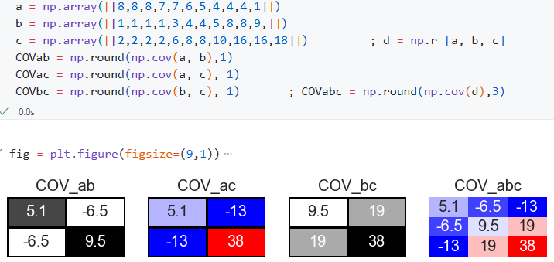
IN
cov$\left(X,Y\right)=\frac{1}{n−1}\sum_{i−1}^{n}{(x_{i}−(\overline{x} ) (y_{i}−\overline{y})}$
ab
co$rr=$
$$\frac{\text{cov}\left(X,Y\right)}{σ_{x}σ_{y}}$$
bc
ac
ab
Covariance matrix
OUT
 |  |  |  |  |  |  |  |  |  |  |  |  |  |  |  |  |  |  |  |  |  |  |  |  |  |  |  |  | Input C | 1 | 1
 |  |  | IN |  | 295 | 1845 | 1
 | 2 |  | 1.0 |  | 250 | 1600 | 9 |  |  |  |  |  |  |  |  |  | aa | bb | cc | ab | ac | bc
 | Input A |  | 2 |  | Input B |  | 3 |  |  |  |  |  |  |  | 5 |  | 11 | 22 | 33 | 12 | 13 | 23
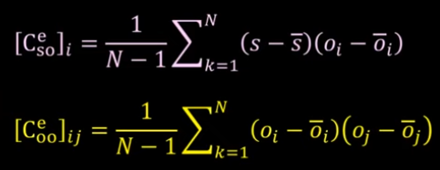

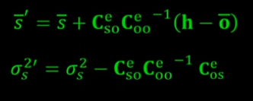
h ↔o
 | a | b | c |  | a | b | c |  | a | b | c |  |  |  | 10 |  | VAR | VAR | VAR | 21 | 31 | 32 |  | a | b | c
 | 7 | 3 |  |  | 2 | 7 | 3 |  | 8 | 1 | 2 |  | 2.4 | -3.1 | -6 |  | 5.6 | 9.6 | 38.2 | -7 | -15 | 19 | a | 5.1 | -6.5 | -13
 | 8 | 3 |  |  | 1 | 9 | 6 |  | 8 | 1 | 2 |  | 2.4 | -3.1 | -6 |  | 5.6 | 9.6 | 38.2 | -7 | -15 | 19 | b | -6.5 | 9.5 | 19
 | 1 | 7 |  |  | 4 | 9 | 9 |  | 8 | 1 | 2 |  | 2.4 | -3.1 | -6 |  | 5.6 | 9.6 | 38.2 | -7 | -15 | 19 | c | -12.9 | 19.0 | 38
Correlation coeffitient
 | 7 | 4 |  |  | 7 | 8 | 1 |  | 7 | 1 | 2 |  | 1.4 | -3.1 | -6 |  | 1.9 | 9.6 | 38.2 | -4 | -8 | 19
 | 4 | 5 |  |  | 2 | 8 | 8 |  | 7 | 3 | 6 |  | 1.4 | -1.1 | -2 |  | 1.9 | 1.2 | 4.8 | -1 | -3 | 2 |  |  |  |  | 11 | 12 | 13
 | 9 | 1 |  |  | 3 | 7 | 5 |  | 6 | 4 | 8 |  | 0.4 | -0.1 | 0 |  | 0.1 | 0.0 | 0.0 | 0 | 0 | 0 | CC | a | b | c | 21 | 22 | 23
 | 4 | 4 |  |  | 4 | 9 | 3 |  | 5 | 4 | 8 |  | -0.6 | -0.1 | 0 |  | 0.4 | 0.0 | 0.0 | 0 | 0 | 0 | a | 1 | -0.93 | -0.93 | 31 | 32 | 33
 | 4 | 9 |  |  | 4 | 7 | 4 |  | 4 | 5 | 10 |  | -1.6 | 0.9 | 2 |  | 2.7 | 0.8 | 3.3 | -1 | -3 | 2 | b | -0.93 | 1 | 1 |  |  | aua
 | 8 | 6 |  |  | 7 | 5 | 6 |  | 4 | 8 | 16 |  | -1.6 | 3.9 | 8 |  | 2.7 | 15.3 | 61.1 | -6 | -13 | 31 | c | -0.93 | 1 | 1 | 1 | 21 | 22
ABC
 | 6 | 4 |  |  | 6 | 6 | 4 |  | 4 | 8 | 16 |  | -1.6 | 3.9 | 8 |  | 2.7 | 15.3 | 61.1 | -6 | -13 | 31 |  |  |  |  | 21 | 2 | 23
 | 5 | 4 |  |  | 4 | 4 | 8 |  | 1 | 9 | 18 |  | -4.6 | 4.9 | 10 |  | 21.5 | 24.1 | 96.4 | -23 | -46 | 48 | σa | 2.2 |  |  | 22 | 23 | 3
 |  |  |  |  |  |  |  |  | Mean |  |  |  | 5.6 | 4.1 | 8.2 |  | Σa2/nº | Σb2/nº | VAR | cov1 | cov2 | cov3 | σb | 3.1 |  |  |  |  | aua
 |  |  |  |  |  |  |  |  | Variance S |  |  |  | 5.1 | 9.5 | 38 |  | 5.1 | 9.5 | 38 | -6.5 | -13 | 19 | σc | 6.2

 | Input C |  |  |  | Input D |  |  |  | 4.6 | 8.6 | 34.5 |  | Variance P |  |  |  | 4.6 | 8.6 | 4.7
T |  |  |  |  |  |  |  | 2
T | 8 | 1 | 2 | 7 | 1 | 1 | 1 | 16 |  | aT | 8 | 8 | 8 | 7 | 7 | 6 | 5 | 4 | 4
 | 8 | 1 | 2 | 3 | 1 | 2 | 1 | 2 |  | bT | 1 | 1 | 1 | 1 | 3 | 4 | 4 | 5 | 8
$$Cd=1/(n−1) ε(d_{i}−\overline{d})(d_{i}−\overline{d})$$
$$Cov\left\{x,y\right\}$$
$$=∆D{∆D}^{T}$$
$$={UΣV}^{T}$$
$$∆D=\frac{1}{n−1}(d_{n}−\overline{d})$$
$$C_{d}^{1/2}= UΣ$$
 | 8 | 1 | 2 | 5 | 1 | 3 | 2 | 2
$$x^{T}y$$
$$x^{T}x$$
$$x^{T}x$$
$$x^{T}y$$
 | 7 | 1 | 2 | 2 | 1 | 4 | 3 | 2 |  | VAR | #VALUE! | #VALUE! | #VALUE! | #VALUE! | #VALUE! | #VALUE! | #VALUE! | #VALUE! | #VALUE! | aTa
 | 7 | 3 | 6 | 1 |  |  |  | 6 |  | #REF! |  |  |  |  |  |  |  |  |  | aTb
 | 6 | 4 | 8 | 4 |  |  |  | 8
 | 5 | 4 | 8 | 5 |  |  |  | 8
 | 4 | 5 | 10 | 2 |  |  |  | 10 | 1 | 8 | 1 | 2 |  | 2 | -3 | -6 | 6
 | 4 | 8 | 16 | 5 |  |  |  | 16 | 2 | 8 | 1 | 2 |  | 2 | -3 | -6 | 6
 | 4 | 8 | 16 | 9 |  |  |  | 16 | 3 | 8 | 1 | 2 |  | 2 | -3 | -6 | 6
 | 1 | 9 | 18 | 9 |  |  |  | 18 | 4 | 7 | 1 | 2 |  | 1 | -3 | -6 | 2
 |  |  |  |  |  |  |  |  | 5 | 7 | 3 | 6 |  | 1 | -1 | -2 | 2
 | Input E |  |  |  |  |  |  |  | 6 | 6 | 4 | 8 |  | 0 | 0 | 0 | 0
 |  |  |  |  |  |  |  |  | 7 | 5 | 4 | 8 |  | -1 | 0 | 0 | 0
 | 1 | 4 | 7 |  |  |  |  |  | 8 | 4 | 5 | 10 |  | -2 | 1 | 2 | 3
 | 2 | 5 | 8 |  |  |  |  |  | 9 | 4 | 8 | 16 |  | -2 | 4 | 8 | 3
 | 3 | 6 | 9 |  |  |  |  |  | 10 | 4 | 8 | 16 |  | -2 | 4 | 8 | 3
 | 4 | 5 | 6 |  |  |  |  |  | 11 | 1 | 9 | 18 |  | -5 | 5 | 10 | 21

