D
$$y∗X=b$$
Observations $∙$ Model = Parameters
∂ o₁ / ∂ p₁ ∂ o₁ / ∂ p₂ ∂ o₁ / ∂ p₃ ∂ o₁ / ∂ p₄
∂ o₂ / ∂ p₁ ∂ o₂ / ∂ p₂ ∂ o₂ / ∂ p₃ ∂ o₂ / ∂ p₄
∂ o₃ / ∂ p₁ ∂ o₃ / ∂ p₂ ∂ o₃ / ∂ p₃ ∂ o₃ / ∂ p₄
∂ o₄ / ∂ p₁ ∂ o₄ / ∂ p₂ ∂ o₄ / ∂ p₃ ∂ o₄ / ∂ p₄
∂ o₅ / ∂ p₁ ∂ o₅ / ∂ p₂ ∂ o₅ / ∂ p₃ ∂ o₅ / ∂ p₄
∂ o₆ / ∂ p₁ ∂ o₆ / ∂ p₂ ∂ o₆ / ∂ p₃ ∂ o₆ / ∂ p₄
∂ o₇ / ∂ p₁ ∂ o₇ / ∂ p₂ ∂ o₇ / ∂ p₃ ∂ o₇ / ∂ p₄
∂ o₈ / ∂ p₁ ∂ o₈ / ∂ p₂ ∂ o₈ / ∂ p₃ ∂ o₈ / ∂ p₄
_{etc}
Sensitivity (vector)
O₁
O₂
O₃
O...
o_{n}
P₁ P₂ P₃ P_{n}
$\underline{h}= \underline{X}$ $\underline{p}$ + $ε$
o₀ = X (p₀)
o-o₀ ≈ J (p-p₀)
$$J_{ij}= \frac{∂o_{i}}{∂p_{j}}$$
$$\underline{X}=$$
$p_{1}$ α
$$p_{2}$$
β

$$X_{ij}= \frac{∂y_{i}}{∂b_{j}}$$
... + errors
$$X_{ij}= \frac{∂y_{i}}{∂b_{j}}≈\frac{{f\left(b_{j}+{Δb}_{j}\right)}_{i}−{f\left(b_{j}\right)}_{i}}{{Δb}_{j}}$$
$$\hat{β}=X^{−1}y$$
$$y=Xβ+ ε$$
$$y_{i}={{f(b}_{i})}_{i}$$
$$ε= y−Xβ$$
${ε }^{T}ε ={(y−Xβ)}^{T}(y−Xβ)$ = $Φ\left(β\right) / Q$
Weights
$$\frac{∂{ε }^{T}ε}{∂{β }^{T}} ={(y−Xβ)}^{T}(y−Xβ)=0$$

$$\hat{β}={{(X}^{T}X)}^{−1}X^{T}y …Newton SOLUTION$$
$$\hat{β}={{(X}^{T}QX)}^{−1}X^{T} Qy$$
$$y=X Q β+ ε$$
$y=f(X Q ,β$)
${\hat{β}}_{i+1}={\hat{β}}_{i} {+{ (X}^{T}QX+ λI)}^{−1} X^{T}Q(y−X{\hat{β}}_{i})$ ... Taylor series
The normal equation
Q|NOBS × NOBS|
 | Lambda
$${\hat{β}}_{i+1}={\hat{β}}_{i}{ + {(X}^{T}QX+ λ_{diag}({(X}^{T}X))}^{−1} X^{T}Q(y−X{\hat{β}}_{i})$$
Response surface
Step size

E
$$y∗X=b$$
Observations $∙$ Model = Parameters
∂ o₁ / ∂ p₁ ∂ o₁ / ∂ p₂ ∂ o₁ / ∂ p₃ ∂ o₁ / ∂ p₄
∂ o₂ / ∂ p₁ ∂ o₂ / ∂ p₂ ∂ o₂ / ∂ p₃ ∂ o₂ / ∂ p₄
∂ o₃ / ∂ p₁ ∂ o₃ / ∂ p₂ ∂ o₃ / ∂ p₃ ∂ o₃ / ∂ p₄
∂ o₄ / ∂ p₁ ∂ o₄ / ∂ p₂ ∂ o₄ / ∂ p₃ ∂ o₄ / ∂ p₄
∂ o₅ / ∂ p₁ ∂ o₅ / ∂ p₂ ∂ o₅ / ∂ p₃ ∂ o₅ / ∂ p₄
∂ o₆ / ∂ p₁ ∂ o₆ / ∂ p₂ ∂ o₆ / ∂ p₃ ∂ o₆ / ∂ p₄
∂ o₇ / ∂ p₁ ∂ o₇ / ∂ p₂ ∂ o₇ / ∂ p₃ ∂ o₇ / ∂ p₄
∂ o₈ / ∂ p₁ ∂ o₈ / ∂ p₂ ∂ o₈ / ∂ p₃ ∂ o₈ / ∂ p₄
_{etc}
Sensitivity (vector)
O₁
O₂
O₃
O...
o_{n}
P₁ P₂ P₃ P_{n}
$\underline{h}= \underline{X}$ $\underline{p}$ + $ε$
o₀ = X (p₀)
o-o₀ ≈ J (p-p₀)
$$J_{ij}= \frac{∂o_{i}}{∂p_{j}}$$
$$\underline{X}=$$
$p_{1}$ α
$$p_{2}$$
β
https://kataclima.com/pest/pest-videos/

$$X_{ij}= \frac{∂y_{i}}{∂b_{j}}$$
... + errors
$$X_{ij}= \frac{∂y_{i}}{∂b_{j}}≈\frac{{f\left(b_{j}+{Δb}_{j}\right)}_{i}−{f\left(b_{j}\right)}_{i}}{{Δb}_{j}}$$
$$\hat{β}=X^{−1}y$$
$$y=Xβ+ ε$$
$$y_{i}={{f(b}_{i})}_{i}$$
$$ε= y−Xβ$$
$\underline{h}= \underline{Z}$ $\underline{k}$
$\underline{h}= \text{U}\text{SV} \text{t}$ $\underline{k}$
$\underline{h}=\text{U}S_{1}V_{1}^{t}$ $\underline{k}$
$U^{t} \underline{h}=U^{t} \text{U} S_{1}V_{1}^{t}$ $\underline{k}$
$S_{1}^{−1}U^{t} \underline{h}=S_{1}^{−1}S_{1}V_{1}^{t}$ $\underline{k}$
$V_{1}S_{1}^{−1}U^{t} \underline{h}=V_{1}V_{1}^{t}$ $\underline{k}= \underline{\hat{k}}$
$\underline{\hat{k}}$ = $V_{1}S_{1}^{−1}U^{t} \underline{h}$
$\underline{\hat{k}} =V_{1}V_{1}^{t}$ $\underline{k}=R\underline{k}$
$\underline{k}$ = $Z^{−1}∗\underline{h}$
AA⁻¹ = A⁻¹A = I
*
*

+ $ε$
$\underline{\hat{k}}$ = $V_{1}S_{1}^{−1}U^{t} \underline{h}$
$\underline{\hat{k}}$ = $V_{1}S_{1}^{−1}U^{t} Z \underline{k}$ + $V_{1}S_{1}^{−1}U^{t}ε$
$\underline{\hat{k}}$ = $V_{1}S_{1}^{−1}U^{t}$U S₁V₁^{t} $\underline{k}$ + $V_{1}S_{1}^{−1}U^{t}ε$
$\underline{\hat{k}}$ = $V_{1}$V₁^{t} $\underline{k}$ + $V_{1}S_{1}^{−1}U^{t}ε$
noise
parameter error
*

Step size

F
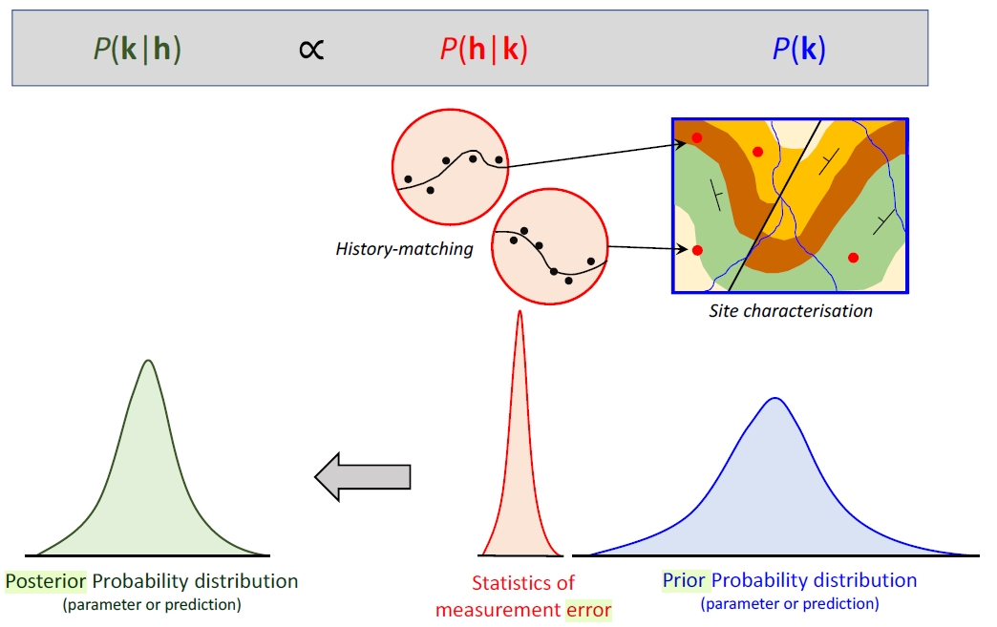
estimable directions in parameter space
3th D
Null
space
V₃ W₂
$V_{1}V_{1}^{T}$
$V_{1}V_{1}^{t}\underline{j}$
$V_{2}V_{2}^{t}\underline{j}$
α
projection
unknown
reality
$\underline{k}$
$\underline{\hat{k}}$
α identifiability:
𝑠𝑞𝑢𝑎𝑟𝑒 𝑜𝑓 𝑡ℎ𝑒 𝑐𝑜𝑠𝑖𝑛𝑒 𝑜𝑓 𝑡ℎ𝑒 𝑎𝑛𝑔𝑙𝑒 𝑏𝑒𝑡𝑤𝑒𝑒𝑛 𝑎 𝑝𝑎𝑟𝑎𝑚𝑒𝑡𝑒𝑟 𝑎𝑛𝑑 𝑖𝑡𝑠 𝑝𝑟𝑜𝑗𝑒𝑐𝑡𝑖𝑜𝑛 𝑜𝑛𝑡𝑜 𝑡ℎ𝑒 𝑐𝑎𝑙𝑖𝑏𝑟𝑎𝑡𝑖𝑜𝑛
PAR history-matching
solution space
PAR history-matching ..
v₁
v₂
W₂
$$\underline{k}$$
$$\underline{\hat{k}}$$
α = v^{t}₁k
β = v^{t}₂k
$${\underline{k}}_{0}$$
$$k_{0}$$
H_{calibrated}
H_{others}
ortogonal subspaces (x,y)
&
V₃
V₁ V₂
$\underline{k}$
True
$\underline{\hat{k}}$
$\underline{k}$ = $Z^{−1}∗\underline{h}$

W₂
$${\underline{k}}_{0}$$
$$k_{0}$$
$$k_{1}$$
v₂
v₁
$$k_{n}$$
$$k_{stocastic }$$
H_{unique}
$p_{1}$ α
$$p_{2}$$
β
$=U \left[\begin{matrix}S_{1} & S_{2}\end{matrix}\right]$ $\left\lceil \begin{matrix}V_{1}^{t} \\ V_{2}^{t}\end{matrix}\right\rceil$
$$Q^{1/2}J$$

H
v₁
v₂
W₂
α = v^{t}₁k
β = v^{t}₂k
$${\underline{k}}_{0}$$
$$k_{0}$$
H_{calibrated}
ortogonal subspaces (x,y)
&
Prior
Posterior
error

=
+
U
$$\underline{h}$$
V ^{t}
S
$$Z$$
$\underline{k}$ +$ε$
W₂
$${\underline{k}}_{0}$$
$$k_{0}$$
$$k_{1}$$
v₂
v₁
$$k_{n}$$
$$k_{stocastic }$$
H_{unique}
$p_{1}$ α
$$p_{2}$$
β
$$\left| J_{ij }\right|X|Z|≈\frac{∂h_{i}}{∂k_{j}}$$
$V$ = $\left|\begin{matrix}v_{11} \\ v_{21} \\ \begin{matrix}v_{31} \\ \begin{matrix}⋮ \\ v_{n1}\end{matrix}\end{matrix}\end{matrix} \begin{matrix}v_{12} \\ v_{22} \\ \begin{matrix}v_{32} \\ \begin{matrix}⋮ \\ v_{n2}\end{matrix}\end{matrix}\end{matrix} \begin{matrix} \\ \\ \begin{matrix} \\ \begin{matrix}⋯ \\ \end{matrix}\end{matrix}\end{matrix} \begin{matrix}…v_{15} \\ …v_{25} \\ \begin{matrix}…v_{35} \\ \begin{matrix}⋮ \\ {…v}_{n5}\end{matrix}\end{matrix}\end{matrix} \begin{matrix}v_{1n} \\ v_{2n} \\ \begin{matrix}v_{3n} \\ \begin{matrix}⋮ \\ v_{nn}\end{matrix}\end{matrix}\end{matrix}\right|$

