A
$A ∗ \underline{x}−\underline{b}=$ 0
≠ Linear Least Squares
to find a vector x
for a minimum :
|$A$ ∗ $\underline{x}$ $−$ $\underline{b}$ |
a $∗X=b$
$$X ∗ \underline{a} = \underline{b}$$
$$Physical distances h_{i}$$
$$\text{Relative} \text{positions}$$
 | 28 | y
 | 27 |  |  |  |  |  |  |  |  |  |  |  |  |  |  |  |  |  |  |  |  |  |  |  |  |  |  |  | inputs:
 | 26 |  |  |  |  |  |  |  |  |  |  |  |  |  |  |  |  |  |  |  |  |  |  |  |  |  |  |  |  |  |  |  |  |  |  |  |  | Weighs | Var.
 | 25 |  |  |  |  |  |  |  |  |  |  |  |  |  |  |  |  |  |  |  |  |  | 11 | 12 | 13 | 14 |  |  | 30 |  | 1 |  | 13.77 | 15.09 | 15.23 | 16.58 | 1.00 | l1 | 16.1
 | 24 |  |  |  |  |  |  |  |  |  |  |  |  | 1 | 30 |  |  |  |  |  |  |  | 21 | 22 | 23 | 24 |  |  | -1 |  | 2 |  | 15.09 | 13.77 | 14.69 | 15.65 | 1.00 | l2 | 14.8
 | 23 |  |  |  |  |  |  |  |  |  |  |  |  | 13 | 23 |  |  |  |  |  |  |  | 31 | 32 | 33 | 34 |  |  | -20 |  | 3 |  | 15.23 | 14.69 | 13.77 | 15.13 | 1.00 | l3 | 15.1
 | 22 |  |  |  |  |  |  |  |  |  |  |  |  |  |  |  |  |  |  |  |  |  | 41 | 42 | 43 | 44 |  |  | 400 |  | 4 |  | 16.58 | 15.65 | 15.13 | 13.77 | 1.00 | l4 | 15.4
!!
 | 21 |  |  |  |  |  |  |  |  |  |  |  |  |  |  |  |  |  |  |  |  |  |  |  |  |  |  |  | 116 |  | 5 |  | 1.00 | 1.00 | 1.00 | 1.00 | 0.00 | m | 1
 | 20 |  |  |  |  |  |  |  |  |  |  |  |  |  |  |  |  |  |  |  |  |  |  |  |  |  |  |  |  |  |  |  |  |  |  |  |  | Variances
or try new
$$X^{−1} ∗ \underline{b} =\underline{a}$$
 | 19
 | 18 |  |  |  |  |  | 2 | -1 |  |  |  |  |  |  |  |  |  |  |  |  |  |  |  |  |  |  |  |  |  |  | positions:
 | 17 |  |  |  |  |  | 6 | 17 |  |  |  |  |  |  |  |  |  |  |  |  |  |  |  |  |  |  |  |  | pt 5 | x | y
 | 16 |  |  |  |  |  |  |  |  |  |  |  |  |  |  |  |  |  |  |  |  |  | 0 | 9 | 10 | 20 |  |  | 16.3 | 13 | 23 |  | -0.44 | 0.26 | 0.21 | -0.04 | 0.45 | 16.1 | -0.1
 | 15 |  |  |  |  |  |  |  |  |  |  |  |  |  |  |  |  |  |  |  |  |  | 9 | 0 | 6 | 13 |  |  | 7.2 | 6 | 17 |  | 0.26 | -0.72 | 0.36 | 0.10 | 0.14 | 14.8 | 0.6
 | 14 |  |  |  |  |  |  |  |  |  |  | 3 | -20 |  |  |  |  |  |  |  |  |  | 10 | 6 | 0 | 9 |  |  | 9.2 | 11 | 13 |  | 0.21 | 0.36 | -0.89 | 0.32 | -0.07 | 15.1 | 0.1
 | 13 |  |  |  |  |  |  |  |  |  |  | 11 | 13 |  |  |  |  |  | 4 | 400 |  |  | 20 | 13 | 9 | 0 |  |  | 11.2 | 18 | 12 |  | -0.04 | 0.10 | 0.32 | -0.38 | 0.48 | 15.4 | 0.3
 | 12 |  | 5 | 116 |  |  |  |  |  |  |  |  |  |  |  |  |  |  | 18 | 12 |  |  |  |  |  |  |  |  |  | 2 | 11 |  | 0.45 | 0.14 | -0.07 | 0.48 | -15.20 | 1 | 0.43
 | 11 |  | 2 | 11 |  |  |  |  |  |  |  |  |  |  |  |  |  |  |  |  |  |  |  |  |  |  |  |  |  |  |  |  |  |  |  |  | Weighs |  | 1.0
 | 10 |  |  |  |  |  |  |  |  |  |  |  |  |  |  |  |  |  |  |  |  |  |  |  |  |  |  |  |  |  |  |  |  |  |  |  |  |  | Parcial Result
 | 9
 | 8
.. not the best option but the simplests →
afterwords, try variogram analysis for instance
$by$ linear regression:
 | 7
 | 6 |  |  |  |  |  |  |  |  |  |  |  |  |  |  |  |  |  |  |  |  |  |  |  |  |  |  |  |  |  |  |  |  |  |  |  | -0.1 | -2.3
$$y=ax+b$$
 | 5 |  |  |  |  |  |  |  |  |  |  |  |  |  |  |  |  |  |  |  |  |  |  |  |  |  |  |  |  |  |  |  |  |  |  |  | 0.6 | -0.6
 | 4 |  |  |  |  |  |  |  |  |  |  |  |  |  |  |  |  |  |  |  |  |  |  |  |  |  |  |  |  |  |  |  |  |  |  |  | 0.1 | -2.7
 | 3 |  |  |  |  |  |  |  |  |  |  |  |  |  |  |  |  |  |  |  |  |  |  |  |  |  | a = | 0.1 | Slope |  |  |  |  |  |  |  | 0.3 | 122.0
 | 2 | n | 1 |  |  |  |  |  |  |  |  |  |  |  |  |  |  |  |  |  |  |  |  |  |  |  | b = | 13.8 | Intercept |  |  |  |  |  |  | 5 |  |  | Final
 | 1 | 8 | 4 |  |  |  |  |  |  |  |  |  |  |  |  |  |  |  |  |  |  | x |  |  |  |  |  |  |  |  |  |  |  |  |  |  | S | 116 | Result
-1 | 0 | 1 | 2 | 3 | 4 | 5 | 6 | 7 | 8 | 9 | 10 | 11 | 12 | 13 | 14 | 15 | 16 | 17 | 18 | 19 | 20 | 21
 | -1

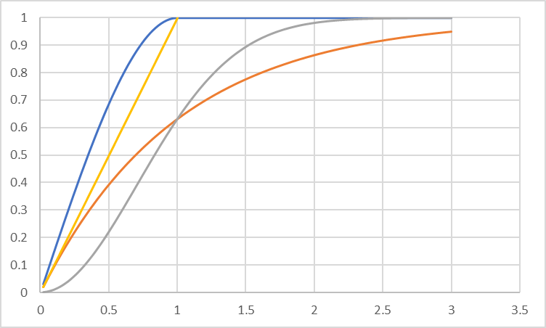
Spherical
exponential
Gaussian
power
 |  |  |  |  |  |  |  |  |  |  |  |  |  |  |  |  |  |  |  |  |  |  |  |  |  |  |  |  |  |  |  |  | Var.
 |  |  |  |  |  |  |  |  |  |  |  |  |  |  |  |  |  |  |  |  |  |  |  |  |  |  |  |  |  |  |  | Mod. Ajustado variograma experimental | 0.7 | 9.7 | 10.0 | -0.9 | 1 | l1 | 6
 |  |  |  |  |  |  |  |  |  |  |  |  |  |  |  |  |  |  |  |  |  |  |  |  |  |  |  |  |  |  |  | Krigagem simples | 9.7 | 0.7 | 8.0 | 9.5 | 1 | l2 | 9
$$γ\left(h\right)=0.72+9.35\left[\frac{3}{2}∗\left(\frac{h}{11}\right)−\frac{1}{2}∗{\left(\frac{h}{11}\right)}^{3}\right]$$
 |  |  |  |  |  |  |  |  |  |  |  |  |  |  |  |  |  |  |  |  |  |  |  |  |  |  |  |  |  |  |  |  | 10.0 | 8.0 | 0.7 | 9.8 | 1 | l3 | 10
 |  |  |  |  |  |  |  |  |  |  |  |  |  |  |  |  |  |  |  |  |  |  |  |  |  |  |  |  |  |  |  |  | -0.9 | 9.5 | 9.8 | 0.7 | 1 | l4 | 10
 |  |  |  |  |  |  |  |  |  |  |  |  |  |  |  |  |  |  |  |  |  |  |  |  |  |  |  |  |  |  |  |  | 1 | 1 | 1 | 1 | 0 | m | 1

 |  |  |  |  |  |  |  |  |  |  |  |  |  |  |  |  |  |  |  |  |  |  | 1.5 | 0.5 | h | a |  |  |  |  |  |  | 0.3 | 0.0 | 0.0 | -0.3 | 0.1 | 6 | -1.0
 |  |  |  |  |  |  |  |  |  |  |  |  |  |  |  |  |  |  |  |  |  |  | 0.72 | 9.35 | h | 11 |  |  |  |  |  |  | 0.0 | -0.1 | 0.1 | 0.0 | 0.3 | 9 | 0.3
 |  |  |  |  |  |  |  |  |  |  |  |  |  |  |  |  |  |  |  |  |  |  |  |  |  |  |  |  |  |  |  |  | 0.0 | 0.1 | -0.1 | 0.0 | 0.3 | 10 | 0.2
 |  |  |  |  |  |  |  |  |  |  |  |  |  |  |  |  |  |  |  |  |  |  |  |  |  |  |  |  |  |  |  |  | -0.3 | 0.0 | 0.0 | 0.3 | 0.2 | 10 | 1.4
 |  |  |  |  |  |  |  |  |  |  |  |  |  |  |  |  |  |  |  |  |  |  |  |  |  |  |  |  |  |  |  |  | 0.1 | 0.3 | 0.3 | 0.2 | -6.3 | 1 | 2.72
 |  |  |  |  |  |  |  |  |  |  |  |  |  |  |  |  |  |  |  |  |  |  |  |  |  |  |  |  |  |  |  |  |  |  |  |  | Weighs |  | 1.0
 |  |  |  |  |  |  |  |  |  |  |  |  |  |  |  |  |  |  |  |  |  |  |  |  |  |  |  |  |  |  |  |  |  |  |  |  |  |  | Parcial Result

 |  |  |  |  |  |  |  |  |  |  |  |  |  |  |  |  |  |  |  |  |  |  |  |  |  |  |  |  |  |  |  |  |  |  |  |  | -1.0 | -30.0
 |  |  |  |  |  |  |  |  |  |  |  |  |  |  |  |  |  |  |  |  |  |  |  |  |  |  |  |  |  |  |  |  |  |  |  |  | 0.3 | -0.3
 |  |  |  |  |  |  |  |  |  |  |  |  |  |  |  |  |  |  |  |  |  |  |  |  |  |  |  |  |  |  |  |  |  |  |  |  | 0.2 | -4.4
 |  |  |  |  |  |  |  |  |  |  |  |  |  |  |  |  |  |  |  |  |  |  |  |  |  |  |  |  |  |  |  |  |  |  |  |  | 1.4 | 573.1
 |  |  |  |  |  |  |  |  |  |  |  |  |  |  |  |  |  |  |  |  |  |  |  |  |  |  |  |  |  |  |  |  |  |  |  | 5 |  |  | Final
 |  |  |  |  |  |  |  |  |  |  |  |  |  |  |  |  |  |  |  |  |  |  |  |  |  |  |  |  |  |  |  |  |  |  |  |  | S | 538 | Result

B
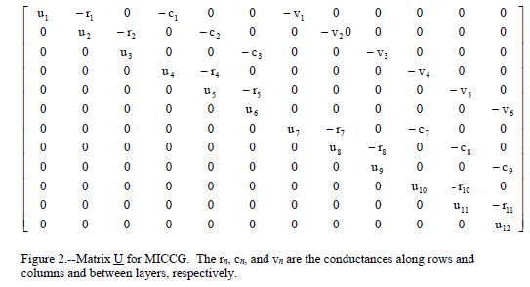
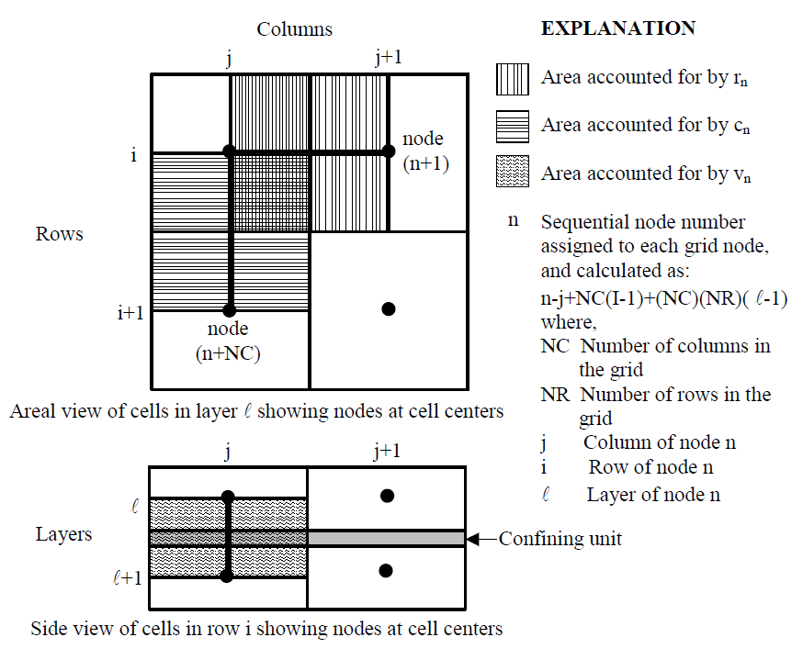
$3 x$3
$$h_{2,1}=\frac{h_{1,2}+h_{2,3}+h_{3,2}+h_{2,1}}{4}$$
 |  |  |  |  |  |  |  |  |  |  |  |  |  |  |  |  |  |  |  |  |  |  |  |  |  |  |  |  | Gabarito

$Z^{−1}$
$$\underline{h}$$
$$=\underline{k}$$
1.1 | 1.2 | 1.3 |  |  |  |  |  |  | 5.5 | 6.0 | 3.5 |  |  |  |  |  |  |  |  |  |  |  |  |  |  |  |  |  | 5.5 | 6.0 | 3.5
2.1 | 2.2 | 2.3 |  |  |  |  |  |  | 5.0 | ? | 1.0 |  |  |  |  |  |  |  |  |  |  |  |  |  |  |  |  |  | 5.0 | 23.0 | 1.0
3.1 | 3.2 | 3.3 |  |  |  |  |  |  | 42.5 | 80.0 | 40.5 |  | Inputs |  |  |  |  |  |  |  |  |  |  |  |  |  |  |  | 42.5 | 80.0 | 40.5

1.1 |  |  | 1.2 | 2.1 |  |  | 2 | 1 | 1 | 0 | 0 | 0 | 0 | 0 | 0 | 0 | 0 | 1 | 0% | 0% | 0% | 0% | 0% | 0% | 0% | 0% | 5.5 | 5.5 | 5.5 | 6.0 | 3.5
2.1 |  |  | 1.1 | 2.2 | 3.1 |  | 3 | 1 | 0 | 1 | 0 | 0 | 0 | 0 | 0 | 0 | 0 | 0% | 1 | 0% | 0% | 0% | 0% | 0% | 0% | 0% | 5 | 5.0 | 5.0 | 23.0 | 1.0
3.1 |  |  | 2.1 | 3.2 |  |  | 2 | 1 | 0 | 0 | 1 | 0 | 0 | 0 | 0 | 0 | 0 | 0% | 0% | 1 | 0% | 0% | 0% | 0% | 0% | 0% | 42.5 | 42.5 | 42.5 | 80.0 | 40.5
 | 1.2 |  | 1.1 | 2.2 | 1.3 |  | 3 | 1 | 0 | 0 | 0 | 1 | 0 | 0 | 0 | 0 | 0 | 0% | 0% | 0% | 1 | 0% | 0% | 0% | 0% | 0% | 6 | 6.0 |  | Resultado
 | 2.2 |  | 1.2 | 2.1 | 2.3 | 3.2 | -4 | 0 | 0 | 1 | 0 | 1 | -4 | 1 | 0 | 1 | 0 | 0% | 25% | 0% | 25% | -25% | 25% | 0% | 25% | 0% | - | 23.0
 | 3.2 |  | 3.1 | 2.2 | 3.3 |  | 3 | 1 | 0 | 0 | 0 | 0 | 0 | 1 | 0 | 0 | 0 | 0% | 0% | 0% | 0% | 0% | 1 | 0% | 0% | 0% | 80 | 80.0
 |  | 1.3 | 1.2 | 2.3 |  |  | 2 | 1 | 0 | 0 | 0 | 0 | 0 | 0 | 1 | 0 | 0 | 0% | 0% | 0% | 0% | 0% | 0% | 1 | 0% | 0% | 3.5 | 3.5 | 0 | 0 | 0
 |  | 2.3 | 1.3 | 2.2 | 3.3 |  | 3 | 1 | 0 | 0 | 0 | 0 | 0 | 0 | 0 | 1 | 0 | 0% | 0% | 0% | 0% | 0% | 0% | 0% | 1 | 0% | 1 | 1.0 | 0 | 0 | 0
 |  | 3.3 | 2.3 | 3.2 |  |  | 2 | 1 | 0 | 0 | 0 | 0 | 0 | 0 | 0 | 0 | 1 | 0% | 0% | 0% | 0% | 0% | 0% | 0% | 0% | 1 | 40.5 | 40.5 | 0 | 0 | 0
Desigh matrix / Sensitivity matrix
$X matrix$/ Acction of the model
Jacobiam matrix / Derivarive matrix
+$ε$
 |  |  |  |  |  |  |  |  | 1 | 2 | 1 | 2 | -4 | 2 | 1 | 2 | 1
a$∗X=b$
$$X^{−1}∗b=a$$
 |  |  |  |  |  |  |  |  | 1 | 1 | 1 | 1 | 0 | 1 | 1 | 1 | 1
 |  |  |  |  |  |  |  |  | 2 | 3 | 2 | 3 | -4 | 3 | 2 | 3 | 2
 |  |  |  |  |  |  |  |  | 0 | 0 | 0 | 0 | 0 | 0 | 0 | 0 | 0

