Blad1
Order |  |  | OrderItem |  | Order REST API
ID | CustomerInfo | Total | OrderID | PizzaID | HttpMethod | MethodName |  | Route | InType | RequestType | Response
1 | John Smith, Gamlestads Brygga 11, 41512 Göteborg, +46704859380, john.smith@gmail.com | 685.00 | 1 | 1 | HttpGet | Get All Orders |  | api/Orders |  |  | List<OrderDTO>
 |  |  | 1 | 2 | HttpGet | Get Order By Id |  | api/Orders/{id} | int |  | OrderDTO
 |  |  | 1 | 3 | HttpPost | Create Order |  | api/Orders |  | CreateOrderRequest | Message
 |  |  |  |  | HttpPut | Edit Order |  | api/Orders/{id} | int | EditOrderRequest | Message
 |  |  |  |  | HttpDelete | Delete Order |  | api/Orders/{id} | int |  | Message

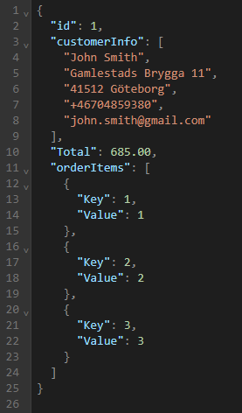
 |  |  |  |  |  | OrderDTO
 |  |  |  |  |  | Type | Name
 |  |  |  |  |  | int | Id
 |  |  |  |  |  | string[] | CustomerInfo
 |  |  |  |  |  | decimal | Total
 |  |  |  |  |  | Dict | ProdId, Qty

 |  |  |  |  |  | CreateOrderRequest
 |  |  |  |  |  | Type | Name
 |  |  |  |  |  | string[] | CustomerInfo
 |  |  |  |  |  | Dict | ProdId, Qty

 |  |  |  |  |  | EditOrderRequest
 |  |  |  |  |  | Type | Name
 |  |  |  |  |  | string[] | CustomerInfo
 |  |  |  |  |  | Dict | ProdId, Qty

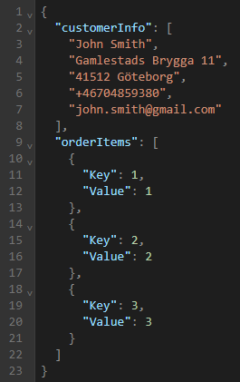
 |  |  |  |  | IOrderRepository
 |  |  |  |  | Method | Output
 |  |  |  |  | GetAllOrders | IEnumerable<OrderDTO>
 |  |  |  |  | GetOrderById | OrderDTO
 |  |  |  |  | CreateOrder | bool
 |  |  |  |  | EditOrder | bool
 |  |  |  |  | DeleteOrder | bool

