Blad1
Pizza |  |  | Ingredient |  | PizzaIngredient |  | Pizza REST API
ID | Name | Price | ID | Name | PizzaID | IngredientID | HttpMethod | MethodName |  | Route | InType | RequestType | Response
1 | Capricciosa | 110.00 | 1 | Tomato | 1 | 1 | HttpGet | Get All Pizzas |  | api/Pizzas |  |  | List<PizzaDTO>
2 | Margherita | 115.00 | 2 | Mozzarella | 1 | 2 | HttpGet | Get Pizza By Id |  | api/Pizzas/{id} | int |  | PizzaDTO
3 | Diavola | 115.00 | 3 | Salt | 1 | 3 | HttpPost | Create Pizza |  | api/Pizzas |  | CreatePizzaRequest | Message
 |  |  | 4 | Olive oil | 1 | 4 | HttpPut | Edit Pizza |  | api/Pizzas/{id} | int | EditPizzaRequest | Message
 |  |  | 5 | Basil | 1 | 6 | HttpDelete | Delete Pizza |  | api/Pizzas/{id} | int |  | Message
 |  |  | 6 | Cremini mushrooms | 1 | 7
 |  |  | 7 | Black olives | 1 | 8
 |  |  | 8 | Prosciutto cotto | 1 | 9
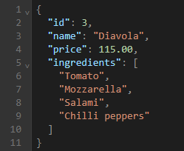
 |  |  | 9 | Artichoke | 2 | 1 |  | PizzaDTO
 |  |  | 10 | Salami | 2 | 2 |  | Type | Name
 |  |  | 11 | Chilli peppers | 2 | 3 |  | int | Id
 |  |  |  |  | 2 | 4 |  | string | Name
 |  |  |  |  | 2 | 5 |  | decimal | Price
 |  |  |  |  | 3 | 1 |  | List | Ingredients
 |  |  |  |  | 3 | 2
 |  |  |  |  | 3 | 10
 |  |  |  |  | 3 | 11
 |  |  |  |  |  |  |  | CreatePizzaRequest
 |  |  |  |  |  |  |  | Type | Name
 |  |  |  |  |  |  |  | string | Name
 |  |  |  |  |  |  |  | decimal | Price
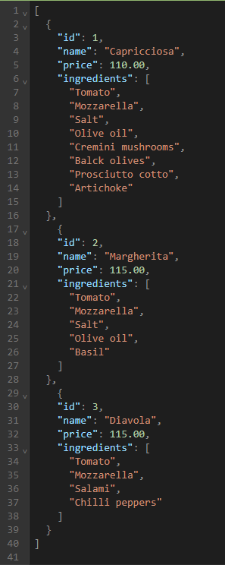
 |  |  |  |  |  |  |  | List | Ingredients

 |  |  |  |  |  |  |  | EditPizzaRequest
 |  |  |  |  |  |  |  | Type | Name
 |  |  |  |  |  |  |  | string | Name
 |  |  |  |  |  |  |  | decimal | Price
 |  |  |  |  |  |  |  | List | Ingredients

 |  |  |  |  |  |  | IPizzaRepository
 |  |  |  |  |  |  | Method | Output
 |  |  |  |  |  |  | GetAllPizzas | IEnumerable<PizzaDTO>
 |  |  |  |  |  |  | GetPizzaById | PizzaDTO
 |  |  |  |  |  |  | CreatePizza | bool
 |  |  |  |  |  |  | EditPizza | bool
 |  |  |  |  |  |  | DeletePizza | bool

