Params
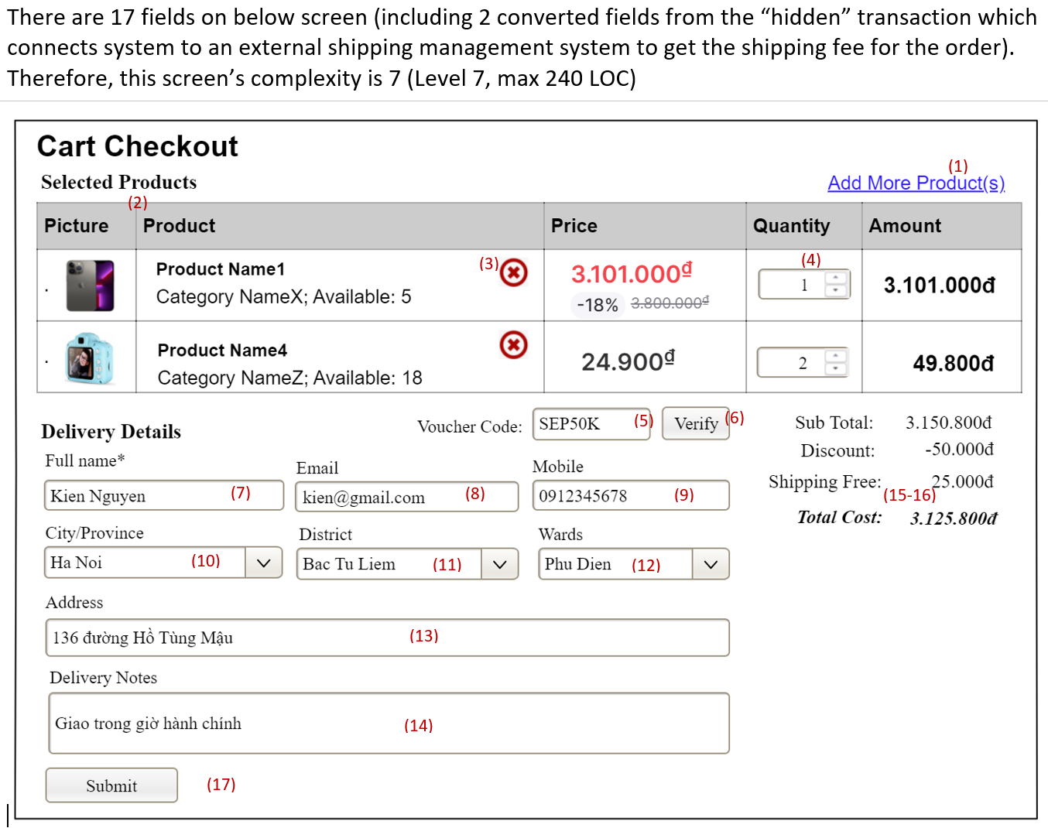
Screen/Function Complexity Levels
Screen complexity can be defined based on the screen's fields OR screen/function's transactions | Level | Fields | Trans* | LOC | Notes
- Transactions can be counted as number of transactions to the database or external systems/subsystems | Level 1 | 3-5 | 2 | 60 | 3-5 fields OR 2 trans
- Fields are screen's actionable components or database table fields; if there are some transactions those are | Level 2 | 6-7 | 3 | 90 | 6-7 fields OR 3 trans
not "related" to any fields, each of those transactions are counted as two fields and add those extra number | Level 3 | 8-9 | 4 | 120 | 8-9 fields OR 4 trans
to the total number of fields to define the screen/function complexity | Level 4 | 10-11 | 5 | 150 | 10-11 fields OR 5 trans
 | Level 5 | 12-13 | 6 | 180 | 12-13 fields OR 6 trans
Some samples of screen complexity defining are as following | Level 6 | 14-15 | 7 | 210 | 14-15 fields OR 7 trans
Sample #1 | Level 7 | >15 | >7 | 240 | >15 fields OR >7 trans
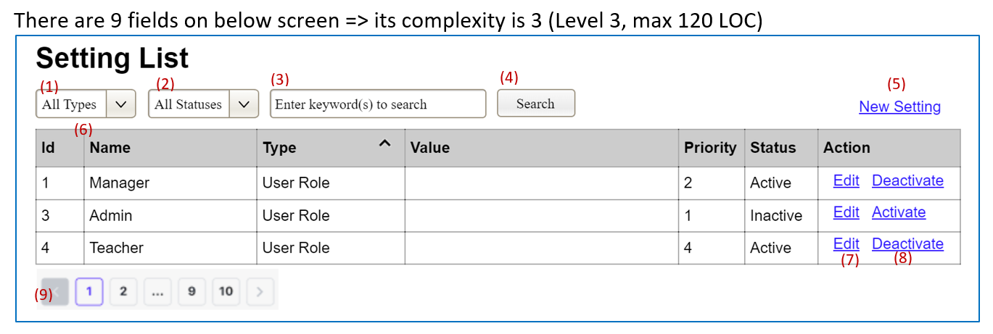
 | *One trans (transactions) = Two fields (actionable screen components)

 | Sample #2
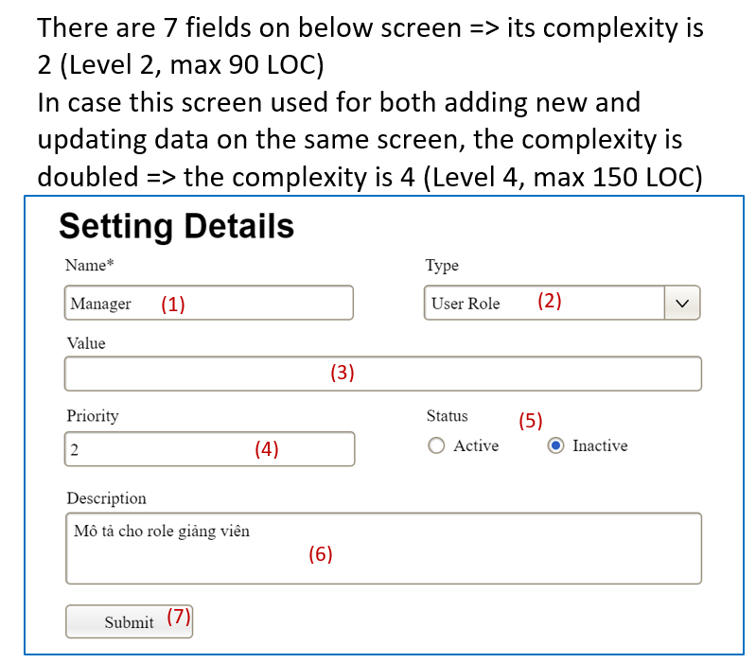

Sample #3

