Sheet1
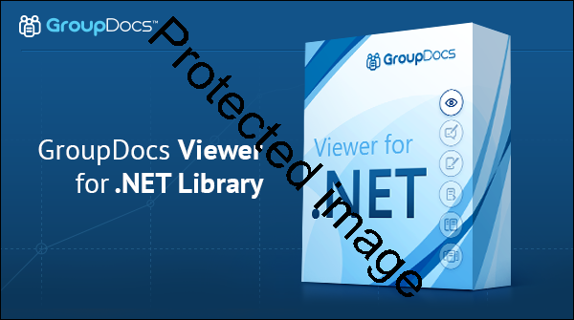
Excel Sample Worksheet

Years | Some values
2010 | 111
2011 | 222
2012 | 555
2013 | 333
2014 | 444
2015 | 777

Sheet2


 | Multiple Document Formats Support

 | With a single component you get a universal document viewer that allows end users to view 50+ types of documents and images, including PDF, Microsoft Word, Excel, PowerPoint, Visio, Outlook, AutoCAD, TIFF and more. | 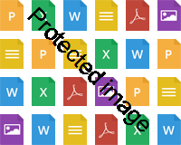

 | Some values
2010 | 111
2011 | 222
2012 | 555
2013 | 333
2014 | 444
2015 | 777

 | Crystal-Clear, True Text Rendering

 | GroupDocs.Viewer for .NET provides two rendering modes. The first rasterizes documents to images and renders text in a separate layer on top. The second converts documents to pure HTML+CSS+SVG. Both methods deliver sharp native text rendering.

