Sheet1
Picture:

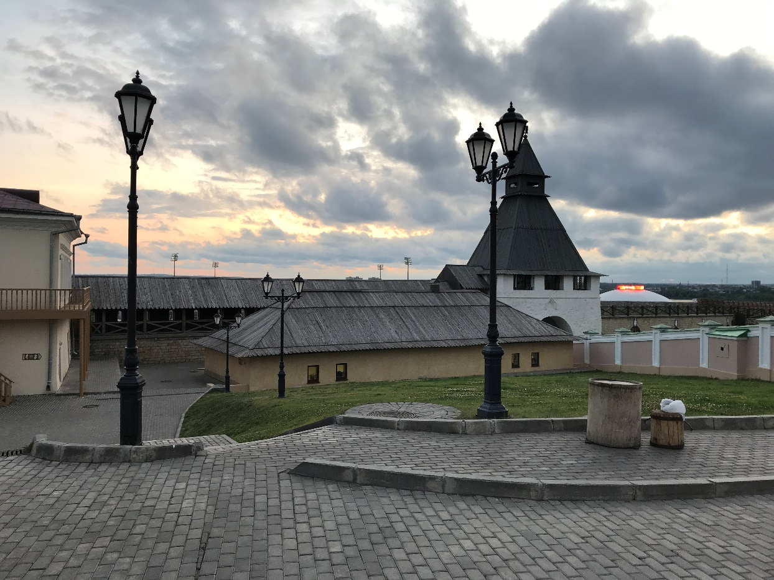
2nd:

