Sheet1

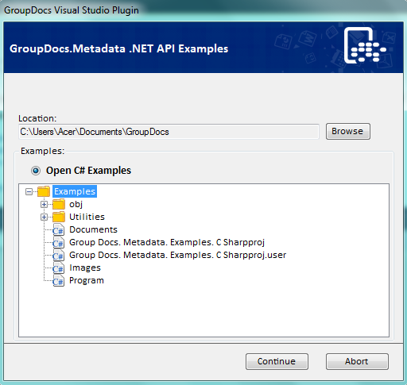
Test watermark
This is a sample file.

