Physical Setup
 |  | RTC | Status LED

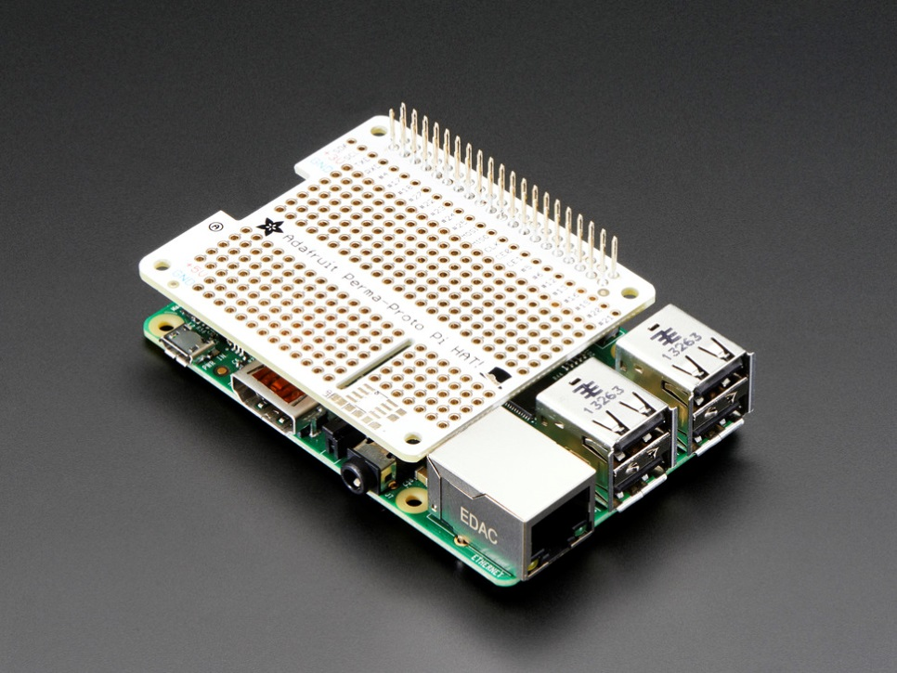
 |  |  |  | PiCAN

Ethernet Cable

 |  |  |  |  |  | Perma-Proto HAT + GPIO Stacking Header

 |  |  |  |  | Raspberry Pi, in a Pibow Enclosure
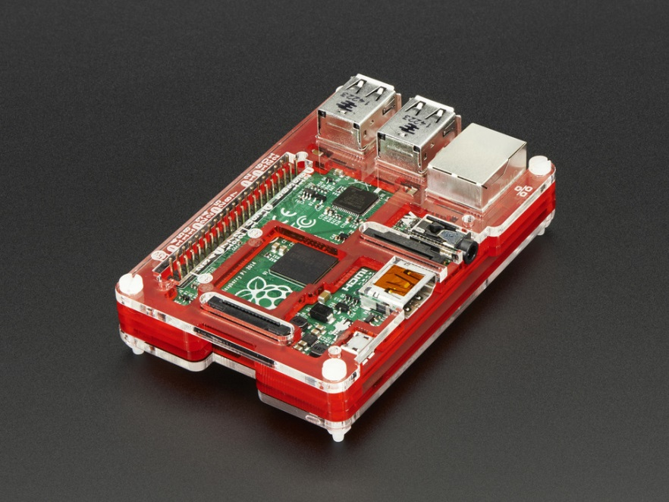
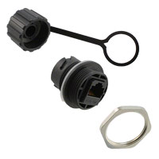

 |  | Wi-Fi Dongle

 | Ethernet Connector

Install List
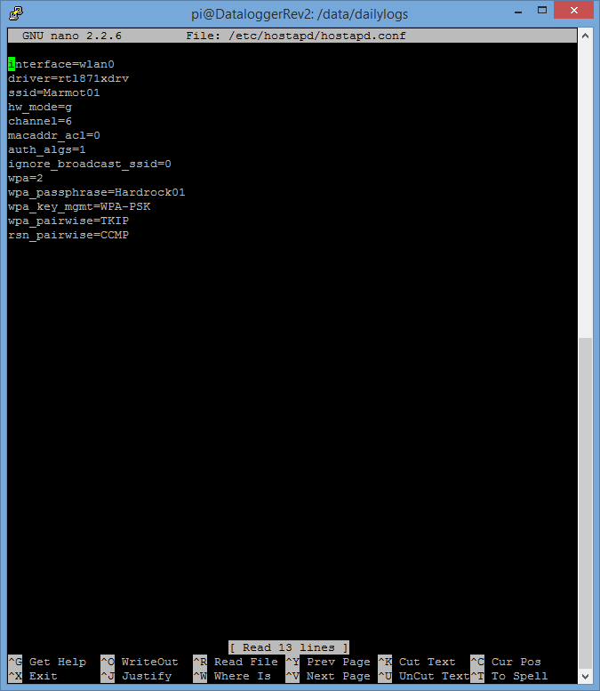
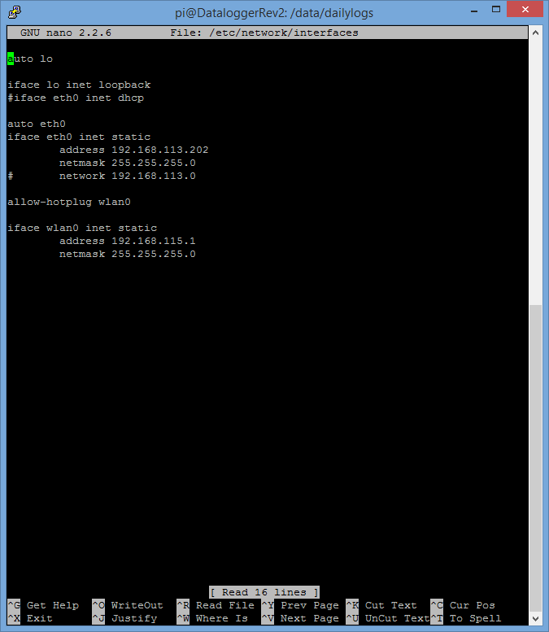
install Raspbian | http://downloads.raspberrypi.org/raspbian_latest |  | 2015-06-05 / RPi2 / 64GB
sudo rpi-upgrade |  |  | X
sudo apt-get update; sudo apt-get upgrade |  |  | X
sudo raspiconfig and increase partition size (first option)
install up-arrow functionality | very.useful.bash.pdf |  | X
install can functionality | http://skpang.co.uk/blog/archives/1165 | put can-test folder into /data/scripts; bring up can on boot | X
enable auto-login to 'pi' user | http://www.opentechguides.com/how-to/article/raspberry-pi/5/raspberry-pi-auto-start.html |  | X
change hostname | http://www.howtogeek.com/167195/how-to-change-your-raspberry-pi-or-other-linux-devices-hostname/ |  | X
setup hotspot | https://learn.adafruit.com/setting-up-a-raspberry-pi-as-a-wifi-access-point/install-software |  | X
Setup samba share for data folder | http://raspberrypihq.com/how-to-share-a-folder-with-a-windows-computer-from-a-raspberry-pi/ |  | X
Chmod 0777 on the folder that is being samba shared | http://ubuntuforums.org/showthread.php?t=1723762 |  | X
Set up RAM drive, 100MB? | http://www.domoticz.com/wiki/Setting_up_a_RAM_drive_on_Raspberry_Pi |  | X
RTC | https://learn.adafruit.com/adding-a-real-time-clock-to-raspberry-pi?view=all
turn on led on startup | http://raspberrywebserver.com/serveradmin/run-a-script-on-start-up.html | python /data/scripts/turn_on_led.py

sudo apt-get install sqlite3 php5-sqlite |  |  | X
setup a web server on the raspberry pi | http://www.makeuseof.com/tag/host-website-raspberry-pi/ |  | X
sudo apt-get install zip |  |  | X

create necessary folder structure | see Folder Structure tab

Debugging
If a bash script gives the problem '$'\r': command not found | dos2unix /data/scripts/deletefiles | *Need to install dos2unix

