Kamlet-Taft (HC)
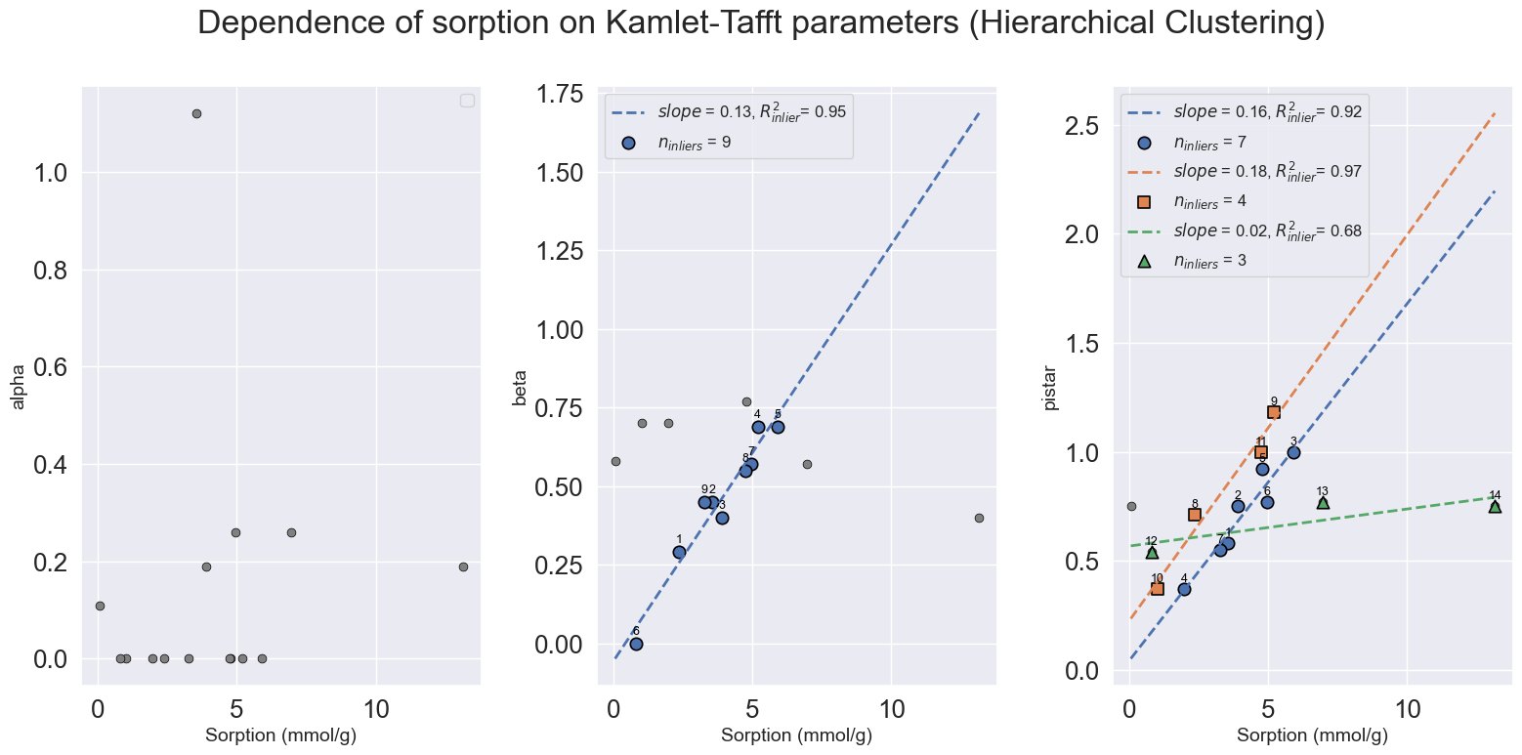
 | Name | Alpha_inlier_number | Beta_inlier_number | pistar_star_number
0 | Acetic anhydride |  | 1 | 8
1 | Acetic acid |  | 2 | 1
2 | Acetonitrile |  | 3 | 2
3 | Dimethylformamide (DMF) |  | 4 | 9
4 | Dimethyl sulfoxide (DMSO) |  | 5 | 3
5 | Triethylamine (Et3N) |  |  | 4
6 | Triethylamine (Et3N) |  |  | 10
7 | N-Methyl-2-pyrrolidone (NMP) |  |  | 5
8 | Limonene, D (R) |  | 6 | 12
9 | Pyridine |  | 7 | 6
10 | Pyridine |  |  | 13
11 | Tetrahydrofuran (THF) |  | 8 | 11
12 | Acetonitrile |  |  | 14
13 | Ethyl acetate |  | 9 | 7

Kamlet-Tafft (DBSCAN)
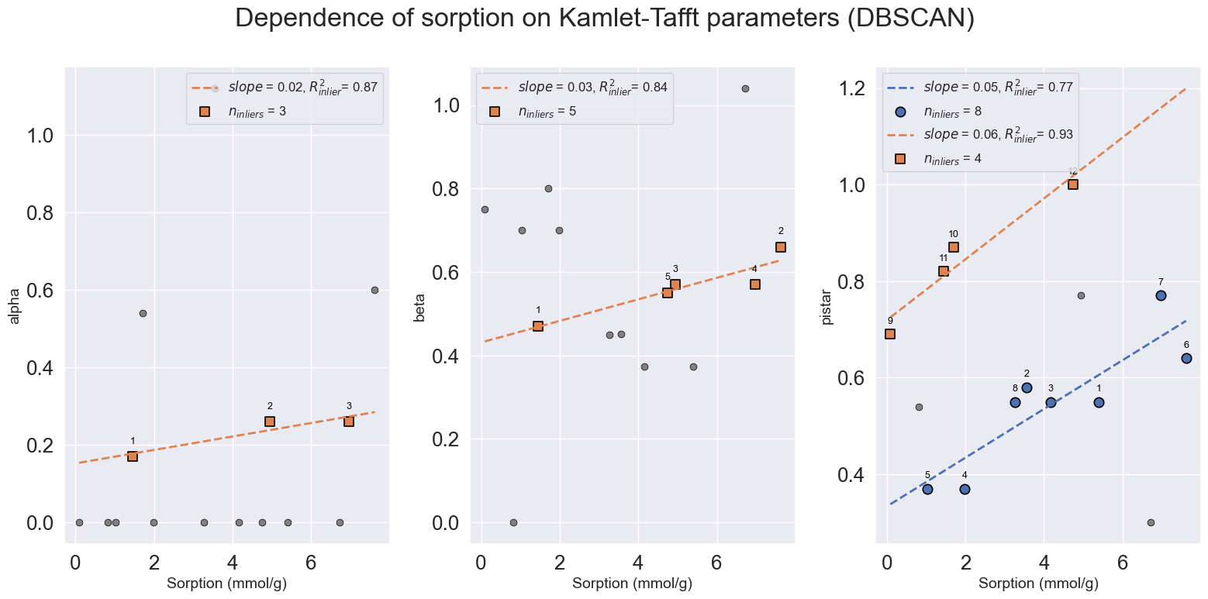
Name | Alpha_inlier_number | Beta_inlier_number | pistar_star_number
1,4-Dioxane |  |  | 1
Acetic acid |  |  | 2
Tri-n-butyl phosphate (TBP) |  |  | 9
1,4-Dioxane |  |  | 3
Triethylamine (Et3N) |  |  | 4
Triethylamine (Et3N) |  |  | 5
N,N,N',N'-Tetramethylethylenediamine (TEMED) |  |  | 10
N-Methylaniline | 1 | 1 | 11
Morpholine |  | 2 | 6
Pyridine | 2 | 3
Pyridine | 3 | 4 | 7
Tetrahydrofuran (THF) |  | 5 | 12
Ethyl acetate |  |  | 8

