Conf. 1
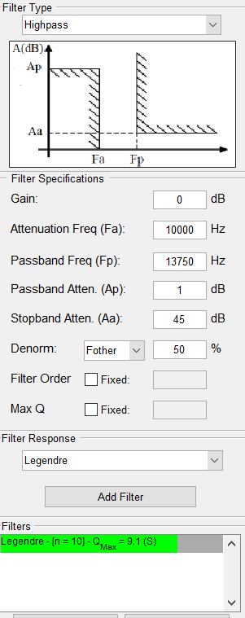
STAGE | Pole freq [Hz] | Pole Q | Pole angle (rad) | Real [Hz] | Imag [Hz]
1 | 13499.5 | 9.06 | 1.52 | 745.006 | 13478.927 | 13499.5
2 | 14863.92 | 2.82 | 1.39 | 2635.447 | 14628.415 | 14863.92
3 | 18029.39 | 1.45 | 1.22 | 6217.031 | 16923.576 | 18029.39
4 | 24255.39 | 0.84 | 0.93 | 14437.732 | 19490.404 | 24255.39
5 | 33266.82 | 0.54 | 0.39 | 30802.611 | 12565.049 | 33266.82

Conf. 2
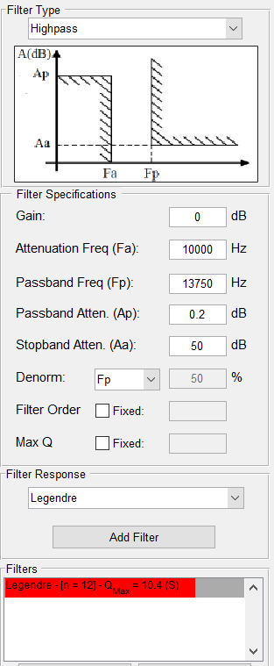
Pole freq [Hz] | Pole Q | Pole angle (rad) | Real [Hz] | Imag [Hz]
13303.81 | 10.43 | 1.52 | 637.767 | 13288.514 | 13303.81
14189.88 | 3.3 | 1.42 | 2149.982 | 14026.057 | 14189.88
16143.38 | 1.79 | 1.29 | 4509.324 | 15500.797 | 16143.38
19669.6 | 1.11 | 1.10 | 8860.180 | 17561.047 | 19669.6
25526.33 | 0.72 | 0.80 | 17726.618 | 18367.377 | 25526.33
32337.61 | 0.53 | 0.34 | 30507.179 | 10725.345 | 32337.61

Conf. 3
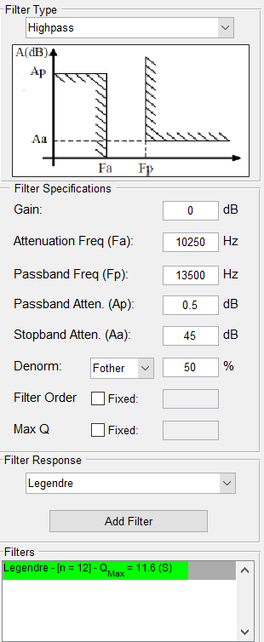
Pole freq [Hz] | Pole Q | Pole angle (rad) | Real [Hz] | Imag [Hz]
13045.52 | 11.58 | 1.53 | 563.278 | 13033.354 | 13045.52
13954.1 | 3.65 | 1.43 | 1911.521 | 13822.554 | 13954.1
15964.1 | 1.96 | 1.31 | 4072.474 | 15435.914 | 15964.1
19671.71 | 1.19 | 1.14 | 8265.424 | 17851.021 | 19671.71
26152.6 | 0.76 | 0.85 | 17205.658 | 19695.782 | 26152.6
34365.43 | 0.53 | 0.34 | 32420.217 | 11397.908 | 34365.43

Conf. 4
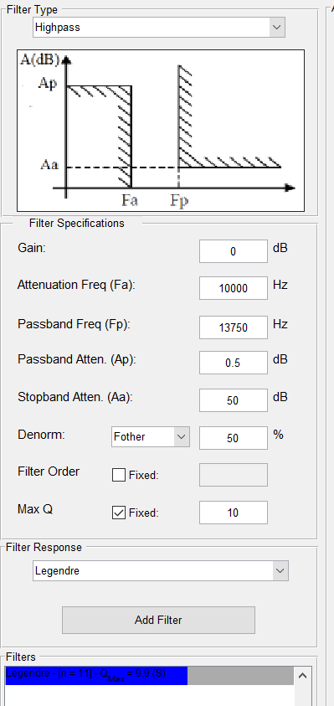
STAGE | Pole freq [Hz] | Pole Q | Pole angle (rad) | Real [Hz] | Imag [Hz]
6 | 13460.38 | 9.93 | 1.52 | 677.763 | 13443.306 | 13460.38
5 | 14551.2 | 3.12 | 1.41 | 2331.923 | 14363.132 | 14551.2
4 | 17008.55 | 1.65 | 1.26 | 5154.106 | 16208.824 | 17008.55
3 | 21646.44 | 1 | 1.05 | 10823.220 | 18746.367 | 21646.44
2 | 29563.4 | 0.63 | 0.65 | 23463.016 | 17985.592 | 29563.4
1 | 36040 | 0.5 | 0.00 | 36040.000 | 0.000 | 36040 | PRIMER ORDEN

