STAGE 5
SALLEN KEY DESIGNER
INPUT PARAMETERS |  |  | OUTPUT |  |  | real
Q | 3.12 |  | Ra/Rb | 1.6794871795
f0 | 14551.2 | Hz | R | 10937.58 | ohm | 13k // 68k
 |  |  | Rb | 5954.1984733 | ohm | 6,2k // 150k
 |  |  | k | 2.6794871795
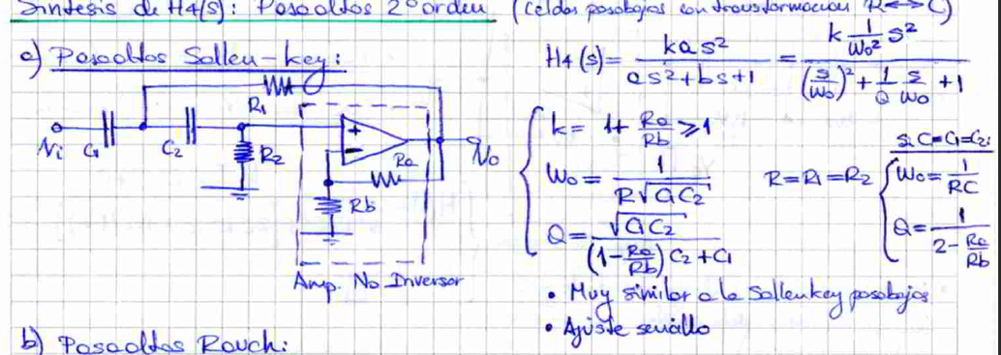
 |  |  | COMPONENTS
 |  |  | Ra | 10000 | ohm | 10k
 |  |  | C | 1.00E-09 | F | 1n

 | Ideal | Real | Error
R | 10937.58 | 4782 | 56.279%
Rb | 5954.1984733 | 67549.668874 | 1034.488%
Ra | 10000 | 10000 | 0.000%

