STAGE 5
SALLEN KEY DESIGNER
INPUT PARAMETERS |  |  | OUTPUT |  |  | real
Q | 0.54 |  | Ra/Rb | 0.14814814815
f0 | 33266.82 | Hz | R | 4784.19 | ohm | 4,7k + 82
 |  |  | Rb | 67500 | ohm | 75k // 680k
 |  |  | k | 1.1481481481
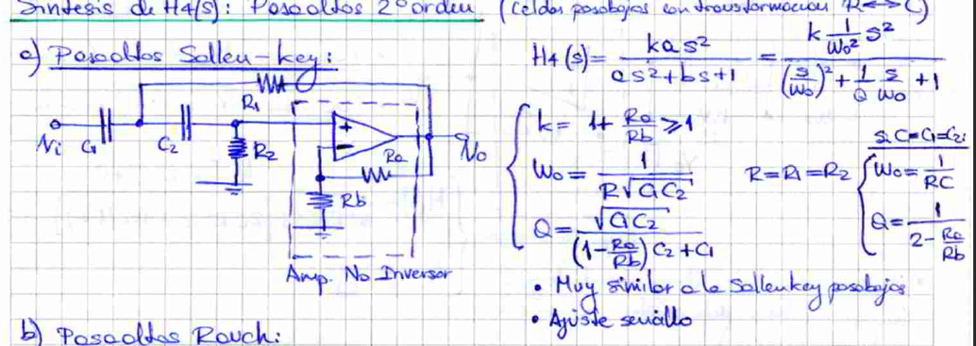
 |  |  | COMPONENTS
 |  |  | Ra | 10000 | ohm | 10k
 |  |  | C | 1.00E-09 | F | 1n

 | Ideal | Real | Error
R | 4784.19 | 4782 | 0.046%
Rb | 67500 | 67549.668874 | 0.074%
Ra | 10000 | 10000 | 0.000%

