Sheet1
 |  | x = x + vx * dt |  | x = x + vvelo.vx * dt

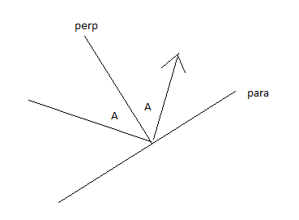
WHAT IS IT | OBJ/Thing | MATH VAR | MATH DESC | CODE VAR | FORMULA

Time between frames | _LIMIT | dt | Delta Time | _LIMIT | dt = _LIMIT
Ball position | v | x |  | v.x
 |  | y |  | v.y

Ball velocity | vvelo | vx |  | vvelo.x
 |  | vy |  | vvelo.y

New Ball position | vnew | new_vx | divide by speed to get only the point | vnew.x | vx/v
 |  | new_vy |  | vnew.y | vy/v

 | vpara | para_x |  | vpara.x
 |  | para_y |  | vpara.y

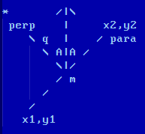
Line ball hitting start | vpara_start | x1 | Point where para starts | vpara_start.x
 |  | y1 |  | vpara_start.y

Line ball hitting end | vpara_end | x2 | Point where para ends | vpara_end.x |  |  | tl;dr to bounce:
 |  | y2 |  | vpara_end.y |  |  | 1. rotate to coordinates where collision easy
 |  |  |  |  |  |  | 2. do easy collision calculation
Line to what ball hitting | vperp | perp_x | collision is done by changing: v_perp = -v_perp | vperp.x |  |  | 3. unrotate
 |  | perp_y |  | vperp.y
 |  |  |  |  |  |  | collision is done by changing: v_perp = -v_perp
Angle of ball bouncing | vangle | ax | Angle Line | vangle.x | arccos(vx*nx + vy*ny)
 |  | ay |  | vangle.y
 |  |  |  |  |  |  | v_perp = vx * cos(A) - vy * sin(A)
Point in space | vnorm | nx | Perpendicular Line | vnorm.x | magnitude: n = sqr(1 + q^2) |  | v_para = vx * sin(A) + vy * cos(A)
 |  | ny |  | vnorm.y | nx = nx/n : ny = ny/n
 |  |  |  |  |  | unrotate | vx = v_perp * cos(A) - v_para * sin(A)
 |  | q | slope of perpendicular line |  | -1 / m |  | vy = v_perp * sin(A) + v_para * cos(A)

 |  | m |  | slope | (y2 - y1) / (x2 - x1)

 |  | size | can be any number (magnitude)
 |  | speed |  |  | sqrt(vx^2 + vy^2)

