Radar
Name | Comments | Density [g cm−3] ± | Specific Volume [cm3g-1] | Tenacity [N tex−1 = GPa/SG = GPa/(g/cm^3)] | Initial Modulus [N tex−1 = GPa/SG = GPa/(g/cm^3)] | Work of Rupture [J g−1] | E Cond [MS m^2/g] | Thermal Conductivity [W m−1 K−1] | Electrical Conductivity [MS m−1] | Tensile [GPa] | G:D Ratio | Publication
F-CNTFs | High-strength CNTs | 1.05 | 0.95 | 1.70 | 94.40 | - | 0.48 | - | 0.50 | 1.79 |  | https://doi.org/10.1080/02786826.2023.2206442
CSA-CNTFs |  | 1.23 | 0.81 | 3.80 | 105.70 | - | 2.85 | - | 3.50 | 4.67
PBO-CNTFs |  | 1.26 | 0.79 | 4.50 | 130.50 | - | 1.75 | - | 2.20 | 5.67
D-PBO-CNTFs |  | 1.40 | 0.71 | 5.80 | 122.40 | 121.64 | 2.07 | - | 2.90 | 8.12
Xioa-Boies Fully DD | Fully Double-Drawn CNTF | 1.40 | 0.71 | 3.22 | 138.00 | 75.00 | 0.76 | 354 | 1.07 | 4.51 |  | https://www.science.org/doi/10.1126/sciadv.abq3515
Xiao-Boies Work-Raw | Raw Direct-spun CNTF | 0.66 | 1.52 | 1.23 | 53.00 | 43.00 | 0.24 | 106 | 0.16 | 0.81
SS-2017(58) | Solution-spun CNTF | 1.50 | 0.67 | 1.54 | 160.00 | 17.00 | 5.67 | - | 8.50 | 2.31 |  | https://doi.org/10.1016/j.carbon.2020.07.058
SS-2004(59) | Solution-spun CNTF | 1.11 | 0.90 | 0.10 | 108.00 | - |  | 21 | - | 0.11
SS-2013(20, 58) | Solution-spun CNTF with CCNI DWCNT | 1.30 | 0.77 | 0.97 | 92.00 | - | 2.23 | 380 | 2.90 | 1.26
SS-2021(36) | Solution-spun CNTF | 1.93 | 0.52 | 2.10 | 134.72 | 50.00 | 5.65 | 391 | 10.90 | 4.05
H-SS-2022(39) | Heat Solution-Spun CNTF |  |  |  |  |  |  |  |  | 0.00 |  | https://www.science.org/doi/full/10.1126/sciadv.abn0939
S·DW:1400℃ | Heat Solution-Spun CNTF | 1.88 | 0.53 | 2.74 | 252.00 | 29.08 | 0.99 | - | 1.86 | 5.15
S·DW:1700℃ | Heat Solution-Spun CNTF | 1.71 | 0.58 | 3.84 | 368.00 | 33.76 | 1.30 | 482 | 2.22 | 6.57
S·DW:2000℃ | Heat Solution-Spun CNTF | 1.58 | 0.63 | 2.93 | 372.00 | 17.55 | 0.77 | - | 1.22 | 4.63
S·DW:2400℃ | Heat Solution-Spun CNTF | 1.43 | 0.70 | 2.22 | 420.00 | 5.59 | 0.23 | - | 0.33 | 3.17
S·DW:2700℃ | Heat Solution-Spun CNTF | 1.89 | 0.53 | 1.53 | 445.00 | 3.18 | 0.20 | 490 | 0.38 | 2.89
SW:2700℃ | Heat Solution-Spun CNTF | 1.80 | 0.56 | 0.34 | 184.00 | - | 0.12 | 305 | 0.22 | 0.61
DW:2700℃ | Heat Solution-Spun CNTF | 1.96 | 0.51 | 1.24 | 535.00 | - | 0.17 | 496 | 0.33 | 2.43
S·DWNT-Raw |  | 1.92 | 0.52 | 2.10 | 155.00 | 39.38 | 5.67 | 380 | 10.88 | 4.03
SWNT-Raw |  | 1.60 | 0.63 | 0.62 | 137.00 | - | 2.20 | 213 | 3.52 | 0.99
DWNT-Raw |  | 2.10 | 0.48 | 1.10 | 83.00 | - | 3.90 | 406 | 8.19 | 2.31
D-SS-2022(60) | Densified Solution-Spun CNTF | 1.97 | 0.51 | 2.55 | - | - | 5.69 | 398 | 11.20 | 5.02
GO: 0% | GO interface hybrid Solution-Spun CNTF | 1.93 | 0.52 | 2.05 | 154.00 | 38.40 | 5.39 | - | 10.40 | 3.96
GO: 5% |  | 1.98 | 0.51 | 2.66 | 190.00 | 57.90 | 4.75 | - | 9.41 | 5.27
GO: 10% |  | 2.01 | 0.50 | 3.01 | 210.00 | 76.80 | 4.19 | - | 8.43 | 6.05
GO: 20% |  | 1.99 | 0.50 | 2.41 | 193.00 | 51.80 | 3.74 | - | 7.45 | 4.80
DS-IMDEA-2021(61) | Direct-spun CNTF with optimized synthesis | - |  | 2.10 | 107.00 | 63.00 |  | - | 0.34
DS-IMDEA-DW(13) | Direct-spun CNTF of collapsed DWCNT | - |  | 1.70 | 61.00 | 100.00 |  | - | -
DS-IMDEA-MW(13) | Direct-spun CNTF of few-layer MWCNT | - |  | 1.10 | 64.00 | 80.00 |  | - | -
DS-PUST-CSA(62) | CSA 13% stretched Direct-spun CNTF | - |  | 2.19 | 176.00 | 39.00 |  | - | -
DS-PUST-Raw(62) | Raw Direct-spun CNTF | - |  | 0.95 | 76.00 | 50.00 |  | - | -
DS-CAM-Den(14) | Acetone Direct-spun CNTF | - |  | 1.10 | 50.00 | 13.00 |  | - | -
DS-CAM-DogBone(50) | Dog Bone Direct-spun CNTF | - |  | 2.20 | 160.00 | 46.00 |  | - | -
VA-UT2004(19) | Twisted VA-CNTF | 0.80 | 1.25 | 0.58 | - | 14.00 | 0.04 | - | 0.03 | 0.46
VA-UT2007(63) | Twisted VA-CNTF | 0.80 | 1.25 | 0.88 | - | 27.00 |  | - | - | 0.70
VA-MIT(37) | Densified VA-CNTF | 0.80 | 1.25 | 1.80 | 89.00 | 94.00 |  | - | - | 1.44
Elliott and Windle | Best CNT Thermal Conductivity Fibre B | 0.63 | 1.60 | 1.70 | 78.00 | 36.12 | 0.25 | 770 | 0.10 | 4.20 | 7.00 | https://www.sciencedirect.com/science/article/pii/S0008622316310752#appsec1
Cho, Lee, Kim | Direct Spinning and Stretching | 0.36 |  | 5.50 | 211.00 | 151.25 | 1.46 |  |  | 1.98 | 28.00 | Cho, Y. S. et al. Superstrong Carbon Nanotube Yarns by Developing Multiscale Bundle Structures on the Direct Spin-Line without Post-Treatment. Adv. Sci. 10, 2204250 (2023). | https://onlinelibrary.wiley.com/doi/full/10.1002/advs.202204250
Lee and Kim | Direct Spinning and Densification | 0.92 |  | 4.08 | 187.50 | 63.24 | 2.27 |  |  | 3.75 | 17 | Lee, J., Lee, DM., Jung, Y. et al. Direct spinning and densification method for high-performance carbon nanotube fibers. Nat Commun 10, 2962 (2019). https://doi.org/10.1038/s41467-019-10998-0
Vilatela | Liquid Spun and Doped | 1.41 | 0.71 | 0.98 | 2.22 | 23.46 | 17.35 |  | 24.50 | 1.50 | 50.00 | https://www.science.org/doi/epdf/10.1126/science.aeb0673
Toray T300(1) | PAN-based CF | 1.76 | 0.57 | 2.01 | 131.00 | 16.00 | 0.03 | 11 | 0.06
Toray T700SC | PAN-based CF | 1.80 | 0.56 | 2.72 | 128.00 | - | 0.03 | 10 | 0.06
Toray T800SC | PAN-based CF | 1.80 | 0.56 | 3.27 | 163.00 | - | 0.04 | 11 | 0.08
Toray T1000GB | PAN-based CF | 1.80 | 0.56 | 3.54 | 163.00 | - | 0.04 | 11 | 0.07
Toray T1100GC(1) | PAN-based CF | 1.79 | 0.56 | 3.91 | 181.00 | 39.00 | 0.04 | 13 | 0.07 | 7.00
Toray M35JB(1) | PAN-based CF | 1.75 | 0.57 | 2.58 | 196.00 | 18.00 | 0.05 | 39 | 0.09
Toray M40JB | PAN-based CF | 1.77 | 0.56 | 2.49 | 213.00 | - | 0.06 | 67 | 0.10
Toray M60JB(1) | PAN-based CF | 1.93 | 0.52 | 1.98 | 305.00 | 7.00 | 0.07 | 151 | 0.14
Toray 1200 | PAN-based CF | 1.82 | 0.55 | 4.40 | 173.00 |  | 0.00
HexTow AS4(1, 64) | PAN-based CF | 1.79 | 0.56 | 2.48 | 129.00 | 23.00 | 0.03 | 7 | 0.06
HexTow IM7 | PAN-based CF | 1.78 | 0.56 | 3.20 | 155.00 | - | 0.04 | 5 | 0.07
HexTow IM10 | PAN-based CF | 1.79 | 0.56 | 3.81 | 175.00 | - | 0.04 | 6 | 0.08
HexTow HM63 | PAN-based CF | 1.83 | 0.55 | 2.64 | 237.00 | - | 0.06 | 55 | 0.11
GRANOC YSH50A | Pitch-based CF | 2.10 | 0.48 | 1.82 | 248.00 | - | 0.07 | 120 | 0.14
GRANOC YSH70A | Pitch-based CF | 2.15 | 0.47 | 1.69 | 335.00 | - | 0.09 | 250 | 0.20
GRANOC YS80A | Pitch-based CF | 2.17 | 0.46 | 1.67 | 362.00 | - | 0.09 | 320 | 0.20
GRANOC YS90A | Pitch-based CF | 2.18 | 0.46 | 1.62 | 404.00 | - | 0.15 | 500 | 0.33
GRANOC YS95A | Pitch-based CF | 2.19 | 0.46 | 1.61 | 420.00 | 2.42 | 0.21 | 600 | 0.45 |  | https://www.ngfworld.com/dcms_media/other/YSAfiber2014.pdf
DIALEAD K1352U | Pitch-based CF | 2.12 | 0.47 | 1.70 | 292.00 | - | 0.07 | 140 | 0.15
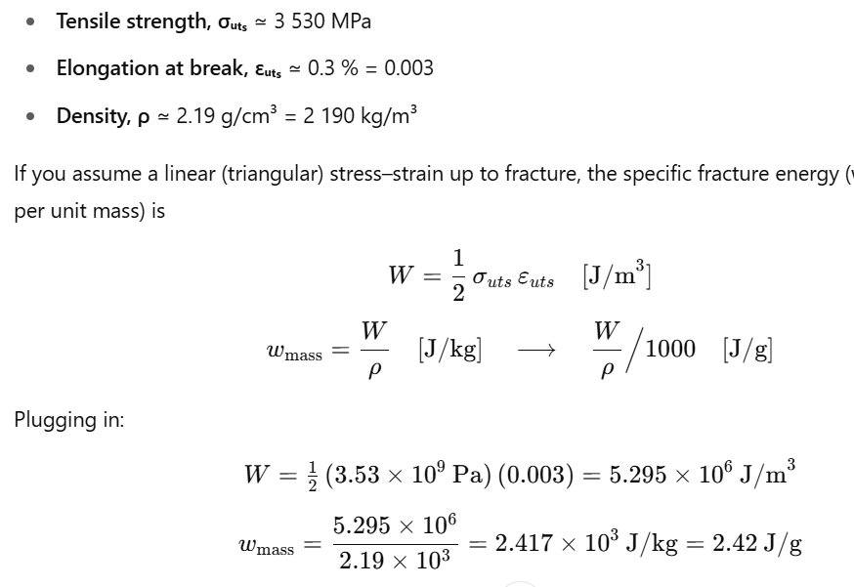
DIALEAD K1392U | Pitch-based CF | 2.15 | 0.47 | 1.72 | 353.00 | - | 0.09 | 210 | 0.20
DIALEAD K13C6U | Pitch-based CF | 2.18 | 0.46 | 1.65 | 413.00 | - | 0.18 | 580 | 0.40
DIALEAD K13D2U | Pitch-based CF | 2.20 | 0.45 | 1.68 | 425.00 | - | 0.30 | 800 | 0.67
Epsilon | High-modulus Coal Tar Pitch | 1.80 | 0.56 |  | 516.67 |  |  |  |  |  |  | https://www.epsilon-composite.com/en/carbon-fiber-grades
Graphene Fibers | Solution Spun | 1.86 | 0.54 | 2.79 | 284.41 | 18.29 | 0.01 | 232 | 0.01 | 5.19 |  | https://www.nature.com/articles/s41563-025-02384-7

Copper |  | 8.96 | 0.11 | 0.04 | 12.28 | 6.20 | 6.57 | 385 | 58.82 | 0.34 | 0.14 | https://www.matweb.com/search/datasheet.aspx?matguid=1980eb23287a4408adc404dd39293942&ckck=1
Aluminum 1199-H18 |  | 2.70 | 0.37 | 0.04 | 25.19 | 4.20 | 13.23 | 210 | 35.71 | 0.12 |  | https://www.matweb.com/search/DataSheet.aspx?MatGUID=7a321b89269943629bb6d7a0a4a357b2
AERMet Steel |  | 7.86 | 0.13 | 0.31 | 24.43 | 17.50 | 0.75 | 54 | 5.90 | 2.43 |  | Carpenter AerMet® 340 Datasheet
ASTM A36 Steel |  | 7.85 | 0.13 | 0.06 | 25.48 | 6.00 | 0.89 | 50 | 6.96 | 0.48

Max Overall |  | 8.96 | 1.60 | 5.80 | 535.00 | 151.25 | 17.35 | 800 | 58.82 |  |  | https://www.matweb.com/search/DataSheet.aspx?MatGUID=d1844977c5c8440cb9a3a967f8909c3a
Max CNT |  | 2.10 | 1.60 | 5.80 | 535.00 | 151.25 | 5.69 | 770 | 11.20
Max Non-CNT |  | 8.96 | 0.57 | 4.40 | 516.67 | 39.00 | 13.23 | 800 | 58.82

Normalized by ASTM A36 Steel
Max Overall |  | 1.14 | 12.56 | 94.85 | 21.00 | 25.21 | 19.57 | 16 | 8.45
Max CNT |  | 0.27 | 12.56 | 94.85 | 21.00 | 20.27 | 6.41 | 15 | 1.61
Max Non-CNT |  | 1.14 | 4.49 | 71.96 | 20.28 | 6.50 | 14.92 | 16 | 8.45

Graphene Fibers |  | 0.12 | 0.00 | 66.73 | 7.36 | 10.54 | 2.56 | 0 | 0.00
 |  | 0.66 | 0.00 | 1.27 | 1.36 | 0.84 | 2.97 | 0 | 0.00

