Sheet1
Author | Title | Year | Data Location | Data Source | Dependent | Independent | Model | Limitations | Results | EXTRAS | EXTRAS
Corbacho, Phillip & Ruiz-Vega | Crime and Erosion of Trust: Evidence for Latin America | 2015 | Latin America | World Gallup Survey - The survey provides information about individuals’ victimization and socioeconomic background. However, the data have two main limitations. It does not follow individuals over time and it does not include a location identifier within the country. These characteristics constrain the use of external instruments and the control for unobserved fixed effects. | Y = Trust (The indicator variable of trust in the local police takes the value of 1 if the respondent answered positively to the question: “In the city or area where you live, do you have confidence in the local police or not?”) | X = Victimization (We use two variables for victimization. The first takes the value of 1 if the individual was mugged or assaulted in the past year. The second takes the value of 1 if the individual or a family member had something stolen over the same period) | They use probit to calculate the propensity score of indivuduals. Then, they use matching. Finally, they use a sensitivity analysis to address non observable bias. | The survey lacks questions related to interactions with the police or the judiciary, impeding an empirical investigation of the importance of procedural justice. | Our results suggest that there is a strong negative impact of victimization on trust in the local police. Crime victims have, on average, a 10% lower probability of trusting the local police compared to non-victims.
Kulachai & Cheurprakobkit | Why Do People Trust the Police? A Case Study of Thailand | 2023 | Eastern Thailand | Self-Collected - The researchers used a multi-stage sampling technique to draw samples from seven provinces | Y = How much people trusted the police. The respondents were asked to rate their level of trust in the police in each question using a rating from 1 to 5, with 1 representing the least trust and 5 representing the most trust. | X = Age, police performance, fairness, corruption, fear of crime and victimization. | Ordinary multiple regression | They do not address endogenity. They use Quota Sampling. | Age, police performance, and fairness were significantly and positively related to trust in the police. The older the respondents, the more they had trust in the police. The findings revealed that corruption and fear of crime had a negative relationship with trust in the police. However, victimization did not significantly predict trust in the police. | Victimization is not significant. The difference in these findings could possibly be explained in the Thai context, as opposite to Corbacho.
Cao & Zhao | Confidence in the police in Latin America | 2005 | Latin America | World Values Surveys in 1995–1997 | Y = How much confidence do you have in the police: Is it a great deal, quite a lot, not very much, or none at all? Respondents could choose from 1 = a great deal, 2 = quite a lot, 3 = not very much, 4 = none at all. | X = Independent variables were a series of nine dummy variables with 1 representing the designated nation, 0 representing otherwise, and the U.S. was the suppressed category or reference group. Also, there were added socioeconomic, attitudinal and contextual variables. | Ordinary multiple regression | They do not address endogenity. | Look at EXTRAS ------------------------------------------------------------> | 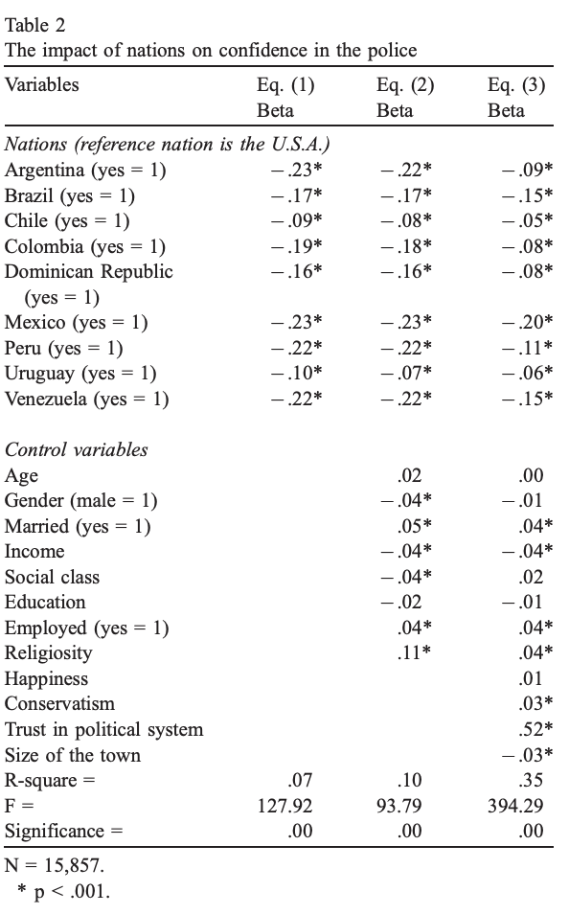
Melkamu & Teshome | Public trust in the police: Investigating the influence of police performance, procedural fairness, and police-community relations in Addis Ababa, Ethiopia | 2023 | Addis Ababa, the capital city of Ethiopia | Self-Collected - The data was collected in systematically selected 11 neighborhoods, using face-to-face structured and unstructured interviews. A sampling of respondents in the selected neighborhoods was undertaken using a multistage cluster sampling. | Y = Trust in the police. Residents were asked whether they believed their local police would protect people and property. | X = Question involving police efficacy and relation. Also, they add demographic and control such as victimization and local crime. | Ordinary multiple regression | They do not address endogenity. | The regression analysis shows that a 50.2% (R2 = 0.502) change in trust in police is due to variations in police effectiveness, procedural justice, and police community relations. Based on these coefficients, the strongest predictor for public trust in the police was police effectiveness (β = 4.299), followed by police-community relations (β = 1 .535), procedural justice (β = 1.257), and then prior crime victimization (β =.71).
Wiedlitzka | Risk Factors for Victimization and the Impact of Victim Status on Perceptions of Police Legitimacy in Australia | 2021 | Australia | National Security and Preparedness Survey (NSPS 2011–2012). There is a unique national survey that includes questions around PMC victimization and reporting behavior. | Y = Three possible groups: non-victims, non-PMC victims and PMC victims. | X = Police Legitimacy, Willingness to Cooperate with the Police, Identification with Australia, Perception of Federal and State Government Legitimacy, Perceived Obligation to Obey the Law. Variables are made from items on a Likert scale (1 = "strongly disagree," 5 = "strongly agree"), with different internal consistency (alfa de Cronbach) | Multinomial Logit Regression. For each category j of the dependent variable (except the base b), a linear function of independent variables is estimated: ln(Ωm|b(x)) = β₀ⱼ + β₁ⱼ·X₁ + β₂ⱼ·X₂ + … + βₖⱼ·Xₖ, | They do not address endogenity. | PMC victims had lower perceptions of police legitimacy compared to both non-victims and non-PMC victims. Individuals with higher perceptions of police legitimacy were more likely to be non-victims. Age was negatively associated with being a victim. Low police legitimacy was identified as a barrier to reporting prejudice-motivated crimes. Higher perceptions of federal government legitimacy increased the likelihood of being in the non-victim group compared to the victim groups. | A PMC is a crime that is directed at people based on certain attributes, including, for example, the victim’s race/ ethnicity, religion, sexual orientation, gender identity, or disability.
Howes, Watson, Ryan, Rivera & McNinch-Su | Community Satisfaction with Policing on Guam | 2022 | Guam, a Pacific Island in Micronesia | Guam Police Department Community Policing Survey - 701 response sets were available for analysis. | Y = Satisfaction with police, was measured with a single item: ‘How satisfied are you with the services provided by police in your community?’ on a 5-point scale (from 1 = very dissatisfied to 5 = very satisfied). | X = Demographic characteristics, Community context (including Victimization and Social Capital) and Police-citizen interactions. 20 variables in total. | Hierarchical ordinal logistic regression | They do not address endogenity. | The final model, which included demographic, community context, and police-community interaction variables, the relative influence of demographic and community context variables changed. Gender no longer predicted satisfaction with police, but age and highest income bracket remained significant predictors. | They make a great comparison of variables that affect police perception (Introduction and Discussion). | The relative size of adjusted R2 for the final model (37%) indicates that the police-citizen interaction variables explained the greatest variance in satisfaction with policing.
Merenda, Trent, Rinke & Buchanan | Understanding citizen satisfaction with the police: results from a community survey | 2021 | New York, USA | Self-Collected - In light of resource limitations, surveys were mailed to a total of 3,000 households (10% of the city population), with 375 addresses selected within each ward. | Y =The dependent variable for this research was a measure of Satisfaction with Police. This measure consisted of five items (Cronbach’s α = .91) commonly found in police satisfaction literature and focused on how quickly police would arrive to the scene of a crime (efficiency), how much the police department listens to community input (empathy), and to what extent the police department prioritizes community concerns (validation). | X = Demographics, Physical Disorder , Social Disorder, Perception of Neighborhood Crime, Community Control | Ordinary least squares (OLS) | They do not address endogenity. | Model 2 incorporate Neighbourhood Views. The race/ethnicity demographic variable was no longer a significant predictor. As for the neighborhood views measures, Social Disorder was a significant predictor (B = −0.09, p = .03), such that residents who reported higher levels of social disorder reported lower police satisfaction. Perception of Neighborhood Crime was also a significant predictor (B = 0.16, p = .02). Interestingly, residents who had a higher perception of neighborhood crime tended to report higher police satisfaction. In addition, the Safety of City item was also a significant predictor (B = 0.12, p = .005) of police satisfaction, such that residents who reported the city, as a whole, as a safe place tended to report higher satisfaction with the police. | Finally, the largest predictor of police satisfaction was the Procedural Justice for All measure (B = 0.78, p < .001). Residents who reported feeling safe tended to report being satisfied with the police. | They address multicolinearity problems.
Bolger, Lytle & Boelger | What matters in citizen satisfaction with police: A meta-analysis | 2021 | - |  |  |  | Meta-Analysis | Meta-Analysis | The majority of studies used ordinary least squares (OLS) regression. A significant portion of studies used logistic regression and generated logged odds ratios or odds ratios. A small portion of studies utilized probit regression. | 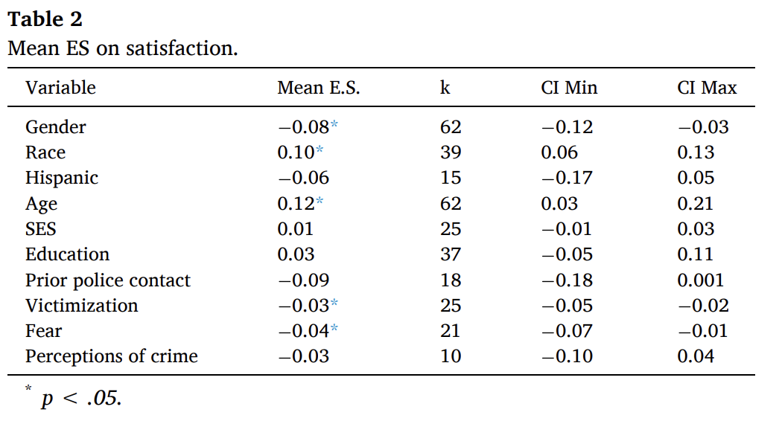
Avery, Hermsen & Towne | Crime victimization distress, neighbourhood social cohesion and perceived police effectiveness | 2020 | Missouri, USA | Missouri Crime Victimization Survey (MCVS) - The MCVS data were collected via a phone (cell and landline) survey to adult residents of Missouri, USA in spring of 2016. | Y = Police effectiveness. We assessed effectiveness across four domains. In each case, the text of the item read: “How effective would you say the law enforcement agency that services your neighbourhood is in each of the following circumstances?” The four circumstances are: “when people in your neighbourhood call them for help”; “controlling violent crime”; “controlling drugs”; and “controlling burglary.” Each item was originally coded from 1 to 4 where 1 is very effective and 4 is very ineffective. (This is similar to ENAPRES). | X = Our central explanatory variable is distress from violent victimization in the past 12 months. Responses included (1) not at all distressing, (2) mildly distressing, (3) moderately distressing and (4) severely distressing. we anticipate the inclusion of social cohesion will affect the relationship between distress and perceptions of police. In this analysis, social cohesion is a scale based on responses to five items: (1) People around here are willing to help their neighbours (the scales is 1-5). They also use as control demographic and personal characteristics. | Ordinary least squares (OLS) | They do not address endogenity. | Results suggest neighbourhood social environments should be incorporated into models of perceptions of police effectiveness. We also extend current work by considering the role of neighbourhood social cohesion in addition to neighbourhood structural characteristics. | We extend the extant research on victimization and perceptions of police by looking not just at whether an individual is a victim of a crime and its impact on perceptions of police, but whether the level of distress felt by a victim is associated with those perceptions. | 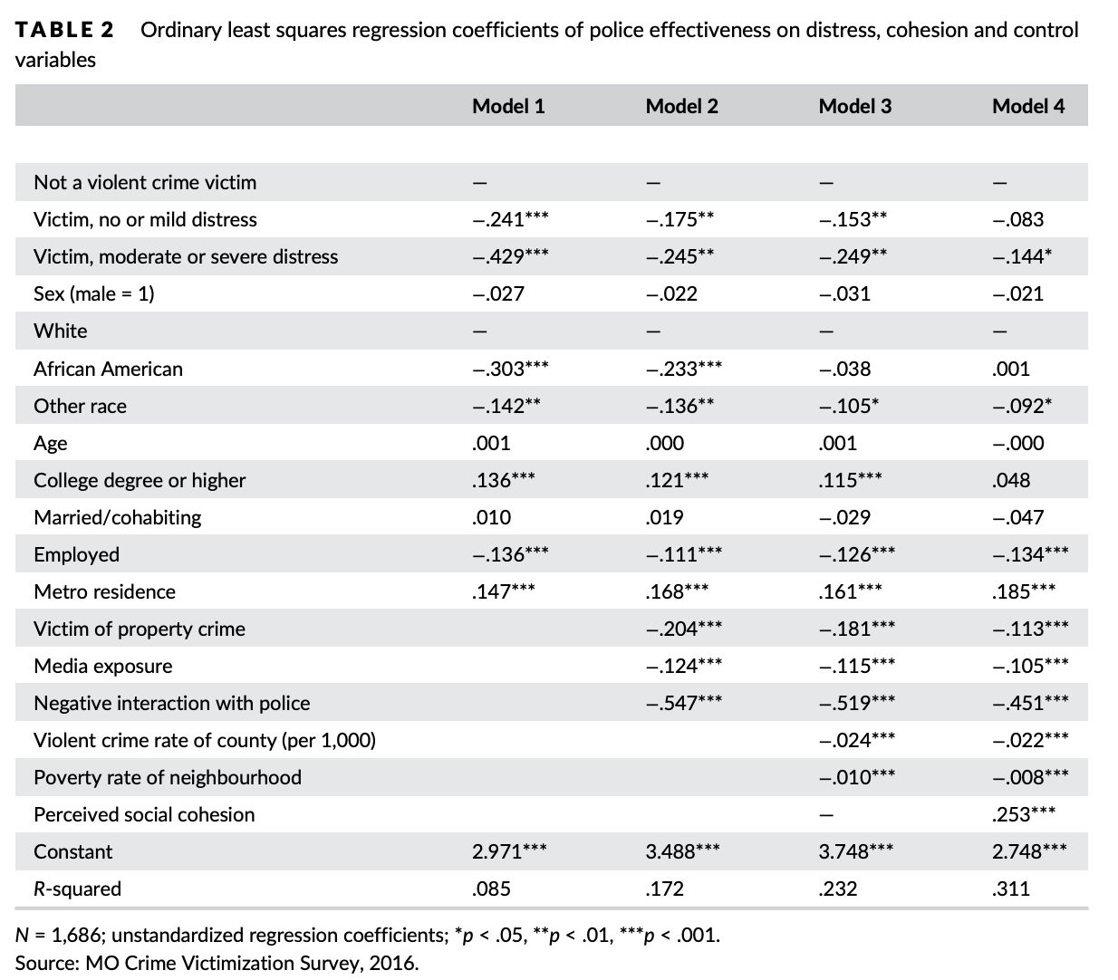
Kwak, Dierenfeldt & McNeeley | The code of the street and cooperation with the police: Do codes of violence, procedural injustice, and police ineffectiveness discourage reporting violent victimization to the police? | 2019 | Seattle, USA | Seattle Neighborhoods and Crime Survey (SNCS), conducted in 2002–2003 by computer-assisted telephone interviewing (CATI) of 3759 respondents from all 123 census tracts in Seattle. | Y = The dependent variable is a binary measure of whether the victim reported their most recent assault victimization to the police (1 = yes; 0 = no) (Approximately 39.2% of the assault victims reported the incident to the police) | X = Violence behavior, Procedural injustice, Police performance ( police ineffectiveness, fear of crime, and prior victimization) and Individual control variables. | Logistic model with interactions | They do not address endogenity. | Victims' perceptions of procedural injustice by the police reduce the probability of police notification by 11.1%. Injured victims are more likely to call the police. The probability of crime reporting increases by 6.7% for each unit increase in the fear of crime scale, while prior victimization is associated with 5.6% lower odds of crime reporting. | Racial discrimination, and mistreatment by the police lead to a reliance on violence to solve problems and a lack of confidence in and cooperation with police.
Frimpong et al. | Public confidence in the police: tests of instrumental and expressive models in a developing country city | 2019 | Sekondi-Takoradi, Ghana | Self - Collected - A multistage sampling procedure was used to sample 510 respondents across the three socioeconomic residential areas based on a list of enumeration areas (EAs). The EAs were used as the sampling frame for the study. | Y = Public confidence in the police (trustworthiness, effectiveness, engagement with community and procedural fairness) | X = Concerns about safety, perceived likelihood of victimization, perception of crime level within the residential area and prior victimization (most operationalized using likert scale) Five socio-demographic variables were used as control variables in this study. | Multiple regression | They do not address endogenity. | None of the expressive factors were significantly related to confidence in the police. In regard to demographic factors, age and duration of stay in neighbourhood significantly related to confidence in the police. | Perceived likelihood of victimization was significantly and inversely related to confidence in the police at New-Takoradi
Zahnow et al. | Living near violence: How proximity to violence shapes perceptions of police effectiveness and confidence in police | 2017 | Brisbane, Australia | Wave 4 of the ACCS; a longitudinal study of urban communities in Brisbane City, Australia. The sample comprises 4132 participants residing in 148 randomly selected Brisbane suburbs. | Y = Confidence in police. Survey participants were asked to report on a five point likert scale how strongly they agreed with the following statement: “I have confidence in the police in my community”. | X = Perceptions of police effectiveness (5 point scale),Spatial proximity to a recent violent crime event, Perceived safety, Self-reported contact with police, Self-reported recent victimization and Socio-demographic characteristics. | Multiple regression | They do not address endogenity. Due to a very large sample size, some relationships, while statistically significant, were small in magnitude. | We hypothesized that individuals living in closer proximity to recent violent events would report lower confidence in police because seeing violence in the community would indicate that the police were not effectively controlling crime. However, we found the opposite to be true | Due to a very large sample size, some relationships, while statistically significant, were small in magnitude.
Sahapattana & Cobkit | The relationships between police performance and public confidence: a case study of Thailand | 2016 | Thailand | Self - Collected - The data for this study were part of a national citizen survey in Thailand conducted in 2012 sponsored by the Royal Thai Police | Y = Confidence the public has in the police (0-3). Then the variable was dichotomized. | X = The independent variables consisted of four categories: demographic, contextual, contact, and police performance. The demographic category included age, gender, employment, education, and income. The contextual category included victimization and fear of crime. The contact category had one variable, police contact, which was categorical. The last category, police performance, included two composite variables: crime prevention and crime suppression. | Logistic regression | They do not address endogenity. The sample of this study is convenient sampling. the study is cross-sectional and, therefore, lacks the ability to produce causal inference. | Only gender was not statistically significant. The results indicated that the older the respondents, the more they had confidence in police. Employed respondents reported more confidence in police than the unemployed respondents. The higher the education of the respondents, the less confidence they had for the police. Pseudo R² increased from 6% to 25% in the final model when including police performance variables, indicating a substantially better fit. | (1) Being a crime victim and being fearful of crime will correlate with a lower level of confidence in police. (2) Having police contact will correlate with a higher level of confidence in police. (3) Perception of police doing a good job in crime prevention will correlate with more confidence in police. | All hypotesis are supported by findings.
Han, Sun & Hu | Social trust, neighborhood cohesion, and public trust in the police in China | 2016 | China | 2012 Chinese General Social Survey (CGSS) - This study used survey data collected from roughly 5,600 respondents. | Y = Public trust in the Chinese police (1-4 scale) | X = The effects of two forms of social trust, generalized trust and particularized trust, and three types of neighborhood cohesion, neighbor solidary, support and interaction | Mutivariate regression | The CGSS data contained only a single item that could be used to measure public trust in the police. Future studies should consider using multiple survey items to reflect Chinese people’s trust from different conceptual dimensions, such as procedural- and outcome-based trust and police legitimacy. Do not adress endogenity. | Both generalized trust and particularized trust exerted a significant positive effect on trust in the Chinese police. Greater neighborhood cohesion also enhanced public trust in the police. Elderly, women, less educated and people with rural hukou and higher perceived social class were more likely to trust the police. (Good PAPER, it makes much emphasize in social cohesion and uses the same scale of us to measure police satisfaction). Consistent with our expectations, the neighborhood cohesionscale was positively related to police trustworthiness. | The CGSS data also did not contain information on some relevant predictors, such as victimization and fear of crime, personal and vicarious contact experiences with the police, and news and social media usage and exposure. Future studies, if possible, should incorporate these theoretically relevant and empirically proven variables into the analysis."
Torres | Predicting perceived police effectiveness in public housing: police contact, police trust, and police responsiveness | 2015 | Southeastern US city | Self - Collected - Data were collected through interview surveys conducted by the author between June and September 2013. A sampling frame of households was used by having the resident lease list provided by KHA. The same KHA lease list was used to ensure respondents were 18 years of age and a resident of KHA. | Y = One dependent variable conceptualised as perceived police effectiveness was used for the analysis. A scale of police and policy effectiveness was constructed by combining three Likert-scale items (α = .706). The first item is conceptualised as banishment enforcement effectiveness. The second item in the effectiveness scale, banishment efficacy, was measured with a single 5-point Likert-scale item. The third item is a measure of overall police effectiveness and was also measured using one 5-point Likert-scale item. | X = Police contect (neighbourhood crime victimisation and banishment exposure), police trust (measured using one 5-point Likert-scale item) , Police responsiveness (dealing with the frequency of police patrol to capture compromised legitimacy and was measured using one item). As controls, they use demographic variables. | Simple linear regression | This study did not utilise a random sample. They do not address endogenity. | Police trust and police responsiveness predicted police effectiveness better than police contact, which failed to reach statistical significance. Police trust positively predicted perceived police effectiveness (β = .423; p < .001), while under-policing and over-policing negatively predicted perceived police effectiveness (β = −.231, p < .001; β = −.240, p < .001, respectively). Age (β = .172; p < .05) and length of stay in the community (β = −.128; p < .05) predicted perceived police effectiveness modestly. | H1: Those who have police or banishment contact will perceive the police to be ineffective. H2: Those who view the police as trustworthy will perceive the police to be effective. H3: Those who feel the police are either under-policing or over-policing will perceive the police to be ineffective.
Akhtar et al. | Public perceptions of police service quality: empirical evidence from Pakistan | 2011 | Pakistan | Self - Collected - The data were collected from a highly populous city located in the province of Punjab during March and April 2011. |  | X = Attentiveness, Reliability, Fairness, Manners, Responsiveness, Competence of police officers. | They just explore correlation |  | In a 1-5 scale, police officers get an average between 3 and 4.
Gainey & Payne | Gender, victimisation, perceived risk and perceptions of police performance in disadvantaged neighbourhoods

