SystemDesignCheatSheet
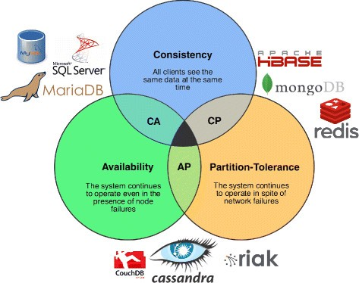
Database architecture & design
RDBMS
Transaction principles and ACID | Atomicity | RDBMS implementations: | Reasons for SQL:
 | Consistency | Oracle |  | Structured data
 | Isolation | MySQL |  | Strict schema
 | Durability | PostressSQL |  | Relational data
 |  |  |  | Need for complex joins
Scale techniques | master-slave replication |  |  | Transactions
 | master-master replication |  |  | Clear patterns for scaling
 | federation (split DB by use case users. Order etc, ) |  |  | More established: developers, community, code, tools, etc
 |  |  |  | Lookups by index are very fast
SQL tuning | Denormalization |  | Reasons for NoSQL:
 | Indexes, Btree Others |  |  | Semi-structured data
 | Profiling |  |  | Dynamic or flexible schema
 |  |  |  | Non-relational data
NOSQL |  |  |  | No need for complex joins
BASE principle | Basically available | Availability over consitency. |  | Store many TB (or PB) of data
 | Soft state |  |  | Very data intensive workload
 | Eventual consistency |  |  | Very high throughput for IOPS
 |  |  | Sample data well-suited for NoSQL:
Scale techniques | Cluster replications |  |  | Rapid ingest of clickstream and log data
 |  |  |  | Leaderboard or scoring data
Store types: | desription: | NOSQL implementations: |  | Temporary data, such as a shopping cart
Key value store | hash table | Redis |  | Frequently accessed ('hot') tables
Document store | key-value store with documents stored as values | Mongo |  | Metadata/lookup tables
Wide column store | Column family | Cassandra
Graph Databases. | -- | --

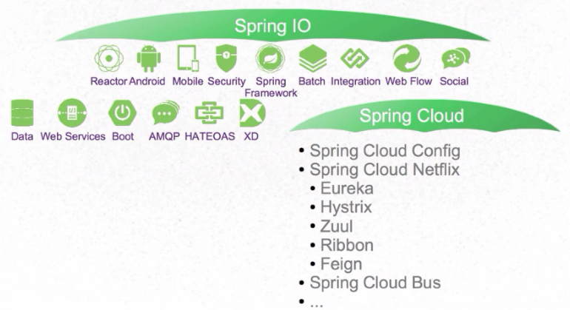
Deployment | Jenkins, plugins tasks integration with source control and nexus.
Scaling/autoscaling | Kubernetes (Horizontal Pod Autoscaler, CPU utilization or Custome metric.)
Monitoring | Spring Boot Admin(health monitor), Actuator, Elastik search, Logstash, Kibana. Jresilience, Hystrix setup. Database health monitoring, SMS, Email notifications
Microservice architecture approach | Functions in one process(Monolith), Each Function Separate (Process).
 | Related to this discussion are microservices, which can be described as a suite of independently deployable, small, modular services. Each service runs a unique process and communicates through a well-defined, lightweight mechanism to serve a business goal. 1 Pinterest, for example, could have the following microservices: user profile, follower, feed, search, photo upload, etc.
 | Micorservices usually require cloud supporting service like API Gateway, Config Server, Registry server(Discovery), Tracing(Zipkin Sleuth)
 | Usually microservices require resilience patterns(Retry, fallback, timeout, and circuit breaker)

Microservices vs Monolith | Microservice + | Monolith +
 | Functional decomposition. | Simple to develop/test/deploy/scale. If moderate size/complexity.
 | Freedom of techonologies. | Memory exchange happens faster.
 | Surgical scalability.
 | Continuous deployment is easy.

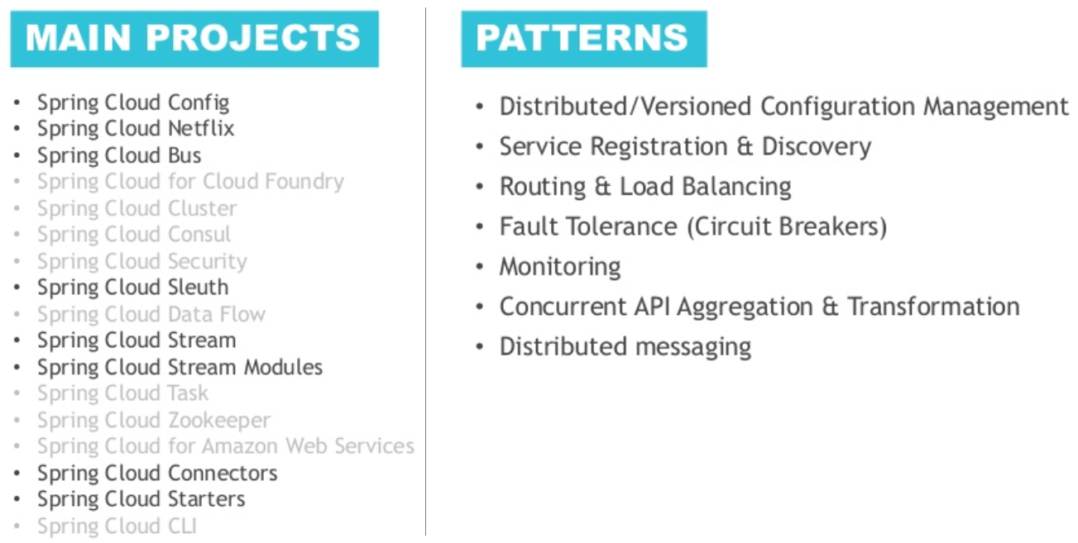
 | Microservice - | Monolith -
 | Distributet system complexity. | Limited by size and complexity.
 | Hard to meet Transaction (ACID) Principles | Application can become too large to too large and complex to understand and maintian it.
 | Testing is harder, you need stubs mocks. | Continuous deployment is difficult
 | Changes might be cross Microservice. | Harder to adopt new technologies.
 | Deploying is harder.
 | You have to monitor more things
 | Memory exchange happens slower

Unit Testing skills | Levels:
 | Unit | Scope Class. Covers line/piece of code.
 | Component | Scope Component. Similar to unit testing Covers multiple classes and their relations mocking external system.
 | Integration | Scope Process/Application. Testing single or integration of application using external toolset. Covers Application functionalitites and its integrations.
 | System | System as whole. Covers Bussiness cases.
 | UAT | End users verify their scenarios.

 | Testing provides | Development Safety.
 |  | Early requirment clarification.
 |  | Simulation.
 |  | Drives implementation.

Principles
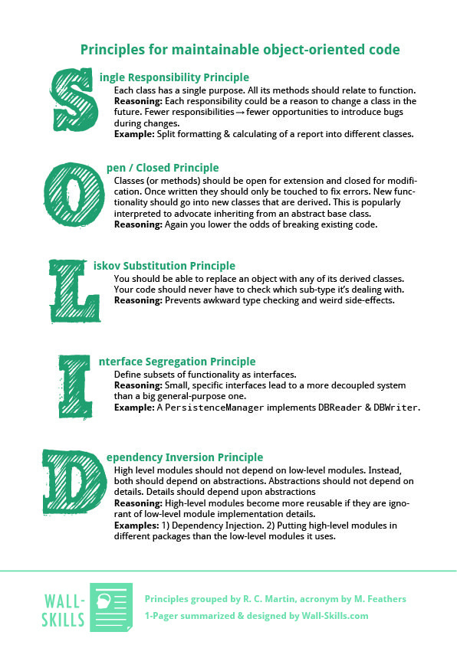
 | Most common patterns
OOP | Factory
Encapsulation is used to hide unnecessary details in classes and deliver a simple and clear interface. | Strategy
Inheritance explains how the class hierarchies develop code readability and support to the reused functionality. | Observer
Data Abstraction deals with objects, their important features and ignores all other details. | Builder
Polymorphism deals to work with a different object in a related manner. | Adapter
 | State

