SystemDesignCheatSheet
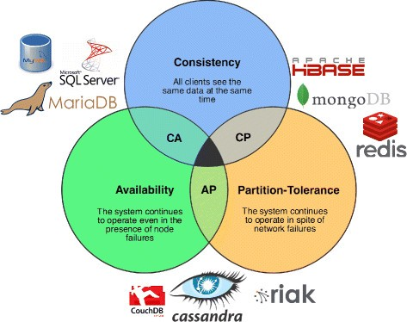
Database architecture & design
RDBMS
Transaction principles and ACID | Atomicity | RDBMS implementations: | Reasons for SQL:
 | Consistency | Oracle |  | Structured data
 | Isolation | MySQL |  | Strict schema
 | Durability | PostressSQL |  | Relational data
 |  |  |  | Need for complex joins
Scale techniques | master-slave replication |  |  | Transactions
 | master-master replication |  |  | Clear patterns for scaling
 | federation (split DB by use case users. Order etc, ) |  |  | More established: developers, community, code, tools, etc
 |  |  |  | Lookups by index are very fast
SQL tuning | Denormalization |  | Reasons for NoSQL:
 | Indexes, Btree Others |  |  | Semi-structured data
 | Profiling |  |  | Dynamic or flexible schema
 |  |  |  | Non-relational data
NOSQL |  |  |  | No need for complex joins
BASE principle | Basically available | Availability over consitency. |  | Store many TB (or PB) of data
 | Soft state |  |  | Very data intensive workload
 | Eventual consistency |  |  | Very high throughput for IOPS
 |  |  | Sample data well-suited for NoSQL:
Scale techniques | Cluster replications |  |  | Rapid ingest of clickstream and log data
 |  |  |  | Leaderboard or scoring data
Store types: | desription: | NOSQL implementations: |  | Temporary data, such as a shopping cart
Key value store | hash table | Redis |  | Frequently accessed ('hot') tables
Document store | key-value store with documents stored as values | Mongo |  | Metadata/lookup tables
Wide column store | Column family | Cassandra
Graph Databases. | -- | --

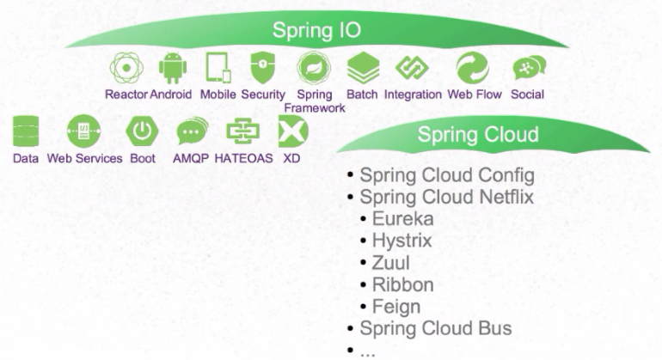
Deployment | Jenkins, plugins tasks integration with source control and nexus.
Scaling/autoscaling | Kubernetes (Horizontal Pod Autoscaler, CPU utilization or Custome metric.)
Monitoring | Spring Boot Admin(health monitor), Actuator, Elastik search, Logstash, Kibana. Jresilience, Hystrix setup. Database health monitoring, SMS, Email notifications
Microservice architecture approach | Functions in one process(Monolith), Each Function Separate (Process).
 | Related to this discussion are microservices, which can be described as a suite of independently deployable, small, modular services. Each service runs a unique process and communicates through a well-defined, lightweight mechanism to serve a business goal. 1 Pinterest, for example, could have the following microservices: user profile, follower, feed, search, photo upload, etc.
 | Micorservices usually require cloud supporting service like API Gateway, Config Server, Registry server(Discovery), Tracing(Zipkin Sleuth)
 | Usually microservices require resilience patterns(Retry, fallback, timeout, and circuit breaker)

Microservices vs Monolith | Microservice + | Monolith +
 | Functional decomposition. | Simple to develop/test/deploy/scale. If moderate size/complexity.
 | Freedom of techonologies. | Memory exchange happens faster.
 | Surgical scalability.
 | Continuous deployment is easy.

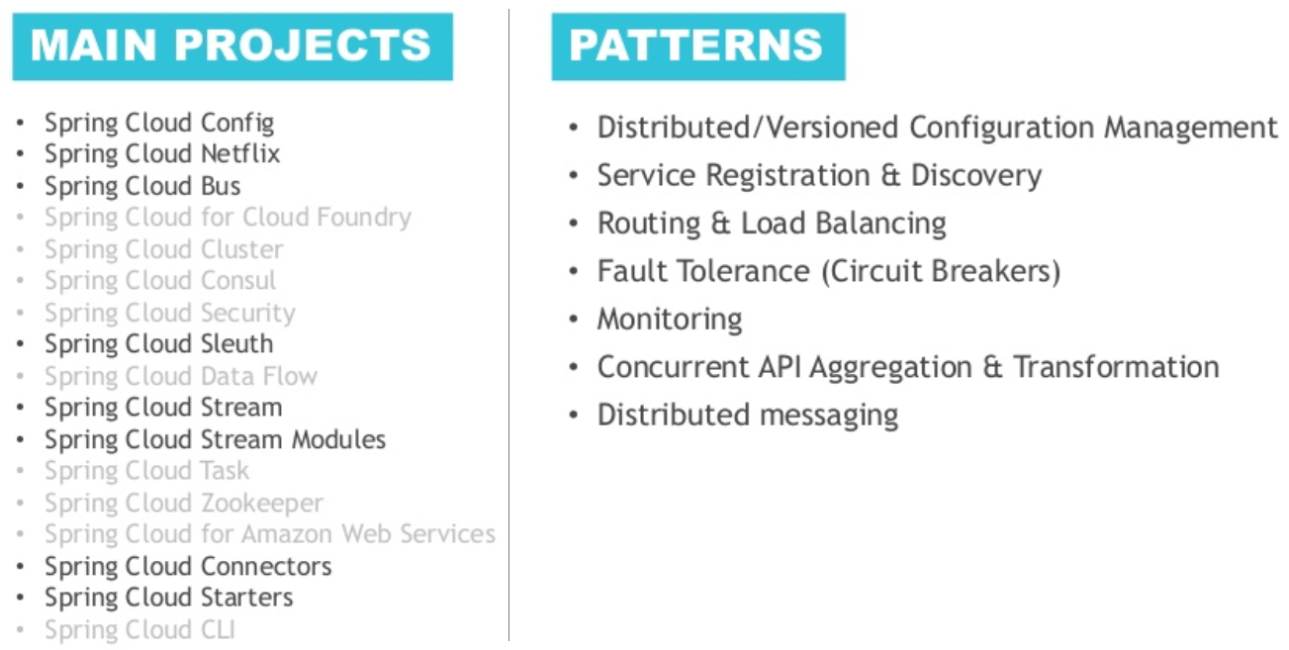
 | Microservice - | Monolith -
 | Distributet system complexity. | Limited by size and complexity.
 | Hard to meet Transaction (ACID) Principles | Application can become too large to too large and complex to understand and maintian it.
 | Testing is harder, you need stubs mocks. | Continuous deployment is difficult
 | Changes might be cross Microservice. | Harder to adopt new technologies.
 | Deploying is harder.
 | You have to monitor more things
 | Memory exchange happens slower

Unit Testing skills | Levels:
 | Unit | Scope Class. Covers line/piece of code.
 | Component | Scope Component. Similar to unit testing Covers multiple classes and their relations mocking external system.
 | Integration | Scope Process/Application. Testing single or integration of application using external toolset. Covers Application functionalitites and its integrations.
 | System | System as whole. Covers Bussiness cases.
 | UAT | End users verify their scenarios.

 | Testing provides | Development Safety.
 |  | Early requirment clarification.
 |  | Simulation.
 |  | Drives implementation.

Principles
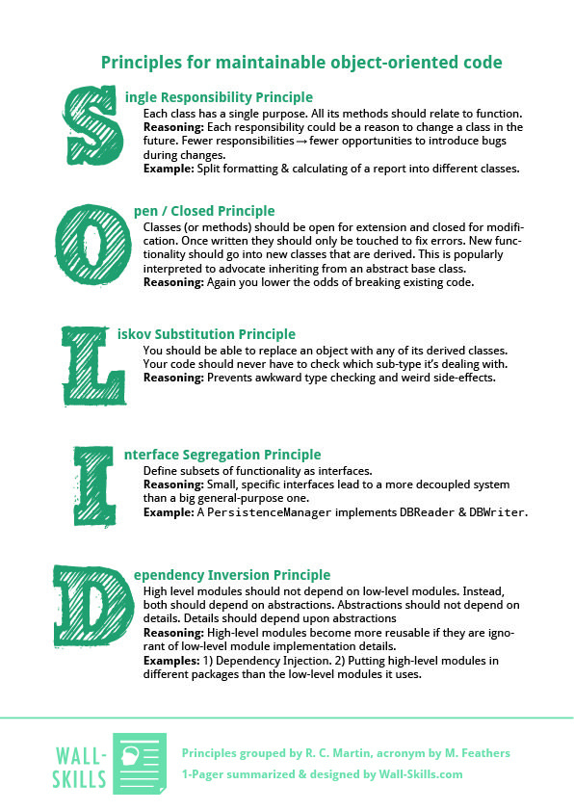
OOP

Encapsulation is used to hide unnecessary details in classes and deliver a simple and clear interface.
Inheritance explains how the class hierarchies develop code readability and support to the reused functionality.
Data Abstraction deals with objects, their important features and ignores all other details.
Polymorphism deals to work with a different object in a related manner.

