Sheet1
 | Compound name | Tanimoto Similarity with query | Known Binding Pfam domains
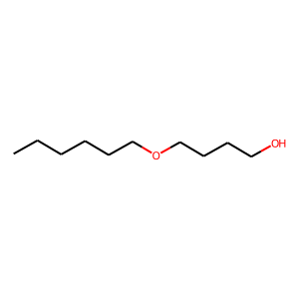 | Query ligand | - | -
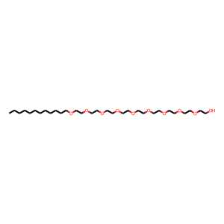 | CE9 | 0.77 | PF01180
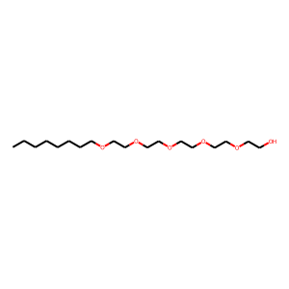 | N8E | 0.77 | PF01180
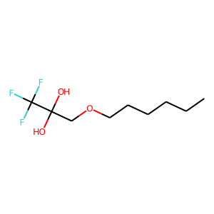 | CHEMBL449475 | 0.57 | PF00135
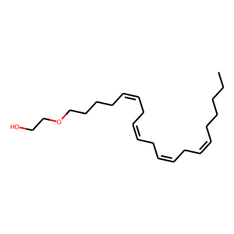 | CHEMBL450007 | 0.53 | PF00001
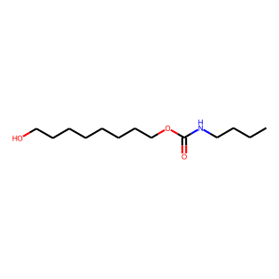 | CHEMBL181445 | 0.47 | (PF00135, PF08674)
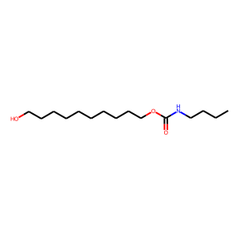 | CHEMBL181435 | 0.47 | (PF00135, PF08674)
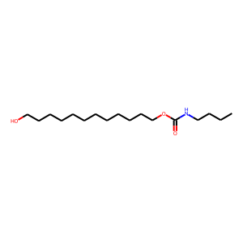 | CHEMBL182696 | 0.47 | (PF00135, PF08674)
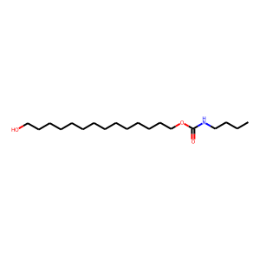 | CHEMBL183394 | 0.47 | (PF00135, PF08674)
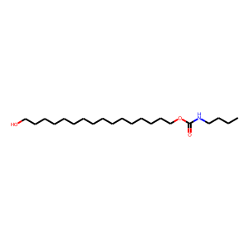 | CHEMBL184316 | 0.47 | (PF00135, PF08674)
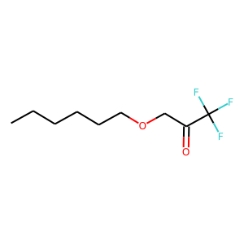 | CHEMBL421992 | 0.47 | PF00135
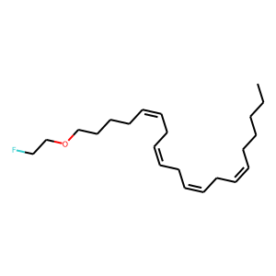 | CHEMBL60403 | 0.44 | PF00001
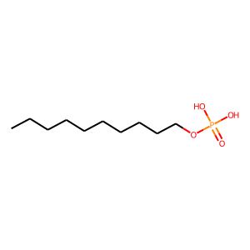 | CHEMBL361255 | 0.43 | PF00001
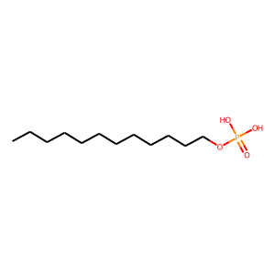 | CHEMBL187711 | 0.43 | PF00001
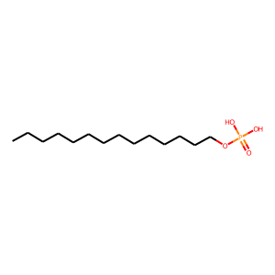 | CHEMBL187633 | 0.43 | PF00001
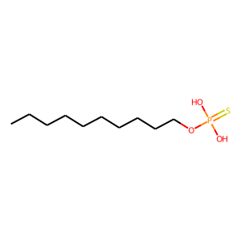 | CHEMBL187795 | 0.43 | PF00001
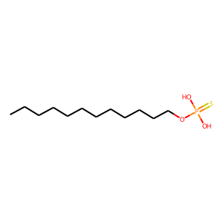 | CHEMBL191365 | 0.43 | PF00001
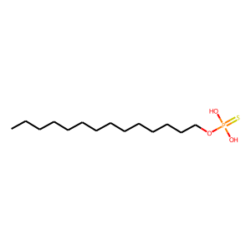 | CHEMBL189296 | 0.43 | PF00001
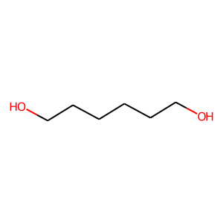 | HEZ | 0.42 | PF17921, PF02359, PF02933
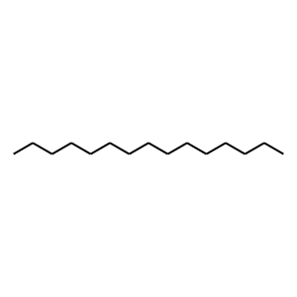 | MYS | 0.42 | PF07479
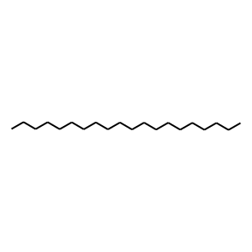 | LFA | 0.42 | PF00033
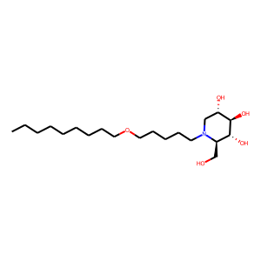 | CHEMBL1651633 | 0.42 | (PF02055, PF17189), PF13506, (PF04685, PF12215)
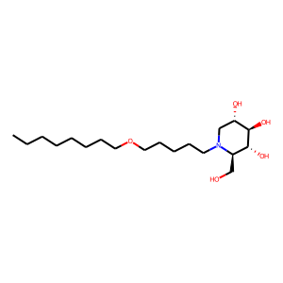 | CHEMBL1651632 | 0.42 | (PF02055, PF17189), (PF00088, PF01055, PF13802, PF16863), PF13506, (PF04685, PF12215)
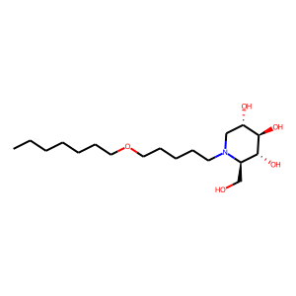 | CHEMBL1651631 | 0.42 | (PF00088, PF01055, PF13802, PF16863), PF13506, (PF04685, PF12215)
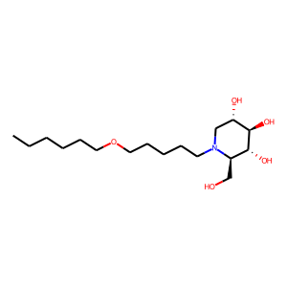 | CHEMBL1651630 | 0.42 | (PF00088, PF01055, PF13802, PF16863), PF13506, (PF04685, PF12215)
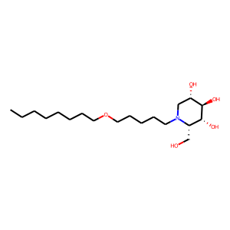 | CHEMBL1651638 | 0.42 | PF13506, (PF04685, PF12215)
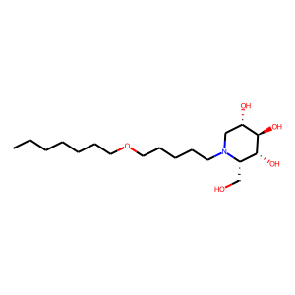 | CHEMBL1651637 | 0.42 | PF13506, (PF04685, PF12215)
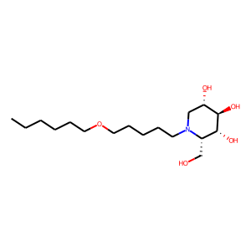 | CHEMBL1651636 | 0.42 | PF13506, (PF04685, PF12215)
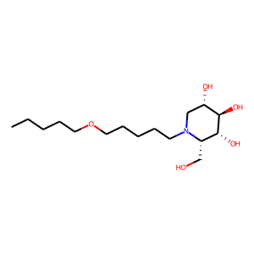 | CHEMBL1651635 | 0.42 | PF13506, (PF04685, PF12215)
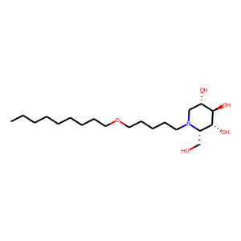 | CHEMBL1651639 | 0.42 | (PF04685, PF12215)
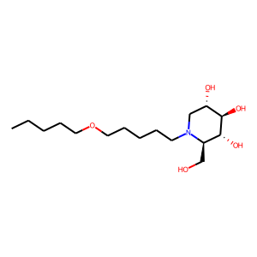 | CHEMBL1651629 | 0.42 | (PF04685, PF12215)
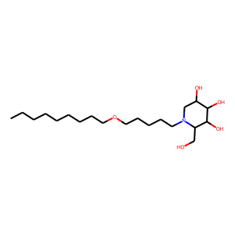 | CHEMBL4577406 | 0.42 | (PF04685, PF12215)
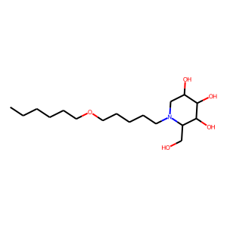 | CHEMBL4459011 | 0.42 | (PF04685, PF12215)
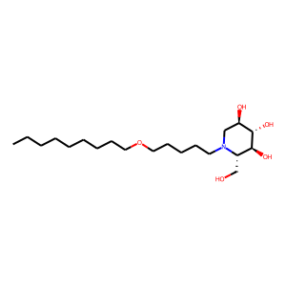 | CHEMBL4459494 | 0.42 | (PF04685, PF12215)
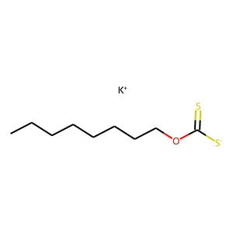 | CHEMBL2380742 | 0.41 | PF00194
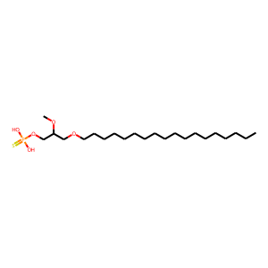 | CHEMBL2335052 | 0.4 | PF00001
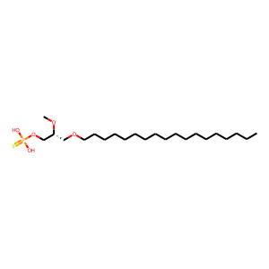 | CHEMBL2335048 | 0.4 | PF00001
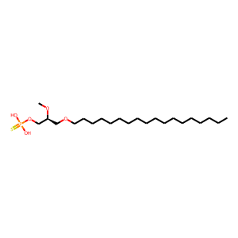 | CHEMBL2335047 | 0.4 | PF00001
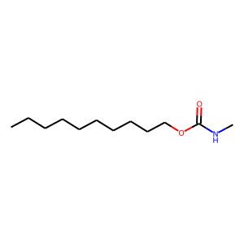 | CHEMBL3657187 | 0.4 | PF06441

