Adityan - Question 1
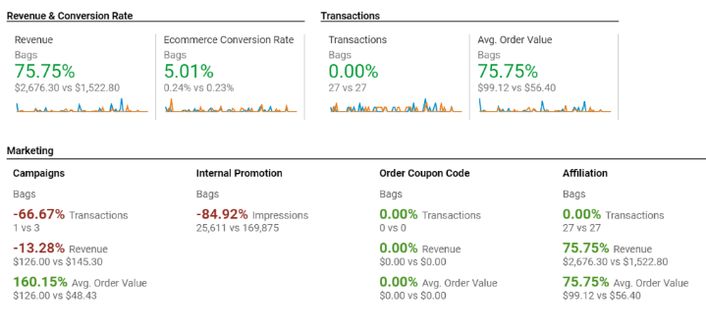
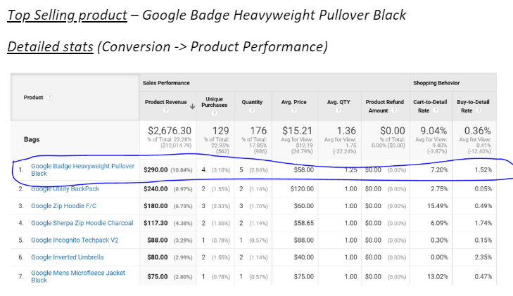
1 | Question | What are we selling and which of our product is sold the best revenue?
2 | Steps followed | Conversion -> Overview
3 | Insight trying to obtain | To understand the products we are selling and analyze their performance over the timeline
4 | Dates selected | Q1 2020 vs Q4 2019
5 | Results obtained | Screenshots shared below
6 | Insights | Comparing Q4, 2019 to Q1 2020 a. Revenue has increased by 75% b. Conversion rate has risen by 5.01% c. AOV has risen by 75% Marketing Channels perspective Campaigns: Although AOV has risen, # of TX, Revenue generated has gone down. Internal promotions aren’t effective enough -> -84.92% lesser impressions Affiliations are proving to be effective. Our major source of revenue this quarter.
7 | Recommendations | a. Our campaigns have to be made more effective. b. Analysis of customer segments and planned targeting needs to be done c. AOV rise denotes Campaign is working for products with higher price (As # of TX is less as well). Hence, campaigns to be introduced for products in top 10 with lower prices d. Internal promotions can be planned effectively with research and analysis in design e. We can definitely try promoting through Affiliates as we have a good network of Affiliates f. We can try analyzing our Affiliates’ website to improvise our site design

Adityan - Question 2
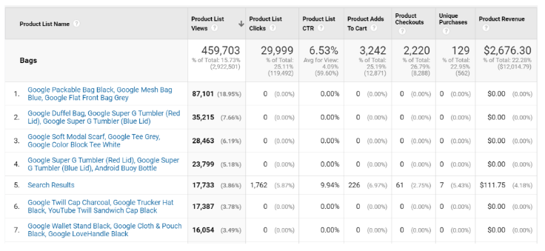
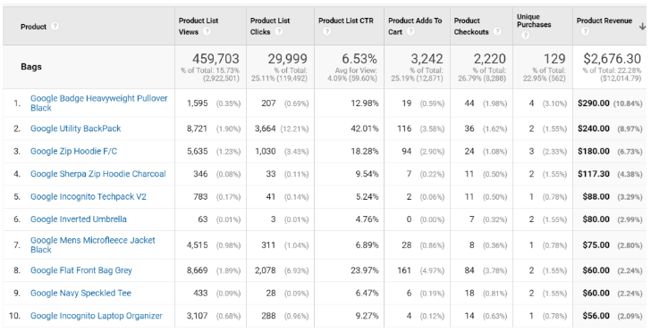
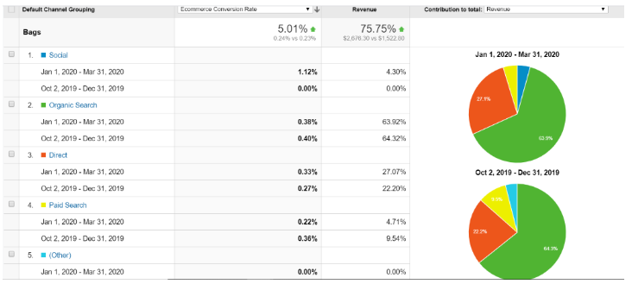
1 | Question | If a product is searched maximum, should we bring that to customer by google ad? What is customer searching on a maximum revenue generating product?
2 | Steps followed | 1. Acquisition -> Traffic -> Channels 2. Conversion -> Ecommerce -> Product List Performance -> Product
3 | Insight trying to obtain | To understand various Markting channels performance and to see what is the best for our business and at the same time understand what our strengths and weaknesses are
4 | Dates selected | Q1 2020 vs Q4 2019
5 | Results obtained | Screenshots shared below
6 | Insights | a. Our revenue is majorly coming from Organic Search and Direct load. Display is ineffective. b. Most of our top 10 selling products have lower ‘Cart Additions’ than ‘Checkouts’. I am guessing they are purchased on an Affiliate’s site. c. For products with high list views, CTR is very low. We can work on it. d. Search keywords can’t be associated with products e. Compared to previous quarter, our Social, Direct Load marketing channels have increased conversions. f. We need to work on Paid Search and Organic search as they still generate 65% of our revenue. We should work on our strategy there.
7 | Recommendations | a. For products with less CTR, we can use our Affiliates to market it. We can use Paid Search as well to market them. b. For our top 10 selling products, we can market using PLA. This will add in more revenue.

Adityan - Question 3
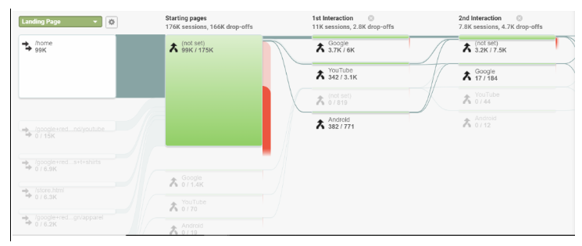
1 | Question | Where are users going maximum after each of the pages? Like home page, search page and so on ?
2 | Steps followed | Behavior -> Behavior Flow
3 | Insight trying to obtain | To understand how customers are coming into our website and how our website is recording traffic as users navigate through the website
4 | Dates selected | Q1 2020 vs Q4 2019
5 | Results obtained | Screenshots shared below
6 | Insights | a. From 99k inflow traffic to the homepage, we have 94k drop-offs b. After 1st interaction, drop offs are very less -> people already know their product. c. They are probably coming from an Affiliate website to look for a particular product and make a purchase
7 | Recommendations | a. We can try changing the layout for category pages b. Perform A/B testing for various layouts to increase CTR c. Work on ease of navigation d. Analyse our Affiliate websites as we have a lot of revenue cominf from them

SiddharthG - Question 4
1 | Question | On which visits (visit 1,2,3….), is our conversion rate good?
2 | Steps followed | Create custom report -> Metrics -> avg.order value, ecommerce conversion rate, unique purchases Dimensions -> count of sessions Segment Applied-> Bags
 |  | Select count of session and plot rows to see for each month over the year.
3 | Insight trying to obtain | Should we follow remarketing techniques?
4 | Dates selected | Q1 2020 vs Q4 2019
5 | Results obtained | Q1 2020 vs Q4 2019
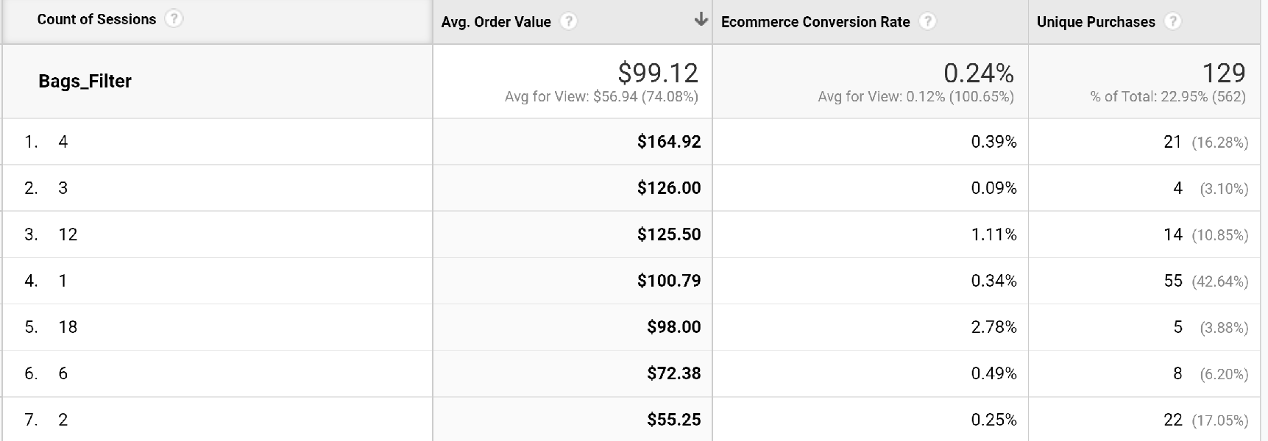
 | Q4 2020

 | Q4 2019

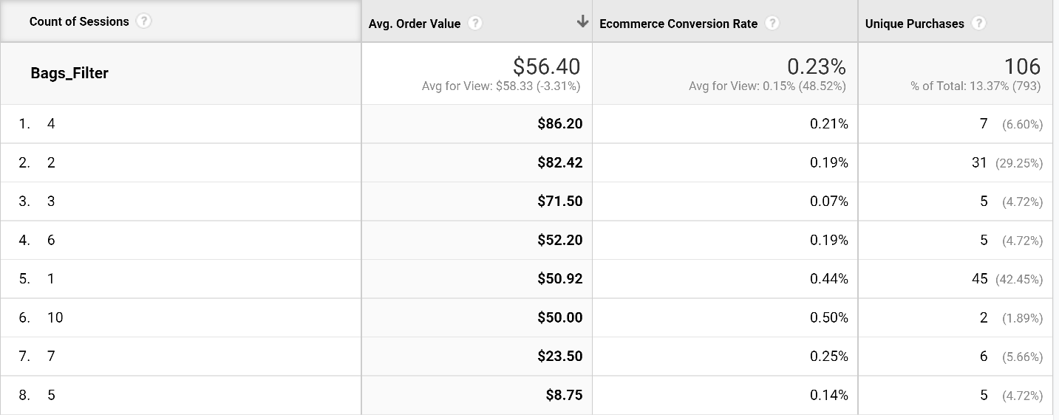

6 | Insights | For the months Jan to March of 2020, it is seen that a person visiting our site for the 3rd and 4th time had an good conversion rate. A person with 18 visits had highest ecommerce conversion rate of 2.78%. Maximum number of unique purchases 55 came from visitor of session 1.
7 | Recommendations | Since the maximum purchases happen at visits 3 and 4, we should remarket the product to the customer by email reminders, mobile app notifications and display ads to increase the likelihood of conversion.

Siddarth - Question 5
1 | Question | Best selling product
2 | Steps followed | Conversions > Product performance > Bags(Product Category)
3 | Insight trying to obtain | Revenue generated with minimal purchases made , Quantity vs revenue generated. Comparing it over two Quarters to get the products that have improved or declined.
4 | Dates selected | Q1 - 2020 and Q4 2019

 | Q1 2020 |  |  |  |  | Q4 2019

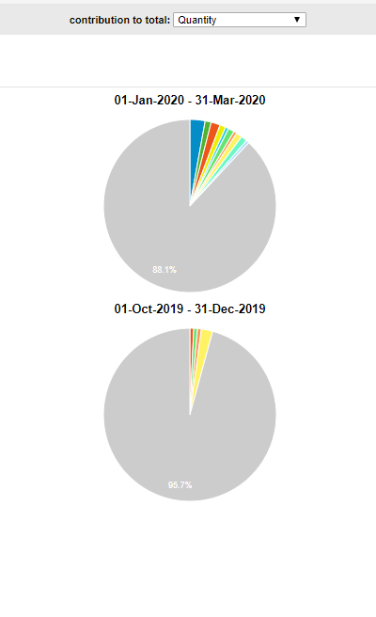
 | Comparison :
 | On Quantity |  | 6 | Insights | We see that the revenue of the Q1 of 2020 increased for products in as compared to Q4 of 2019 , in terms of unique purchases. While the Top selling product was that of "Heavy weight pullover in Q1 of 2020" , while it was "Flat front gray bag in 2019 " , these fluctuations are varying as the revenue generated by individual bags differs over many factors of pricing , unique purchases orders and quantity sold. overall we saw an increase in revenue for bags.
 |  |  | 7 | Recommendations | The products that lost value in the 1st quarter are to inspected for pricing , quality and customer feedback and those that gained value are to be improved on and continue to acquire more business.

Siddarth - Question 7
1 | Question | Where did the customers come from
2 | Steps followed | Behaviour > Behaviour flow > Bags
3 | Insight trying to obtain | Traffic analysis to know how customers are interacting with the site and where did they come from
4 | Dates selected | Q1 - 2020 and Q4 2019

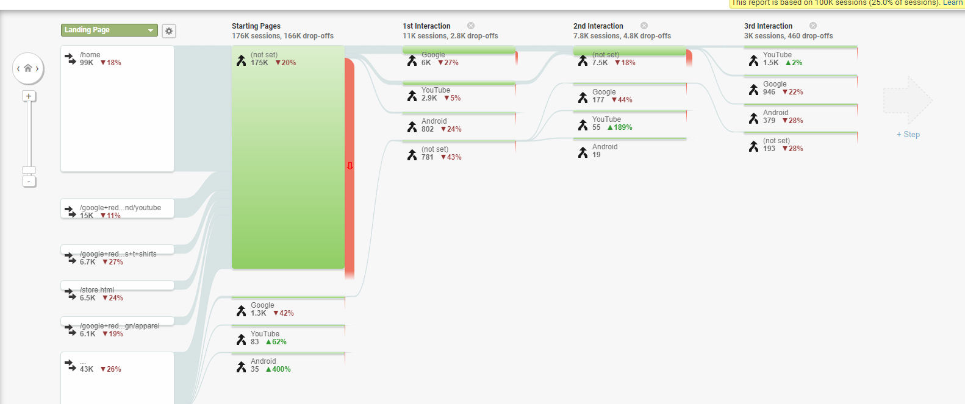

 |  | 6 | Insights | Most of our traffic that landing to our website is from the links specified in the above image. Out of which origins of certain links are not specific, but other pages that we know lets us know our competitors. With most starting page being Google , youtube or android .
 |  | 7 | recommendation | Knowing how customers are interacting woth the site is a critical information and data when it comes to strategise something as customers themselves are the bread and butter of the site. improving data acquisition techniques in the website of their origin will help greatly.

SiddharthG - Question 8
1 | Question | On which visits (visit 1,2,3….), is our conversion rate good?
2 | Steps followed | Get to conversion -> Ecommerce -> Product performance -> select Product Category (Enhanced Ecommerce) Metrics -> Product revenue Dimensions -> product Segment Applied-> Bags
 |  | To see for the first time visits edit -> count of sessions filter = 1 is to be given
3 | Insight trying to obtain | How much of revenue is obtained for the first time visits so that those products don't need much of remarketing!
4 | Dates selected | Q1 - 2020
5 | Results obtained for all visits | Overall vs First visit
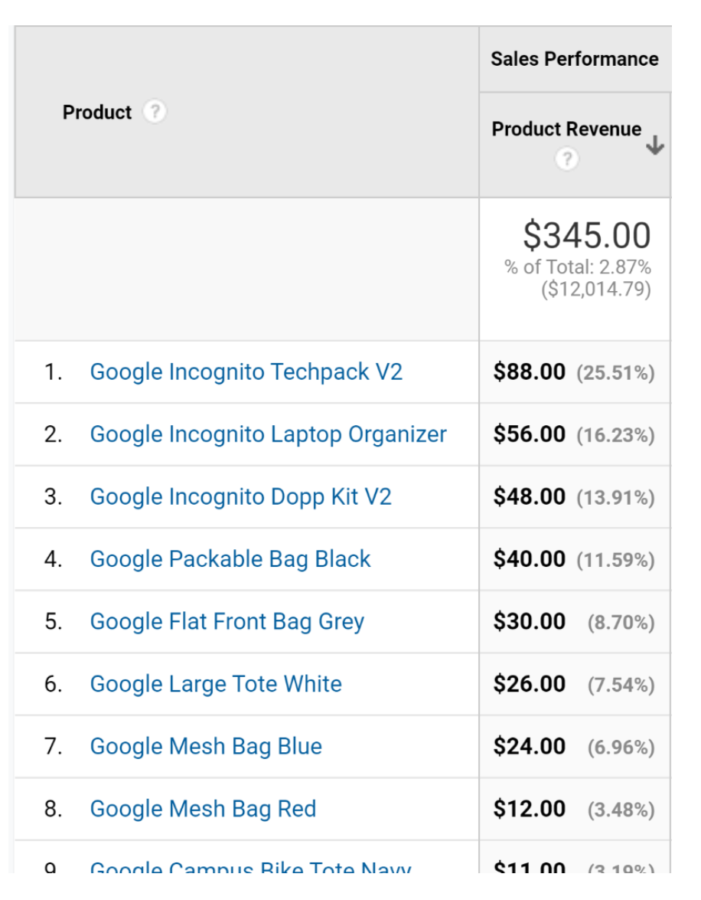
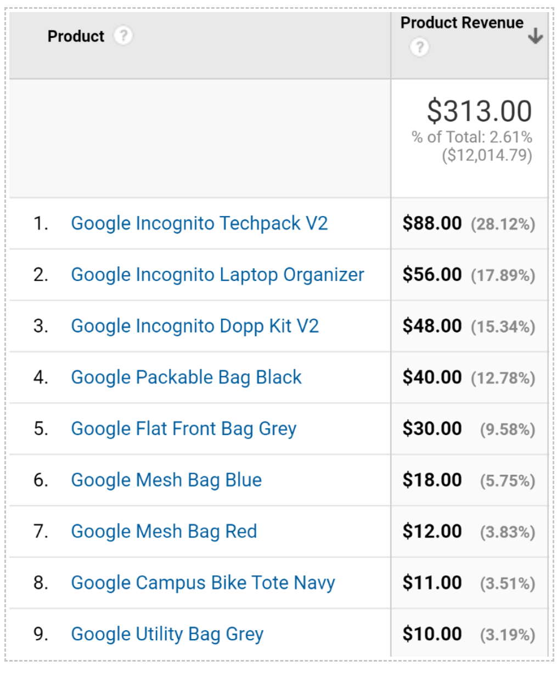

6 | Insights | The highest product revenue came from Google Incognito Techpack V2 which is 88$, followed by Google Incognito Laptop Organizer and Google Incognito Dopp Kit V2 For first visit: The Google Incognito Techpack V2 generated a revenue of $88 for first and all other filters. It means that it had a conversion rate only on the first visit.
7 | Recommendations | Google Incognito Techpack is an important selling product and special care should be taken to ensure that standards of the products are met.

Tomi - Question 9
1 | Questions | What countries have the highest conversion rate? Average Order Value?
2 | Steps followed | Created custom report -> chose revenue, users, conversion rate, average order value as metrics --> Dimension drill down: Countries segment -> Bags
3 | Insight trying to obtain | Which of the countries are contributing to success metrics. What countries need more marketing investment for higher returns
4 | Dates selected | Q1 - 2020 vs Q4 2019
5 | Results obtained

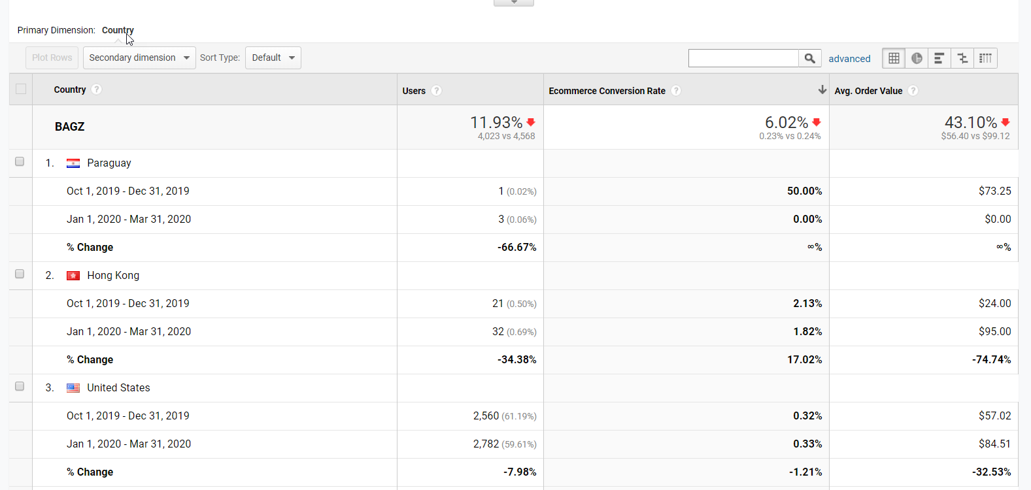
 |  | In Q1, the average order value increased from 73 dollars to 437. Japan now has the highest order value, it wasn’t in the top 10 countries in the previous quarter. Timbuktu probably initiated or increased marketing campaigns. The United states though, dropped to 5th from 2nd . The US still has the highest number of users.

 | Insights. | In Q4, Paraguay has the highest conversion rate though it has a very low % users . While the US has a large % of users, it’s conversion rate is relatively low.In Q1, US still has the most users, but with a low conversion rate, it dropped from the 3rd highest conversion rate to the 5th position. Paraguay is also no longer in the top 10. Hong Kong, which previously had the 2nd highest conversion rate is now the 1st
 |  | In Q4, Paraguay had the highest order value even though US has more users. In Q1, the average order value increased from 73 dollars to 437. Japan now has the highest order value, it wasn’t in the top 10 countries in the previous quarter. Timbuktu probably initiated or increased marketing campaigns. The United states though, dropped to 5th from 2nd . The US still has the highest number of users.

 | Recommendations | Research into drastic reduction in Paraguay and re-target customers.

 |  | Provide Incentive for purchase in the US e.g discounts

 |  | Focus marketing and promotion efforts towards Hong Kong. Create better brand awareness Hong Kong, Japan and the U.K. This will lead to more customers which could increase conversion rate.

 |  | Only a small % of users come from Japan but they have large purchase value. Marketing campaigns to increase brand awareness and product purchase should be implemented

 |  | More promotions should be done to regain customers & improve market in Paraguay to increase number of users and thereby increase order value

 |  | Ads and promotions on high end products in the United states can increase AOV

SiddharthG - Question 10
1 | Questions | Waterfall model to understand the revenue fall/raise
2 | Steps followed | Select Acquisition -> All traffic -> Channel segment -> Bags Metrics -> transaction, revenue and sessions
3 | Insight trying to obtain | Which of the factors - visit, order, revenue are having huge impact on success metrics
4 | Dates selected | Q1 - 2020 vs Q4 2019
5 | Results obtained

 | Quarter | Transactions (orders) | Revenue | Sessions (visits)
 | 2020 Q1 | 27 | $2,676.30 | 11250
 | 2019 Q4 | 27 | $1,522.80 | 11972

 | Waterfall model
 | Column1 | LY | TY | % vs LY | # vs Ly | Metric Chg Impact on Demand
 | Revenue | $1,523 | $2,676.30 | 76% | $1,154
 | Visits | 11972 | 11250 | -6% | -722 | -92 ($)
 | AOV | 56.4 | 99.12 | 76% | $42.72 | 1154 ($)
 | Conversion | 0.23% | 0.24% | 6% | 0.01% | 98 ($)

 | LY | Visits | AOV | Conversion | TY
 | 1523 | -92 | 1,154 | 98 | 2676

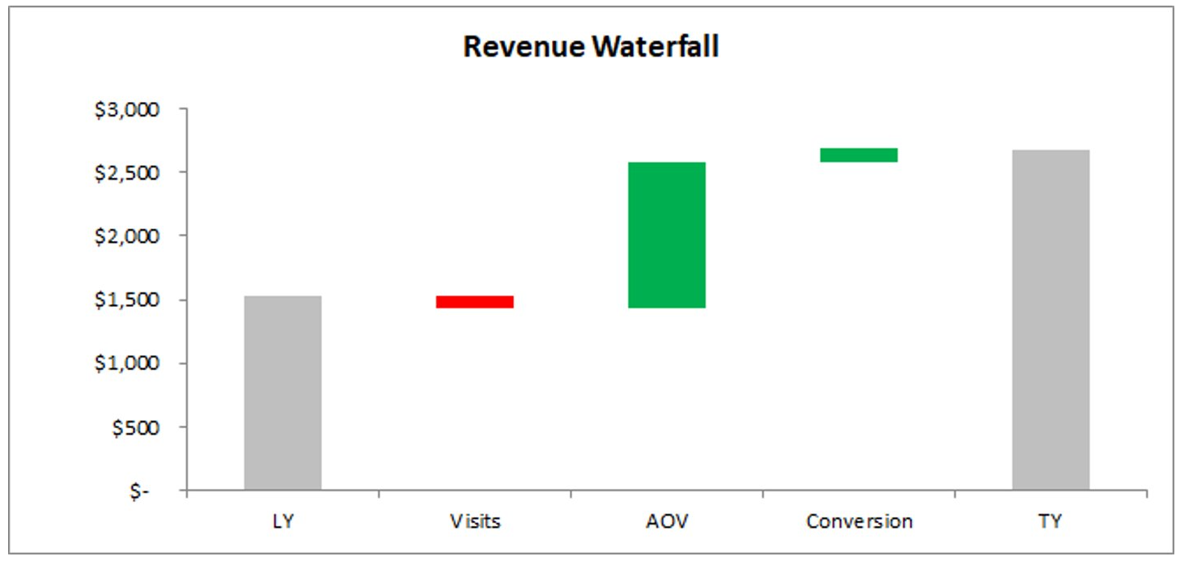

6 | Insights | It is seen that revenue of 2020 Q1 has increased by 76% when compared to last quarter. Visits have decreased by 6% and has impacted the revenue by 92$. conversion has increased by 6% and has contributed 98$ to revenue. AOV has a major increase by 76% and it has contributed much to the increased revenue by 2676$.
7 | Recommendations | AOV has a major impact on revenue and so measures should be taken to improve that

Tomi Question 11
1 | Questions | What devices bring in the highest conversion rate? Do we have to optimize for mobile? Test website usability for phone users
2 | Steps followed | Created custom report -> chose revenue, users, conversion rate as metrics --> Dimension drill down: Mobile Device Info segment -> Bags
3 | Insight trying to obtain | How users interact with our website via mobile devices and what contributions devices are making to success metrics
4 | Dates selected | Q1 - 2020 vs Q4 2019
5 | Results obtained | For Q4, majority (39.78%) of users to Timbuktu came from the iPhone and iPhone also had the highest conversion rate. For Q1, while majority (40%) of users still used an iPhone, most conversion came from the iPad .

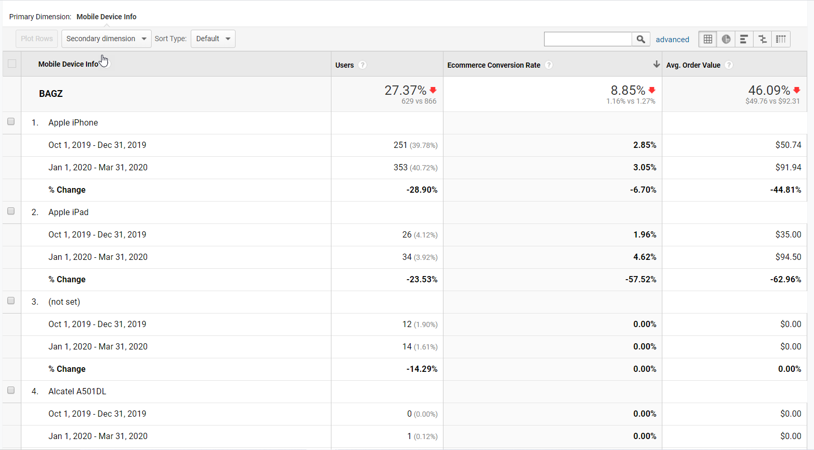
 |  | For Q1, while majority (40%) of users still used an iPhone, most conversion came from the iPad

 | Insights | For Q4, majority (39.78%) of users to Timbuktu came from the iPhone and iPhone also had the highest conversion rate.

 |  | For Q1, while majority (40%) of users still used an iPhone, most conversion came from the iPad

 | Recommendations | Perform website usability tests for mobile
 |  | Optimize website for mobile

Tomi - Question 12
1 | Questions | How are users from different countries interacting with our website? What is the cart addition and removal scenerio
2 | Steps followed | Created custom report -> chose Quantity added to cart, Quantity removed from cart as metrics --> Dimension drill down: Countries segment -> Bags
3 | Insight trying to obtain | Understand how our products are translating to transactions or conversions by examing cart addition behaviour across countries.
4 | Dates selected | Q1 - 2020 vs Q4 2019
5 | Results obtained
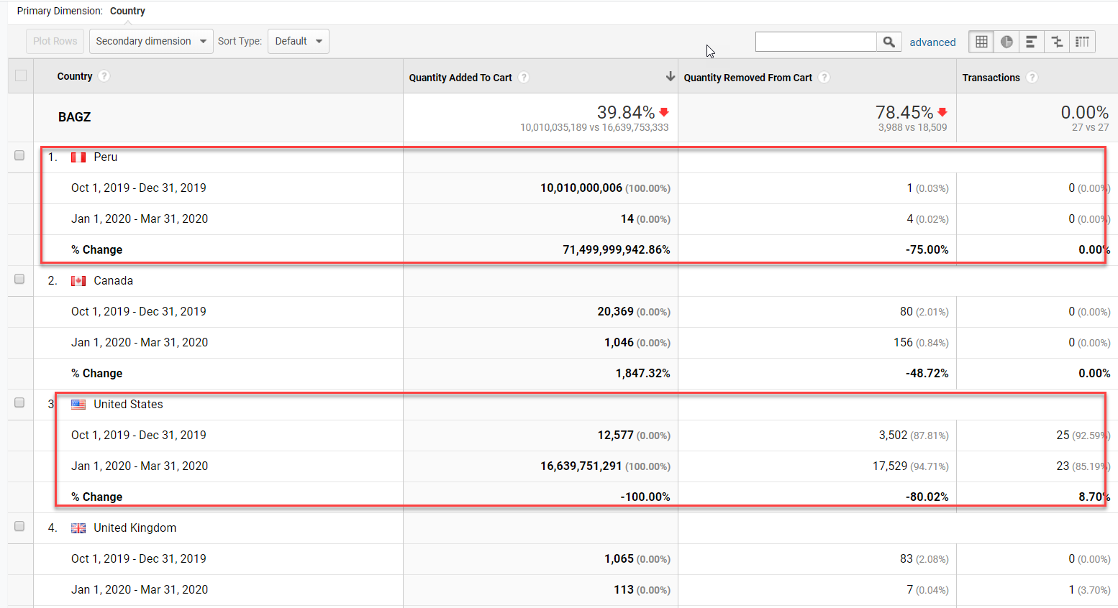

 | Insights | In both periods, the US had both the highest removals and transactions

 | Recommendations | For countries like the UK that have high removals and no transaction. Competitor and PRICE analysis is crucial

Varun - Question 13
Question | Age of the users? | Note: 3 unmarked transactions are not shown in google analytics, only consider the All Users column

Method | Report > Audience > Demographics > Age > Summary report (default) (With segment where search is only for bags)

Date Considered | Q1 2020 Jan - March & Q4 2019 Oct - Dec

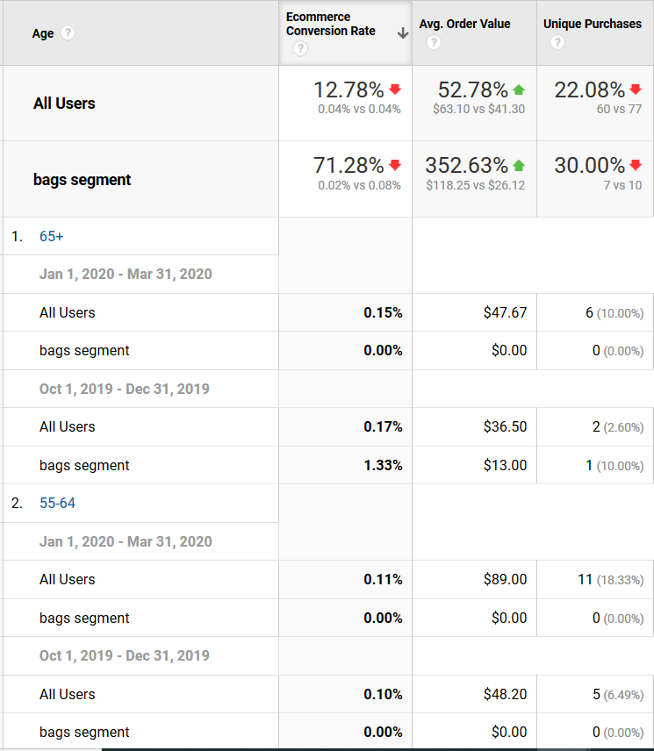
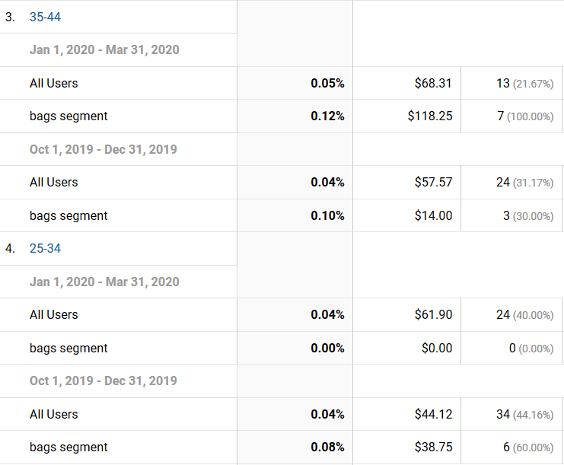
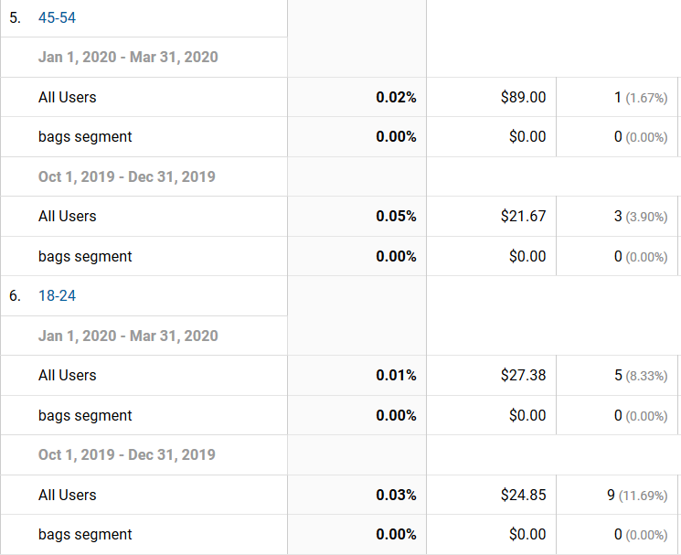

Explanation | The first category is the age of 65+, we can see that the conversion is greater for Q4 2019 than Q1 2020, but we can also see that there are 6 unique items purchased in Q1 2020 and 2 items in Q4 2019 even though conversion is lesser in Q1 2020. AOV is also higher for Q1 2020, so we can infer that there are more reluctant users buying only high value product in Q1 2020. | The next category of age 55- 64 yrs, we can see conversion is better in Q1 2020 than in Q4 2019, this can again be due to the decline in users. There are more number of unique items purchased in 2020 than in 2019 Q4, at the same time the AOV is higher for 2020 Q1. | The next category is 35-44 yrs, conversion is higher for Q1 2020, but here the number of unique items are lower in 2020 Q1 than Q4 2019. The AOV is higher for Q1 2020, this can again be a reason of decline in users 2020.

 | In the age category 25-34 years, the conversion rate is relatively the same in both timelines, but Q4 2019 has a higher unique purchases and the AOV is again higher in Q1 2020. | Age category 45-54 is again unique since we can see a decrease in conversion in Q1 2020 when compared to Q4 2019. Interestingly we can also see that the number of unique purchases is higher for Q4 2019. Still, the AOV is higher for Q1 2020. | Age 18-24 years is similar, but cheaper goods to the previous category, since conversion is higher in Q4 2019 and also unique purchases is higher in Q4 2019, but here also the AOV is low in 2019 but only by a marginal amount.

Recommendation | Since there are a significant proportion of potential purchasers in the age of less than 35 years, we can provide more offers and have a better collection specific to the age groups 18-24, 45-54 years. Especially better cost products for age group 18-24 and higher cost products to 45-54 years. Interestingly we can also provide more tailored collection and selective cost to the population of age group 65+, since the user base is low.

Varun - Question 14
Question | Which gender are our users? | Note: Only consider gender row and not the bag segment row. We have a gender pool of Female, Male.

Method | Behavior > Events > Pages (also added segments by clicking add segments > new segments > selecting the product type as ‘bags’ > save)

Date Considered | Q1 2020 Jan - March & Q4 2019 Oct - Dec

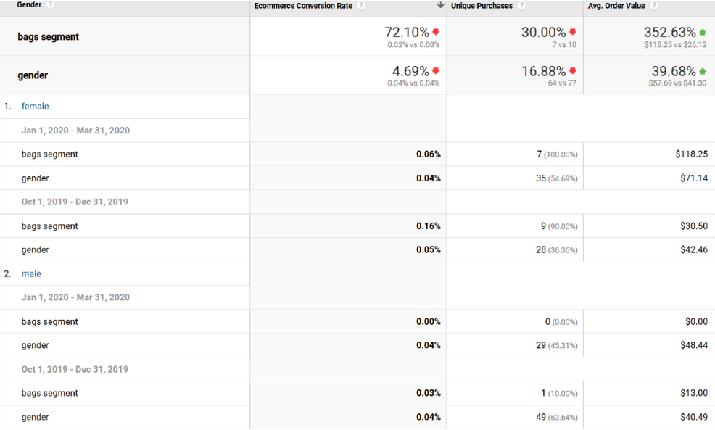

Explanation | Conversion Rate: | Unique Purchases: | AOV:
 | There is a decrease in conversion rate, people are clearly terrified on this COVID. Female users surprisingly have an equal conversion rate as of Male users in JAN to MARCH, but we can see conversion rate is higher for women in Q4 2019. | In the Q1 2020 female users have bought more unique products, but I Q4 2019 Male users have bought more unique bags than women. This can be attributed to the holiday season on November and December. | Female users in both quarters have a better AOV than men, but we can also see that in Q1 2020 Female users have purchased for higher value when compared to Male users. Female users are buying more costly items compare in less quantities in comparison to Male users who buy more quantity but for lesser AOV.
Recommendation | Since Male users have a higher user group and lower buying trend, we can understand that the selection of bags is not appealing to the male users. So, we must design bags specifically for the male users to increase our purchase rate. Also, male users are buying more during festival quarter, so we can price high for male users, since vanilla products ensures that price increase doesn’t effect purchase.

Neetesh - Question 16
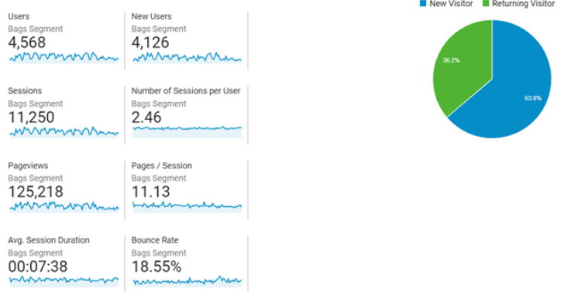
1 | Question | What is the bounce rate?
2 | Steps followed | Create custom report -> Audience -> Overview -> Select Bounce rate
3 | Insight trying to obtain | Check bounce rate for the entire site. Is the bounce rate good? How can we improve it?
4 | Dates selected | Q1 2020
5 | Results obtained | Screenshots shared below
6 | Insights | The bounce rate is 18.55% which is good as it is low which means people are searching more products. Almost 1/3rd of the visitors are returning and the number of sessions per user is also low at 2.46
7 | Recommendations | Can't see an issue there as bounce rate is low and 1/3rd of the users are returning

Neetesh - Question 17
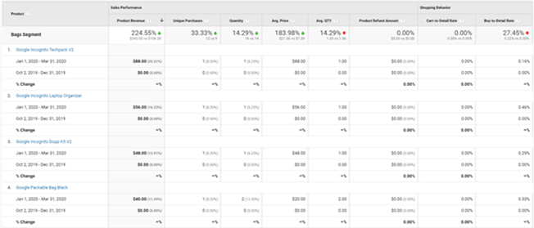
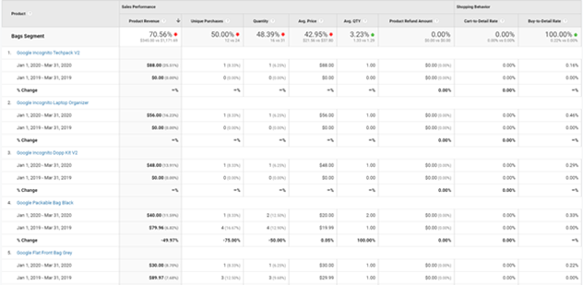
1 | Question | At what time which product is sold the max?
2 | Steps followed | Create custom report -> Conversions -> Ecommerce -> ProductPerformance
3 | Insight trying to obtain | Seeing which product has maximum sales at what time. Check for seasonality in product sales.
4 | Dates selected | Q1 2020 vs Q4 2019
5 | Results obtained | Screenshots shared below
6 | Insights | The revenue and quantities sold are higher compared to previous quarter which is unexpected as the last quarter of the year should have higher revenue due to holiday season.
7 | Recommendations | Although the revenue and quantities sold is higher compared to previous quarter, but it is low compared to same period last year. Management needs to check what we are doing different compared to last year in terms of marketing. The management will have to increase spend on digital ads to increase visibility and ensure we get more visitors on the site as the overall sales itself is quite low.

