Book1
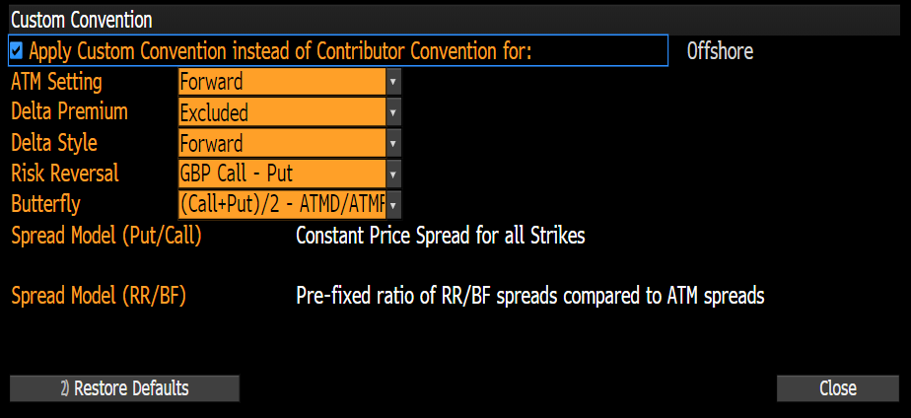
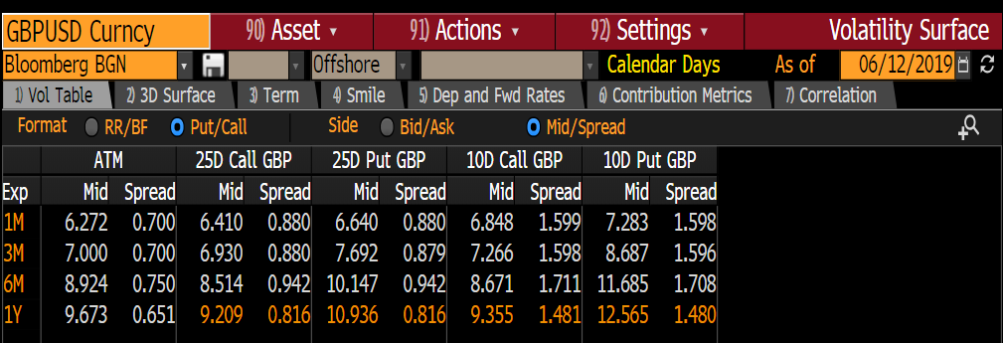
GBP | USD |  | Bloomberg BGN
 | ATM |  | 25D Call GBP |  | 25D Put GBP |  | 10D Call GBP |  | 10D Put GBP
 | Mid | Spread | Mid | Spread | Mid | Spread | Mid | Spread | Mid | Spread
1M | 6.27 | 0.7 | 6.41 | 0.88 | 6.64 | 0.88 | 6.848 | 1.599 | 7.283 | 1.598
3M | 6.99 | 0.7 | 6.93 | 0.88 | 7.692 | 0.879 | 7.266 | 1.598 | 8.687 | 1.596
6M | 8.885 | 0.75 | 8.514 | 0.942 | 10.147 | 0.942 | 8.671 | 1.711 | 11.685 | 1.708
1Y | 9.61 | 0.65 | 9.209 | 0.816 | 10.936 | 0.816 | 9.355 | 1.481 | 12.565 | 1.48

